YR47
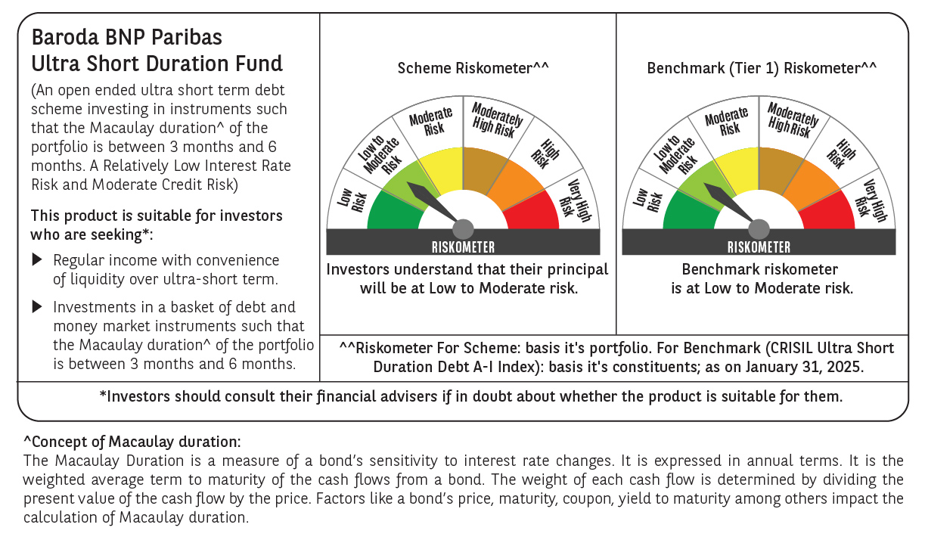
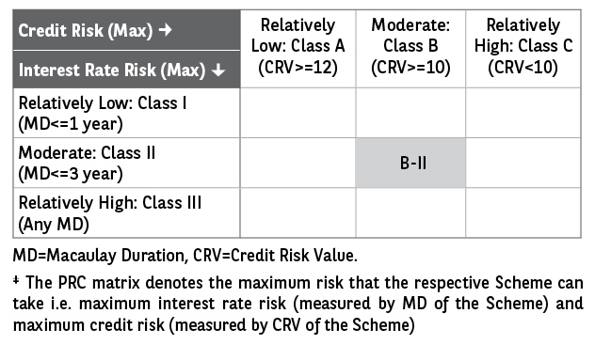
 | Baroda BNP Paribas Ultra Short Duration Fund

 | Monthly Portfolio Statement as on January 31, 2025
 | Name of the Instrument | ISIN | Rating | Quantity | Market/Fair Value (Rs. in Lakhs) | % to Net Assets | YTM~ | YTC^ | null
 | Debt Instruments
 | (a) Listed / awaiting listing on Stock Exchange
POWF459 | 7.17% Power Finance Corporation Limited (22/05/2025) ** | INE134E08KT5 | CRISIL AAA | 500 | 4,987.14 | 3.21% | 7.66%
NHBA317 | 7.34% National Housing Bank (07/08/2025) ** | INE557F08FN7 | CRISIL AAA | 350 | 3,491.81 | 2.25% | 7.77%
POWF487 | 7.13% Power Finance Corporation Limited (15/07/2026) ** | INE134E08LP1 | CRISIL AAA | 300 | 2,979.29 | 1.92% | 7.62%
GOI1399 | 8.15% State Government Securities (13/11/2025) | IN2120150064 | Sovereign | 2,500,000 | 2,524.83 | 1.63% | 6.92%
BHAT66 | 8.90% Bharti Telecom Limited (04/12/2025) ** | INE403D08181 | CRISIL AA+ | 2,500 | 2,507.63 | 1.61% | 8.39%
EXIM730 | 7.2% Export Import Bank of India (05/06/2025) ** | INE514E08FY8 | CRISIL AAA | 250 | 2,493.62 | 1.61% | 7.61%
EXIM677 | 5.62% Export Import Bank of India (20/06/2025) ** | INE514E08FU6 | CRISIL AAA | 250 | 2,479.21 | 1.60% | 7.60%
EOPR27 | 7.05% Embassy Office Parks REIT (18/10/2026) ** | INE041007084 | CRISIL AAA | 250 | 2,472.46 | 1.59% | 8.12%
HHFL205 | 8.94% Hero Fincorp Limited (10/09/2025) ** | INE957N07781 | CRISIL AA+ | 2,400 | 2,398.08 | 1.54% | 8.77%
GOSL357 | 8.40% Godrej Industries Limited (27/08/2027) ** | INE233A08113 | CRISIL AA+ | 2,000 | 2,007.57 | 1.29% | 8.20%
SHTR504 | 9.25% Shriram Finance Limited (19/12/2025) ** | INE721A07RU2 | CRISIL AA+ | 1,500 | 1,507.37 | 0.97% | 8.55%
IRLY371 | 7.23% Indian Railway Finance Corporation Limited (15/10/2026) | INE053F08304 | CRISIL AAA | 1,500 | 1,493.70 | 0.96% | 7.51%
GOI2340 | 6.9% State Government Securities (16/10/2025) | IN3120190126 | Sovereign | 1,000,000 | 1,000.74 | 0.64% | 6.89%
RECL428 | 7.56% REC Limited (30/06/2026) ** | INE020B08ED9 | CRISIL AAA | 1,000 | 998.49 | 0.64% | 7.63%
IIFW288 | 9.22% 360 One Prime Limited (18/07/2025) ** | INE248U07EV0 | CRISIL AA | 80,000 | 799.45 | 0.51% | 9.34%
GOI1371 | 7.96% State Government Securities (14/10/2025) | IN2220150105 | Sovereign | 500,000 | 503.90 | 0.32% | 6.89%
 | Sub Total |  |  |  | 34,645.29 | 22.29%
 | (b) Privately placed / Unlisted |  |  |  | NIL | NIL
 | Sub Total |  |  |  | NIL | NIL
 | (c) Securitised Debt
IUNT23 | India Universal Trust (21/11/2026) ** | INE1CBK15011 | CRISIL AAA(SO) | 13 | 1,172.00 | 0.75% | 8.35%
 | Sub Total |  |  |  | 1,172.00 | 0.75%
 | (b) Privately placed / Unlisted |  |  |  | NIL | NIL
 | Sub Total |  |  |  | NIL | NIL
 | Total |  |  |  | 35,817.29 | 23.04%
 | Money Market Instruments
 | Certificate of Deposit
UTIB1323 | Axis Bank Limited (06/06/2025) # | INE238AD6835 | CRISIL A1+ | 1,200 | 5,846.62 | 3.77% | 7.66%
IIBL975 | IndusInd Bank Limited (05/06/2025) ** # | INE095A16X51 | CRISIL A1+ | 1,100 | 5,359.44 | 3.45% | 7.72%
IBCL1164 | ICICI Bank Limited (25/02/2025) ** # | INE090AD6121 | ICRA A1+ | 1,000 | 4,976.28 | 3.20% | 7.25%
NBAR788 | National Bank For Agriculture and Rural Development (20/06/2025) ** # | INE261F16876 | CRISIL A1+ | 1,000 | 4,858.91 | 3.13% | 7.63%
KMBK863 | Kotak Mahindra Bank Limited (24/07/2025) ** # | INE237A161Y7 | CRISIL A1+ | 1,000 | 4,825.83 | 3.11% | 7.61%
NBAR810 | National Bank For Agriculture and Rural Development (22/01/2026) ** # | INE261F16900 | CRISIL A1+ | 700 | 3,258.50 | 2.10% | 7.62%
PUBA1034 | Punjab National Bank (15/05/2025) ** # | INE160A16PF9 | CRISIL A1+ | 600 | 2,937.14 | 1.89% | 7.58%
CANB1011 | Canara Bank (28/05/2025) ** # | INE476A16ZL6 | CRISIL A1+ | 600 | 2,929.77 | 1.89% | 7.54%
CANB1006 | Canara Bank (07/03/2025) ** # | INE476A16ZC5 | CRISIL A1+ | 500 | 2,483.21 | 1.60% | 7.26%
KMBK854 | Kotak Mahindra Bank Limited (07/03/2025) ** # | INE237A166W0 | CRISIL A1+ | 500 | 2,483.20 | 1.60% | 7.27%
PUBA1024 | Punjab National Bank (11/03/2025) ** # | INE160A16OP1 | FITCH A1+ | 500 | 2,481.15 | 1.60% | 7.30%
UNBI395 | Union Bank of India (18/03/2025) # | INE692A16HP7 | FITCH A1+ | 500 | 2,477.76 | 1.60% | 7.28%
KMBK859 | Kotak Mahindra Bank Limited (15/05/2025) ** # | INE237A163X5 | CRISIL A1+ | 500 | 2,447.71 | 1.58% | 7.57%
HDFB959 | HDFC Bank Limited (02/06/2025) # | INE040A16FE7 | CRISIL A1+ | 500 | 2,438.56 | 1.57% | 7.60%
CANB1005 | Canara Bank (03/09/2025) ** # | INE476A16ZA9 | CRISIL A1+ | 500 | 2,393.16 | 1.54% | 7.62%
KMBK876 | Kotak Mahindra Bank Limited (28/01/2026) # | INE237A163Z0 | CRISIL A1+ | 500 | 2,326.08 | 1.50% | 7.56%
IBCL1171 | ICICI Bank Limited (27/06/2025) ** # | INE090AD6162 | ICRA A1+ | 460 | 2,232.27 | 1.44% | 7.58%
CANB1018 | Canara Bank (12/12/2025) ** # | INE476A16ZQ5 | CRISIL A1+ | 400 | 1,877.26 | 1.21% | 7.60%
CANB1030 | Canara Bank (21/01/2026) ** # | INE476A16A08 | CRISIL A1+ | 400 | 1,862.87 | 1.20% | 7.59%
UNBI416 | Union Bank of India (27/01/2026) ** # | INE692A16IM2 | FITCH A1+ | 400 | 1,860.71 | 1.20% | 7.59%
HDFB979 | HDFC Bank Limited (04/12/2025) # | INE040A16FY5 | CRISIL A1+ | 300 | 1,409.71 | 0.91% | 7.64%
CANB1031 | Canara Bank (03/02/2026) ** # | INE476A16A24 | CRISIL A1+ | 300 | 1,394.05 | 0.90% | 7.56%
 | Sub Total |  |  |  | 65,160.19 | 41.99%
 | Commercial Paper
EXIM791 | Export Import Bank of India (03/06/2025) | INE514E14SL6 | CRISIL A1+ | 800 | 3,901.29 | 2.51% | 7.57%
JBCI168 | Julius Baer Capital India Pvt Ltd (23/12/2025) ** | INE824H14RF6 | CRISIL A1+ | 600 | 2,788.69 | 1.80% | 8.51%
PHFL142 | Piramal Capital & Housing Finance Limited (28/04/2025) ** | INE516Y14GU5 | CRISIL A1+ | 500 | 2,450.61 | 1.58% | 8.55%
BGHP165 | Birla Group Holdings Private Limited (05/06/2025) ** | INE09OL14FY0 | CRISIL A1+ | 500 | 2,432.65 | 1.57% | 8.15%
MUFL431 | Muthoot Finance Limited (10/06/2025) ** | INE414G14TR9 | CRISIL A1+ | 500 | 2,429.72 | 1.56% | 8.19%
MOFS196 | Motilal Oswal Financial Services Limited (19/06/2025) ** | INE338I14HX9 | CRISIL A1+ | 500 | 2,422.60 | 1.56% | 8.45%
EXIM789 | Export Import Bank of India (17/11/2025) ** | INE514E14SJ0 | CRISIL A1+ | 200 | 943.21 | 0.61% | 7.61%
MUFL440 | Muthoot Finance Limited (01/12/2025) ** | INE414G14TY5 | CRISIL A1+ | 200 | 936.23 | 0.60% | 8.21%
MOFS194 | Motilal Oswal Financial Services Limited (09/06/2025) | INE338I14HV3 | ICRA A1+ | 100 | 485.61 | 0.31% | 8.45%
TATP55 | Tata Projects Limited (12/12/2025) | INE725H14CO9 | CRISIL A1+ | 100 | 467.81 | 0.30% | 8.00%
 | Sub Total |  |  |  | 19,258.42 | 12.40%
 | Treasury Bill
TBIL2466 | 182 Days Tbill (MD 31/07/2025) | IN002024Y423 | Sovereign | 5,000,000 | 4,841.70 | 3.12% | 6.63%
 | Sub Total |  |  |  | 4,841.70 | 3.12%
 | Total |  |  |  | 89,260.31 | 57.51%
 | Others
 | Corporate Debt Market Development Fund
CDMD50ME | Corporate Debt Market Development Fund # | INF0RQ622028 |  | 2,789 | 304.30 | 0.20%
 | Sub Total |  |  |  | 304.30 | 0.20%
 | Total |  |  |  | 304.30 | 0.20%
 | Reverse Repo / TREPS
TRP_030225 | Clearing Corporation of India Ltd |  |  |  | 31,653.15 | 20.38% | 6.54%
 | Sub Total |  |  |  | 31,653.15 | 20.38%
 | (b) Privately placed / Unlisted |  |  |  | NIL | NIL
 | Sub Total |  |  |  | NIL | NIL
 | Total |  |  |  | 31,653.15 | 20.38%
 | Net Receivables / (Payables) |  |  |  | (1,749.21) | (1.13)%
 | GRAND TOTAL |  |  |  | 155,285.84 | 100.00%

 | ** Thinly Traded / Non Traded Security
 | # Unlisted Security
 | ~ YTM as on January 31, 2025
 | ^ YTC represents Yield to Call provided by valuation agencies as on January 31, 2025. It is disclosed for Perpetual Bond issued by Banks (i.e. AT-1 Bond / Tier 1 Bond / Tier 2 Bond), as per AMFI Best Practices Guidelines Circular no. 135/BP/91/2020-21 read with SEBI circular No. SEBI/HO/IMD/DF4/CIR/P/2021/034 on Valuation of AT-1 Bonds and Tier 2 Bonds.

