Monthly Portfolio
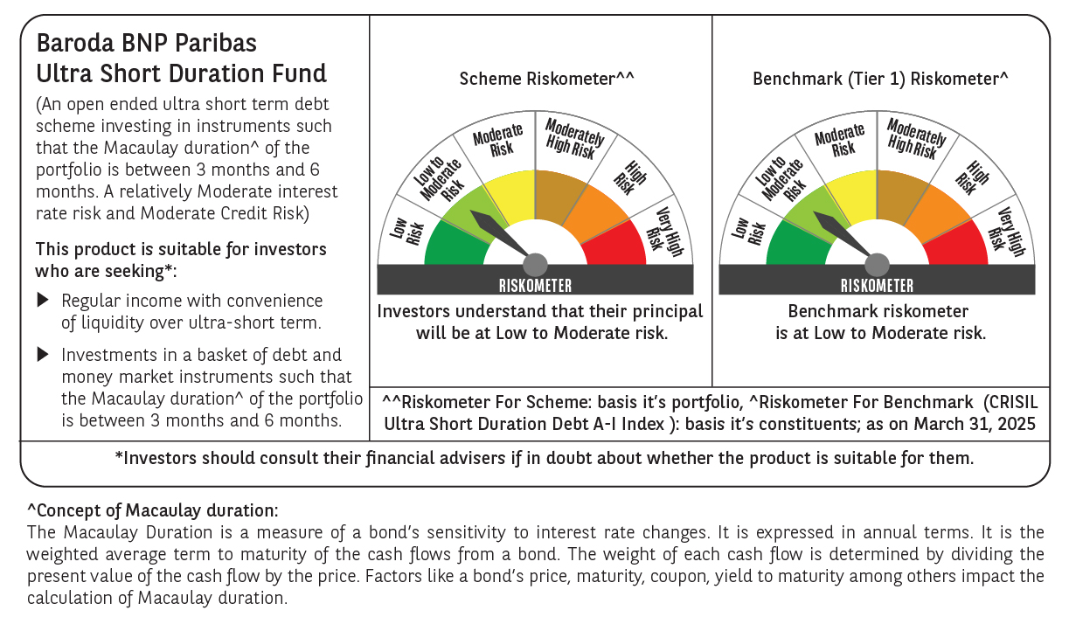
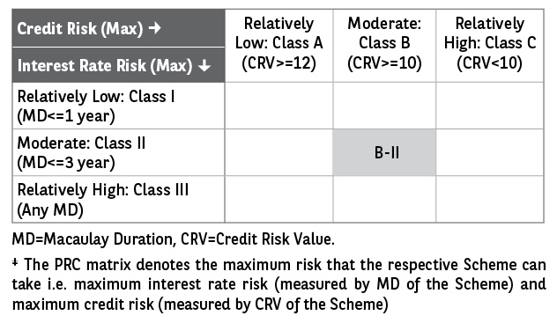
 | Baroda BNP Paribas Ultra Short Duration Fund

 | Monthly Portfolio Statement as on March 31, 2025
 | Name of the Instrument | ISIN | Rating | Quantity | Market/Fair Value (Rs. in Lakhs) | % to Net Assets | YTM~ | YTC^ | null
 | Debt Instruments
 | (a) Listed / awaiting listing on Stock Exchange
NHBA317 | 7.34% National Housing Bank (07/08/2025) ** | INE557F08FN7 | CRISIL AAA | 350 | 3,500.60 | 3.26% | 7.28%
IRLY371 | 7.23% Indian Railway Finance Corporation Limited (15/10/2026) ** | INE053F08304 | CRISIL AAA | 3,000 | 3,001.26 | 2.80% | 7.23%
BHAT66 | 8.90% Bharti Telecom Limited (04/12/2025) ** | INE403D08181 | CRISIL AA+ | 2,500 | 2,508.68 | 2.34% | 8.12%
EXIM730 | 7.2% Export Import Bank of India (05/06/2025) ** | INE514E08FY8 | CRISIL AAA | 250 | 2,497.83 | 2.33% | 7.26%
EOPR27 | 7.05% Embassy Office Parks REIT (18/10/2026) ** | INE041007084 | CRISIL AAA | 250 | 2,479.52 | 2.31% | 7.90%
HHFL205 | 8.94% Hero Fincorp Limited (10/09/2025) ** | INE957N07781 | CRISIL AA+ | 2,400 | 2,403.13 | 2.24% | 8.23%
GOSL357 | 8.40% Godrej Industries Limited (27/08/2027) ** | INE233A08113 | CRISIL AA+ | 1,500 | 1,512.00 | 1.41% | 7.99%
SHTR504 | 9.25% Shriram Finance Limited (19/12/2025) ** | INE721A07RU2 | CRISIL AA+ | 1,500 | 1,508.66 | 1.41% | 8.19%
RECL428 | 7.56% REC Limited (30/06/2026) ** | INE020B08ED9 | CRISIL AAA | 1,000 | 1,003.10 | 0.93% | 7.25%
IIFW288 | 9.22% 360 One Prime Limited (18/07/2025) ** | INE248U07EV0 | CRISIL AA | 80,000 | 800.51 | 0.75% | 8.84%
GOI1371 | 7.96% State Government Securities (14/10/2025) | IN2220150105 | Sovereign | 500,000 | 503.49 | 0.47% | 6.71%
POWF487 | 7.13% Power Finance Corporation Limited (15/07/2026) | INE134E08LP1 | CRISIL AAA | 50 | 498.50 | 0.46% | 7.35%
 | Sub Total |  |  |  | 22,217.28 | 20.71%
 | (b) Privately placed / Unlisted |  |  |  | NIL | NIL
 | Sub Total |  |  |  | NIL | NIL
 | (c) Securitised Debt
IUNT23 | India Universal Trust (21/11/2026) ** | INE1CBK15011 | CRISIL AAA(SO) | 13 | 1,044.14 | 0.97% | 8.22%
 | Sub Total |  |  |  | 1,044.14 | 0.97%
 | (b) Privately placed / Unlisted |  |  |  | NIL | NIL
 | Sub Total |  |  |  | NIL | NIL
 | Total |  |  |  | 23,261.42 | 21.68%
 | Money Market Instruments
 | Certificate of Deposit
IIBL975 | IndusInd Bank Limited (05/06/2025) ** # | INE095A16X51 | CRISIL A1+ | 1,100 | 5,430.51 | 5.06% | 7.19%
UTIB1323 | Axis Bank Limited (06/06/2025) ** # | INE238AD6835 | CRISIL A1+ | 1,000 | 4,937.29 | 4.60% | 7.02%
PUBA1073 | Punjab National Bank (19/12/2025) ** # | INE160A16QS0 | CRISIL A1+ | 1,000 | 4,754.61 | 4.43% | 7.19%
NBAR810 | National Bank For Agriculture and Rural Development (22/01/2026) ** # | INE261F16900 | CRISIL A1+ | 700 | 3,306.91 | 3.08% | 7.20%
KMBK881 | Kotak Mahindra Bank Limited (27/02/2026) # | INE237A166Z3 | CRISIL A1+ | 600 | 2,815.85 | 2.62% | 7.19%
HDFB983 | HDFC Bank Limited (18/12/2025) ** # | INE040A16GA3 | CARE A1+ | 560 | 2,663.81 | 2.48% | 7.15%
HDFB959 | HDFC Bank Limited (02/06/2025) ** # | INE040A16FE7 | CRISIL A1+ | 500 | 2,470.62 | 2.30% | 7.00%
UTIB1322 | Axis Bank Limited (05/06/2025) ** # | INE238AD6843 | CRISIL A1+ | 500 | 2,469.11 | 2.30% | 7.02%
SIDB563 | Small Industries Dev Bank of India (10/06/2025) ** # | INE556F16AS2 | CRISIL A1+ | 500 | 2,466.77 | 2.30% | 7.03%
NBAR788 | National Bank For Agriculture and Rural Development (20/06/2025) ** # | INE261F16876 | CRISIL A1+ | 500 | 2,462.15 | 2.29% | 7.02%
CANB1005 | Canara Bank (03/09/2025) ** # | INE476A16ZA9 | CRISIL A1+ | 500 | 2,426.13 | 2.26% | 7.17%
KMBK876 | Kotak Mahindra Bank Limited (28/01/2026) ** # | INE237A163Z0 | CRISIL A1+ | 500 | 2,360.27 | 2.20% | 7.16%
CANB1041 | Canara Bank (12/03/2026) ** # | INE476A16B23 | CRISIL A1+ | 500 | 2,341.85 | 2.18% | 7.15%
CANB1018 | Canara Bank (12/12/2025) ** # | INE476A16ZQ5 | CRISIL A1+ | 400 | 1,904.91 | 1.78% | 7.15%
CANB1030 | Canara Bank (21/01/2026) ** # | INE476A16A08 | CRISIL A1+ | 400 | 1,890.81 | 1.76% | 7.15%
UNBI416 | Union Bank of India (27/01/2026) ** # | INE692A16IM2 | FITCH A1+ | 400 | 1,888.35 | 1.76% | 7.17%
HDFB979 | HDFC Bank Limited (04/12/2025) ** # | INE040A16FY5 | CRISIL A1+ | 300 | 1,430.77 | 1.33% | 7.15%
CANB1031 | Canara Bank (03/02/2026) ** # | INE476A16A24 | CRISIL A1+ | 300 | 1,414.71 | 1.32% | 7.15%
 | Sub Total |  |  |  | 49,435.43 | 46.05%
 | Commercial Paper
EXIM791 | Export Import Bank of India (03/06/2025) ** | INE514E14SL6 | CRISIL A1+ | 800 | 3,952.25 | 3.68% | 7.00%
JBCI168 | Julius Baer Capital India Pvt Ltd (23/12/2025) ** | INE824H14RF6 | CRISIL A1+ | 600 | 2,839.33 | 2.65% | 7.77%
PHFL142 | Piramal Capital & Housing Finance Limited (28/04/2025) ** | INE516Y14GU5 | CRISIL A1+ | 500 | 2,485.48 | 2.32% | 7.90%
BGHP165 | Birla Group Holdings Private Limited (05/06/2025) ** | INE09OL14FY0 | CRISIL A1+ | 500 | 2,466.74 | 2.30% | 7.57%
MUFL431 | Muthoot Finance Limited (10/06/2025) ** | INE414G14TR9 | CRISIL A1+ | 500 | 2,464.93 | 2.30% | 7.42%
MOFS196 | Motilal Oswal Financial Services Limited (19/06/2025) ** | INE338I14HX9 | CRISIL A1+ | 500 | 2,459.49 | 2.29% | 7.61%
DIIP220 | Deutsche Investments India Pvt Limited (08/09/2025) ** | INE144H14HN4 | CRISIL A1+ | 500 | 2,418.57 | 2.25% | 7.68%
EXIM789 | Export Import Bank of India (17/11/2025) ** | INE514E14SJ0 | CRISIL A1+ | 200 | 956.95 | 0.89% | 7.14%
MUFL440 | Muthoot Finance Limited (01/12/2025) ** | INE414G14TY5 | CRISIL A1+ | 200 | 951.68 | 0.89% | 7.60%
HHFL222 | Hero Fincorp Limited (06/02/2026) ** | INE957N14JG7 | CRISIL A1+ | 200 | 937.98 | 0.87% | 7.76%
TATP55 | Tata Projects Limited (12/12/2025) ** | INE725H14CO9 | CRISIL A1+ | 100 | 475.22 | 0.44% | 7.47%
 | Sub Total |  |  |  | 22,408.62 | 20.88%
 | Treasury Bill
TBIL2466 | 182 Days Tbill (MD 31/07/2025) | IN002024Y423 | Sovereign | 5,000,000 | 4,896.74 | 4.56% | 6.36%
 | Sub Total |  |  |  | 4,896.74 | 4.56%
 | Total |  |  |  | 76,740.79 | 71.49%
 | Others
 | Corporate Debt Market Development Fund
CDMD50ME | Corporate Debt Market Development Fund # | INF0RQ622028 |  | 2,789 | 307.76 | 0.29%
 | Sub Total |  |  |  | 307.76 | 0.29%
 | Total |  |  |  | 307.76 | 0.29%
 | Reverse Repo / TREPS
TRP_020425 | Clearing Corporation of India Ltd |  |  |  | 5,885.91 | 5.49% | 6.22%
 | Sub Total |  |  |  | 5,885.91 | 5.49%
 | (b) Privately placed / Unlisted |  |  |  | NIL | NIL
 | Sub Total |  |  |  | NIL | NIL
 | Total |  |  |  | 5,885.91 | 5.49%
 | Net Receivables / (Payables) |  |  |  | 1,109.50 | 1.05%
 | GRAND TOTAL |  |  |  | 107,305.38 | 100.00%

 | ** Thinly Traded / Non Traded Security
 | # Unlisted Security
 | ~ YTM as on March 31, 2025
 | ^ YTC represents Yield to Call provided by valuation agencies as on March 31, 2025. It is disclosed for Perpetual Bond issued by Banks (i.e. AT-1 Bond / Tier 1 Bond / Tier 2 Bond), as per AMFI Best Practices Guidelines Circular no. 135/BP/91/2020-21 read with SEBI circular No. SEBI/HO/IMD/DF4/CIR/P/2021/034 on Valuation of AT-1 Bonds and Tier 2 Bonds.

