YR47
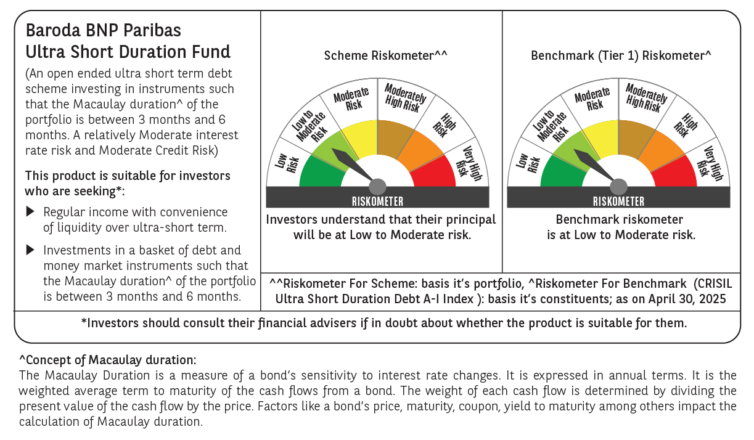
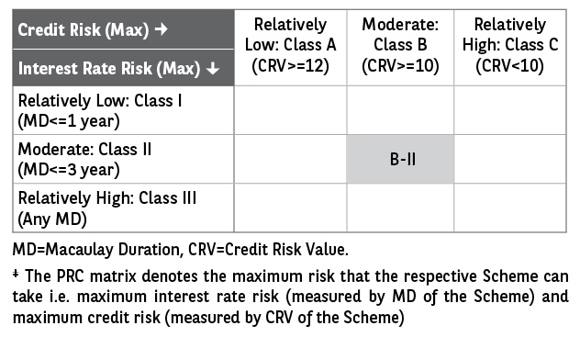
 | Baroda BNP Paribas Ultra Short Duration Fund

 | Monthly Portfolio Statement as on April 30, 2025
 | Name of the Instrument | ISIN | Rating | Quantity | Market/Fair Value (Rs. in Lakhs) | % to Net Assets | YTM~ | YTC^ | null
 | Debt Instruments
 | (a) Listed / awaiting listing on Stock Exchange
GOI2936 | 4.7% Government of India (22/09/2033) | IN0020200120 | Sovereign | 6,000,000 | 6,210.18 | 4.03% | 6.71%
NBAR699 | 7.57% National Bank For Agriculture and Rural Development (19/03/2026) ** | INE261F08DW2 | CRISIL AAA | 5,000 | 5,025.72 | 3.26% | 6.89%
LICH623 | 7.61% LIC Housing Finance Limited (30/07/2025) ** | INE115A07PW7 | CRISIL AAA | 500 | 5,005.29 | 3.25% | 6.79%
NBAR650 | 5.70% National Bank For Agriculture and Rural Development (31/07/2025) ** | INE261F08DK7 | CRISIL AAA | 500 | 4,983.65 | 3.24% | 6.75%
HDBF304 | 8.04% HDB Financial Services Limited (25/02/2026) ** | INE756I07EL8 | CRISIL AAA | 250 | 2,512.32 | 1.63% | 7.30%
BHAT66 | 8.90% Bharti Telecom Limited (04/12/2025) ** | INE403D08181 | CRISIL AA+ | 2,500 | 2,511.63 | 1.63% | 7.80%
NHBA317 | 7.34% National Housing Bank (07/08/2025) | INE557F08FN7 | CRISIL AAA | 250 | 2,503.10 | 1.63% | 6.90%
EXIM730 | 7.2% Export Import Bank of India (05/06/2025) ** | INE514E08FY8 | CRISIL AAA | 250 | 2,500.23 | 1.62% | 6.66%
EOPR27 | 7.05% Embassy Office Parks REIT (18/10/2026) ** | INE041007084 | CRISIL AAA | 250 | 2,495.18 | 1.62% | 7.43%
HHFL205 | 8.94% Hero Fincorp Limited (10/09/2025) ** | INE957N07781 | CRISIL AA+ | 2,400 | 2,406.81 | 1.56% | 7.70%
GOSL357 | 8.40% Godrej Industries Limited (27/08/2027) ** | INE233A08113 | CRISIL AA+ | 1,500 | 1,527.32 | 0.99% | 7.49%
SHTR504 | 9.25% Shriram Finance Limited (19/12/2025) ** | INE721A07RU2 | CRISIL AA+ | 1,500 | 1,509.65 | 0.98% | 7.92%
RECL428 | 7.56% REC Limited (30/06/2026) ** | INE020B08ED9 | CRISIL AAA | 1,000 | 1,007.46 | 0.65% | 6.84%
POWF487 | 7.13% Power Finance Corporation Limited (15/07/2026) ** | INE134E08LP1 | CRISIL AAA | 100 | 1,002.74 | 0.65% | 6.86%
IIFW288 | 9.22% 360 One Prime Limited (18/07/2025) ** | INE248U07EV0 | CRISIL AA | 80,000 | 801.35 | 0.52% | 8.20%
GOI1371 | 7.96% State Government Securities (14/10/2025) | IN2220150105 | Sovereign | 500,000 | 504.01 | 0.33% | 6.09%
IRLY371 | 7.23% Indian Railway Finance Corporation Limited (15/10/2026) ** | INE053F08304 | CRISIL AAA | 500 | 503.19 | 0.33% | 6.79%
 | Sub Total |  |  |  | 43,009.83 | 27.92%
 | (b) Privately placed / Unlisted |  |  |  | NIL | NIL
 | Sub Total |  |  |  | NIL | NIL
 | (c) Securitised Debt
IUNT23 | India Universal Trust (21/11/2026) ** | INE1CBK15011 | CRISIL AAA(SO) | 13 | 982.45 | 0.64% | 7.70%
 | Sub Total |  |  |  | 982.45 | 0.64%
 | (b) Privately placed / Unlisted |  |  |  | NIL | NIL
 | Sub Total |  |  |  | NIL | NIL
 | Total |  |  |  | 43,992.28 | 28.56%
 | Money Market Instruments
 | Certificate of Deposit
IIBL975 | IndusInd Bank Limited (05/06/2025) ** # | INE095A16X51 | CRISIL A1+ | 1,100 | 5,465.15 | 3.55% | 6.65%
UTIB1323 | Axis Bank Limited (06/06/2025) # | INE238AD6835 | CRISIL A1+ | 1,000 | 4,968.15 | 3.23% | 6.50%
PUBA1073 | Punjab National Bank (19/12/2025) ** # | INE160A16QS0 | CRISIL A1+ | 1,000 | 4,796.65 | 3.12% | 6.67%
UNBI418 | Union Bank of India (03/02/2026) ** # | INE692A16IP5 | ICRA A1+ | 1,000 | 4,757.41 | 3.09% | 6.70%
SIDB592 | Small Industries Dev Bank of India (27/02/2026) ** # | INE556F16BB6 | CRISIL A1+ | 1,000 | 4,737.01 | 3.08% | 6.71%
NBAR810 | National Bank For Agriculture and Rural Development (22/01/2026) ** # | INE261F16900 | CRISIL A1+ | 700 | 3,337.06 | 2.17% | 6.70%
KMBK881 | Kotak Mahindra Bank Limited (27/02/2026) ** # | INE237A166Z3 | CRISIL A1+ | 600 | 2,843.21 | 1.85% | 6.67%
HDFB983 | HDFC Bank Limited (18/12/2025) # | INE040A16GA3 | CARE A1+ | 560 | 2,686.10 | 1.74% | 6.70%
UTIB1322 | Axis Bank Limited (05/06/2025) # | INE238AD6843 | CRISIL A1+ | 500 | 2,484.52 | 1.61% | 6.50%
SIDB563 | Small Industries Dev Bank of India (10/06/2025) ** # | INE556F16AS2 | CRISIL A1+ | 500 | 2,482.41 | 1.61% | 6.47%
UTIB1327 | Axis Bank Limited (22/08/2025) ** # | INE238AD6884 | CRISIL A1+ | 500 | 2,449.50 | 1.59% | 6.66%
CANB1005 | Canara Bank (03/09/2025) # | INE476A16ZA9 | CRISIL A1+ | 500 | 2,444.50 | 1.59% | 6.63%
UTIB1339 | Axis Bank Limited (13/11/2025) # | INE238AD6983 | CRISIL A1+ | 500 | 2,413.18 | 1.57% | 6.70%
KMBK871 | Kotak Mahindra Bank Limited (04/12/2025) # | INE237A168Y2 | CRISIL A1+ | 500 | 2,404.65 | 1.56% | 6.67%
PUBA1067 | Punjab National Bank (11/12/2025) # | INE160A16QL5 | CRISIL A1+ | 500 | 2,401.69 | 1.56% | 6.67%
KMBK876 | Kotak Mahindra Bank Limited (28/01/2026) ** # | INE237A163Z0 | CRISIL A1+ | 500 | 2,381.71 | 1.55% | 6.67%
CANB1041 | Canara Bank (12/03/2026) ** # | INE476A16B23 | CRISIL A1+ | 500 | 2,363.64 | 1.54% | 6.68%
CANB1018 | Canara Bank (12/12/2025) # | INE476A16ZQ5 | CRISIL A1+ | 400 | 1,920.79 | 1.25% | 6.69%
CANB1030 | Canara Bank (21/01/2026) ** # | INE476A16A08 | CRISIL A1+ | 400 | 1,907.42 | 1.24% | 6.68%
UNBI416 | Union Bank of India (27/01/2026) ** # | INE692A16IM2 | FITCH A1+ | 400 | 1,905.29 | 1.24% | 6.70%
HDFB979 | HDFC Bank Limited (04/12/2025) ** # | INE040A16FY5 | CRISIL A1+ | 300 | 1,442.54 | 0.94% | 6.70%
CANB1031 | Canara Bank (03/02/2026) ** # | INE476A16A24 | CRISIL A1+ | 300 | 1,427.33 | 0.93% | 6.69%
 | Sub Total |  |  |  | 64,019.91 | 41.61%
 | Commercial Paper
EXIM791 | Export Import Bank of India (03/06/2025) ** | INE514E14SL6 | CRISIL A1+ | 800 | 3,976.59 | 2.58% | 6.51%
JBCI168 | Julius Baer Capital India Pvt Ltd (23/12/2025) ** | INE824H14RF6 | CRISIL A1+ | 600 | 2,863.01 | 1.86% | 7.40%
BGHP165 | Birla Group Holdings Private Limited (05/06/2025) ** | INE09OL14FY0 | CRISIL A1+ | 500 | 2,483.58 | 1.61% | 6.90%
MUFL431 | Muthoot Finance Limited (10/06/2025) ** | INE414G14TR9 | CRISIL A1+ | 500 | 2,481.71 | 1.61% | 6.73%
MOFS196 | Motilal Oswal Financial Services Limited (19/06/2025) ** | INE338I14HX9 | CRISIL A1+ | 500 | 2,476.89 | 1.61% | 6.95%
LICH688 | LIC Housing Finance Limited (11/09/2025) ** | INE115A14FF9 | CRISIL A1+ | 500 | 2,440.29 | 1.59% | 6.72%
DIIP220 | Deutsche Investments India Pvt Limited (08/09/2025) ** | INE144H14HN4 | CRISIL A1+ | 500 | 2,437.47 | 1.58% | 7.20%
LICH698 | LIC Housing Finance Limited (20/11/2025) ** | INE115A14FM5 | CRISIL A1+ | 500 | 2,408.96 | 1.56% | 6.80%
EOPR36 | Embassy Office Parks REIT (20/03/2026) ** | INE041014064 | CRISIL A1+ | 500 | 2,352.51 | 1.53% | 7.09%
MUFL440 | Muthoot Finance Limited (01/12/2025) ** | INE414G14TY5 | CRISIL A1+ | 200 | 958.96 | 0.62% | 7.30%
HHFL222 | Hero Fincorp Limited (06/02/2026) ** | INE957N14JG7 | CRISIL A1+ | 200 | 946.27 | 0.61% | 7.38%
TATP55 | Tata Projects Limited (12/12/2025) ** | INE725H14CO9 | CRISIL A1+ | 100 | 479.25 | 0.31% | 7.02%
 | Sub Total |  |  |  | 26,305.49 | 17.07%
 | Treasury Bill
TBIL2466 | 182 Days Tbill (MD 31/07/2025) | IN002024Y423 | Sovereign | 5,000,000 | 4,927.58 | 3.20% | 5.90%
 | Sub Total |  |  |  | 4,927.58 | 3.20%
 | Total |  |  |  | 95,252.98 | 61.88%
 | Others
 | Corporate Debt Market Development Fund
CDMD50ME | Corporate Debt Market Development Fund # | INF0RQ622028 |  | 2,789 | 310.09 | 0.20%
 | Sub Total |  |  |  | 310.09 | 0.20%
 | Total |  |  |  | 310.09 | 0.20%
 | Reverse Repo / TREPS
TRP_020525 | Clearing Corporation of India Ltd |  |  |  | 12,118.73 | 7.87% | 5.94%
 | Sub Total |  |  |  | 12,118.73 | 7.87%
 | (b) Privately placed / Unlisted |  |  |  | NIL | NIL
 | Sub Total |  |  |  | NIL | NIL
 | Total |  |  |  | 12,118.73 | 7.87%
 | Net Receivables / (Payables) |  |  |  | 2,264.10 | 1.49%
 | GRAND TOTAL |  |  |  | 153,938.18 | 100.00%

 | ** Thinly Traded / Non Traded Security
 | # Unlisted Security
 | ~ YTM as on April 30, 2025
 | ^ YTC represents Yield to Call provided by valuation agencies as on April 30, 2025. It is disclosed for Perpetual Bond issued by Banks (i.e. AT-1 Bond / Tier 1 Bond / Tier 2 Bond), as per AMFI Best Practices Guidelines Circular no. 135/BP/91/2020-21 read with SEBI circular No. SEBI/HO/IMD/DF4/CIR/P/2021/034 on Valuation of AT-1 Bonds and Tier 2 Bonds.

