YR47
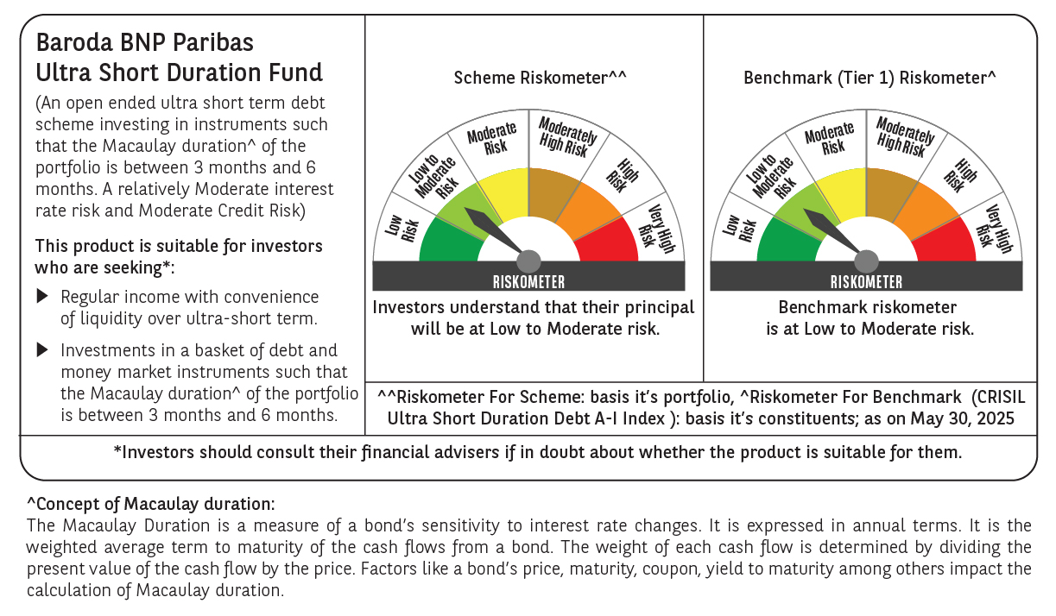
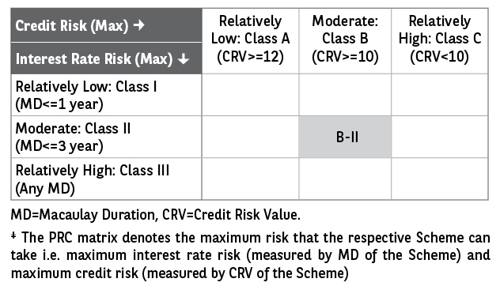
 | Baroda BNP Paribas Ultra Short Duration Fund

 | Monthly Portfolio Statement as on May 31, 2025
 | Name of the Instrument | ISIN | Rating | Quantity | Market/Fair Value (Rs. in Lakhs) | % to Net Assets | YTM~ | YTC^ | null
 | Debt Instruments
 | (a) Listed / awaiting listing on Stock Exchange
GOI2936 | 4.7% Government of India (22/09/2033) | IN0020200120 | Sovereign | 6,000,000 | 6,230.65 | 3.91% | 6.38%
NBAR699 | 7.57% National Bank For Agriculture and Rural Development (19/03/2026) ** | INE261F08DW2 | CRISIL AAA | 5,000 | 5,032.90 | 3.16% | 6.60%
HDBF304 | 8.04% HDB Financial Services Limited (25/02/2026) | INE756I07EL8 | CRISIL AAA | 250 | 2,512.90 | 1.58% | 7.15%
BHAT66 | 8.90% Bharti Telecom Limited (04/12/2025) ** | INE403D08181 | CRISIL AA+ | 2,500 | 2,512.20 | 1.58% | 7.58%
BHAT53 | 8.80% Bharti Telecom Limited (21/11/2025) ** | INE403D08132 | CRISIL AA+ | 250 | 2,510.00 | 1.57% | 7.57%
BAFL826 | 7.9% Bajaj Finance Limited (17/11/2025) ** | INE296A07SF4 | CRISIL AAA | 250 | 2,507.64 | 1.57% | 6.93%
EXIM730 | 7.2% Export Import Bank of India (05/06/2025) ** | INE514E08FY8 | CRISIL AAA | 250 | 2,500.06 | 1.57% | 6.51%
EOPR27 | 7.05% Embassy Office Parks REIT (18/10/2026) ** | INE041007084 | CRISIL AAA | 250 | 2,498.74 | 1.57% | 7.29%
LICH597 | 5.776% LIC Housing Finance Limited (11/09/2025) ** | INE115A07OY6 | CRISIL AAA | 250 | 2,491.88 | 1.56% | 6.68%
HHFL205 | 8.94% Hero Fincorp Limited (10/09/2025) ** | INE957N07781 | CRISIL AA+ | 2,400 | 2,407.60 | 1.51% | 7.30%
GOSL357 | 8.40% Godrej Industries Limited (27/08/2027) ** | INE233A08113 | CRISIL AA+ | 1,500 | 1,532.79 | 0.96% | 7.28%
SHTR504 | 9.25% Shriram Finance Limited (19/12/2025) ** | INE721A07RU2 | CRISIL AA+ | 1,500 | 1,508.38 | 0.95% | 7.87%
POWF487 | 7.13% Power Finance Corporation Limited (15/07/2026) | INE134E08LP1 | CRISIL AAA | 100 | 1,005.88 | 0.63% | 6.55%
IIFW288 | 9.22% 360 One Prime Limited (18/07/2025) ** | INE248U07EV0 | CRISIL AA | 80,000 | 801.02 | 0.50% | 7.95%
IRLY371 | 7.23% Indian Railway Finance Corporation Limited (15/10/2026) ** | INE053F08304 | CRISIL AAA | 500 | 504.44 | 0.32% | 6.55%
GOI1371 | 7.96% State Government Securities (14/10/2025) | IN2220150105 | Sovereign | 500,000 | 503.79 | 0.32% | 5.80%
 | Sub Total |  |  |  | 37,060.87 | 23.26%
 | (b) Privately placed / Unlisted |  |  |  | NIL | NIL
 | Sub Total |  |  |  | NIL | NIL
 | (c) Securitised Debt
VAJR27 | Vajra Trust (20/01/2028) ** | INP2VAJR2705 | CRISIL AAA(SO) | 19 | 1,891.55 | 1.19% | 10.01%
VAJR26 | Vajra Trust (20/10/2026) ** | INP1VAJR2705 | CRISIL AAA(SO) | 16 | 1,595.36 | 1.00% | 10.31%
IUNT23 | India Universal Trust (21/11/2026) ** | INE1CBK15011 | CRISIL AAA(SO) | 13 | 918.96 | 0.58% | 7.39%
 | Sub Total |  |  |  | 4,405.87 | 2.77%
 | (b) Privately placed / Unlisted |  |  |  | NIL | NIL
 | Sub Total |  |  |  | NIL | NIL
 | Total |  |  |  | 41,466.74 | 26.03%
 | Money Market Instruments
 | Certificate of Deposit
KMBK871 | Kotak Mahindra Bank Limited (04/12/2025) ** # | INE237A168Y2 | CRISIL A1+ | 1,500 | 7,263.04 | 4.55% | 6.40%
UTIB1330 | Axis Bank Limited (05/09/2025) # | INE238AD6892 | CRISIL A1+ | 1,000 | 4,918.88 | 3.08% | 6.27%
IBCL1176 | ICICI Bank Limited (14/11/2025) # | INE090AD6204 | ICRA A1+ | 1,000 | 4,858.58 | 3.05% | 6.40%
HDFB983 | HDFC Bank Limited (18/12/2025) ** # | INE040A16GA3 | CARE A1+ | 1,000 | 4,829.19 | 3.03% | 6.46%
PUBA1073 | Punjab National Bank (19/12/2025) ** # | INE160A16QS0 | CRISIL A1+ | 1,000 | 4,828.50 | 3.03% | 6.45%
UNBI418 | Union Bank of India (03/02/2026) ** # | INE692A16IP5 | ICRA A1+ | 1,000 | 4,791.82 | 3.00% | 6.42%
SIDB592 | Small Industries Dev Bank of India (27/02/2026) ** # | INE556F16BB6 | CRISIL A1+ | 1,000 | 4,771.92 | 2.99% | 6.44%
HDFB979 | HDFC Bank Limited (04/12/2025) ** # | INE040A16FY5 | CRISIL A1+ | 700 | 3,388.54 | 2.12% | 6.46%
NBAR810 | National Bank For Agriculture and Rural Development (22/01/2026) ** # | INE261F16900 | CRISIL A1+ | 700 | 3,361.07 | 2.11% | 6.42%
KMBK881 | Kotak Mahindra Bank Limited (27/02/2026) ** # | INE237A166Z3 | CRISIL A1+ | 600 | 2,864.07 | 1.80% | 6.39%
UTIB1323 | Axis Bank Limited (06/06/2025) ** # | INE238AD6835 | CRISIL A1+ | 500 | 2,497.84 | 1.57% | 6.31%
SIDB563 | Small Industries Dev Bank of India (10/06/2025) ** # | INE556F16AS2 | CRISIL A1+ | 500 | 2,496.12 | 1.57% | 6.31%
CANB1005 | Canara Bank (03/09/2025) # | INE476A16ZA9 | CRISIL A1+ | 500 | 2,460.27 | 1.54% | 6.27%
UTIB1340 | Axis Bank Limited (12/11/2025) ** # | INE238AD6991 | CRISIL A1+ | 500 | 2,429.50 | 1.52% | 6.46%
UTIB1339 | Axis Bank Limited (13/11/2025) # | INE238AD6983 | CRISIL A1+ | 500 | 2,429.10 | 1.52% | 6.46%
SIDB581 | Small Industries Dev Bank of India (05/12/2025) # | INE556F16AX2 | CRISIL A1+ | 500 | 2,419.73 | 1.52% | 6.48%
PUBA1067 | Punjab National Bank (11/12/2025) # | INE160A16QL5 | CRISIL A1+ | 500 | 2,417.55 | 1.52% | 6.45%
KMBK876 | Kotak Mahindra Bank Limited (28/01/2026) ** # | INE237A163Z0 | CRISIL A1+ | 500 | 2,398.68 | 1.50% | 6.40%
CANB1041 | Canara Bank (12/03/2026) ** # | INE476A16B23 | CRISIL A1+ | 500 | 2,381.41 | 1.49% | 6.40%
CANB1018 | Canara Bank (12/12/2025) # | INE476A16ZQ5 | CRISIL A1+ | 400 | 1,933.71 | 1.21% | 6.45%
CANB1030 | Canara Bank (21/01/2026) ** # | INE476A16A08 | CRISIL A1+ | 400 | 1,921.06 | 1.20% | 6.41%
CANB1031 | Canara Bank (03/02/2026) ** # | INE476A16A24 | CRISIL A1+ | 300 | 1,437.69 | 0.90% | 6.41%
 | Sub Total |  |  |  | 73,098.27 | 45.82%
 | Commercial Paper
TATP55 | Tata Projects Limited (12/12/2025) ** | INE725H14CO9 | CRISIL A1+ | 1,000 | 4,826.96 | 3.03% | 6.75%
EXIM791 | Export Import Bank of India (03/06/2025) ** | INE514E14SL6 | CRISIL A1+ | 800 | 3,998.62 | 2.51% | 6.29%
JBCI168 | Julius Baer Capital India Pvt Ltd (23/12/2025) ** | INE824H14RF6 | CRISIL A1+ | 600 | 2,883.25 | 1.81% | 7.21%
BGHP165 | Birla Group Holdings Private Limited (05/06/2025) ** | INE09OL14FY0 | CRISIL A1+ | 500 | 2,498.15 | 1.57% | 6.77%
LICH688 | LIC Housing Finance Limited (11/09/2025) ** | INE115A14FF9 | CRISIL A1+ | 500 | 2,455.37 | 1.54% | 6.51%
DIIP220 | Deutsche Investments India Pvt Limited (08/09/2025) ** | INE144H14HN4 | CRISIL A1+ | 500 | 2,453.40 | 1.54% | 7.00%
LICH698 | LIC Housing Finance Limited (20/11/2025) ** | INE115A14FM5 | CRISIL A1+ | 500 | 2,424.93 | 1.52% | 6.57%
EOPR36 | Embassy Office Parks REIT (20/03/2026) ** | INE041014064 | CRISIL A1+ | 500 | 2,371.29 | 1.49% | 6.79%
LICH699 | LIC Housing Finance Limited (19/09/2025) | INE115A14FO1 | CRISIL A1+ | 400 | 1,961.55 | 1.23% | 6.51%
MUFL440 | Muthoot Finance Limited (01/12/2025) ** | INE414G14TY5 | CRISIL A1+ | 200 | 965.23 | 0.61% | 7.19%
HHFL222 | Hero Fincorp Limited (06/02/2026) ** | INE957N14JG7 | CRISIL A1+ | 200 | 953.28 | 0.60% | 7.16%
 | Sub Total |  |  |  | 27,792.03 | 17.45%
 | Treasury Bill
TBIL2466 | 182 Days Tbill (MD 31/07/2025) | IN002024Y423 | Sovereign | 5,000,000 | 4,954.29 | 3.11% | 5.61%
 | Sub Total |  |  |  | 4,954.29 | 3.11%
 | Total |  |  |  | 105,844.59 | 66.38%
 | Others
 | Corporate Debt Market Development Fund
CDMD50ME | Corporate Debt Market Development Fund # | INF0RQ622028 |  | 2,789 | 312.12 | 0.20%
 | Sub Total |  |  |  | 312.12 | 0.20%
 | Total |  |  |  | 312.12 | 0.20%
 | Reverse Repo / TREPS
TRP_020625 | Clearing Corporation of India Ltd |  |  |  | 9,337.99 | 5.86% | 5.77%
 | Sub Total |  |  |  | 9,337.99 | 5.86%
 | (b) Privately placed / Unlisted |  |  |  | NIL | NIL
 | Sub Total |  |  |  | NIL | NIL
 | Total |  |  |  | 9,337.99 | 5.86%
 | Net Receivables / (Payables) |  |  |  | 2,509.21 | 1.53%
 | GRAND TOTAL |  |  |  | 159,470.65 | 100.00%

 | ** Thinly Traded / Non Traded Security
 | # Unlisted Security
 | ~ YTM as on May 31, 2025
 | ^ YTC represents Yield to Call provided by valuation agencies as on May 31, 2025. It is disclosed for Perpetual Bond issued by Banks (i.e. AT-1 Bond / Tier 1 Bond / Tier 2 Bond), as per AMFI Best Practices Guidelines Circular no. 135/BP/91/2020-21 read with SEBI circular No. SEBI/HO/IMD/DF4/CIR/P/2021/034 on Valuation of AT-1 Bonds and Tier 2 Bonds.

