YR47
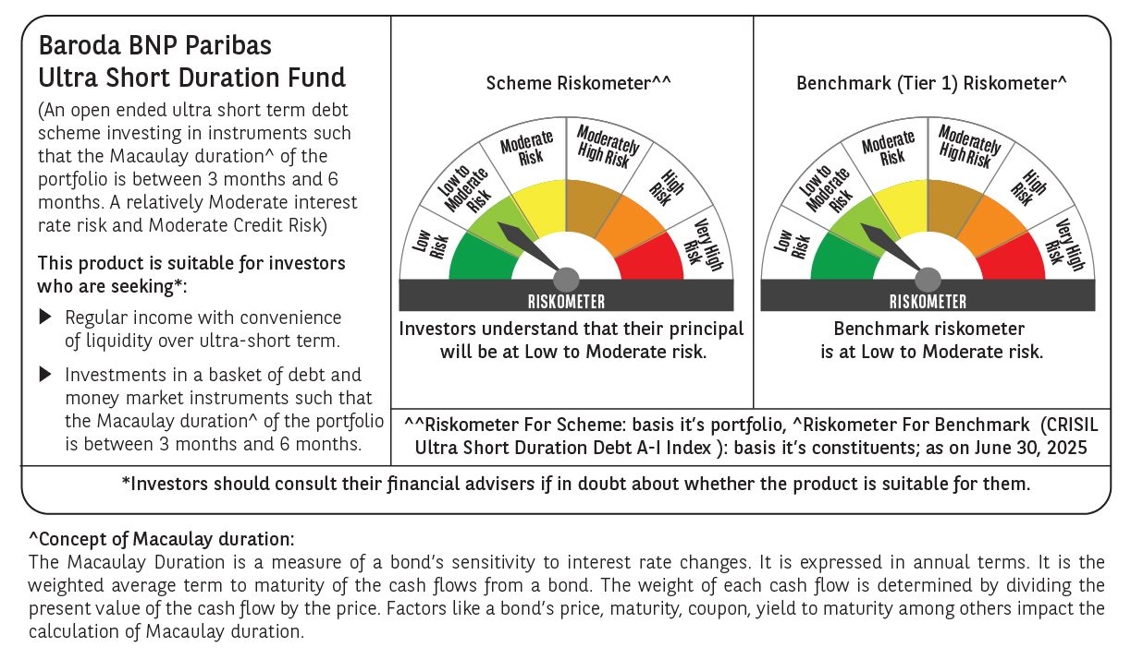
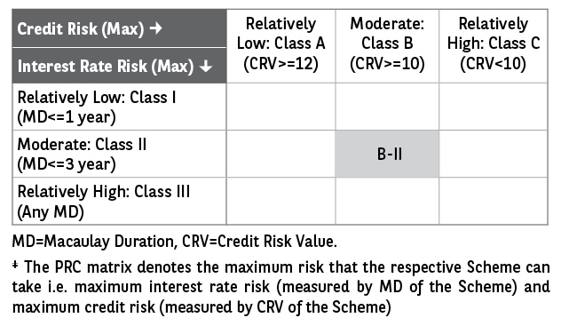
 | Baroda BNP Paribas Ultra Short Duration Fund

 | Monthly Portfolio Statement as on June 30, 2025
 | Name of the Instrument | ISIN | Rating | Quantity | Market/Fair Value (Rs. in Lakhs) | % to Net Assets | YTM~ | YTC^ | null
 | Debt Instruments
 | (a) Listed / awaiting listing on Stock Exchange
BHAT66 | 8.90% Bharti Telecom Limited (04/12/2025) ** | INE403D08181 | CRISIL AA+ | 2,500 | 2,512.23 | 2.21% | 7.35%
BHAT53 | 8.80% Bharti Telecom Limited (21/11/2025) ** | INE403D08132 | CRISIL AA+ | 250 | 2,510.11 | 2.21% | 7.35%
LICH597 | 5.776% LIC Housing Finance Limited (11/09/2025) ** | INE115A07OY6 | CRISIL AAA | 250 | 2,496.59 | 2.20% | 6.19%
GOSL357 | 8.40% Godrej Industries Limited (27/08/2027) | INE233A08113 | CRISIL AA+ | 1,500 | 1,526.86 | 1.34% | 7.45%
SHTR504 | 9.25% Shriram Finance Limited (19/12/2025) ** | INE721A07RU2 | CRISIL AA+ | 1,500 | 1,510.63 | 1.33% | 7.33%
IIFW288 | 9.22% 360 One Prime Limited (18/07/2025) ** | INE248U07EV0 | CRISIL AA | 80,000 | 800.43 | 0.70% | 7.73%
LICH678 | 7.8650% LIC Housing Finance Limited (20/08/2026) ** | INE115A07QT1 | CRISIL AAA | 500 | 505.65 | 0.44% | 6.77%
IRLY371 | 7.23% Indian Railway Finance Corporation Limited (15/10/2026) ** | INE053F08304 | CRISIL AAA | 500 | 504.55 | 0.44% | 6.49%
GOI1371 | 7.96% State Government Securities (14/10/2025) | IN2220150105 | Sovereign | 500,000 | 503.07 | 0.44% | 5.65%
POWF487 | 7.13% Power Finance Corporation Limited (15/07/2026) ** | INE134E08LP1 | CRISIL AAA | 50 | 502.83 | 0.44% | 6.54%
 | Sub Total |  |  |  | 13,372.95 | 11.75%
 | (b) Privately placed / Unlisted |  |  |  | NIL | NIL
 | Sub Total |  |  |  | NIL | NIL
 | (c) Securitised Debt
VAJR27 | Vajra Trust (20/01/2028) ** | INE20NI15021 | CRISIL AAA(SO) | 19 | 1,900.04 | 1.67% | 9.65%
VAJR26 | Vajra Trust (20/10/2026) ** | INE20NI15013 | CRISIL AAA(SO) | 16 | 1,405.53 | 1.24% | 9.99%
IUNT23 | India Universal Trust (21/11/2026) ** | INE1CBK15011 | CRISIL AAA(SO) | 13 | 853.01 | 0.75% | 7.38%
 | Sub Total |  |  |  | 4,158.58 | 3.66%
 | (b) Privately placed / Unlisted |  |  |  | NIL | NIL
 | Sub Total |  |  |  | NIL | NIL
 | Total |  |  |  | 17,531.53 | 15.41%
 | Money Market Instruments
 | Certificate of Deposit
IBCL1176 | ICICI Bank Limited (14/11/2025) # | INE090AD6204 | ICRA A1+ | 1,500 | 7,334.12 | 6.45% | 6.07%
KMBK871 | Kotak Mahindra Bank Limited (04/12/2025) # | INE237A168Y2 | CRISIL A1+ | 1,500 | 7,309.73 | 6.43% | 6.09%
HDFB983 | HDFC Bank Limited (18/12/2025) # | INE040A16GA3 | CARE A1+ | 1,000 | 4,861.28 | 4.28% | 6.13%
PUBA1073 | Punjab National Bank (19/12/2025) ** # | INE160A16QS0 | CRISIL A1+ | 1,000 | 4,860.64 | 4.27% | 6.12%
SIDB592 | Small Industries Dev Bank of India (27/02/2026) ** # | INE556F16BB6 | CRISIL A1+ | 1,000 | 4,801.84 | 4.22% | 6.25%
UTIB1340 | Axis Bank Limited (12/11/2025) ** # | INE238AD6991 | CRISIL A1+ | 700 | 3,423.09 | 3.01% | 6.12%
HDFB979 | HDFC Bank Limited (04/12/2025) # | INE040A16FY5 | CRISIL A1+ | 700 | 3,410.64 | 3.00% | 6.13%
KMBK881 | Kotak Mahindra Bank Limited (27/02/2026) ** # | INE237A166Z3 | CRISIL A1+ | 600 | 2,882.57 | 2.54% | 6.17%
UTIB1331 | Axis Bank Limited (09/09/2025) ** # | INE238AD6918 | CRISIL A1+ | 500 | 2,472.38 | 2.17% | 5.82%
UTIB1339 | Axis Bank Limited (13/11/2025) ** # | INE238AD6983 | CRISIL A1+ | 500 | 2,444.66 | 2.15% | 6.12%
CANB1016 | Canara Bank (05/12/2025) ** # | INE476A16ZP7 | CRISIL A1+ | 500 | 2,436.08 | 2.14% | 6.10%
SIDB581 | Small Industries Dev Bank of India (05/12/2025) # | INE556F16AX2 | CRISIL A1+ | 500 | 2,435.88 | 2.14% | 6.12%
PUBA1067 | Punjab National Bank (11/12/2025) ** # | INE160A16QL5 | CRISIL A1+ | 500 | 2,433.49 | 2.14% | 6.12%
UNBI412 | Union Bank of India (18/12/2025) # | INE692A16II0 | FITCH A1+ | 500 | 2,430.83 | 2.14% | 6.11%
SIDB589 | Small Industries Dev Bank of India (04/02/2026) ** # | INE556F16AZ7 | CRISIL A1+ | 500 | 2,410.04 | 2.12% | 6.25%
CANB1041 | Canara Bank (12/03/2026) ** # | INE476A16B23 | CRISIL A1+ | 500 | 2,396.68 | 2.11% | 6.20%
CANB1031 | Canara Bank (03/02/2026) ** # | INE476A16A24 | CRISIL A1+ | 300 | 1,446.72 | 1.27% | 6.20%
NBAR835 | National Bank For Agriculture and Rural Development (13/03/2026) # | INE261F16983 | CRISIL A1+ | 300 | 1,437.44 | 1.26% | 6.23%
UTIB1363 | Axis Bank Limited (25/06/2026) ** # | INE238AD6AZ4 | CRISIL A1+ | 300 | 1,411.56 | 1.24% | 6.37%
 | Sub Total |  |  |  | 62,639.67 | 55.08%
 | Commercial Paper
TATP55 | Tata Projects Limited (12/12/2025) ** | INE725H14CO9 | CRISIL A1+ | 1,000 | 4,859.29 | 4.27% | 6.45%
JBCI168 | Julius Baer Capital India Pvt Ltd (23/12/2025) ** | INE824H14RF6 | CRISIL A1+ | 600 | 2,903.60 | 2.55% | 6.93%
LICH688 | LIC Housing Finance Limited (11/09/2025) ** | INE115A14FF9 | CRISIL A1+ | 500 | 2,471.10 | 2.17% | 5.93%
LICH698 | LIC Housing Finance Limited (20/11/2025) ** | INE115A14FM5 | CRISIL A1+ | 500 | 2,440.66 | 2.15% | 6.25%
EOPR36 | Embassy Office Parks REIT (20/03/2026) ** | INE041014064 | CRISIL A1+ | 500 | 2,389.70 | 2.10% | 6.43%
MUFL440 | Muthoot Finance Limited (01/12/2025) ** | INE414G14TY5 | CRISIL A1+ | 200 | 972.11 | 0.85% | 6.85%
HHFL222 | Hero Fincorp Limited (06/02/2026) ** | INE957N14JG7 | CRISIL A1+ | 200 | 960.04 | 0.84% | 6.91%
 | Sub Total |  |  |  | 16,996.50 | 14.93%
 | Treasury Bill
TBIL2466 | 182 Days Tbill (MD 31/07/2025) | IN002024Y423 | Sovereign | 5,000,000 | 4,978.27 | 4.38% | 5.31%
 | Sub Total |  |  |  | 4,978.27 | 4.38%
 | Total |  |  |  | 84,614.44 | 74.39%
 | Others
 | Corporate Debt Market Development Fund
CDMD50ME | Corporate Debt Market Development Fund # | INF0RQ622028 |  | 2,789 | 313.59 | 0.28%
 | Sub Total |  |  |  | 313.59 | 0.28%
 | Total |  |  |  | 313.59 | 0.28%
 | Reverse Repo / TREPS
TRP_030725_VAL | Clearing Corporation of India Ltd | TREP03072025 |  |  | 7,497.73 | 6.59% | 5.53%
TRP_010725 | Clearing Corporation of India Ltd |  |  |  | 6,117.10 | 5.38% | 5.47%
 | Sub Total |  |  |  | 13,614.83 | 11.97%
 | (b) Privately placed / Unlisted |  |  |  | NIL | NIL
 | Sub Total |  |  |  | NIL | NIL
 | Total |  |  |  | 13,614.83 | 11.97%
 | Net Receivables / (Payables) |  |  |  | (2,372.14) | (2.05)%
 | GRAND TOTAL |  |  |  | 113,702.25 | 100.00%

 | ** Thinly Traded / Non Traded Security
 | # Unlisted Security
 | ~ YTM as on June 30, 2025
 | ^ YTC represents Yield to Call provided by valuation agencies as on June 30, 2025. It is disclosed for Perpetual Bond issued by Banks (i.e. AT-1 Bond / Tier 1 Bond / Tier 2 Bond), as per AMFI Best Practices Guidelines Circular no. 135/BP/91/2020-21 read with SEBI circular No. SEBI/HO/IMD/DF4/CIR/P/2021/034 on Valuation of AT-1 Bonds and Tier 2 Bonds.

