YR47
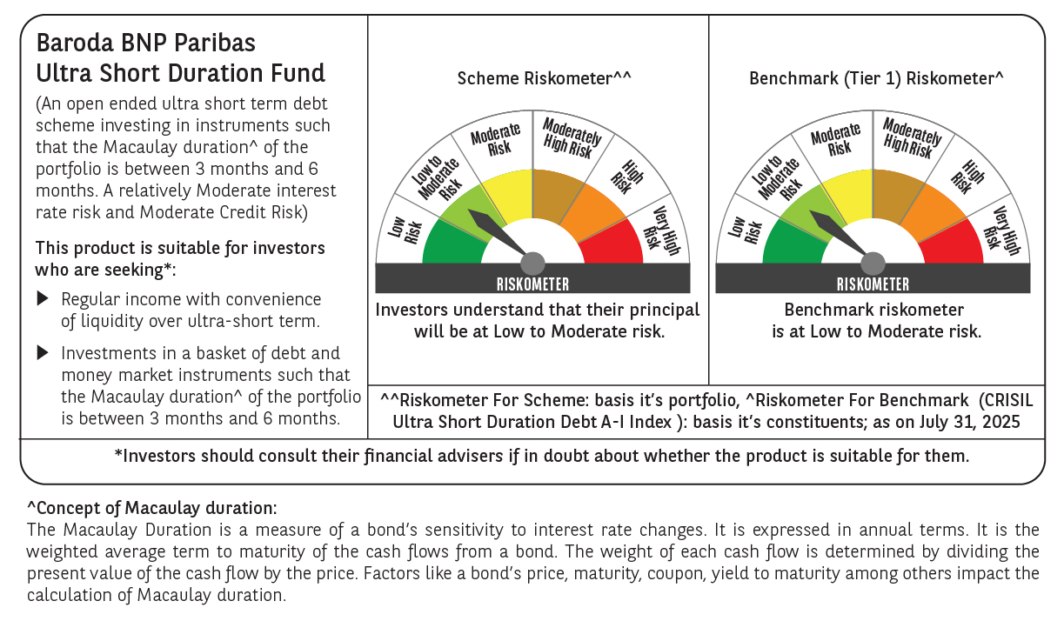
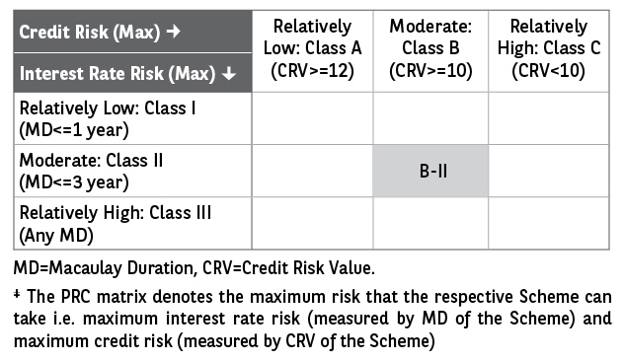
 | Baroda BNP Paribas Ultra Short Duration Fund

 | Monthly Portfolio Statement as on July 31, 2025
 | Name of the Instrument | ISIN | Rating | Quantity | Market/Fair Value (Rs. in Lakhs) | % to Net Assets | YTM~ | YTC^ | null
 | Debt Instruments
 | (a) Listed / awaiting listing on Stock Exchange
RECL439 | 7.64% REC Limited (30/06/2026) ** | INE020B08EM0 | CRISIL AAA | 2,500 | 2,525.36 | 1.81% | 6.42%
BHAT66 | 8.90% Bharti Telecom Limited (04/12/2025) ** | INE403D08181 | CRISIL AAA | 2,500 | 2,514.69 | 1.80% | 6.75%
BHAT57 | 8.6% Bharti Telecom Limited (12/12/2025) ** | INE403D08165 | CRISIL AAA | 250 | 2,513.17 | 1.80% | 6.75%
BHAT53 | 8.80% Bharti Telecom Limited (21/11/2025) ** | INE403D08132 | CRISIL AAA | 250 | 2,512.31 | 1.80% | 6.75%
NBAR689 | 7.5% National Bank For Agriculture and Rural Development (17/12/2025) ** | INE261F08DT8 | CRISIL AAA | 250 | 2,509.78 | 1.80% | 6.14%
LICH597 | 5.776% LIC Housing Finance Limited (11/09/2025) ** | INE115A07OY6 | CRISIL AAA | 250 | 2,498.47 | 1.79% | 6.02%
RECL428 | 7.56% REC Limited (30/06/2026) ** | INE020B08ED9 | CRISIL AAA | 1,600 | 1,615.13 | 1.16% | 6.42%
GOSL357 | 8.40% Godrej Industries Limited (27/08/2027) ** | INE233A08113 | CRISIL AA+ | 1,500 | 1,528.41 | 1.09% | 7.37%
SHTR504 | 9.25% Shriram Finance Limited (19/12/2025) | INE721A07RU2 | CRISIL AA+ | 1,500 | 1,509.48 | 1.08% | 7.15%
PFPL129 | 9% Piramal Finance Limited (28/06/2027) | INE202B07JT0 | CARE AA | 1,500 | 1,501.48 | 1.08% | 8.95%
LICH678 | 7.8650% LIC Housing Finance Limited (20/08/2026) ** | INE115A07QT1 | CRISIL AAA | 500 | 506.04 | 0.36% | 6.63%
IRLY371 | 7.23% Indian Railway Finance Corporation Limited (15/10/2026) ** | INE053F08304 | CRISIL AAA | 500 | 504.64 | 0.36% | 6.41%
POWF487 | 7.13% Power Finance Corporation Limited (15/07/2026) ** | INE134E08LP1 | CRISIL AAA | 50 | 503.04 | 0.36% | 6.46%
GOI1371 | 7.96% State Government Securities (14/10/2025) | IN2220150105 | Sovereign | 500,000 | 502.31 | 0.36% | 5.53%
 | Sub Total |  |  |  | 23,244.31 | 16.65%
 | (b) Privately placed / Unlisted |  |  |  | NIL | NIL
 | Sub Total |  |  |  | NIL | NIL
 | (c) Securitised Debt
VAJR27 | Vajra Trust (20/01/2028) ** | INE20NI15021 | CRISIL AAA(SO) | 19 | 1,901.06 | 1.36% | 9.60%
VAJR26 | Vajra Trust (20/10/2026) ** | INE20NI15013 | CRISIL AAA(SO) | 16 | 1,191.85 | 0.85% | 9.66%
IUNT23 | India Universal Trust (21/11/2026) ** | INE1CBK15011 | CRISIL AAA(SO) | 13 | 789.05 | 0.57% | 7.21%
 | Sub Total |  |  |  | 3,881.96 | 2.78%
 | (b) Privately placed / Unlisted |  |  |  | NIL | NIL
 | Sub Total |  |  |  | NIL | NIL
 | Total |  |  |  | 27,126.27 | 19.43%
 | Money Market Instruments
 | Certificate of Deposit
KMBK871 | Kotak Mahindra Bank Limited (04/12/2025) ** # | INE237A168Y2 | CRISIL A1+ | 1,500 | 7,351.71 | 5.26% | 5.89%
HDFB979 | HDFC Bank Limited (04/12/2025) ** # | INE040A16FY5 | CRISIL A1+ | 1,200 | 5,880.18 | 4.21% | 5.95%
IBCL1176 | ICICI Bank Limited (14/11/2025) ** # | INE090AD6204 | ICRA A1+ | 1,000 | 4,917.53 | 3.52% | 5.83%
HDFB983 | HDFC Bank Limited (18/12/2025) # | INE040A16GA3 | CARE A1+ | 1,000 | 4,889.22 | 3.50% | 5.95%
PUBA1073 | Punjab National Bank (19/12/2025) ** # | INE160A16QS0 | CRISIL A1+ | 1,000 | 4,888.81 | 3.50% | 5.93%
SIDB592 | Small Industries Dev Bank of India (27/02/2026) ** # | INE556F16BB6 | CRISIL A1+ | 1,000 | 4,831.10 | 3.46% | 6.08%
UNBI444 | Union Bank of India (25/06/2026) ** # | INE692A16JQ1 | ICRA A1+ | 900 | 4,261.24 | 3.05% | 6.24%
UTIB1340 | Axis Bank Limited (12/11/2025) ** # | INE238AD6991 | CRISIL A1+ | 700 | 3,442.55 | 2.47% | 5.91%
KMBK881 | Kotak Mahindra Bank Limited (27/02/2026) ** # | INE237A166Z3 | CRISIL A1+ | 600 | 2,899.73 | 2.08% | 6.01%
UTIB1339 | Axis Bank Limited (13/11/2025) ** # | INE238AD6983 | CRISIL A1+ | 500 | 2,458.57 | 1.76% | 5.91%
UNBI408 | Union Bank of India (05/12/2025) ** # | INE692A16ID1 | ICRA A1+ | 500 | 2,449.95 | 1.75% | 5.92%
CANB1016 | Canara Bank (05/12/2025) ** # | INE476A16ZP7 | CRISIL A1+ | 500 | 2,449.91 | 1.75% | 5.92%
SIDB581 | Small Industries Dev Bank of India (05/12/2025) # | INE556F16AX2 | CRISIL A1+ | 500 | 2,449.52 | 1.75% | 5.97%
PUBA1067 | Punjab National Bank (11/12/2025) ** # | INE160A16QL5 | CRISIL A1+ | 500 | 2,447.51 | 1.75% | 5.93%
UNBI412 | Union Bank of India (18/12/2025) ** # | INE692A16II0 | FITCH A1+ | 500 | 2,444.90 | 1.75% | 5.92%
CANB1027 | Canara Bank (26/12/2025) ** # | INE476A16ZW3 | CRISIL A1+ | 500 | 2,441.76 | 1.75% | 5.92%
SIDB589 | Small Industries Dev Bank of India (04/02/2026) ** # | INE556F16AZ7 | CRISIL A1+ | 500 | 2,424.52 | 1.74% | 6.08%
CANB1041 | Canara Bank (12/03/2026) ** # | INE476A16B23 | CRISIL A1+ | 500 | 2,411.10 | 1.73% | 6.04%
NBAR835 | National Bank For Agriculture and Rural Development (13/03/2026) ** # | INE261F16983 | CRISIL A1+ | 300 | 1,445.95 | 1.04% | 6.09%
UTIB1363 | Axis Bank Limited (25/06/2026) ** # | INE238AD6AZ4 | CRISIL A1+ | 300 | 1,420.11 | 1.02% | 6.26%
 | Sub Total |  |  |  | 68,205.87 | 48.84%
 | Commercial Paper
EXIM788 | Export Import Bank of India (10/11/2025) ** | INE514E14SI2 | CRISIL A1+ | 1,000 | 4,919.15 | 3.52% | 5.94%
NBAR856 | National Bank For Agriculture and Rural Development (10/12/2025) | INE261F14OC9 | ICRA A1+ | 1,000 | 4,894.77 | 3.51% | 5.99%
TATP55 | Tata Projects Limited (12/12/2025) ** | INE725H14CO9 | CRISIL A1+ | 1,000 | 4,888.76 | 3.50% | 6.25%
JBCI168 | Julius Baer Capital India Pvt Ltd (23/12/2025) ** | INE824H14RF6 | CRISIL A1+ | 600 | 2,922.69 | 2.09% | 6.71%
LICH698 | LIC Housing Finance Limited (20/11/2025) ** | INE115A14FM5 | CRISIL A1+ | 500 | 2,455.31 | 1.76% | 5.99%
EOPR36 | Embassy Office Parks REIT (20/03/2026) ** | INE041014064 | CRISIL A1+ | 500 | 2,404.80 | 1.72% | 6.26%
MUFL440 | Muthoot Finance Limited (01/12/2025) ** | INE414G14TY5 | CRISIL A1+ | 200 | 978.40 | 0.70% | 6.61%
HHFL222 | Hero Fincorp Limited (06/02/2026) ** | INE957N14JG7 | CRISIL A1+ | 200 | 966.76 | 0.69% | 6.64%
 | Sub Total |  |  |  | 24,430.64 | 17.49%
 | Total |  |  |  | 92,636.51 | 66.33%
 | Others
 | Corporate Debt Market Development Fund
CDMD50ME | Corporate Debt Market Development Fund # | INF0RQ622028 |  | 2,878 | 324.91 | 0.23% | 5.58%
 | Sub Total |  |  |  | 324.91 | 0.23%
 | Total |  |  |  | 324.91 | 0.23%
 | Reverse Repo / TREPS
TRP_010825 | Clearing Corporation of India Ltd |  |  |  | 13,529.87 | 9.69% | 5.42%
TRP_050825_VAL | Clearing Corporation of India Ltd | TREP05082025 |  |  | 4,997.00 | 3.58% | 5.49%
 | Sub Total |  |  |  | 18,526.87 | 13.27%
 | (b) Privately placed / Unlisted |  |  |  | NIL | NIL
 | Sub Total |  |  |  | NIL | NIL
 | Total |  |  |  | 18,526.87 | 13.27%
 | Net Receivables / (Payables) |  |  |  | 1,034.67 | 0.74%
 | GRAND TOTAL |  |  |  | 139,649.23 | 100.00%

 | ** Thinly Traded / Non Traded Security
 | # Unlisted Security
 | ~ YTM as on July 31, 2025
 | ^ YTC represents Yield to Call provided by valuation agencies as on July 31, 2025. It is disclosed for Perpetual Bond issued by Banks (i.e. AT-1 Bond / Tier 1 Bond / Tier 2 Bond), as per AMFI Best Practices Guidelines Circular no. 135/BP/91/2020-21 read with SEBI circular No. SEBI/HO/IMD/DF4/CIR/P/2021/034 on Valuation of AT-1 Bonds and Tier 2 Bonds.

