YR47
 | Baroda BNP Paribas Ultra Short Duration Fund

 | Monthly Portfolio Statement as on August 31, 2025
 | Name of the Instrument | ISIN | Rating | Quantity | Market/Fair Value (Rs. in Lakhs) | % to Net Assets | YTM~ | YTC^ | null
 | Debt Instruments
 | (a) Listed / awaiting listing on Stock Exchange
GOI5817 | 7.04% Government of India (03/06/2029) | IN0020240050 | Sovereign | 3,000,000 | 3,077.60 | 1.91% | 6.35%
RECL439 | 7.64% REC Limited (30/06/2026) ** | INE020B08EM0 | CRISIL AAA | 2,500 | 2,519.29 | 1.56% | 6.57%
SIDB493 | 7.59% Small Industries Dev Bank of India (10/02/2026) | INE556F08KG3 | CRISIL AAA | 2,500 | 2,511.14 | 1.55% | 6.44%
MUFL464 | 8.05% Muthoot Finance Limited (25/11/2027) | INE414G07JQ6 | CRISIL AA+ | 2,500 | 2,510.08 | 1.55% | 7.86%
BHAT57 | 8.6% Bharti Telecom Limited (12/12/2025) ** | INE403D08165 | CRISIL AAA | 250 | 2,509.93 | 1.55% | 6.73%
NBAR689 | 7.5% National Bank For Agriculture and Rural Development (17/12/2025) | INE261F08DT8 | CRISIL AAA | 250 | 2,507.68 | 1.55% | 6.10%
POWF492 | 7.59% Power Finance Corporation Limited (03/11/2025) ** | INE134E08LU1 | CRISIL AAA | 250 | 2,505.32 | 1.55% | 5.97%
RECL428 | 7.56% REC Limited (30/06/2026) | INE020B08ED9 | CRISIL AAA | 1,600 | 1,611.35 | 1.00% | 6.57%
GOSL357 | 8.40% Godrej Industries Limited (27/08/2027) ** | INE233A08113 | CRISIL AA+ | 1,500 | 1,523.67 | 0.94% | 7.52%
NBAR701 | 7.58% National Bank For Agriculture and Rural Development (31/07/2026) | INE261F08DX0 | CRISIL AAA | 1,500 | 1,511.56 | 0.94% | 6.64%
SHTR504 | 9.25% Shriram Finance Limited (19/12/2025) ** | INE721A07RU2 | CRISIL AA+ | 1,500 | 1,507.01 | 0.93% | 7.19%
BHAT66 | 8.90% Bharti Telecom Limited (04/12/2025) ** | INE403D08181 | CRISIL AAA | 1,500 | 1,506.53 | 0.93% | 6.74%
PFPL129 | 9% Piramal Finance Limited (28/06/2027) ** | INE202B07JT0 | CARE AA | 1,500 | 1,506.51 | 0.93% | 8.73%
LICH678 | 7.8650% LIC Housing Finance Limited (20/08/2026) | INE115A07QT1 | CRISIL AAA | 500 | 504.98 | 0.31% | 6.75%
IRLY371 | 7.23% Indian Railway Finance Corporation Limited (15/10/2026) ** | INE053F08304 | CRISIL AAA | 500 | 503.65 | 0.31% | 6.53%
POWF487 | 7.13% Power Finance Corporation Limited (15/07/2026) | INE134E08LP1 | CRISIL AAA | 50 | 502.26 | 0.31% | 6.57%
GOI1371 | 7.96% State Government Securities (14/10/2025) | IN2220150105 | Sovereign | 500,000 | 501.30 | 0.31% | 5.67%
 | Sub Total |  |  |  | 29,319.86 | 18.13%
 | (b) Privately placed / Unlisted |  |  |  | NIL | NIL
 | Sub Total |  |  |  | NIL | NIL
 | (c) Securitised Debt
VAJR27 | Vajra Trust (20/01/2028) ** | INE20NI15021 | CRISIL AAA(SO) | 19 | 1,898.80 | 1.18% | 9.72%
VAJR26 | Vajra Trust (20/10/2026) ** | INE20NI15013 | CRISIL AAA(SO) | 16 | 1,003.30 | 0.62% | 9.71%
IUNT23 | India Universal Trust (21/11/2026) ** | INE1CBK15011 | CRISIL AAA(SO) | 13 | 720.95 | 0.45% | 7.36%
 | Sub Total |  |  |  | 3,623.05 | 2.25%
 | (b) Privately placed / Unlisted |  |  |  | NIL | NIL
 | Sub Total |  |  |  | NIL | NIL
 | Total |  |  |  | 32,942.91 | 20.38%
 | Money Market Instruments
 | Certificate of Deposit
KMBK871 | Kotak Mahindra Bank Limited (04/12/2025) ** # | INE237A168Y2 | CRISIL A1+ | 1,500 | 7,388.90 | 4.58% | 5.84%
HDFB979 | HDFC Bank Limited (04/12/2025) # | INE040A16FY5 | CRISIL A1+ | 1,200 | 5,910.44 | 3.66% | 5.88%
IBCL1176 | ICICI Bank Limited (14/11/2025) ** # | INE090AD6204 | ICRA A1+ | 1,000 | 4,942.29 | 3.06% | 5.76%
PUBA1067 | Punjab National Bank (11/12/2025) # | INE160A16QL5 | CRISIL A1+ | 1,000 | 4,919.62 | 3.05% | 5.91%
HDFB983 | HDFC Bank Limited (18/12/2025) # | INE040A16GA3 | CARE A1+ | 1,000 | 4,914.07 | 3.04% | 5.91%
PUBA1073 | Punjab National Bank (19/12/2025) ** # | INE160A16QS0 | CRISIL A1+ | 1,000 | 4,913.36 | 3.04% | 5.91%
SIDB592 | Small Industries Dev Bank of India (27/02/2026) ** # | INE556F16BB6 | CRISIL A1+ | 1,000 | 4,854.08 | 3.01% | 6.13%
UNBI444 | Union Bank of India (25/06/2026) ** # | INE692A16JQ1 | ICRA A1+ | 900 | 4,280.40 | 2.65% | 6.31%
KMBK881 | Kotak Mahindra Bank Limited (27/02/2026) ** # | INE237A166Z3 | CRISIL A1+ | 600 | 2,913.77 | 1.80% | 6.04%
UTIB1340 | Axis Bank Limited (12/11/2025) ** # | INE238AD6991 | CRISIL A1+ | 500 | 2,471.67 | 1.53% | 5.81%
UTIB1339 | Axis Bank Limited (13/11/2025) # | INE238AD6983 | CRISIL A1+ | 500 | 2,471.28 | 1.53% | 5.81%
UNBI408 | Union Bank of India (05/12/2025) ** # | INE692A16ID1 | ICRA A1+ | 500 | 2,462.30 | 1.52% | 5.88%
CANB1016 | Canara Bank (05/12/2025) ** # | INE476A16ZP7 | CRISIL A1+ | 500 | 2,462.26 | 1.52% | 5.89%
SIDB581 | Small Industries Dev Bank of India (05/12/2025) ** # | INE556F16AX2 | CRISIL A1+ | 500 | 2,462.23 | 1.52% | 5.89%
CANB1018 | Canara Bank (12/12/2025) ** # | INE476A16ZQ5 | CRISIL A1+ | 500 | 2,459.53 | 1.52% | 5.89%
UNBI412 | Union Bank of India (18/12/2025) ** # | INE692A16II0 | FITCH A1+ | 500 | 2,457.23 | 1.52% | 5.88%
CANB1027 | Canara Bank (26/12/2025) # | INE476A16ZW3 | CRISIL A1+ | 500 | 2,454.14 | 1.52% | 5.88%
SIDB589 | Small Industries Dev Bank of India (04/02/2026) # | INE556F16AZ7 | CRISIL A1+ | 500 | 2,436.17 | 1.51% | 6.13%
CANB1041 | Canara Bank (12/03/2026) # | INE476A16B23 | CRISIL A1+ | 500 | 2,422.52 | 1.50% | 6.08%
UTIB1369 | Axis Bank Limited (11/08/2026) ** # | INE238AD6BD9 | CRISIL A1+ | 500 | 2,357.68 | 1.46% | 6.41%
AFPL169 | AU Small Finance Bank Limited (28/08/2026) ** # | INE949L16DQ5 | CARE A1+ | 500 | 2,344.42 | 1.45% | 6.71%
NBAR835 | National Bank For Agriculture and Rural Development (13/03/2026) # | INE261F16983 | CRISIL A1+ | 300 | 1,452.76 | 0.90% | 6.15%
UTIB1363 | Axis Bank Limited (25/06/2026) ** # | INE238AD6AZ4 | CRISIL A1+ | 300 | 1,426.64 | 0.88% | 6.32%
 | Sub Total |  |  |  | 77,177.76 | 47.77%
 | Commercial Paper
EXIM788 | Export Import Bank of India (10/11/2025) ** | INE514E14SI2 | CRISIL A1+ | 1,000 | 4,944.72 | 3.06% | 5.83%
NBAR856 | National Bank For Agriculture and Rural Development (10/12/2025) ** | INE261F14OC9 | ICRA A1+ | 1,000 | 4,919.96 | 3.05% | 5.94%
TATP55 | Tata Projects Limited (12/12/2025) ** | INE725H14CO9 | CRISIL A1+ | 1,000 | 4,914.98 | 3.04% | 6.19%
ICBR610 | ICICI Securities Limited (30/01/2026) ** | INE763G14ZL9 | CRISIL A1+ | 1,000 | 4,867.11 | 3.01% | 6.60%
JBCI168 | Julius Baer Capital India Pvt Ltd (23/12/2025) ** | INE824H14RF6 | CRISIL A1+ | 600 | 2,938.50 | 1.82% | 6.76%
LICH698 | LIC Housing Finance Limited (20/11/2025) ** | INE115A14FM5 | CRISIL A1+ | 500 | 2,468.06 | 1.53% | 5.91%
MUFL438 | Muthoot Finance Limited (09/12/2025) ** | INE414G14TV1 | CRISIL A1+ | 500 | 2,455.32 | 1.52% | 6.71%
EOPR36 | Embassy Office Parks REIT (20/03/2026) ** | INE041014064 | CRISIL A1+ | 500 | 2,416.77 | 1.50% | 6.29%
MUFL440 | Muthoot Finance Limited (01/12/2025) ** | INE414G14TY5 | CRISIL A1+ | 200 | 983.55 | 0.61% | 6.71%
HHFL222 | Hero Fincorp Limited (06/02/2026) ** | INE957N14JG7 | CRISIL A1+ | 200 | 971.32 | 0.60% | 6.82%
 | Sub Total |  |  |  | 31,880.29 | 19.74%
 | Total |  |  |  | 109,058.05 | 67.51%
 | Others
 | Corporate Debt Market Development Fund
CDMD50ME | Corporate Debt Market Development Fund # | INF0RQ622028 |  | 2,878 | 326.10 | 0.20% | 5.66%
 | Sub Total |  |  |  | 326.10 | 0.20%
 | Total |  |  |  | 326.10 | 0.20%
 | Reverse Repo / TREPS
TRP_010925 | Clearing Corporation of India Ltd |  |  |  | 17,558.15 | 10.87% | 5.39%
 | Sub Total |  |  |  | 17,558.15 | 10.87%
 | (b) Privately placed / Unlisted |  |  |  | NIL | NIL
 | Sub Total |  |  |  | NIL | NIL
 | Total |  |  |  | 17,558.15 | 10.87%
 | Net Receivables / (Payables) |  |  |  | 1,609.92 | 1.04%
 | GRAND TOTAL |  |  |  | 161,495.13 | 100.00%

 | ** Thinly Traded / Non Traded Security
 | # Unlisted Security
 | ~ YTM as on August 31, 2025
 | ^ YTC represents Yield to Call provided by valuation agencies as on August 31, 2025. It is disclosed for Perpetual Bond issued by Banks (i.e. AT-1 Bond / Tier 1 Bond / Tier 2 Bond), as per AMFI Best Practices Guidelines Circular no. 135/BP/91/2020-21 read with SEBI circular No. SEBI/HO/IMD/DF4/CIR/P/2021/034 on Valuation of AT-1 Bonds and Tier 2 Bonds.

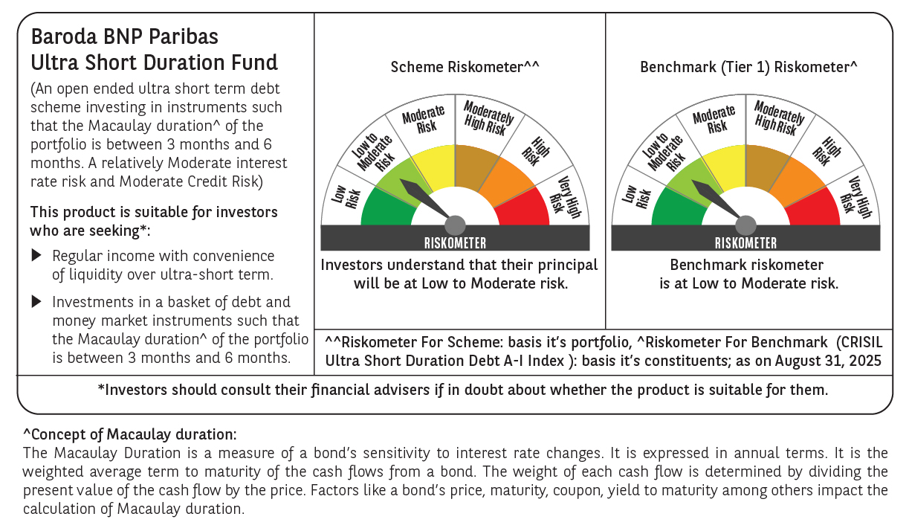

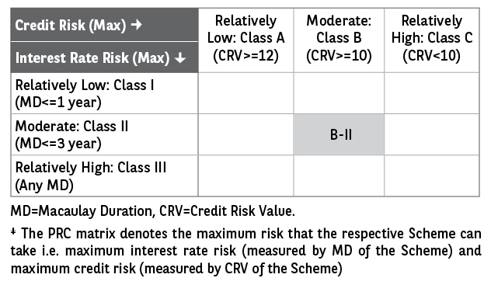

 | Monthly Performance Link: https://www.barodabnpparibasmf.in/assets/download_documents/Performance_of_Schemes_14126.pdf

