Monthly Portfolio
 | Baroda BNP Paribas Ultra Short Duration Fund

 | Monthly Portfolio Statement as on September 30, 2025
 | Name of the Instrument | ISIN | Rating | Quantity | Market/Fair Value (Rs. in Lakhs) | % to Net Assets | YTM~ | YTC^ | null
 | Debt Instruments
 | (a) Listed / awaiting listing on Stock Exchange
RECL439 | 7.64% REC Limited (30/06/2026) ** | INE020B08EM0 | CRISIL AAA | 2,500 | 2,519.11 | 2.00% | 6.44%
NBAR699 | 7.57% National Bank For Agriculture and Rural Development (19/03/2026) ** | INE261F08DW2 | CRISIL AAA | 2,500 | 2,512.05 | 2.00% | 6.24%
SIDB493 | 7.59% Small Industries Dev Bank of India (10/02/2026) ** | INE556F08KG3 | CRISIL AAA | 2,500 | 2,510.57 | 2.00% | 6.27%
MUFL464 | 8.05% Muthoot Finance Limited (25/11/2027) ** | INE414G07JQ6 | CRISIL AA+ | 2,500 | 2,507.75 | 1.99% | 7.90%
RUPL36 | 6.4% Jamnagar Utilities & Power Private Limited (29/09/2026) ** | INE936D07174 | CRISIL AAA | 250 | 2,491.56 | 1.98% | 6.76%
SHTR504 | 9.25% Shriram Finance Limited (19/12/2025) ** | INE721A07RU2 | CRISIL AA+ | 2,400 | 2,408.56 | 1.91% | 7.06%
GOI5817 | 7.04% Government of India (03/06/2029) | IN0020240050 | Sovereign | 2,200,000 | 2,269.99 | 1.80% | 6.15%
MEBP27 | 8.02% Mindspace Business Parks REIT (13/04/2026) ** | INE0CCU07074 | CRISIL AAA | 2,100 | 2,113.57 | 1.68% | 6.95%
RECL428 | 7.56% REC Limited (30/06/2026) ** | INE020B08ED9 | CRISIL AAA | 1,600 | 1,611.33 | 1.28% | 6.44%
NBAR719 | 7.50% National Bank For Agriculture and Rural Development (31/08/2026) | INE261F08EA6 | CRISIL AAA | 1,500 | 1,510.19 | 1.20% | 6.67%
BHAT66 | 8.90% Bharti Telecom Limited (04/12/2025) ** | INE403D08181 | CRISIL AAA | 1,500 | 1,504.44 | 1.20% | 6.70%
PFPL129 | 9% Piramal Finance Limited (28/06/2027) ** | INE202B07JT0 | CARE AA | 1,500 | 1,504.26 | 1.20% | 8.80%
LICH678 | 7.8650% LIC Housing Finance Limited (20/08/2026) ** | INE115A07QT1 | CRISIL AAA | 500 | 504.51 | 0.40% | 6.73%
IRLY371 | 7.23% Indian Railway Finance Corporation Limited (15/10/2026) ** | INE053F08304 | CRISIL AAA | 500 | 503.16 | 0.40% | 6.58%
POWF487 | 7.13% Power Finance Corporation Limited (15/07/2026) ** | INE134E08LP1 | CRISIL AAA | 50 | 501.87 | 0.40% | 6.58%
GOI1371 | 7.96% State Government Securities (14/10/2025) | IN2220150105 | Sovereign | 500,000 | 500.41 | 0.40% | 5.54%
 | Sub Total |  |  |  | 27,473.33 | 21.84%
 | (b) Privately placed / Unlisted |  |  |  | NIL | NIL
 | Sub Total |  |  |  | NIL | NIL
 | (c) Securitised Debt
VAJR27 | Vajra Trust (20/01/2028) ** | INE20NI15021 | CRISIL AAA(SO) | 19 | 1,899.17 | 1.51% | 9.70%
VAJR26 | Vajra Trust (20/10/2026) ** | INE20NI15013 | CRISIL AAA(SO) | 16 | 804.69 | 0.64% | 9.74%
IUNT23 | India Universal Trust (21/11/2026) ** | INE1CBK15011 | CRISIL AAA(SO) | 13 | 656.14 | 0.52% | 7.38%
 | Sub Total |  |  |  | 3,360.00 | 2.67%
 | (b) Privately placed / Unlisted |  |  |  | NIL | NIL
 | Sub Total |  |  |  | NIL | NIL
 | Total |  |  |  | 30,833.33 | 24.51%
 | Money Market Instruments
 | Certificate of Deposit
KMBK871 | Kotak Mahindra Bank Limited (04/12/2025) ** # | INE237A168Y2 | CRISIL A1+ | 1,500 | 7,425.40 | 5.90% | 5.73%
PUBA1067 | Punjab National Bank (11/12/2025) # | INE160A16QL5 | CRISIL A1+ | 1,000 | 4,944.48 | 3.93% | 5.77%
PUBA1073 | Punjab National Bank (19/12/2025) # | INE160A16QS0 | CRISIL A1+ | 1,000 | 4,938.75 | 3.93% | 5.73%
SIDB592 | Small Industries Dev Bank of India (27/02/2026) ** # | INE556F16BB6 | CRISIL A1+ | 1,000 | 4,878.62 | 3.88% | 6.10%
HDFB1014 | HDFC Bank Limited (09/03/2026) ** # | INE040A16HM6 | CARE A1+ | 1,000 | 4,870.99 | 3.87% | 6.08%
UNBI444 | Union Bank of India (25/06/2026) # | INE692A16JQ1 | ICRA A1+ | 900 | 4,301.30 | 3.42% | 6.32%
KMBK881 | Kotak Mahindra Bank Limited (27/02/2026) ** # | INE237A166Z3 | CRISIL A1+ | 600 | 2,927.64 | 2.33% | 6.05%
UNBI408 | Union Bank of India (05/12/2025) # | INE692A16ID1 | ICRA A1+ | 500 | 2,474.60 | 1.97% | 5.76%
CANB1018 | Canara Bank (12/12/2025) ** # | INE476A16ZQ5 | CRISIL A1+ | 500 | 2,471.92 | 1.97% | 5.76%
UNBI412 | Union Bank of India (18/12/2025) ** # | INE692A16II0 | FITCH A1+ | 500 | 2,469.86 | 1.96% | 5.71%
CANB1027 | Canara Bank (26/12/2025) ** # | INE476A16ZW3 | CRISIL A1+ | 500 | 2,466.87 | 1.96% | 5.70%
SIDB589 | Small Industries Dev Bank of India (04/02/2026) ** # | INE556F16AZ7 | CRISIL A1+ | 500 | 2,448.49 | 1.95% | 6.09%
CANB1037 | Canara Bank (04/03/2026) ** # | INE476A16A73 | CRISIL A1+ | 500 | 2,437.52 | 1.94% | 6.08%
CANB1041 | Canara Bank (12/03/2026) # | INE476A16B23 | CRISIL A1+ | 500 | 2,434.36 | 1.94% | 6.08%
UTIB1369 | Axis Bank Limited (11/08/2026) ** # | INE238AD6BD9 | CRISIL A1+ | 500 | 2,369.73 | 1.88% | 6.39%
AFPL169 | AU Small Finance Bank Limited (28/08/2026) ** # | INE949L16DQ5 | CARE A1+ | 500 | 2,355.60 | 1.87% | 6.76%
KMBK889 | Kotak Mahindra Bank Limited (24/09/2026) ** # | INE237AD6042 | CRISIL A1+ | 400 | 1,883.43 | 1.50% | 6.31%
NBAR835 | National Bank For Agriculture and Rural Development (13/03/2026) ** # | INE261F16983 | CRISIL A1+ | 300 | 1,459.98 | 1.16% | 6.14%
UTIB1363 | Axis Bank Limited (25/06/2026) # | INE238AD6AZ4 | CRISIL A1+ | 300 | 1,433.82 | 1.14% | 6.31%
 | Sub Total |  |  |  | 60,993.36 | 48.50%
 | Commercial Paper
NBAR856 | National Bank For Agriculture and Rural Development (10/12/2025) ** | INE261F14OC9 | ICRA A1+ | 1,000 | 4,944.86 | 3.93% | 5.82%
TATP55 | Tata Projects Limited (12/12/2025) ** | INE725H14CO9 | CRISIL A1+ | 1,000 | 4,940.75 | 3.93% | 6.08%
ICBR610 | ICICI Securities Limited (30/01/2026) ** | INE763G14ZL9 | CRISIL A1+ | 1,000 | 4,890.96 | 3.89% | 6.73%
JBCI168 | Julius Baer Capital India Pvt Ltd (23/12/2025) ** | INE824H14RF6 | CRISIL A1+ | 600 | 2,954.15 | 2.35% | 6.83%
LICH698 | LIC Housing Finance Limited (20/11/2025) ** | INE115A14FM5 | CRISIL A1+ | 500 | 2,479.87 | 1.97% | 5.92%
MUFL438 | Muthoot Finance Limited (09/12/2025) ** | INE414G14TV1 | CRISIL A1+ | 500 | 2,468.94 | 1.96% | 6.66%
EOPR36 | Embassy Office Parks REIT (20/03/2026) ** | INE041014064 | CRISIL A1+ | 500 | 2,428.90 | 1.93% | 6.29%
MUFL440 | Muthoot Finance Limited (01/12/2025) ** | INE414G14TY5 | CRISIL A1+ | 200 | 989.00 | 0.79% | 6.65%
HHFL222 | Hero Fincorp Limited (06/02/2026) ** | INE957N14JG7 | CRISIL A1+ | 200 | 976.21 | 0.78% | 6.95%
 | Sub Total |  |  |  | 27,073.64 | 21.53%
 | Total |  |  |  | 88,067.00 | 70.03%
 | Others
 | Corporate Debt Market Development Fund
CDMD50ME | Corporate Debt Market Development Fund # | INF0RQ622028 |  | 2,878 | 327.66 | 0.26% | 5.62%
 | Sub Total |  |  |  | 327.66 | 0.26%
 | Total |  |  |  | 327.66 | 0.26%
 | Reverse Repo / TREPS
TRP_011025 | Clearing Corporation of India Ltd |  |  |  | 14,195.10 | 11.29% | 5.53%
 | Sub Total |  |  |  | 14,195.10 | 11.29%
 | (b) Privately placed / Unlisted |  |  |  | NIL | NIL
 | Sub Total |  |  |  | NIL | NIL
 | Total |  |  |  | 14,195.10 | 11.29%
 | Net Receivables / (Payables) |  |  |  | (7,638.23) | (6.09)%
 | GRAND TOTAL |  |  |  | 125,784.86 | 100.00%

 | ** Thinly Traded / Non Traded Security
 | # Unlisted Security
 | ~ YTM as on September 30, 2025
 | ^ YTC represents Yield to Call provided by valuation agencies as on September 30, 2025. It is disclosed for Perpetual Bond issued by Banks (i.e. AT-1 Bond / Tier 1 Bond / Tier 2 Bond), as per AMFI Best Practices Guidelines Circular no. 135/BP/91/2020-21 read with SEBI circular No. SEBI/HO/IMD/DF4/CIR/P/2021/034 on Valuation of AT-1 Bonds and Tier 2 Bonds.

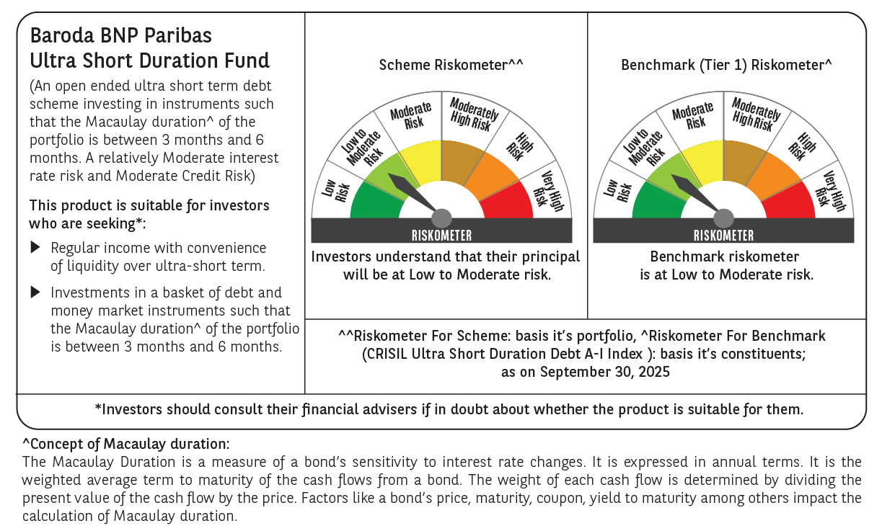

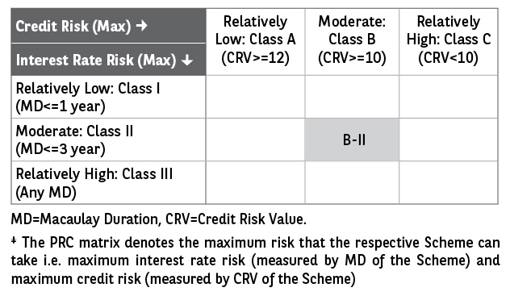

 | Monthly Performance Link: https://www.barodabnpparibasmf.in/assets/download_documents/Performance_of_Schemes_September_14618.pdf

