YR47
 | Baroda BNP Paribas Ultra Short Duration Fund

 | Monthly Portfolio Statement as on October 31, 2025
 | Name of the Instrument | ISIN | Rating | Quantity | Market/Fair Value (Rs. in Lakhs) | % to Net Assets | YTM~ | YTC^ | null
 | Debt Instruments
 | (a) Listed / awaiting listing on Stock Exchange
RECL439 | 7.64% REC Limited (30/06/2026) ** | INE020B08EM0 | CRISIL AAA | 2,500 | 2,516.44 | 2.09% | 6.44%
MUFL464 | 8.05% Muthoot Finance Limited (25/11/2027) | INE414G07JQ6 | CRISIL AA+ | 2,500 | 2,511.63 | 2.08% | 7.80%
NBAR699 | 7.57% National Bank For Agriculture and Rural Development (19/03/2026) ** | INE261F08DW2 | CRISIL AAA | 2,500 | 2,509.33 | 2.08% | 6.27%
SIDB493 | 7.59% Small Industries Dev Bank of India (10/02/2026) ** | INE556F08KG3 | CRISIL AAA | 2,500 | 2,508.07 | 2.08% | 6.28%
RUPL36 | 6.4% Jamnagar Utilities & Power Private Limited (29/09/2026) ** | INE936D07174 | CRISIL AAA | 250 | 2,492.42 | 2.07% | 6.72%
SHTR504 | 9.25% Shriram Finance Limited (19/12/2025) | INE721A07RU2 | CRISIL AA+ | 2,400 | 2,404.54 | 1.99% | 7.22%
NBAR701 | 7.58% National Bank For Agriculture and Rural Development (31/07/2026) | INE261F08DX0 | CRISIL AAA | 2,100 | 2,112.10 | 1.75% | 6.64%
MEBP27 | 8.02% Mindspace Business Parks REIT (13/04/2026) ** | INE0CCU07074 | CRISIL AAA | 2,100 | 2,111.97 | 1.75% | 6.88%
RECL428 | 7.56% REC Limited (30/06/2026) ** | INE020B08ED9 | CRISIL AAA | 1,600 | 1,609.73 | 1.33% | 6.44%
SHTR490 | 8.75% Shriram Finance Limited (15/06/2026) ** | INE721A07RH9 | CRISIL AA+ | 1,500 | 1,510.89 | 1.25% | 7.48%
NBAR719 | 7.50% National Bank For Agriculture and Rural Development (31/08/2026) ** | INE261F08EA6 | CRISIL AAA | 1,500 | 1,509.15 | 1.25% | 6.64%
PFPL129 | 9% Piramal Finance Limited (28/06/2027) ** | INE202B07JT0 | CARE AA | 1,500 | 1,508.59 | 1.25% | 8.58%
POWF556 | 6.73% Power Finance Corporation Limited (15/10/2027) ** | INE134E08NW3 | CRISIL AAA | 1,500 | 1,503.86 | 1.25% | 6.58%
LICH678 | 7.8650% LIC Housing Finance Limited (20/08/2026) ** | INE115A07QT1 | CRISIL AAA | 500 | 504.04 | 0.42% | 6.70%
IRLY371 | 7.23% Indian Railway Finance Corporation Limited (15/10/2026) ** | INE053F08304 | CRISIL AAA | 500 | 503.19 | 0.42% | 6.52%
POWF487 | 7.13% Power Finance Corporation Limited (15/07/2026) ** | INE134E08LP1 | CRISIL AAA | 50 | 501.75 | 0.42% | 6.52%
 | Sub Total |  |  |  | 28,317.70 | 23.48%
 | (b) Privately placed / Unlisted |  |  |  | NIL | NIL
 | Sub Total |  |  |  | NIL | NIL
 | (c) Securitised Debt
VAJR27 | Vajra Trust (20/01/2028) ** | INE20NI15021 | CRISIL AAA(SO) | 19 | 1,900.33 | 1.57% | 9.63%
VAJR26 | Vajra Trust (20/10/2026) ** | INE20NI15013 | CRISIL AAA(SO) | 16 | 618.61 | 0.51% | 9.76%
IUNT23 | India Universal Trust (21/11/2026) ** | INE1CBK15011 | CRISIL AAA(SO) | 13 | 591.28 | 0.49% | 7.29%
 | Sub Total |  |  |  | 3,110.22 | 2.57%
 | (b) Privately placed / Unlisted |  |  |  | NIL | NIL
 | Sub Total |  |  |  | NIL | NIL
 | Total |  |  |  | 31,427.92 | 26.05%
 | Money Market Instruments
 | Certificate of Deposit
SIDB592 | Small Industries Dev Bank of India (27/02/2026) ** # | INE556F16BB6 | CRISIL A1+ | 1,000 | 4,903.31 | 4.06% | 6.10%
HDFB1014 | HDFC Bank Limited (09/03/2026) ** # | INE040A16HM6 | CARE A1+ | 1,000 | 4,895.45 | 4.06% | 6.09%
EXIM802 | Export Import Bank of India (20/03/2026) ** # | INE514E16CK7 | CRISIL A1+ | 1,000 | 4,887.22 | 4.05% | 6.06%
INBK502 | Indian Bank (30/04/2026) ** # | INE562A16PQ3 | CRISIL A1+ | 1,000 | 4,850.73 | 4.02% | 6.24%
UNBI444 | Union Bank of India (25/06/2026) ** # | INE692A16JQ1 | ICRA A1+ | 900 | 4,325.02 | 3.58% | 6.26%
KMBK881 | Kotak Mahindra Bank Limited (27/02/2026) ** # | INE237A166Z3 | CRISIL A1+ | 600 | 2,942.34 | 2.44% | 6.06%
CANB1018 | Canara Bank (12/12/2025) # | INE476A16ZQ5 | CRISIL A1+ | 500 | 2,483.53 | 2.06% | 5.90%
CANB1027 | Canara Bank (26/12/2025) # | INE476A16ZW3 | CRISIL A1+ | 500 | 2,478.12 | 2.05% | 5.86%
SIDB589 | Small Industries Dev Bank of India (04/02/2026) ** # | INE556F16AZ7 | CRISIL A1+ | 500 | 2,460.93 | 2.04% | 6.10%
CANB1037 | Canara Bank (04/03/2026) ** # | INE476A16A73 | CRISIL A1+ | 500 | 2,449.89 | 2.03% | 6.07%
CANB1041 | Canara Bank (12/03/2026) ** # | INE476A16B23 | CRISIL A1+ | 500 | 2,446.70 | 2.03% | 6.07%
IDBK535 | IDFC First Bank Limited (15/05/2026) ** # | INE092T16YP5 | CRISIL A1+ | 500 | 2,416.79 | 2.00% | 6.45%
HDFB1006 | HDFC Bank Limited (24/06/2026) ** # | INE040A16HB9 | CRISIL A1+ | 500 | 2,403.14 | 1.99% | 6.26%
UTIB1369 | Axis Bank Limited (11/08/2026) ** # | INE238AD6BD9 | CRISIL A1+ | 500 | 2,381.55 | 1.97% | 6.42%
AFPL169 | AU Small Finance Bank Limited (28/08/2026) ** # | INE949L16DQ5 | CARE A1+ | 500 | 2,367.86 | 1.96% | 6.79%
KMBK889 | Kotak Mahindra Bank Limited (24/09/2026) ** # | INE237AD6042 | CRISIL A1+ | 400 | 1,892.43 | 1.57% | 6.35%
UTIB1363 | Axis Bank Limited (25/06/2026) ** # | INE238AD6AZ4 | CRISIL A1+ | 300 | 1,441.56 | 1.19% | 6.27%
 | Sub Total |  |  |  | 52,026.57 | 43.10%
 | Commercial Paper
ICBR610 | ICICI Securities Limited (30/01/2026) ** | INE763G14ZL9 | CRISIL A1+ | 1,000 | 4,919.34 | 4.08% | 6.65%
POWF555 | Power Finance Corporation Limited (15/04/2026) ** | INE134E14AX6 | CRISIL A1+ | 1,000 | 4,862.57 | 4.03% | 6.25%
JBCI168 | Julius Baer Capital India Pvt Ltd (23/12/2025) ** | INE824H14RF6 | CRISIL A1+ | 600 | 2,971.32 | 2.46% | 6.78%
MUFL438 | Muthoot Finance Limited (09/12/2025) ** | INE414G14TV1 | CRISIL A1+ | 500 | 2,483.11 | 2.06% | 6.53%
EOPR36 | Embassy Office Parks REIT (20/03/2026) ** | INE041014064 | CRISIL A1+ | 500 | 2,441.65 | 2.02% | 6.28%
MUFL440 | Muthoot Finance Limited (01/12/2025) ** | INE414G14TY5 | CRISIL A1+ | 200 | 994.66 | 0.82% | 6.54%
HHFL222 | Hero Fincorp Limited (06/02/2026) ** | INE957N14JG7 | CRISIL A1+ | 200 | 981.79 | 0.81% | 6.98%
 | Sub Total |  |  |  | 19,654.44 | 16.28%
 | Treasury Bill
TBIL2471 | 364 Days Tbill (MD 12/02/2026) | IN002024Z446 | Sovereign | 500,000 | 492.38 | 0.41% | 5.48%
 | Sub Total |  |  |  | 492.38 | 0.41%
 | Total |  |  |  | 72,173.39 | 59.79%
 | Others
 | Corporate Debt Market Development Fund
CDMD50ME | Corporate Debt Market Development Fund # | INF0RQ622028 |  | 2,878 | 329.26 | 0.27% | 5.58%
 | Sub Total |  |  |  | 329.26 | 0.27%
 | Total |  |  |  | 329.26 | 0.27%
 | Reverse Repo / TREPS
TRP_031125 | Clearing Corporation of India Ltd |  |  |  | 16,175.43 | 13.40% | 5.59%
 | Sub Total |  |  |  | 16,175.43 | 13.40%
 | (b) Privately placed / Unlisted |  |  |  | NIL | NIL
 | Sub Total |  |  |  | NIL | NIL
 | Total |  |  |  | 16,175.43 | 13.40%
 | Net Receivables / (Payables) |  |  |  | 567.59 | 0.49%
 | GRAND TOTAL |  |  |  | 120,673.59 | 100.00%

 | ** Thinly Traded / Non Traded Security
 | # Unlisted Security
 | ~ YTM as on October 31, 2025
 | ^ YTC represents Yield to Call provided by valuation agencies as on October 31, 2025. It is disclosed for Perpetual Bond issued by Banks (i.e. AT-1 Bond / Tier 1 Bond / Tier 2 Bond), as per AMFI Best Practices Guidelines Circular no. 135/BP/91/2020-21 read with SEBI circular No. SEBI/HO/IMD/DF4/CIR/P/2021/034 on Valuation of AT-1 Bonds and Tier 2 Bonds.

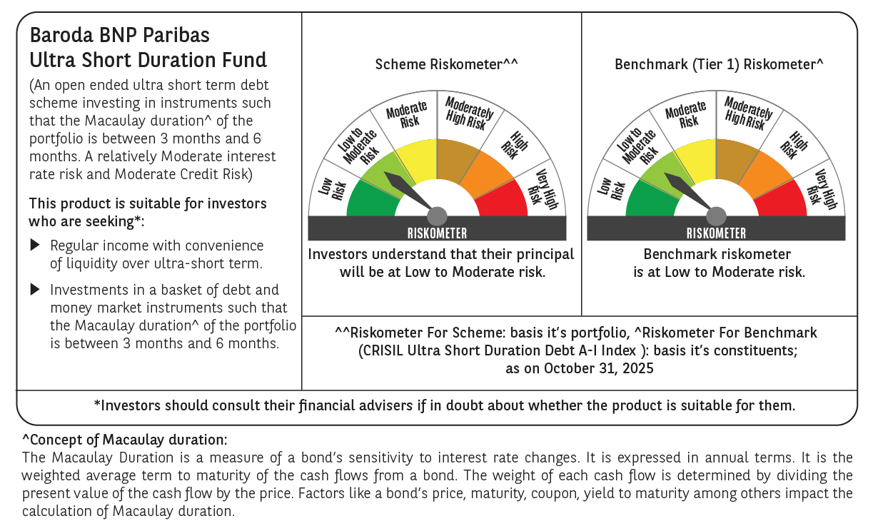

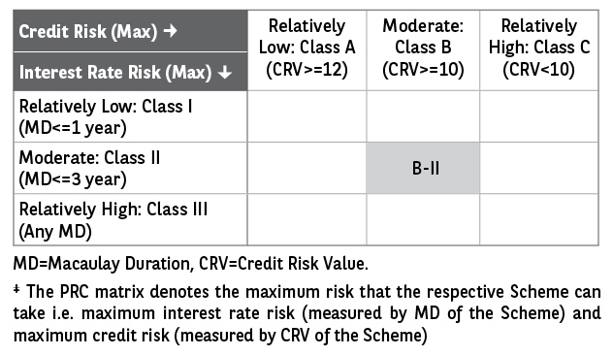

 | Monthly Performance Link: https://www.barodabnpparibasmf.in/assets/download_documents/Performance_of_Schemes-October_2025_15267.pdf

