YR47
 | Baroda BNP Paribas Ultra Short Duration Fund

 | Monthly Portfolio Statement as on November 30, 2025
 | Name of the Instrument | ISIN | Rating | Quantity | Market/Fair Value (Rs. in Lakhs) | % to Net Assets | YTM~ | YTC^ | null
 | Debt Instruments
 | (a) Listed / awaiting listing on Stock Exchange
MUFL464 | 8.05% Muthoot Finance Limited (25/11/2027) | INE414G07JQ6 | CRISIL AA+ | 2,500 | 2,520.16 | 2.35% | 7.59%
RECL439 | 7.64% REC Limited (30/06/2026) ** | INE020B08EM0 | CRISIL AAA | 2,500 | 2,513.90 | 2.35% | 6.44%
NBAR699 | 7.57% National Bank For Agriculture and Rural Development (19/03/2026) ** | INE261F08DW2 | CRISIL AAA | 2,500 | 2,508.13 | 2.34% | 6.13%
RUPL36 | 6.4% Jamnagar Utilities & Power Private Limited (29/09/2026) ** | INE936D07174 | CRISIL AAA | 250 | 2,492.67 | 2.33% | 6.70%
SHTR504 | 9.25% Shriram Finance Limited (19/12/2025) ** | INE721A07RU2 | CRISIL AA+ | 2,400 | 2,401.88 | 2.24% | 7.04%
NBAR701 | 7.58% National Bank For Agriculture and Rural Development (31/07/2026) ** | INE261F08DX0 | CRISIL AAA | 2,100 | 2,111.24 | 1.97% | 6.57%
MEBP27 | 8.02% Mindspace Business Parks REIT (13/04/2026) | INE0CCU07074 | CRISIL AAA | 2,100 | 2,110.22 | 1.97% | 6.82%
RECL428 | 7.56% REC Limited (30/06/2026) ** | INE020B08ED9 | CRISIL AAA | 1,600 | 1,608.20 | 1.50% | 6.43%
SHTR490 | 8.75% Shriram Finance Limited (15/06/2026) ** | INE721A07RH9 | CRISIL AA+ | 1,500 | 1,511.69 | 1.41% | 7.21%
PFPL129 | 9% Piramal Finance Limited (28/06/2027) ** | INE202B07JT0 | CARE AA | 1,500 | 1,509.86 | 1.41% | 8.50%
NBAR719 | 7.50% National Bank For Agriculture and Rural Development (31/08/2026) ** | INE261F08EA6 | CRISIL AAA | 1,500 | 1,508.56 | 1.41% | 6.57%
POWF556 | 6.73% Power Finance Corporation Limited (15/10/2027) ** | INE134E08NW3 | CRISIL AAA | 1,500 | 1,503.51 | 1.40% | 6.58%
LICH678 | 7.8650% LIC Housing Finance Limited (20/08/2026) ** | INE115A07QT1 | CRISIL AAA | 500 | 503.60 | 0.47% | 6.67%
IRLY371 | 7.23% Indian Railway Finance Corporation Limited (15/10/2026) ** | INE053F08304 | CRISIL AAA | 500 | 502.82 | 0.47% | 6.55%
POWF487 | 7.13% Power Finance Corporation Limited (15/07/2026) | INE134E08LP1 | CRISIL AAA | 50 | 501.44 | 0.47% | 6.52%
 | Sub Total |  |  |  | 25,807.88 | 24.09%
 | (b) Privately placed / Unlisted |  |  |  | NIL | NIL
 | Sub Total |  |  |  | NIL | NIL
 | (c) Securitised Debt
VAJR27 | Vajra Trust (20/01/2028) ** | INE20NI15021 | CRISIL AAA(SO) | 19 | 1,901.62 | 1.78% | 9.53%
IUNT23 | India Universal Trust (21/11/2026) ** | INE1CBK15011 | CRISIL AAA(SO) | 13 | 528.47 | 0.49% | 7.22%
VAJR26 | Vajra Trust (20/10/2026) ** | INE20NI15013 | CRISIL AAA(SO) | 16 | 407.46 | 0.38% | 9.61%
 | Sub Total |  |  |  | 2,837.55 | 2.65%
 | (b) Privately placed / Unlisted |  |  |  | NIL | NIL
 | Sub Total |  |  |  | NIL | NIL
 | Total |  |  |  | 28,645.43 | 26.74%
 | Money Market Instruments
 | Certificate of Deposit
SIDB592 | Small Industries Dev Bank of India (27/02/2026) # | INE556F16BB6 | CRISIL A1+ | 1,000 | 4,929.80 | 4.60% | 5.91%
HDFB1014 | HDFC Bank Limited (09/03/2026) ** # | INE040A16HM6 | CARE A1+ | 1,000 | 4,921.97 | 4.60% | 5.91%
EXIM802 | Export Import Bank of India (20/03/2026) ** # | INE514E16CK7 | CRISIL A1+ | 1,000 | 4,913.65 | 4.59% | 5.88%
INBK502 | Indian Bank (30/04/2026) ** # | INE562A16PQ3 | CRISIL A1+ | 1,000 | 4,875.58 | 4.55% | 6.21%
UNBI444 | Union Bank of India (25/06/2026) # | INE692A16JQ1 | ICRA A1+ | 900 | 4,347.39 | 4.06% | 6.22%
KMBK881 | Kotak Mahindra Bank Limited (27/02/2026) # | INE237A166Z3 | CRISIL A1+ | 600 | 2,958.15 | 2.76% | 5.87%
CANB1027 | Canara Bank (26/12/2025) ** # | INE476A16ZW3 | CRISIL A1+ | 500 | 2,490.02 | 2.33% | 5.85%
SIDB589 | Small Industries Dev Bank of India (04/02/2026) ** # | INE556F16AZ7 | CRISIL A1+ | 500 | 2,473.35 | 2.31% | 6.05%
CANB1037 | Canara Bank (04/03/2026) ** # | INE476A16A73 | CRISIL A1+ | 500 | 2,463.01 | 2.30% | 5.90%
CANB1041 | Canara Bank (12/03/2026) ** # | INE476A16B23 | CRISIL A1+ | 500 | 2,459.88 | 2.30% | 5.90%
IDBK535 | IDFC First Bank Limited (15/05/2026) ** # | INE092T16YP5 | CRISIL A1+ | 500 | 2,430.19 | 2.27% | 6.35%
IIBL1002 | IndusInd Bank Limited (15/05/2026) ** # | INE095A160C6 | CRISIL A1+ | 500 | 2,427.84 | 2.27% | 6.58%
HDFB1006 | HDFC Bank Limited (24/06/2026) ** # | INE040A16HB9 | CRISIL A1+ | 500 | 2,415.29 | 2.26% | 6.25%
UTIB1369 | Axis Bank Limited (11/08/2026) ** # | INE238AD6BD9 | CRISIL A1+ | 500 | 2,394.13 | 2.24% | 6.38%
AFPL169 | AU Small Finance Bank Limited (28/08/2026) ** # | INE949L16DQ5 | CARE A1+ | 500 | 2,382.20 | 2.22% | 6.69%
HDFB1022 | HDFC Bank Limited (13/11/2026) ** # | INE040A16HW5 | CRISIL A1+ | 500 | 2,356.09 | 2.20% | 6.43%
INBK504 | Indian Bank (29/05/2026) ** # | INE562A16PR1 | CRISIL A1+ | 400 | 1,940.89 | 1.81% | 6.21%
KMBK889 | Kotak Mahindra Bank Limited (24/09/2026) ** # | INE237AD6042 | CRISIL A1+ | 400 | 1,902.33 | 1.78% | 6.31%
UTIB1363 | Axis Bank Limited (25/06/2026) ** # | INE238AD6AZ4 | CRISIL A1+ | 300 | 1,448.97 | 1.35% | 6.24%
 | Sub Total |  |  |  | 56,530.73 | 52.80%
 | Commercial Paper
POWF555 | Power Finance Corporation Limited (15/04/2026) ** | INE134E14AX6 | CRISIL A1+ | 1,000 | 4,887.43 | 4.56% | 6.23%
JBCI168 | Julius Baer Capital India Pvt Ltd (23/12/2025) ** | INE824H14RF6 | CRISIL A1+ | 600 | 2,987.84 | 2.79% | 6.75%
EOPR36 | Embassy Office Parks REIT (20/03/2026) ** | INE041014064 | CRISIL A1+ | 500 | 2,455.13 | 2.29% | 6.12%
MUFL472 | Muthoot Finance Limited (11/09/2026) ** | INE414G14UU1 | CRISIL A1+ | 500 | 2,367.38 | 2.21% | 7.20%
SCIN342 | Standard Chartered Capital Limited (23/09/2026) ** | INE403G14TV4 | CRISIL A1+ | 500 | 2,363.17 | 2.21% | 7.14%
MUFL440 | Muthoot Finance Limited (01/12/2025) ** | INE414G14TY5 | CRISIL A1+ | 200 | 1,000.00 | 0.93% | 6.19%
 | Sub Total |  |  |  | 16,060.95 | 14.99%
 | Treasury Bill
TBIL2481 | 364 Days Tbill (MD 05/03/2026) | IN002024Z479 | Sovereign | 2,500,000 | 2,466.03 | 2.30% | 5.35%
TBIL2471 | 364 Days Tbill (MD 12/02/2026) | IN002024Z446 | Sovereign | 500,000 | 494.75 | 0.46% | 5.30%
 | Sub Total |  |  |  | 2,960.78 | 2.76%
 | Total |  |  |  | 75,552.46 | 70.55%
 | Others
 | Corporate Debt Market Development Fund
CDMD50ME | Corporate Debt Market Development Fund # | INF0RQ622028 |  | 2,878 | 330.78 | 0.31% | 5.49%
 | Sub Total |  |  |  | 330.78 | 0.31%
 | Total |  |  |  | 330.78 | 0.31%
 | Reverse Repo / TREPS
TRP_011225 | Clearing Corporation of India Ltd |  |  |  | 1,512.83 | 1.41% | 5.43%
 | Sub Total |  |  |  | 1,512.83 | 1.41%
 | (b) Privately placed / Unlisted |  |  |  | NIL | NIL
 | Sub Total |  |  |  | NIL | NIL
 | Total |  |  |  | 1,512.83 | 1.41%
 | Net Receivables / (Payables) |  |  |  | 1,042.49 | 0.99%
 | GRAND TOTAL |  |  |  | 107,083.99 | 100.00%

 | ** Thinly Traded / Non Traded Security
 | # Unlisted Security
 | ~ YTM as on November 30, 2025
 | ^ YTC represents Yield to Call provided by valuation agencies as on November 30, 2025. It is disclosed for Perpetual Bond issued by Banks (i.e. AT-1 Bond / Tier 1 Bond / Tier 2 Bond), as per AMFI Best Practices Guidelines Circular no. 135/BP/91/2020-21 read with SEBI circular No. SEBI/HO/IMD/DF4/CIR/P/2021/034 on Valuation of AT-1 Bonds and Tier 2 Bonds.

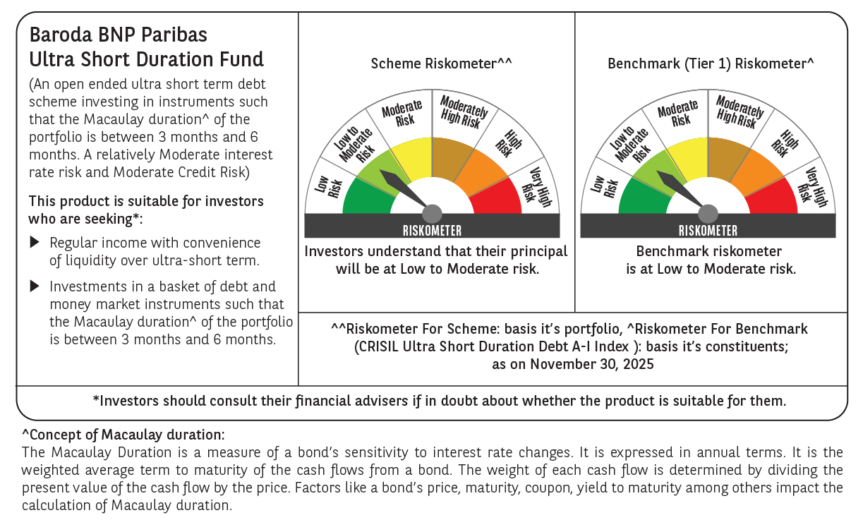

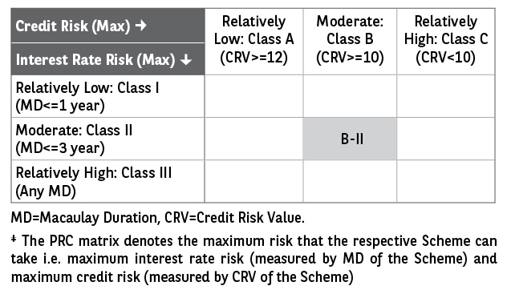

 | Monthly Performance Link: https://www.barodabnpparibasmf.in/assets/download_documents/Performance_of_Schemes_Nov-2025_15612.pdf

