YR47
 | Baroda BNP Paribas Ultra Short Duration Fund

 | Monthly Portfolio Statement as on July 31, 2024
 | Name of the Instrument | ISIN | Rating | Quantity | Market/Fair Value (Rs. in Lakhs) | % to Net Assets | YTM~ | YTC^ | null
 | Debt Instruments
 | (a) Listed / awaiting listing on Stock Exchange
LICH553 | 7.79% LIC Housing Finance Limited (18/10/2024) ** | INE115A07OM1 | CRISIL AAA | 500 | 5,000.12 | 3.84% | 7.33%
POWF459 | 7.17% Power Finance Corporation Limited (22/05/2025) ** | INE134E08KT5 | CRISIL AAA | 500 | 4,979.76 | 3.82% | 7.60%
SIDB467 | 7.15% Small Industries Dev Bank of India (21/07/2025) ** | INE556F08JZ5 | ICRA AAA | 300 | 2,984.27 | 2.29% | 7.71%
PGCI346 | 9.3% Power Grid Corporation of India Limited (04/09/2024) ** | INE752E07LQ0 | CRISIL AAA | 250 | 2,503.71 | 1.92% | 7.09%
NHBA299 | 7.05% National Housing Bank (18/12/2024) ** | INE557F08FG1 | CRISIL AAA | 250 | 2,493.78 | 1.91% | 7.40%
EXIM730 | 7.2% Export Import Bank of India (05/06/2025) ** | INE514E08FY8 | CRISIL AAA | 250 | 2,492.59 | 1.91% | 7.49%
KOMP1622 | 5.4% Kotak Mahindra Prime Limited (20/09/2024) ** | INE916DA7RF7 | CRISIL AAA | 250 | 2,491.39 | 1.91% | 7.59%
EXIM677 | 5.62% Export Import Bank of India (20/06/2025) ** | INE514E08FU6 | CRISIL AAA | 250 | 2,460.35 | 1.89% | 7.49%
POWF448 | 7.42% Power Finance Corporation Limited (19/11/2024) ** | INE134E08KH0 | CRISIL AAA | 190 | 1,898.03 | 1.46% | 7.39%
BHAT66 | 8.90% Bharti Telecom Limited (04/12/2025) ** | INE403D08181 | CRISIL AA+ | 1,500 | 1,503.96 | 1.15% | 8.62%
SHTR504 | 9.25% Shriram Finance Limited (19/12/2025) | INE721A07RU2 | CRISIL AA+ | 1,500 | 1,501.37 | 1.15% | 9.10%
RIND332 | 7.4% Reliance Industries Limited (25/04/2025) ** | INE002A08617 | CRISIL AAA | 150 | 1,496.86 | 1.15% | 7.56%
NHBA317 | 7.34% National Housing Bank (07/08/2025) ** | INE557F08FN7 | CRISIL AAA | 100 | 997.55 | 0.77% | 7.60%
JMFP872 | 8.5% JM Financial Products Limited (16/05/2025) ** | INE523H07BV9 | ICRA AA | 100 | 994.22 | 0.76% | 9.31%
IIFW288 | 9.22% 360 One Prime Limited (18/07/2025) ** | INE248U07EV0 | CRISIL AA | 80,000 | 800.61 | 0.61% | 9.13%
PGCI434 | 7.49% Power Grid Corporation of India Limited (25/10/2024) ** | INE752E08593 | CRISIL AAA | 166 | 497.80 | 0.38% | 7.25%
LICH659 | 6.4% LIC Housing Finance Limited (30/11/2026) ** | INE115A07PN6 | CRISIL AAA | 50 | 484.92 | 0.37% | 7.84%
 | Sub Total |  |  |  | 35,581.29 | 27.29%
 | (b) Privately placed / Unlisted |  |  |  | NIL | NIL
 | Sub Total |  |  |  | NIL | NIL
 | Total |  |  |  | 35,581.29 | 27.29%
 | Money Market Instruments
 | Certificate of Deposit
KMBK839 | Kotak Mahindra Bank Limited (25/10/2024) # | INE237A160V5 | CRISIL A1+ | 1,500 | 7,377.08 | 5.66% | 7.15%
HDFB932 | HDFC Bank Limited (06/12/2024) # | INE040A16EH3 | CRISIL A1+ | 1,200 | 5,849.79 | 4.49% | 7.38%
UTIB1325 | Axis Bank Limited (15/07/2025) ** # | INE238AD6868 | CRISIL A1+ | 1,200 | 5,593.62 | 4.30% | 7.62%
UNBI395 | Union Bank of India (18/03/2025) ** # | INE692A16HP7 | FITCH A1+ | 1,100 | 5,254.40 | 4.03% | 7.45%
PUBA1012 | Punjab National Bank (05/12/2024) ** # | INE160A16OF2 | CRISIL A1+ | 1,000 | 4,876.61 | 3.74% | 7.33%
SIDB538 | Small Industries Dev Bank of India (18/12/2024) # | INE556F16AN3 | CARE A1+ | 1,000 | 4,863.14 | 3.73% | 7.39%
NBAR752 | National Bank For Agriculture and Rural Development (14/02/2025) ** # | INE261F16801 | FITCH A1+ | 1,000 | 4,806.10 | 3.69% | 7.48%
IBCL1164 | ICICI Bank Limited (25/02/2025) ** # | INE090AD6121 | ICRA A1+ | 1,000 | 4,797.69 | 3.68% | 7.40%
IIBL955 | IndusInd Bank Limited (26/12/2024) ** # | INE095A16U88 | CRISIL A1+ | 800 | 3,884.32 | 2.98% | 7.39%
CANB960 | Canara Bank (22/01/2025) ** # | INE476A16XK3 | CRISIL A1+ | 800 | 3,863.26 | 2.97% | 7.43%
PUBA1039 | Punjab National Bank (10/07/2025) ** # | INE160A16PJ1 | CRISIL A1+ | 800 | 3,733.04 | 2.87% | 7.61%
SIDB549 | Small Industries Dev Bank of India (27/02/2025) ** # | INE556F16AR4 | CARE A1+ | 660 | 3,163.93 | 2.43% | 7.48%
KMBK863 | Kotak Mahindra Bank Limited (24/07/2025) ** # | INE237A161Y7 | CRISIL A1+ | 600 | 2,793.19 | 2.14% | 7.57%
IBCL1158 | ICICI Bank Limited (29/10/2024) # | INE090AD6071 | ICRA A1+ | 500 | 2,457.12 | 1.89% | 7.16%
NBAR733 | National Bank For Agriculture and Rural Development (13/11/2024) ** # | INE261F16751 | CRISIL A1+ | 500 | 2,448.58 | 1.88% | 7.37%
IBCL1161 | ICICI Bank Limited (31/01/2025) ** # | INE090AD6113 | ICRA A1+ | 500 | 2,410.57 | 1.85% | 7.40%
HDFB942 | HDFC Bank Limited (28/02/2025) ** # | INE040A16EP6 | CARE A1+ | 500 | 2,396.65 | 1.84% | 7.46%
UTIB1298 | Axis Bank Limited (29/11/2024) ** # | INE238AD6579 | CRISIL A1+ | 380 | 1,855.23 | 1.42% | 7.34%
CANB994 | Canara Bank (06/12/2024) ** # | INE476A16YT2 | CRISIL A1+ | 380 | 1,852.75 | 1.42% | 7.33%
IBCL1165 | ICICI Bank Limited (27/02/2025) ** # | INE090AD6139 | ICRA A1+ | 200 | 959.16 | 0.74% | 7.40%
CANB958 | Canara Bank (16/01/2025) ** # | INE476A16XI7 | CRISIL A1+ | 100 | 483.48 | 0.37% | 7.43%
 | Sub Total |  |  |  | 75,719.71 | 58.12%
 | Commercial Paper
SCIN314 | Standard Chartered Capital Limited (28/11/2024) ** | INE403G14SI3 | CRISIL A1+ | 1,000 | 4,875.04 | 3.74% | 7.86%
BGFL1107 | Aditya Birla Finance Limited (12/03/2025) ** | INE860H143N5 | ICRA A1+ | 1,000 | 4,772.57 | 3.66% | 7.80%
DIIP212 | Deutsche Investments India Pvt Limited (14/10/2024) ** | INE144H14GS5 | CRISIL A1+ | 500 | 2,460.44 | 1.89% | 7.93%
DMIF22 | DMI Finance Private Limited (16/12/2024) ** | INE604O14106 | ICRA A1+ | 500 | 2,417.65 | 1.86% | 9.08%
 | Sub Total |  |  |  | 14,525.70 | 11.15%
 | Treasury Bill
TBIL2361 | 182 Days Tbill (MD 14/11/2024) | IN002024Y076 | Sovereign | 2,500,000 | 2,452.70 | 1.88% | 6.70%
 | Sub Total |  |  |  | 2,452.70 | 1.88%
 | Total |  |  |  | 92,698.11 | 71.15%
 | Others
 | Corporate Debt Market Development Fund
CDMD50ME | Corporate Debt Market Development Fund # | INF0RQ622028 |  | 2,644 | 273.10 | 0.21%
 | Sub Total |  |  |  | 273.10 | 0.21%
 | Total |  |  |  | 273.10 | 0.21%
 | Reverse Repo / TREPS
TRP_010824 | Clearing Corporation of India Ltd |  |  |  | 750.30 | 0.58% | 6.42%
 | Sub Total |  |  |  | 750.30 | 0.58%
 | (b) Privately placed / Unlisted |  |  |  | NIL | NIL
 | Sub Total |  |  |  | NIL | NIL
 | Total |  |  |  | 750.30 | 0.58%
 | Net Receivables / (Payables) |  |  |  | 922.20 | 0.77%
 | GRAND TOTAL |  |  |  | 130,225.00 | 100.00%

 | ** Thinly Traded / Non Traded Security
 | # Unlisted Security
 | ~ YTM as on July 31, 2024
 | ^ YTC represents Yield to Call provided by valuation agencies as on July 31, 2024. It is disclosed for Perpetual Bond issued by Banks (i.e. AT-1 Bond / Tier 1 Bond / Tier 2 Bond), as per AMFI Best Practices Guidelines Circular no. 135/BP/91/2020-21 read with SEBI circular No. SEBI/HO/IMD/DF4/CIR/P/2021/034 on Valuation of AT-1 Bonds and Tier 2 Bonds.

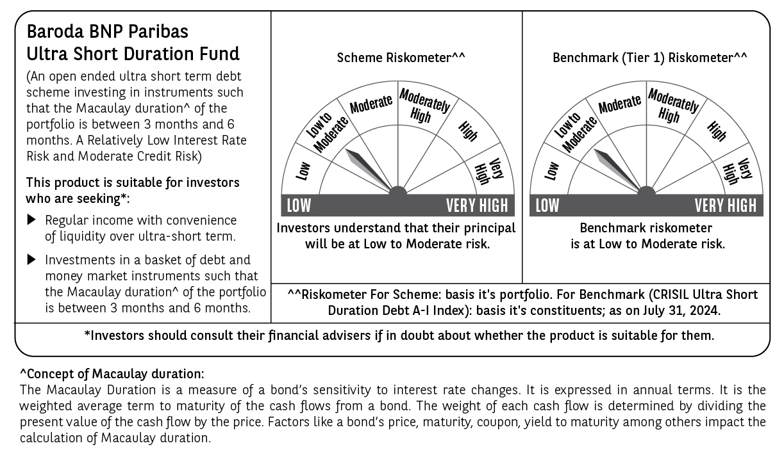

 | Potential Risk Class (PRC) matrix*
 | Credit Risk (Max)→ | Relatively Low: Class A (CRV>=12) | Moderate: Class B (CRV>=10) | Relatively High: Class C (CRV<10)
 | Interest Rate Risk (Max)↓
 | Relatively Low: Class I (MD<=1 year) |  | B-I
 | Moderate: Class II
 | (MD<=3 year)
 | Relatively High: Class III
 | (Any MD)
 | MD=Macaulay Duration, CRV=Credit Risk Value
 | *The PRC matrix denotes the maximum risk that the respective Scheme can take i.e. maximum interest rate risk (measured by MD of the Scheme) and maximum credit risk (measured by CRV of the Scheme)

