YR47
 | Baroda BNP Paribas Ultra Short Duration Fund

 | Monthly Portfolio Statement as on August 31, 2024
 | Name of the Instrument | ISIN | Rating | Quantity | Market/Fair Value (Rs. in Lakhs) | % to Net Assets | YTM~ | YTC^ | null
 | Debt Instruments
 | (a) Listed / awaiting listing on Stock Exchange
POWF459 | 7.17% Power Finance Corporation Limited (22/05/2025) | INE134E08KT5 | CRISIL AAA | 500 | 4,975.95 | 3.59% | 7.72%
NHBA299 | 7.05% National Housing Bank (18/12/2024) ** | INE557F08FG1 | CRISIL AAA | 250 | 2,494.56 | 1.80% | 7.44%
EXIM730 | 7.2% Export Import Bank of India (05/06/2025) ** | INE514E08FY8 | CRISIL AAA | 250 | 2,489.74 | 1.80% | 7.64%
NBAR646 | 5.23% National Bank For Agriculture and Rural Development (31/01/2025) ** | INE261F08DI1 | CRISIL AAA | 250 | 2,473.81 | 1.79% | 7.60%
EXIM677 | 5.62% Export Import Bank of India (20/06/2025) ** | INE514E08FU6 | CRISIL AAA | 250 | 2,460.45 | 1.78% | 7.64%
BHAT66 | 8.90% Bharti Telecom Limited (04/12/2025) ** | INE403D08181 | CRISIL AA+ | 1,500 | 1,505.83 | 1.09% | 8.50%
SHTR504 | 9.25% Shriram Finance Limited (19/12/2025) ** | INE721A07RU2 | CRISIL AA+ | 1,500 | 1,502.71 | 1.08% | 9.03%
RIND332 | 7.4% Reliance Industries Limited (25/04/2025) ** | INE002A08617 | CRISIL AAA | 150 | 1,496.15 | 1.08% | 7.62%
NHBA317 | 7.34% National Housing Bank (07/08/2025) ** | INE557F08FN7 | CRISIL AAA | 100 | 997.44 | 0.72% | 7.62%
JMFP872 | 8.5% JM Financial Products Limited (16/05/2025) ** | INE523H07BV9 | ICRA AA | 100 | 992.71 | 0.72% | 9.66%
IIFW288 | 9.22% 360 One Prime Limited (18/07/2025) ** | INE248U07EV0 | CRISIL AA | 80,000 | 797.96 | 0.58% | 9.53%
PGCI434 | 7.49% Power Grid Corporation of India Limited (25/10/2024) ** | INE752E08593 | CRISIL AAA | 166 | 497.70 | 0.36% | 7.44%
SIDB467 | 7.15% Small Industries Dev Bank of India (21/07/2025) ** | INE556F08JZ5 | ICRA AAA | 50 | 497.07 | 0.36% | 7.79%
LICH659 | 6.4% LIC Housing Finance Limited (30/11/2026) ** | INE115A07PN6 | CRISIL AAA | 50 | 485.36 | 0.35% | 7.85%
 | Sub Total |  |  |  | 23,667.44 | 17.10%
 | (b) Privately placed / Unlisted |  |  |  | NIL | NIL
 | Sub Total |  |  |  | NIL | NIL
 | Total |  |  |  | 23,667.44 | 17.10%
 | Money Market Instruments
 | Certificate of Deposit
NBAR752 | National Bank For Agriculture and Rural Development (14/02/2025) ** # | INE261F16801 | FITCH A1+ | 1,200 | 5,801.52 | 4.19% | 7.52%
UNBI395 | Union Bank of India (18/03/2025) ** # | INE692A16HP7 | FITCH A1+ | 1,100 | 5,285.26 | 3.81% | 7.49%
PUBA1012 | Punjab National Bank (05/12/2024) ** # | INE160A16OF2 | CRISIL A1+ | 1,000 | 4,906.21 | 3.54% | 7.35%
HDFB932 | HDFC Bank Limited (06/12/2024) # | INE040A16EH3 | CRISIL A1+ | 1,000 | 4,905.18 | 3.54% | 7.35%
IBCL1164 | ICICI Bank Limited (25/02/2025) ** # | INE090AD6121 | ICRA A1+ | 1,000 | 4,826.12 | 3.48% | 7.43%
CANB960 | Canara Bank (22/01/2025) # | INE476A16XK3 | CRISIL A1+ | 800 | 3,886.26 | 2.80% | 7.47%
UTIB1325 | Axis Bank Limited (15/07/2025) ** # | INE238AD6868 | CRISIL A1+ | 700 | 3,281.35 | 2.37% | 7.67%
SIDB549 | Small Industries Dev Bank of India (27/02/2025) ** # | INE556F16AR4 | CARE A1+ | 660 | 3,181.88 | 2.30% | 7.57%
PUBA1034 | Punjab National Bank (15/05/2025) ** # | INE160A16PF9 | CRISIL A1+ | 600 | 2,848.66 | 2.06% | 7.58%
HDFB942 | HDFC Bank Limited (28/02/2025) ** # | INE040A16EP6 | CARE A1+ | 580 | 2,796.48 | 2.02% | 7.51%
SIDB537 | Small Industries Dev Bank of India (11/12/2024) ** # | INE556F16AM5 | CARE A1+ | 500 | 2,449.93 | 1.77% | 7.39%
SIDB538 | Small Industries Dev Bank of India (18/12/2024) ** # | INE556F16AN3 | CARE A1+ | 500 | 2,446.53 | 1.77% | 7.39%
SIDB542 | Small Industries Dev Bank of India (16/01/2025) ** # | INE556F16AP8 | CRISIL A1+ | 500 | 2,431.11 | 1.75% | 7.55%
KMBK847 | Kotak Mahindra Bank Limited (29/01/2025) # | INE237A168V8 | CRISIL A1+ | 500 | 2,425.73 | 1.75% | 7.45%
IBCL1161 | ICICI Bank Limited (31/01/2025) ** # | INE090AD6113 | ICRA A1+ | 500 | 2,425.17 | 1.75% | 7.41%
PUBA1024 | Punjab National Bank (11/03/2025) ** # | INE160A16OP1 | FITCH A1+ | 500 | 2,405.71 | 1.74% | 7.49%
KMBK863 | Kotak Mahindra Bank Limited (24/07/2025) ** # | INE237A161Y7 | CRISIL A1+ | 500 | 2,340.89 | 1.69% | 7.61%
UTIB1298 | Axis Bank Limited (29/11/2024) # | INE238AD6579 | CRISIL A1+ | 380 | 1,867.07 | 1.35% | 7.23%
CANB994 | Canara Bank (06/12/2024) # | INE476A16YT2 | CRISIL A1+ | 380 | 1,864.11 | 1.35% | 7.32%
UTIB1320 | Axis Bank Limited (28/02/2025) # | INE238AD6827 | CRISIL A1+ | 220 | 1,060.84 | 0.77% | 7.49%
IBCL1165 | ICICI Bank Limited (27/02/2025) ** # | INE090AD6139 | ICRA A1+ | 200 | 964.84 | 0.70% | 7.43%
PUBA1039 | Punjab National Bank (10/07/2025) ** # | INE160A16PJ1 | CRISIL A1+ | 200 | 938.74 | 0.68% | 7.64%
UTIB1323 | Axis Bank Limited (06/06/2025) ** # | INE238AD6835 | CRISIL A1+ | 140 | 661.65 | 0.48% | 7.61%
NBAR751 | National Bank For Agriculture and Rural Development (12/02/2025) ** # | INE261F16793 | CRISIL A1+ | 100 | 483.65 | 0.35% | 7.52%
 | Sub Total |  |  |  | 66,484.89 | 48.01%
 | Commercial Paper
SCIN314 | Standard Chartered Capital Limited (28/11/2024) ** | INE403G14SI3 | CRISIL A1+ | 1,000 | 4,906.78 | 3.54% | 7.88%
DIIP212 | Deutsche Investments India Pvt Limited (14/10/2024) ** | INE144H14GS5 | CRISIL A1+ | 500 | 2,477.01 | 1.79% | 7.88%
KSFI26 | Kisetsu Saison Fin Ind Pvt Ltd (20/11/2024) ** | INE0DZE14099 | CRISIL A1+ | 500 | 2,457.72 | 1.77% | 7.85%
NICH1004 | Piramal Enterprises Limited (13/12/2024) ** | INE140A142V9 | CRISIL A1+ | 500 | 2,439.76 | 1.76% | 8.75%
DMIF22 | DMI Finance Private Limited (16/12/2024) ** | INE604O14106 | ICRA A1+ | 500 | 2,436.08 | 1.76% | 9.04%
BGFL1107 | Aditya Birla Finance Limited (12/03/2025) ** | INE860H143N5 | ICRA A1+ | 500 | 2,400.86 | 1.73% | 7.85%
MUFL431 | Muthoot Finance Limited (10/06/2025) ** | INE414G14TR9 | CRISIL A1+ | 500 | 2,349.09 | 1.70% | 8.32%
MOFS196 | Motilal Oswal Financial Services Limited (19/06/2025) ** | INE338I14HX9 | CRISIL A1+ | 500 | 2,339.15 | 1.69% | 8.63%
SIDB559 | Small Industries Dev Bank of India (28/02/2025) ** | INE556F14KG1 | CRISIL A1+ | 400 | 1,928.12 | 1.39% | 7.56%
BAFL899 | Bajaj Finance Limited (11/03/2025) ** | INE296A14XM6 | CRISIL A1+ | 200 | 960.86 | 0.69% | 7.79%
 | Sub Total |  |  |  | 24,695.43 | 17.82%
 | Treasury Bill
TBIL2365 | 182 Days Tbill (MD 28/11/2024) | IN002024Y092 | Sovereign | 10,000,000 | 9,843.26 | 7.10% | 6.60%
TBIL2361 | 182 Days Tbill (MD 14/11/2024) | IN002024Y076 | Sovereign | 2,500,000 | 2,466.97 | 1.78% | 6.61%
 | Sub Total |  |  |  | 12,310.23 | 8.88%
 | Total |  |  |  | 103,490.55 | 74.71%
 | Others
 | Corporate Debt Market Development Fund
CDMD50ME | Corporate Debt Market Development Fund # | INF0RQ622028 |  | 2,644 | 274.06 | 0.20%
 | Sub Total |  |  |  | 274.06 | 0.20%
 | Total |  |  |  | 274.06 | 0.20%
 | Reverse Repo / TREPS
TRP_020924 | Clearing Corporation of India Ltd |  |  |  | 11,345.45 | 8.19% | 6.52%
 | Sub Total |  |  |  | 11,345.45 | 8.19%
 | (b) Privately placed / Unlisted |  |  |  | NIL | NIL
 | Sub Total |  |  |  | NIL | NIL
 | Total |  |  |  | 11,345.45 | 8.19%
 | Net Receivables / (Payables) |  |  |  | (204.75) | (0.20)%
 | GRAND TOTAL |  |  |  | 138,572.75 | 100.00%

 | ** Thinly Traded / Non Traded Security
 | # Unlisted Security
 | ~ YTM as on August 31, 2024
 | ^ YTC represents Yield to Call provided by valuation agencies as on August 31, 2024. It is disclosed for Perpetual Bond issued by Banks (i.e. AT-1 Bond / Tier 1 Bond / Tier 2 Bond), as per AMFI Best Practices Guidelines Circular no. 135/BP/91/2020-21 read with SEBI circular No. SEBI/HO/IMD/DF4/CIR/P/2021/034 on Valuation of AT-1 Bonds and Tier 2 Bonds.

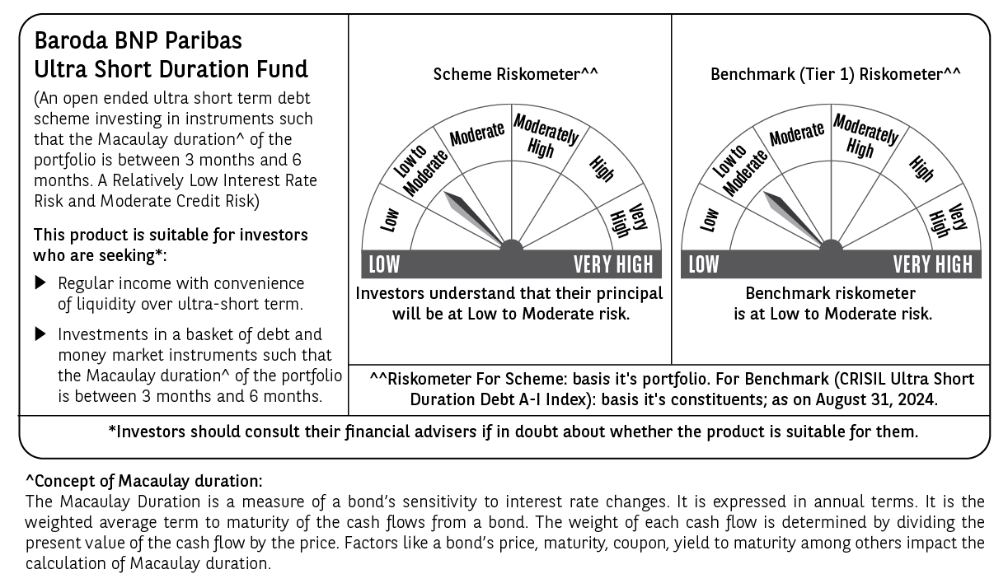

 | Potential Risk Class (PRC) matrix*
 | Credit Risk (Max)→ | Relatively Low: Class A (CRV>=12) | Moderate: Class B (CRV>=10) | Relatively High: Class C (CRV<10)
 | Interest Rate Risk (Max)↓
 | Relatively Low: Class I (MD<=1 year) |  | B-I
 | Moderate: Class II
 | (MD<=3 year)
 | Relatively High: Class III
 | (Any MD)
 | MD=Macaulay Duration, CRV=Credit Risk Value
 | *The PRC matrix denotes the maximum risk that the respective Scheme can take i.e. maximum interest rate risk (measured by MD of the Scheme) and maximum credit risk (measured by CRV of the Scheme)

