YR47
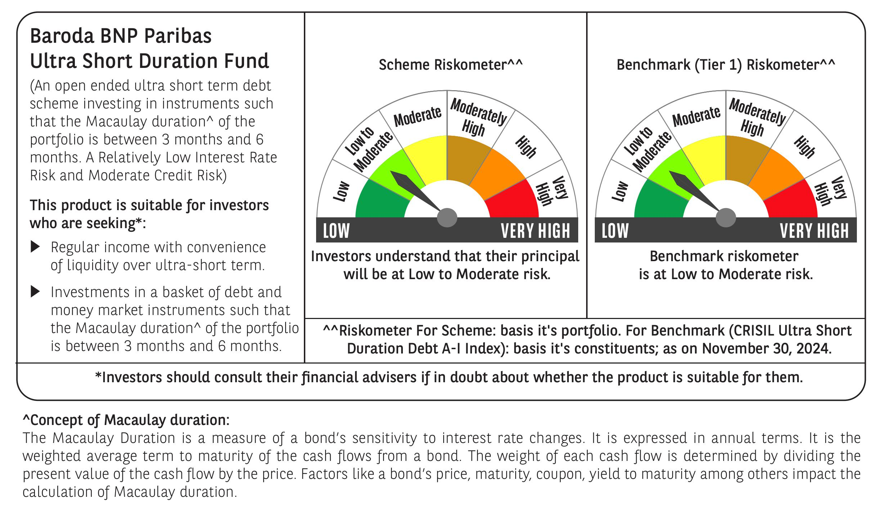

 | Baroda BNP Paribas Ultra Short Duration Fund

 | Monthly Portfolio Statement as on November 30, 2024
 | Name of the Instrument | ISIN | Rating | Quantity | Market/Fair Value (Rs. in Lakhs) | % to Net Assets | YTM~ | YTC^ | null
 | Debt Instruments
 | (a) Listed / awaiting listing on Stock Exchange
POWF459 | 7.17% Power Finance Corporation Limited (22/05/2025) ** | INE134E08KT5 | CRISIL AAA | 900 | 8,973.14 | 6.70% | 7.54%
NHBA317 | 7.34% National Housing Bank (07/08/2025) ** | INE557F08FN7 | CRISIL AAA | 350 | 3,493.05 | 2.61% | 7.60%
GOI2936 | 4.7% Government of India (22/09/2033) | IN0020200120 | Sovereign | 2,500,000 | 2,572.72 | 1.92% | 0.00%
GOI1399 | 8.15% State Government Securities (13/11/2025) | IN2120150064 | Sovereign | 2,500,000 | 2,530.50 | 1.89% | 6.91%
BHAT66 | 8.90% Bharti Telecom Limited (04/12/2025) | INE403D08181 | CRISIL AA+ | 2,500 | 2,513.89 | 1.88% | 8.30%
EXIM730 | 7.2% Export Import Bank of India (05/06/2025) ** | INE514E08FY8 | CRISIL AAA | 250 | 2,493.33 | 1.86% | 7.47%
EXIM677 | 5.62% Export Import Bank of India (20/06/2025) ** | INE514E08FU6 | CRISIL AAA | 250 | 2,473.01 | 1.85% | 7.48%
HHFL205 | 8.94% Hero Fincorp Limited (10/09/2025) ** | INE957N07781 | CRISIL AA+ | 2,400 | 2,401.32 | 1.79% | 8.69%
SHTR504 | 9.25% Shriram Finance Limited (19/12/2025) ** | INE721A07RU2 | CRISIL AA+ | 1,500 | 1,504.99 | 1.12% | 8.89%
RIND332 | 7.4% Reliance Industries Limited (25/04/2025) ** | INE002A08617 | CRISIL AAA | 150 | 1,497.41 | 1.12% | 7.52%
GOI2340 | 6.9% State Government Securities (16/10/2025) | IN3120190126 | Sovereign | 1,000,000 | 1,000.66 | 0.75% | 6.92%
PHFL128 | Piramal Capital & Housing Finance Limited (21/02/2025) (FRN) ** | INE516Y07485 | ICRA AA | 1,000 | 999.80 | 0.75% | 8.43%
IIFW288 | 9.22% 360 One Prime Limited (18/07/2025) ** | INE248U07EV0 | CRISIL AA | 80,000 | 800.46 | 0.60% | 9.21%
GOI1371 | 7.96% State Government Securities (14/10/2025) | IN2220150105 | Sovereign | 500,000 | 504.67 | 0.38% | 6.94%
 | Sub Total |  |  |  | 33,758.95 | 25.22%
 | (b) Privately placed / Unlisted |  |  |  | NIL | NIL
 | Sub Total |  |  |  | NIL | NIL
 | (c) Securitised Debt
IUNT23 | India Universal Trust AL1 (21/11/2026) ** | INE1CBK15011 | CRISIL AAA(SO) | 13 | 1,299.74 | 0.97% | 8.36%
 | Sub Total |  |  |  | 1,299.74 | 0.97%
 | (b) Privately placed / Unlisted |  |  |  | NIL | NIL
 | Sub Total |  |  |  | NIL | NIL
 | Total |  |  |  | 35,058.69 | 26.19%
 | Money Market Instruments
 | Certificate of Deposit
UNBI395 | Union Bank of India (18/03/2025) ** # | INE692A16HP7 | FITCH A1+ | 1,100 | 5,385.31 | 4.02% | 7.26%
IBCL1164 | ICICI Bank Limited (25/02/2025) # | INE090AD6121 | ICRA A1+ | 1,000 | 4,916.94 | 3.67% | 7.17%
KMBK863 | Kotak Mahindra Bank Limited (24/07/2025) ** # | INE237A161Y7 | CRISIL A1+ | 1,000 | 4,769.98 | 3.56% | 7.49%
PUBA1034 | Punjab National Bank (15/05/2025) ** # | INE160A16PF9 | CRISIL A1+ | 600 | 2,902.26 | 2.17% | 7.45%
CANB1011 | Canara Bank (28/05/2025) # | INE476A16ZL6 | CRISIL A1+ | 600 | 2,895.10 | 2.16% | 7.43%
IIBL975 | IndusInd Bank Limited (05/06/2025) ** # | INE095A16X51 | CRISIL A1+ | 600 | 2,889.14 | 2.16% | 7.53%
UTIB1325 | Axis Bank Limited (15/07/2025) # | INE238AD6868 | CRISIL A1+ | 600 | 2,865.85 | 2.14% | 7.56%
KMBK847 | Kotak Mahindra Bank Limited (29/01/2025) ** # | INE237A168V8 | CRISIL A1+ | 500 | 2,471.48 | 1.85% | 7.14%
IBCL1161 | ICICI Bank Limited (31/01/2025) ** # | INE090AD6113 | ICRA A1+ | 500 | 2,470.52 | 1.84% | 7.14%
NBAR752 | National Bank For Agriculture and Rural Development (14/02/2025) ** # | INE261F16801 | FITCH A1+ | 500 | 2,463.60 | 1.84% | 7.19%
PUBA1045 | Punjab National Bank (20/02/2025) # | INE160A16PK9 | CRISIL A1+ | 500 | 2,460.63 | 1.84% | 7.21%
CANB1006 | Canara Bank (07/03/2025) ** # | INE476A16ZC5 | CRISIL A1+ | 500 | 2,453.48 | 1.83% | 7.21%
KMBK854 | Kotak Mahindra Bank Limited (07/03/2025) ** # | INE237A166W0 | CRISIL A1+ | 500 | 2,453.38 | 1.83% | 7.22%
PUBA1024 | Punjab National Bank (11/03/2025) ** # | INE160A16OP1 | FITCH A1+ | 500 | 2,451.48 | 1.83% | 7.23%
NBAR788 | National Bank For Agriculture and Rural Development (20/06/2025) ** # | INE261F16876 | CRISIL A1+ | 500 | 2,401.22 | 1.79% | 7.47%
CANB1005 | Canara Bank (03/09/2025) ** # | INE476A16ZA9 | CRISIL A1+ | 500 | 2,365.58 | 1.77% | 7.52%
IBCL1176 | ICICI Bank Limited (14/11/2025) # | INE090AD6204 | ICRA A1+ | 500 | 2,332.34 | 1.74% | 7.54%
EXIM768 | Export Import Bank of India (24/03/2025) ** # | INE514E16CH3 | CRISIL A1+ | 400 | 1,956.26 | 1.46% | 7.22%
HDFB961 | HDFC Bank Limited (25/07/2025) ** # | INE040A16FF4 | CARE A1+ | 400 | 1,906.79 | 1.42% | 7.56%
CANB993 | Canara Bank (06/03/2025) ** # | INE476A16YS4 | CRISIL A1+ | 300 | 1,472.37 | 1.10% | 7.21%
SIDB563 | Small Industries Dev Bank of India (10/06/2025) ** # | INE556F16AS2 | CRISIL A1+ | 240 | 1,154.83 | 0.86% | 7.48%
UTIB1320 | Axis Bank Limited (28/02/2025) # | INE238AD6827 | CRISIL A1+ | 220 | 1,080.97 | 0.81% | 7.22%
PUBA1039 | Punjab National Bank (10/07/2025) ** # | INE160A16PJ1 | CRISIL A1+ | 200 | 956.26 | 0.71% | 7.56%
UTIB1323 | Axis Bank Limited (06/06/2025) ** # | INE238AD6835 | CRISIL A1+ | 140 | 674.26 | 0.50% | 7.45%
IBCL1171 | ICICI Bank Limited (27/06/2025) ** # | INE090AD6162 | ICRA A1+ | 100 | 479.73 | 0.36% | 7.42%
 | Sub Total |  |  |  | 60,629.76 | 45.26%
 | Commercial Paper
BCIP98 | Bahadur Chand Investments Pvt Limited (21/01/2025) ** | INE087M14BQ1 | ICRA A1+ | 700 | 3,460.45 | 2.58% | 8.18%
DMIF22 | DMI Finance Private Limited (16/12/2024) ** | INE604O14106 | ICRA A1+ | 500 | 2,491.40 | 1.86% | 8.40%
PHFL142 | Piramal Capital & Housing Finance Limited (28/04/2025) ** | INE516Y14GU5 | CRISIL A1+ | 500 | 2,415.34 | 1.80% | 8.65%
BGHP165 | Birla Group Holdings Private Limited (05/06/2025) ** | INE09OL14FY0 | CRISIL A1+ | 500 | 2,401.20 | 1.79% | 8.07%
MUFL431 | Muthoot Finance Limited (10/06/2025) ** | INE414G14TR9 | CRISIL A1+ | 500 | 2,398.47 | 1.79% | 8.09%
MOFS196 | Motilal Oswal Financial Services Limited (19/06/2025) ** | INE338I14HX9 | CRISIL A1+ | 500 | 2,388.87 | 1.78% | 8.49%
SIDB559 | Small Industries Dev Bank of India (28/02/2025) ** | INE556F14KG1 | CRISIL A1+ | 400 | 1,965.49 | 1.47% | 7.20%
TATP51 | Tata Projects Limited (05/03/2025) ** | INE725H14CG5 | CRISIL A1+ | 260 | 1,275.22 | 0.95% | 7.55%
BAFL899 | Bajaj Finance Limited (11/03/2025) ** | INE296A14XM6 | CRISIL A1+ | 200 | 979.81 | 0.73% | 7.52%
EXIM789 | Export Import Bank of India (17/11/2025) ** | INE514E14SJ0 | CRISIL A1+ | 200 | 932.31 | 0.70% | 7.55%
 | Sub Total |  |  |  | 20,708.56 | 15.45%
 | Total |  |  |  | 81,338.32 | 60.71%
 | Others
 | Corporate Debt Market Development Fund
CDMD50ME | Corporate Debt Market Development Fund # | INF0RQ622028 |  | 2,644 | 276.70 | 0.21%
 | Sub Total |  |  |  | 276.70 | 0.21%
 | Total |  |  |  | 276.70 | 0.21%
 | Reverse Repo / TREPS
TRP_021224 | Clearing Corporation of India Ltd |  |  |  | 16,254.51 | 12.14% | 6.69%
 | Sub Total |  |  |  | 16,254.51 | 12.14%
 | (b) Privately placed / Unlisted |  |  |  | NIL | NIL
 | Sub Total |  |  |  | NIL | NIL
 | Total |  |  |  | 16,254.51 | 12.14%
 | Net Receivables / (Payables) |  |  |  | 1,004.12 | 0.75%
 | GRAND TOTAL |  |  |  | 133,932.34 | 100.00%

 | FRN - Floating Rate Note
 | ** Thinly Traded / Non Traded Security
 | # Unlisted Security
 | ~ YTM as on November 30, 2024
 | ^ YTC represents Yield to Call provided by valuation agencies as on November 30, 2024. It is disclosed for Perpetual Bond issued by Banks (i.e. AT-1 Bond / Tier 1 Bond / Tier 2 Bond), as per AMFI Best Practices Guidelines Circular no. 135/BP/91/2020-21 re

