YR51
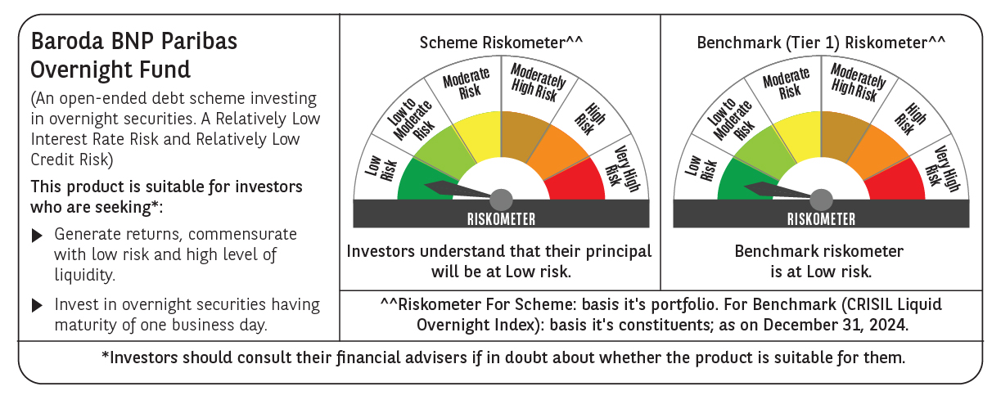
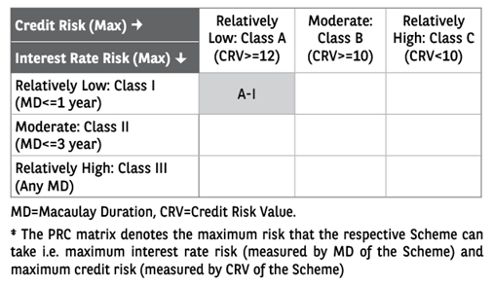
 | Baroda BNP Paribas Overnight Fund

 | Monthly Portfolio Statement as on December 31, 2024
 | Name of the Instrument | ISIN | Rating | Quantity | Market/Fair Value (Rs. in Lakhs) | % to Net Assets | YTM~ | YTC^ | null
 | Money Market Instruments
 | Treasury Bill
TBIL2424 | 91 Days Tbill (MD 23/01/2025) | IN002024X292 | Sovereign | 1,500,000 | 1,494.19 | 1.82% | 6.45%
TBIL2413 | 91 Days Tbill (MD 03/01/2025) | IN002024X268 | Sovereign | 1,000,000 | 999.65 | 1.22% | 6.37%
TBIL2416 | 91 Days Tbill (MD 09/01/2025) | IN002024X276 | Sovereign | 1,000,000 | 998.60 | 1.21% | 6.40%
TBIL2307 | 364 Days Tbill (MD 16/01/2025) | IN002023Z448 | Sovereign | 1,000,000 | 997.38 | 1.21% | 6.40%
 | Sub Total |  |  |  | 4,489.82 | 5.46%
 | Total |  |  |  | 4,489.82 | 5.46%
 | Reverse Repo / TREPS
REP_33840 | Clearing Corporation of India Ltd |  |  |  | 49,999.17 | 60.80% | 6.81%
TRP_010125 | Clearing Corporation of India Ltd |  |  |  | 27,867.65 | 33.89% | 6.58%
 | Sub Total |  |  |  | 77,866.82 | 94.69%
 | Total |  |  |  | 77,866.82 | 94.69%
 | Net Receivables / (Payables) |  |  |  | (118.44) | (0.15)%
 | GRAND TOTAL |  |  |  | 82,238.20 | 100.00%

 | ~ YTM as on December 31, 2024
 | ^ YTC represents Yield to Call provided by valuation agencies as on December 31, 2024. It is disclosed for Perpetual Bond issued by Banks (i.e. AT-1 Bond / Tier 1 Bond / Tier 2 Bond), as per AMFI Best Practices Guidelines Circular no. 135/BP/91/2020-21 re

