YR51
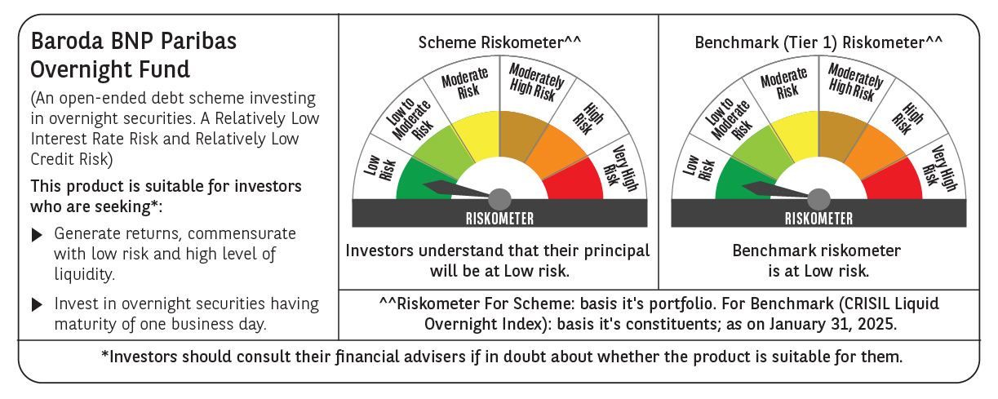
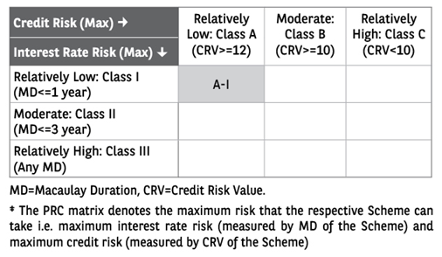
 | Baroda BNP Paribas Overnight Fund

 | Monthly Portfolio Statement as on January 31, 2025
 | Name of the Instrument | ISIN | Rating | Quantity | Market/Fair Value (Rs. in Lakhs) | % to Net Assets | YTM~ | YTC^ | null
 | Money Market Instruments
 | Treasury Bill
TBIL2393 | 182 Days Tbill (MD 06/02/2025) | IN002024Y191 | Sovereign | 1,000,000 | 999.13 | 1.60% | 6.36%
TBIL2396 | 182 Days Tbill (MD 14/02/2025) | IN002024Y209 | Sovereign | 1,000,000 | 997.72 | 1.60% | 6.42%
TBIL2433 | 91 Days Tbill (MD 21/02/2025) | IN002024X334 | Sovereign | 500,000 | 498.25 | 0.80% | 6.43%
 | Sub Total |  |  |  | 2,495.10 | 4.00%
 | Total |  |  |  | 2,495.10 | 4.00%
 | Reverse Repo / TREPS
REP5_310125 | Clearing Corporation of India Ltd |  |  |  | 39,499.20 | 63.23% | 6.68%
REP4_310125 | Clearing Corporation of India Ltd |  |  |  | 19,749.98 | 31.61% | 6.85%
TRP_030225 | Clearing Corporation of India Ltd |  |  |  | 820.03 | 1.31% | 6.54%
 | Sub Total |  |  |  | 60,069.21 | 96.15%
 | Total |  |  |  | 60,069.21 | 96.15%
 | Net Receivables / (Payables) |  |  |  | (90.87) | (0.15)%
 | GRAND TOTAL |  |  |  | 62,473.44 | 100.00%

 | ~ YTM as on January 31, 2025
 | ^ YTC represents Yield to Call provided by valuation agencies as on January 31, 2025. It is disclosed for Perpetual Bond issued by Banks (i.e. AT-1 Bond / Tier 1 Bond / Tier 2 Bond), as per AMFI Best Practices Guidelines Circular no. 135/BP/91/2020-21 read with SEBI circular No. SEBI/HO/IMD/DF4/CIR/P/2021/034 on Valuation of AT-1 Bonds and Tier 2 Bonds.

