Monthly Portfolio
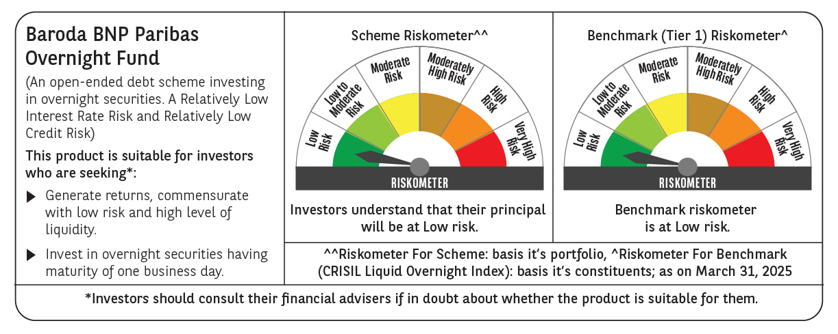
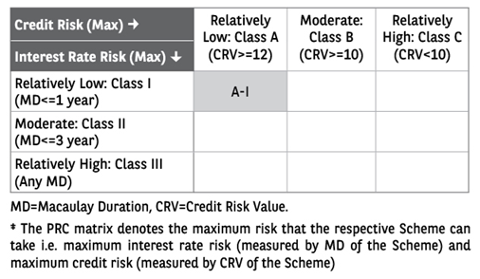
 | Baroda BNP Paribas Overnight Fund

 | Monthly Portfolio Statement as on March 31, 2025
 | Name of the Instrument | ISIN | Rating | Quantity | Market/Fair Value (Rs. in Lakhs) | % to Net Assets | YTM~ | YTC^ | null
 | Money Market Instruments
 | Treasury Bill
TBIL2349 | 364 Days Tbill (MD 18/04/2025) | IN002024Z032 | Sovereign | 1,500,000 | 1,495.64 | 2.57% | 6.26%
TBIL2343 | 364 Days Tbill (MD 03/04/2025) | IN002024Z016 | Sovereign | 1,000,000 | 999.65 | 1.72% | 6.36%
TBIL2421 | 182 Days Tbill (MD 10/04/2025) | IN002024Y266 | Sovereign | 1,000,000 | 998.45 | 1.72% | 6.28%
TBIL2463 | 91 Days Tbill (MD 24/04/2025) | IN002024X425 | Sovereign | 500,000 | 498.00 | 0.86% | 6.38%
 | Sub Total |  |  |  | 3,991.74 | 6.87%
 | Total |  |  |  | 3,991.74 | 6.87%
 | Reverse Repo / TREPS
REP6_280325 | Clearing Corporation of India Ltd |  |  |  | 32,999.25 | 56.72% | 7.30%
REP8_280325 | Clearing Corporation of India Ltd |  |  |  | 10,399.39 | 17.87% | 7.35%
REP7_280325 | Clearing Corporation of India Ltd |  |  |  | 5,999.46 | 10.31% | 7.40%
TRP_020425 | Clearing Corporation of India Ltd |  |  |  | 4,321.87 | 7.43% | 6.68%
 | Sub Total |  |  |  | 53,719.97 | 92.33%
 | Total |  |  |  | 53,719.97 | 92.33%
 | Net Receivables / (Payables) |  |  |  | 469.22 | 0.80%
 | GRAND TOTAL |  |  |  | 58,180.93 | 100.00%

 | ~ YTM as on March 31, 2025
 | ^ YTC represents Yield to Call provided by valuation agencies as on March 31, 2025. It is disclosed for Perpetual Bond issued by Banks (i.e. AT-1 Bond / Tier 1 Bond / Tier 2 Bond), as per AMFI Best Practices Guidelines Circular no. 135/BP/91/2020-21 read with SEBI circular No. SEBI/HO/IMD/DF4/CIR/P/2021/034 on Valuation of AT-1 Bonds and Tier 2 Bonds.

