YR51
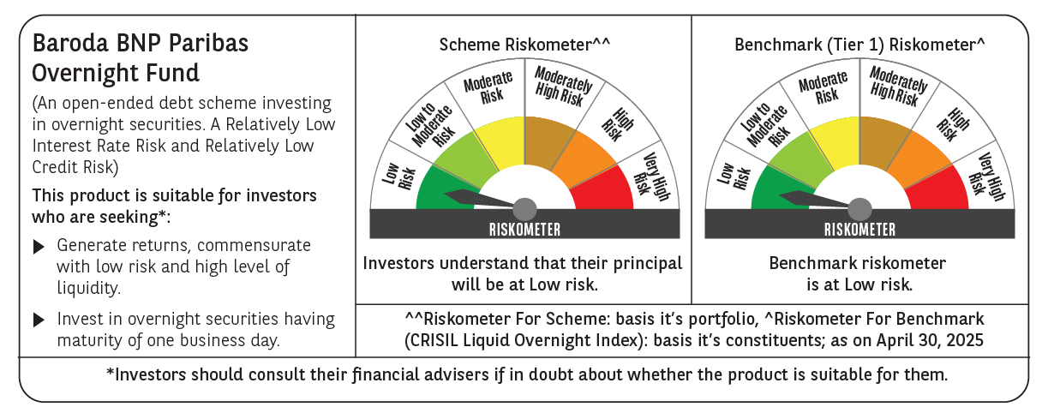
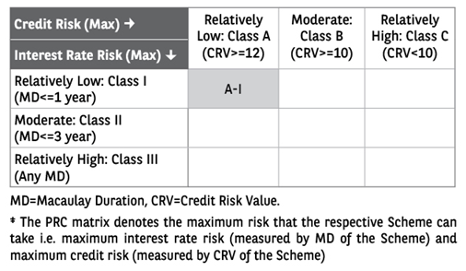
 | Baroda BNP Paribas Overnight Fund

 | Monthly Portfolio Statement as on April 30, 2025
 | Name of the Instrument | ISIN | Rating | Quantity | Market/Fair Value (Rs. in Lakhs) | % to Net Assets | YTM~ | YTC^ | null
 | Money Market Instruments
 | Treasury Bill
TBIL2470 | 91 Days Tbill (MD 15/05/2025) | IN002024X458 | Sovereign | 1,000,000 | 997.74 | 1.92% | 5.90%
TBIL2434 | 182 Days Tbill (MD 23/05/2025) | IN002024Y324 | Sovereign | 1,000,000 | 996.46 | 1.92% | 5.90%
 | Sub Total |  |  |  | 1,994.20 | 3.84%
 | Total |  |  |  | 1,994.20 | 3.84%
 | Reverse Repo / TREPS
REP15_300425 | Clearing Corporation of India Ltd |  |  |  | 27,499.82 | 52.93% | 6.08%
REP14_300425 | Clearing Corporation of India Ltd |  |  |  | 21,999.60 | 42.35% | 6.10%
TRP_020525 | Clearing Corporation of India Ltd |  |  |  | 600.58 | 1.16% | 5.94%
 | Sub Total |  |  |  | 50,100.00 | 96.44%
 | Total |  |  |  | 50,100.00 | 96.44%
 | Net Receivables / (Payables) |  |  |  | (143.55) | (0.28)%
 | GRAND TOTAL |  |  |  | 51,950.65 | 100.00%

 | ~ YTM as on April 30, 2025
 | ^ YTC represents Yield to Call provided by valuation agencies as on April 30, 2025. It is disclosed for Perpetual Bond issued by Banks (i.e. AT-1 Bond / Tier 1 Bond / Tier 2 Bond), as per AMFI Best Practices Guidelines Circular no. 135/BP/91/2020-21 read with SEBI circular No. SEBI/HO/IMD/DF4/CIR/P/2021/034 on Valuation of AT-1 Bonds and Tier 2 Bonds.

