YR51
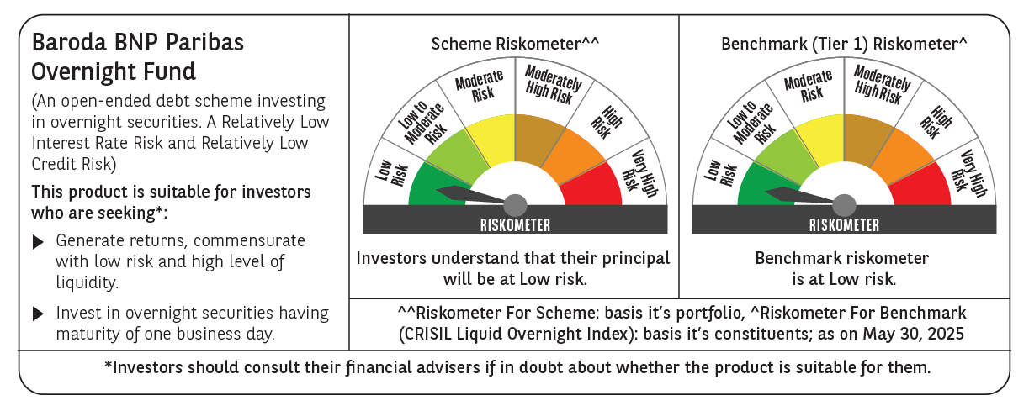
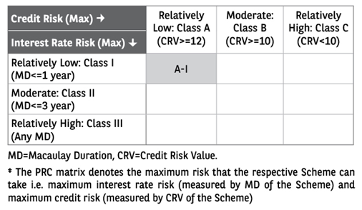
 | Baroda BNP Paribas Overnight Fund

 | Monthly Portfolio Statement as on May 31, 2025
 | Name of the Instrument | ISIN | Rating | Quantity | Market/Fair Value (Rs. in Lakhs) | % to Net Assets | YTM~ | YTC^ | null
 | Money Market Instruments
 | Treasury Bill
TBIL2485 | 91 Days Tbill (MD 19/06/2025) | IN002024X508 | Sovereign | 1,000,000 | 997.15 | 1.46% | 5.80%
TBIL2445 | 182 Days Tbill (MD 12/06/2025) | IN002024Y357 | Sovereign | 500,000 | 499.14 | 0.73% | 5.70%
 | Sub Total |  |  |  | 1,496.29 | 2.19%
 | Total |  |  |  | 1,496.29 | 2.19%
 | Reverse Repo / TREPS
REP8_300525 | Clearing Corporation of India Ltd |  |  |  | 49,999.53 | 73.09% | 5.85%
TRP_020625 | Clearing Corporation of India Ltd |  |  |  | 17,136.30 | 25.05% | 5.77%
 | Sub Total |  |  |  | 67,135.83 | 98.14%
 | Total |  |  |  | 67,135.83 | 98.14%
 | Net Receivables / (Payables) |  |  |  | (226.35) | (0.33)%
 | GRAND TOTAL |  |  |  | 68,405.77 | 100.00%

 | ~ YTM as on May 31, 2025
 | ^ YTC represents Yield to Call provided by valuation agencies as on May 31, 2025. It is disclosed for Perpetual Bond issued by Banks (i.e. AT-1 Bond / Tier 1 Bond / Tier 2 Bond), as per AMFI Best Practices Guidelines Circular no. 135/BP/91/2020-21 read with SEBI circular No. SEBI/HO/IMD/DF4/CIR/P/2021/034 on Valuation of AT-1 Bonds and Tier 2 Bonds.

