YR51
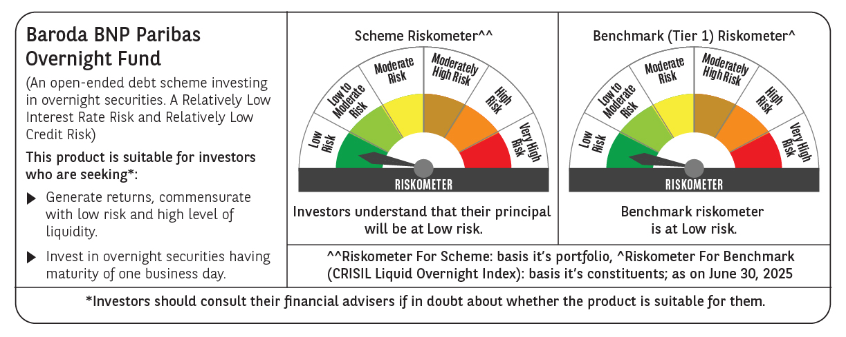
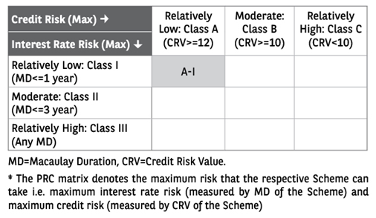
 | Baroda BNP Paribas Overnight Fund

 | Monthly Portfolio Statement as on June 30, 2025
 | Name of the Instrument | ISIN | Rating | Quantity | Market/Fair Value (Rs. in Lakhs) | % to Net Assets | YTM~ | YTC^ | null
 | Money Market Instruments
 | Treasury Bill
TBIL2458 | 182 Days Tbill (MD 10/07/2025) | IN002024Y399 | Sovereign | 1,500,000 | 1,498.03 | 2.04% | 5.32%
TBIL2500 | 91 Days Tbill (MD 24/07/2025) | IN002025X042 | Sovereign | 1,000,000 | 996.67 | 1.36% | 5.31%
TBIL2461 | 182 Days Tbill (MD 17/07/2025) | IN002024Y407 | Sovereign | 500,000 | 498.84 | 0.68% | 5.31%
 | Sub Total |  |  |  | 2,993.54 | 4.08%
 | Total |  |  |  | 2,993.54 | 4.08%
 | Reverse Repo / TREPS
REP13_300625 | Clearing Corporation of India Ltd |  |  |  | 49,999.31 | 68.06% | 5.50%
TRP_010725 | Clearing Corporation of India Ltd |  |  |  | 20,121.06 | 27.39% | 5.47%
 | Sub Total |  |  |  | 70,120.37 | 95.45%
 | Total |  |  |  | 70,120.37 | 95.45%
 | Net Receivables / (Payables) |  |  |  | 345.47 | 0.47%
 | GRAND TOTAL |  |  |  | 73,459.38 | 100.00%

 | ~ YTM as on June 30, 2025
 | ^ YTC represents Yield to Call provided by valuation agencies as on June 30, 2025. It is disclosed for Perpetual Bond issued by Banks (i.e. AT-1 Bond / Tier 1 Bond / Tier 2 Bond), as per AMFI Best Practices Guidelines Circular no. 135/BP/91/2020-21 read with SEBI circular No. SEBI/HO/IMD/DF4/CIR/P/2021/034 on Valuation of AT-1 Bonds and Tier 2 Bonds.

