YR51
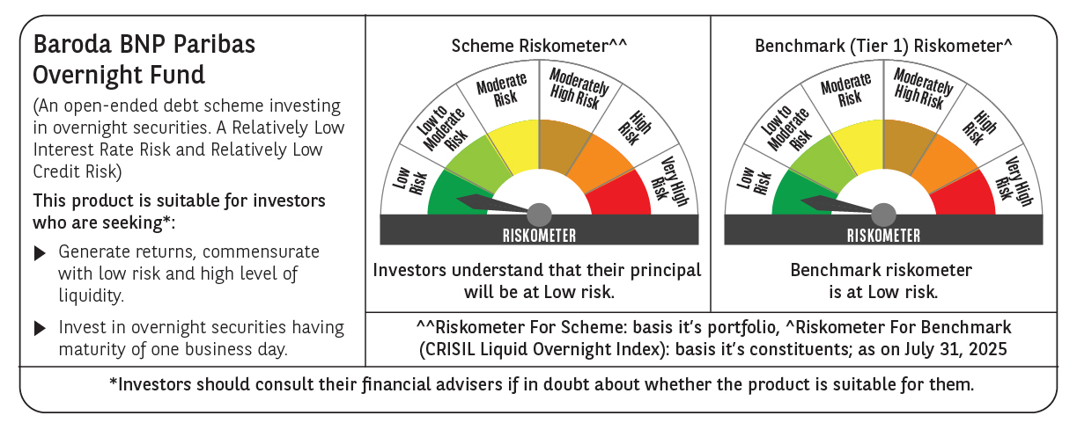
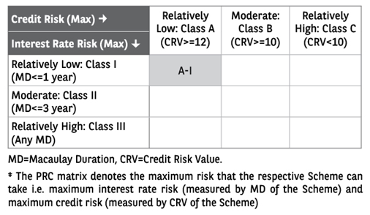
 | Baroda BNP Paribas Overnight Fund

 | Monthly Portfolio Statement as on July 31, 2025
 | Name of the Instrument | ISIN | Rating | Quantity | Market/Fair Value (Rs. in Lakhs) | % to Net Assets | YTM~ | YTC^ | null
 | Money Market Instruments
 | Treasury Bill
TBIL2472 | 182 Days Tbill (MD 14/08/2025) | IN002024Y449 | Sovereign | 1,500,000 | 1,497.18 | 2.40% | 5.29%
TBIL2394 | 364 Days Tbill (MD 07/08/2025) | IN002024Z198 | Sovereign | 500,000 | 499.57 | 0.80% | 5.30%
 | Sub Total |  |  |  | 1,996.75 | 3.20%
 | Total |  |  |  | 1,996.75 | 3.20%
 | Reverse Repo / TREPS
REP18_310725 | Clearing Corporation of India Ltd |  |  |  | 49,999.00 | 80.19% | 5.49%
REP17_310725 | Clearing Corporation of India Ltd |  |  |  | 9,999.25 | 16.04% | 5.50%
TRP_010825 | Clearing Corporation of India Ltd |  |  |  | 307.73 | 0.49% | 5.42%
 | Sub Total |  |  |  | 60,305.98 | 96.72%
 | Total |  |  |  | 60,305.98 | 96.72%
 | Net Receivables / (Payables) |  |  |  | 49.21 | 0.08%
 | GRAND TOTAL |  |  |  | 62,351.94 | 100.00%

 | ~ YTM as on July 31, 2025
 | ^ YTC represents Yield to Call provided by valuation agencies as on July 31, 2025. It is disclosed for Perpetual Bond issued by Banks (i.e. AT-1 Bond / Tier 1 Bond / Tier 2 Bond), as per AMFI Best Practices Guidelines Circular no. 135/BP/91/2020-21 read with SEBI circular No. SEBI/HO/IMD/DF4/CIR/P/2021/034 on Valuation of AT-1 Bonds and Tier 2 Bonds.

