YR51
 | Baroda BNP Paribas Overnight Fund

 | Monthly Portfolio Statement as on August 31, 2025
 | Name of the Instrument | ISIN | Rating | Quantity | Market/Fair Value (Rs. in Lakhs) | % to Net Assets | YTM~ | YTC^ | null
 | Money Market Instruments
 | Treasury Bill
TBIL2480 | 182 Days Tbill (MD 04/09/2025) | IN002024Y472 | Sovereign | 1,000,000 | 999.56 | 1.35% | 5.40%
TBIL2484 | 182 Days Tbill (MD 11/09/2025) | IN002024Y480 | Sovereign | 1,000,000 | 998.51 | 1.35% | 5.46%
TBIL2489 | 182 Days Tbill (MD 25/09/2025) | IN002024Y506 | Sovereign | 500,000 | 498.21 | 0.67% | 5.45%
 | Sub Total |  |  |  | 2,496.28 | 3.37%
 | Total |  |  |  | 2,496.28 | 3.37%
 | Reverse Repo / TREPS
REP6_290825 | Clearing Corporation of India Ltd |  |  |  | 31,199.56 | 42.07% | 5.43%
REP7_290825 | Clearing Corporation of India Ltd |  |  |  | 19,999.29 | 26.97% | 5.45%
TRP_010925 | Clearing Corporation of India Ltd |  |  |  | 10,300.33 | 13.89% | 5.39%
REP8_290825 | Clearing Corporation of India Ltd |  |  |  | 10,299.14 | 13.89% | 5.48%
 | Sub Total |  |  |  | 71,798.32 | 96.82%
 | Total |  |  |  | 71,798.32 | 96.82%
 | Net Receivables / (Payables) |  |  |  | (127.56) | (0.19)%
 | GRAND TOTAL |  |  |  | 74,167.04 | 100.00%

 | ~ YTM as on August 31, 2025
 | ^ YTC represents Yield to Call provided by valuation agencies as on August 31, 2025. It is disclosed for Perpetual Bond issued by Banks (i.e. AT-1 Bond / Tier 1 Bond / Tier 2 Bond), as per AMFI Best Practices Guidelines Circular no. 135/BP/91/2020-21 read with SEBI circular No. SEBI/HO/IMD/DF4/CIR/P/2021/034 on Valuation of AT-1 Bonds and Tier 2 Bonds.

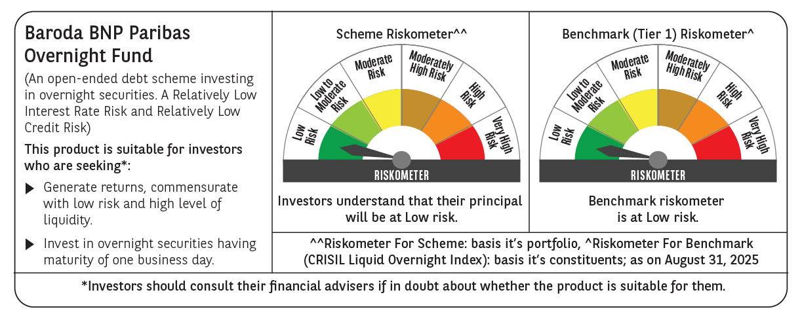

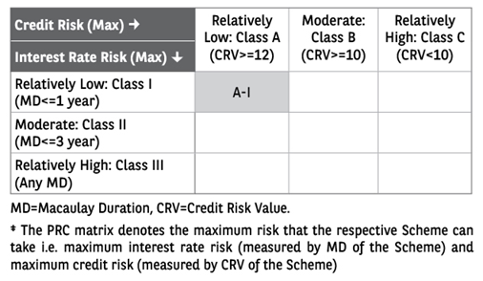

 | Monthly Performance Link: https://www.barodabnpparibasmf.in/assets/download_documents/Performance_of_Schemes_14126.pdf

