Monthly Portfolio
 | Baroda BNP Paribas Overnight Fund

 | Monthly Portfolio Statement as on September 30, 2025
 | Name of the Instrument | ISIN | Rating | Quantity | Market/Fair Value (Rs. in Lakhs) | % to Net Assets | YTM~ | YTC^ | null
 | Money Market Instruments
 | Treasury Bill
TBIL2531 | 91 Days Tbill (MD 09/10/2025) | IN002025X158 | Sovereign | 1,000,000 | 998.82 | 2.19% | 5.40%
TBIL2501 | 182 Days Tbill (MD 23/10/2025) | IN002025Y040 | Sovereign | 1,000,000 | 996.76 | 2.18% | 5.40%
 | Sub Total |  |  |  | 1,995.58 | 4.37%
 | Total |  |  |  | 1,995.58 | 4.37%
 | Reverse Repo / TREPS
REP20_300925 | Clearing Corporation of India Ltd |  |  |  | 20,511.73 | 44.90% | 5.65%
REP19_300925 | Clearing Corporation of India Ltd |  |  |  | 13,999.00 | 30.64% | 5.70%
REP18_300925 | Clearing Corporation of India Ltd |  |  |  | 8,999.48 | 19.70% | 5.85%
TRP_011025 | Clearing Corporation of India Ltd |  |  |  | 216.14 | 0.47% | 5.53%
 | Sub Total |  |  |  | 43,726.35 | 95.71%
 | Total |  |  |  | 43,726.35 | 95.71%
 | Net Receivables / (Payables) |  |  |  | (39.73) | (0.08)%
 | GRAND TOTAL |  |  |  | 45,682.20 | 100.00%

 | ~ YTM as on September 30, 2025
 | ^ YTC represents Yield to Call provided by valuation agencies as on September 30, 2025. It is disclosed for Perpetual Bond issued by Banks (i.e. AT-1 Bond / Tier 1 Bond / Tier 2 Bond), as per AMFI Best Practices Guidelines Circular no. 135/BP/91/2020-21 read with SEBI circular No. SEBI/HO/IMD/DF4/CIR/P/2021/034 on Valuation of AT-1 Bonds and Tier 2 Bonds.

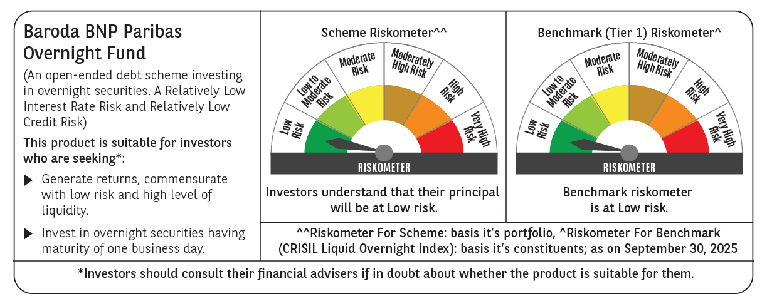

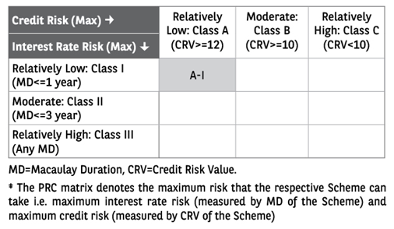

 | Monthly Performance Link: https://www.barodabnpparibasmf.in/assets/download_documents/Performance_of_Schemes_September_14618.pdf

