YR51
 | Baroda BNP Paribas Overnight Fund

 | Monthly Portfolio Statement as on October 31, 2025
 | Name of the Instrument | ISIN | Rating | Quantity | Market/Fair Value (Rs. in Lakhs) | % to Net Assets | YTM~ | YTC^ | null
 | Money Market Instruments
 | Treasury Bill
TBIL2544 | 91 Days Tbill (MD 06/11/2025) | IN002025X190 | Sovereign | 1,000,000 | 999.24 | 1.18% | 5.52%
TBIL2546 | 182 Days Tbill (MD 27/11/2025) | IN002025Y099 | Sovereign | 1,000,000 | 996.20 | 1.18% | 5.35%
TBIL2550 | 91 Days Tbill (MD 20/11/2025) | IN002025X216 | Sovereign | 500,000 | 498.61 | 0.59% | 5.36%
 | Sub Total |  |  |  | 2,494.05 | 2.95%
 | Total |  |  |  | 2,494.05 | 2.95%
 | Reverse Repo / TREPS
REP9_311025 | Clearing Corporation of India Ltd |  |  |  | 62,548.90 | 74.17% | 5.63%
REP8_311025 | Clearing Corporation of India Ltd |  |  |  | 18,629.70 | 22.09% | 5.62%
TRP_031125 | Clearing Corporation of India Ltd |  |  |  | 599.57 | 0.71% | 5.59%
 | Sub Total |  |  |  | 81,778.17 | 96.97%
 | Total |  |  |  | 81,778.17 | 96.97%
 | Net Receivables / (Payables) |  |  |  | 57.06 | 0.08%
 | GRAND TOTAL |  |  |  | 84,329.28 | 100.00%

 | ~ YTM as on October 31, 2025
 | ^ YTC represents Yield to Call provided by valuation agencies as on October 31, 2025. It is disclosed for Perpetual Bond issued by Banks (i.e. AT-1 Bond / Tier 1 Bond / Tier 2 Bond), as per AMFI Best Practices Guidelines Circular no. 135/BP/91/2020-21 read with SEBI circular No. SEBI/HO/IMD/DF4/CIR/P/2021/034 on Valuation of AT-1 Bonds and Tier 2 Bonds.

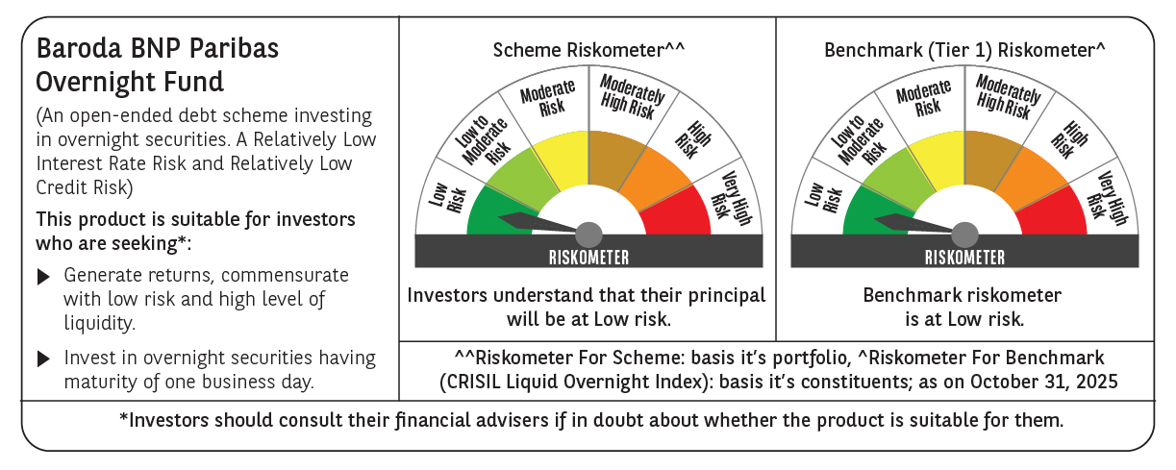

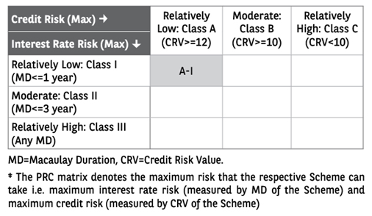

 | Monthly Performance Link: https://www.barodabnpparibasmf.in/assets/download_documents/Performance_of_Schemes-October_2025_15267.pdf

