YR51
 | Baroda BNP Paribas Overnight Fund

 | Monthly Portfolio Statement as on November 30, 2025
 | Name of the Instrument | ISIN | Rating | Quantity | Market/Fair Value (Rs. in Lakhs) | % to Net Assets | YTM~ | YTC^ | null
 | Money Market Instruments
 | Treasury Bill
TBIL2526 | 182 Days Tbill (MD 11/12/2025) | IN002025Y115 | Sovereign | 1,500,000 | 1,497.85 | 2.08% | 5.25%
TBIL2561 | 91 Days Tbill (MD 18/12/2025) | IN002025X257 | Sovereign | 1,500,000 | 1,496.32 | 2.08% | 5.28%
 | Sub Total |  |  |  | 2,994.17 | 4.16%
 | Total |  |  |  | 2,994.17 | 4.16%
 | Reverse Repo / TREPS
REP14_281125 | Clearing Corporation of India Ltd |  |  |  | 50,777.53 | 70.67% | 5.60%
REP13_281125 | Clearing Corporation of India Ltd |  |  |  | 18,900.00 | 26.31% | 5.65%
TRP_011225 | Clearing Corporation of India Ltd |  |  |  | 620.96 | 0.86% | 5.43%
 | Sub Total |  |  |  | 70,298.49 | 97.84%
 | Total |  |  |  | 70,298.49 | 97.84%
 | Net Receivables / (Payables) |  |  |  | (1,444.28) | (2.00)%
 | GRAND TOTAL |  |  |  | 71,848.38 | 100.00%

 | ~ YTM as on November 30, 2025
 | ^ YTC represents Yield to Call provided by valuation agencies as on November 30, 2025. It is disclosed for Perpetual Bond issued by Banks (i.e. AT-1 Bond / Tier 1 Bond / Tier 2 Bond), as per AMFI Best Practices Guidelines Circular no. 135/BP/91/2020-21 read with SEBI circular No. SEBI/HO/IMD/DF4/CIR/P/2021/034 on Valuation of AT-1 Bonds and Tier 2 Bonds.

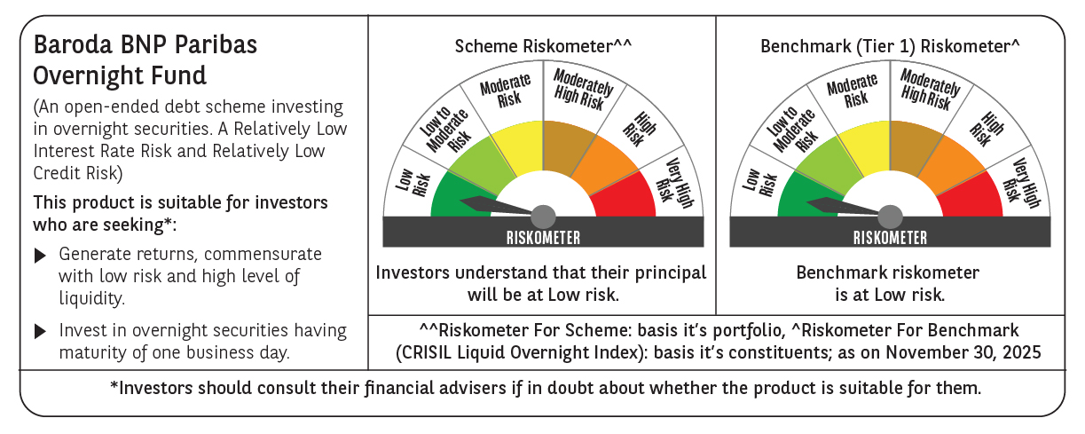

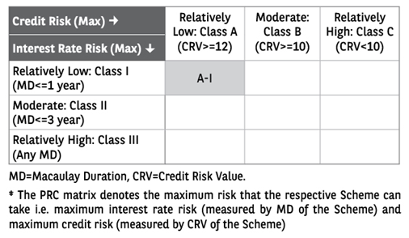

 | Monthly Performance Link: https://www.barodabnpparibasmf.in/assets/download_documents/Performance_of_Schemes_Nov-2025_15612.pdf

