YR51
 | Baroda BNP Paribas Overnight Fund

 | Monthly Portfolio Statement as on August 31, 2024
 | Name of the Instrument | ISIN | Rating | Quantity | Market/Fair Value (Rs. in Lakhs) | % to Net Assets | YTM~ | YTC^ | null
 | Money Market Instruments
 | Treasury Bill
TBIL2331 | 182 Days Tbill (MD 05/09/2024) | IN002023Y516 | Sovereign | 1,500,000 | 1,498.93 | 1.84% | 6.53%
TBIL2338 | 182 Days Tbill (MD 19/09/2024) | IN002023Y532 | Sovereign | 1,000,000 | 996.79 | 1.22% | 6.53%
TBIL2344 | 182 Days Tbill (MD 26/09/2024) | IN002023Y540 | Sovereign | 1,000,000 | 995.53 | 1.22% | 6.55%
 | Sub Total |  |  |  | 3,491.25 | 4.28%
 | Total |  |  |  | 3,491.25 | 4.28%
 | Reverse Repo / TREPS
REP_33013 | Clearing Corporation of India Ltd |  |  |  | 52,799.42 | 64.67% | 6.65%
REP_33014 | Clearing Corporation of India Ltd |  |  |  | 20,931.99 | 25.64% | 6.70%
TRP_020924 | Clearing Corporation of India Ltd |  |  |  | 5,149.06 | 6.31% | 6.52%
 | Sub Total |  |  |  | 78,880.47 | 96.62%
 | Total |  |  |  | 78,880.47 | 96.62%
 | Net Receivables / (Payables) |  |  |  | (728.29) | (0.90)%
 | GRAND TOTAL |  |  |  | 81,643.43 | 100.00%

 | ~ YTM as on August 31, 2024
 | ^ YTC represents Yield to Call provided by valuation agencies as on August 31, 2024. It is disclosed for Perpetual Bond issued by Banks (i.e. AT-1 Bond / Tier 1 Bond / Tier 2 Bond), as per AMFI Best Practices Guidelines Circular no. 135/BP/91/2020-21 read with SEBI circular No. SEBI/HO/IMD/DF4/CIR/P/2021/034 on Valuation of AT-1 Bonds and Tier 2 Bonds.

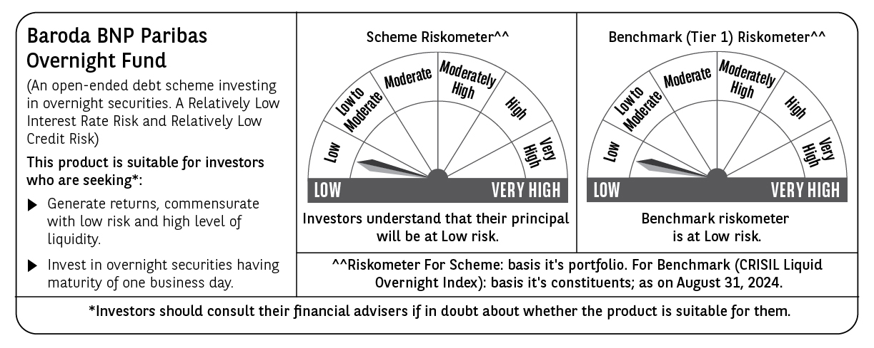

 | Potential Risk Class (PRC) matrix*
 | Credit Risk (Max)→ | Relatively Low: Class A (CRV>=12) | Moderate: Class B (CRV>=10) | Relatively High: Class C (CRV<10)
 | Interest Rate Risk (Max)↓
 | Relatively Low: Class I (MD<=1 year) | A-I
 | Moderate: Class II
 | (MD<=3 year)
 | Relatively High: Class III
 | (Any MD)
 | MD=Macaulay Duration, CRV=Credit Risk Value
 | *The PRC matrix denotes the maximum risk that the respective Scheme can take i.e. maximum interest rate risk (measured by MD of the Scheme) and maximum credit risk (measured by CRV of the Scheme)

