YR51
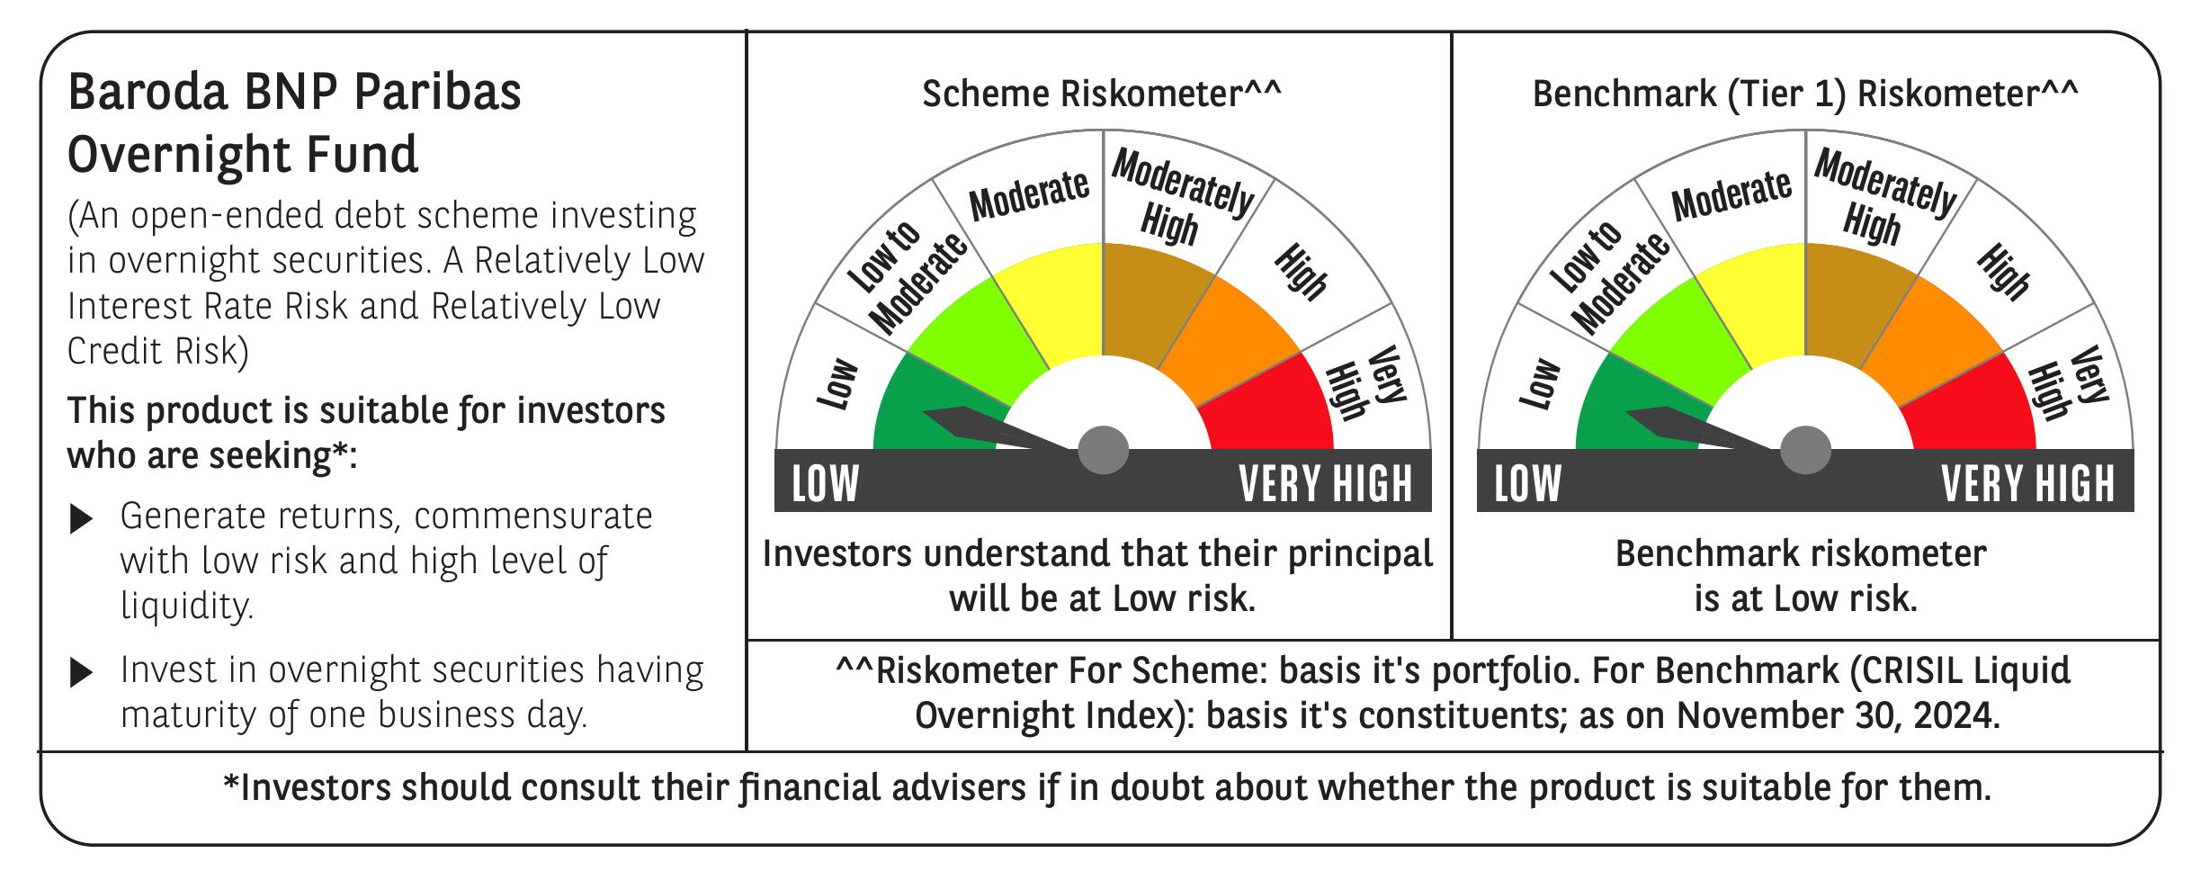
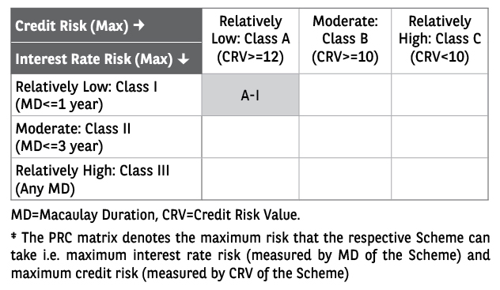
 | Baroda BNP Paribas Overnight Fund

 | Monthly Portfolio Statement as on November 30, 2024
 | Name of the Instrument | ISIN | Rating | Quantity | Market/Fair Value (Rs. in Lakhs) | % to Net Assets | YTM~ | YTC^ | null
 | Money Market Instruments
 | Treasury Bill
TBIL2369 | 182 Days Tbill (MD 05/12/2024) | IN002024Y100 | Sovereign | 1,000,000 | 999.28 | 1.53% | 6.57%
TBIL2375 | 182 Days Tbill (MD 26/12/2024) | IN002024Y134 | Sovereign | 500,000 | 497.80 | 0.76% | 6.46%
 | Sub Total |  |  |  | 1,497.08 | 2.29%
 | Total |  |  |  | 1,497.08 | 2.29%
 | Reverse Repo / TREPS
REP_33623 | Clearing Corporation of India Ltd |  |  |  | 49,000.00 | 74.98% | 6.65%
TRP_021224 | Clearing Corporation of India Ltd |  |  |  | 14,818.64 | 22.68% | 6.69%
 | Sub Total |  |  |  | 63,818.64 | 97.66%
 | Total |  |  |  | 63,818.64 | 97.66%
 | Net Receivables / (Payables) |  |  |  | 32.37 | 0.05%
 | GRAND TOTAL |  |  |  | 65,348.09 | 100.00%

 | ~ YTM as on November 30, 2024
 | ^ YTC represents Yield to Call provided by valuation agencies as on November 30, 2024. It is disclosed for Perpetual Bond issued by Banks (i.e. AT-1 Bond / Tier 1 Bond / Tier 2 Bond), as per AMFI Best Practices Guidelines Circular no. 135/BP/91/2020-21 re

