YR52
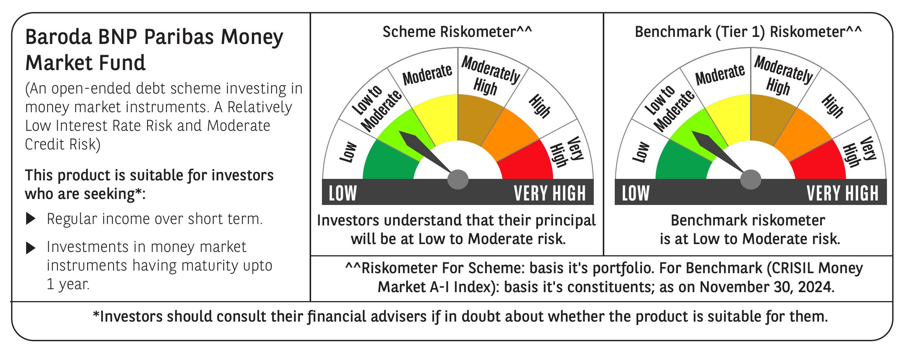

 | Baroda BNP Paribas Money Market Fund

 | Monthly Portfolio Statement as on November 30, 2024
 | Name of the Instrument | ISIN | Rating | Quantity | Market/Fair Value (Rs. in Lakhs) | % to Net Assets | YTM~ | YTC^ | null
 | Debt Instruments
 | (a) Listed / awaiting listing on Stock Exchange
GOI1399 | 8.15% State Government Securities (13/11/2025) | IN2120150064 | Sovereign | 2,500,000 | 2,530.50 | 5.46% | 6.91%
GOI2340 | 6.9% State Government Securities (16/10/2025) | IN3120190126 | Sovereign | 1,500,000 | 1,500.99 | 3.24% | 6.92%
 | Sub Total |  |  |  | 4,031.49 | 8.70%
 | (b) Privately placed / Unlisted |  |  |  | NIL | NIL
 | Sub Total |  |  |  | NIL | NIL
 | Total |  |  |  | 4,031.49 | 8.70%
 | Money Market Instruments
 | Certificate of Deposit
EXIM768 | Export Import Bank of India (24/03/2025) ** # | INE514E16CH3 | CRISIL A1+ | 600 | 2,934.39 | 6.33% | 7.22%
IBCL1171 | ICICI Bank Limited (27/06/2025) ** # | INE090AD6162 | ICRA A1+ | 600 | 2,878.37 | 6.21% | 7.42%
INBK423 | Indian Bank (13/03/2025) ** # | INE562A16MR8 | CRISIL A1+ | 500 | 2,450.46 | 5.28% | 7.23%
NBAR788 | National Bank For Agriculture and Rural Development (20/06/2025) ** # | INE261F16876 | CRISIL A1+ | 500 | 2,401.22 | 5.18% | 7.47%
SIDB563 | Small Industries Dev Bank of India (10/06/2025) ** # | INE556F16AS2 | CRISIL A1+ | 480 | 2,309.66 | 4.98% | 7.48%
UNBI395 | Union Bank of India (18/03/2025) ** # | INE692A16HP7 | FITCH A1+ | 400 | 1,958.29 | 4.22% | 7.26%
KMBK857 | Kotak Mahindra Bank Limited (09/05/2025) ** # | INE237A162X7 | CRISIL A1+ | 400 | 1,937.42 | 4.18% | 7.42%
PUBA1034 | Punjab National Bank (15/05/2025) ** # | INE160A16PF9 | CRISIL A1+ | 400 | 1,934.84 | 4.17% | 7.45%
CANB1011 | Canara Bank (28/05/2025) # | INE476A16ZL6 | CRISIL A1+ | 400 | 1,930.07 | 4.16% | 7.43%
IIBL975 | IndusInd Bank Limited (05/06/2025) ** # | INE095A16X51 | CRISIL A1+ | 400 | 1,926.09 | 4.15% | 7.53%
HDFB954 | HDFC Bank Limited (24/06/2025) ** # | INE040A16FA5 | CRISIL A1+ | 360 | 1,727.76 | 3.73% | 7.45%
HDFB961 | HDFC Bank Limited (25/07/2025) ** # | INE040A16FF4 | CARE A1+ | 300 | 1,430.10 | 3.08% | 7.56%
UTIB1320 | Axis Bank Limited (28/02/2025) # | INE238AD6827 | CRISIL A1+ | 280 | 1,375.78 | 2.97% | 7.22%
CANB993 | Canara Bank (06/03/2025) ** # | INE476A16YS4 | CRISIL A1+ | 200 | 981.58 | 2.12% | 7.21%
 | Sub Total |  |  |  | 28,176.03 | 60.76%
 | Commercial Paper
LICH677 | LIC Housing Finance Limited (14/05/2025) ** | INE115A14FA0 | CRISIL A1+ | 340 | 1,644.37 | 3.55% | 7.53%
KOMP1693 | Kotak Mahindra Prime Limited (05/02/2025) ** | INE916D143C6 | CRISIL A1+ | 320 | 1,578.62 | 3.40% | 7.49%
HHFL212 | Hero Fincorp Limited (13/12/2024) ** | INE957N14HS6 | CRISIL A1+ | 300 | 1,496.25 | 3.23% | 7.63%
BCIP98 | Bahadur Chand Investments Pvt Limited (21/01/2025) ** | INE087M14BQ1 | ICRA A1+ | 300 | 1,483.05 | 3.20% | 8.18%
BAFL899 | Bajaj Finance Limited (11/03/2025) ** | INE296A14XM6 | CRISIL A1+ | 300 | 1,469.72 | 3.17% | 7.52%
BGHP165 | Birla Group Holdings Private Limited (05/06/2025) ** | INE09OL14FY0 | CRISIL A1+ | 300 | 1,440.72 | 3.11% | 8.07%
TATP51 | Tata Projects Limited (05/03/2025) ** | INE725H14CG5 | CRISIL A1+ | 240 | 1,177.13 | 2.54% | 7.55%
PHFL135 | Piramal Capital & Housing Finance Limited (11/12/2024) ** | INE516Y14GM2 | CRISIL A1+ | 200 | 997.80 | 2.15% | 8.04%
DMIF24 | DMI Finance Private Limited (13/12/2024) ** | INE604O14114 | ICRA A1+ | 200 | 997.25 | 2.15% | 8.40%
SIDB559 | Small Industries Dev Bank of India (28/02/2025) ** | INE556F14KG1 | CRISIL A1+ | 100 | 491.37 | 1.06% | 7.20%
 | Sub Total |  |  |  | 12,776.28 | 27.56%
 | Total |  |  |  | 40,952.31 | 88.32%
 | Others
 | Corporate Debt Market Development Fund
CDMD50ME | Corporate Debt Market Development Fund # | INF0RQ622028 |  | 502 | 52.58 | 0.11%
 | Sub Total |  |  |  | 52.58 | 0.11%
 | Total |  |  |  | 52.58 | 0.11%
 | Reverse Repo / TREPS
TRP_021224 | Clearing Corporation of India Ltd |  |  |  | 1,058.51 | 2.28% | 6.69%
 | Sub Total |  |  |  | 1,058.51 | 2.28%
 | (b) Privately placed / Unlisted |  |  |  | NIL | NIL
 | Sub Total |  |  |  | NIL | NIL
 | Total |  |  |  | 1,058.51 | 2.28%
 | Net Receivables / (Payables) |  |  |  | 283.12 | 0.59%
 | GRAND TOTAL |  |  |  | 46,378.01 | 100.00%

 | ** Thinly Traded / Non Traded Security
 | # Unlisted Security
 | ~ YTM as on November 30, 2024
 | ^ YTC represents Yield to Call provided by valuation agencies as on November 30, 2024. It is disclosed for Perpetual Bond issued by Banks (i.e. AT-1 Bond / Tier 1 Bond / Tier 2 Bond), as per AMFI Best Practices Guidelines Circular no. 135/BP/91/2020-21 re

