YR52
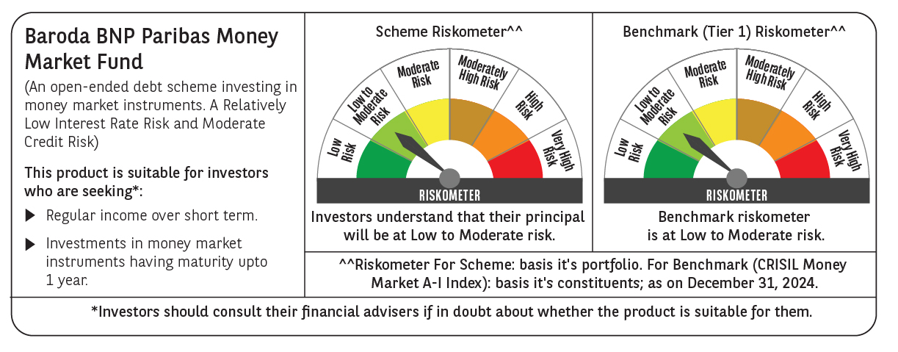
 | Baroda BNP Paribas Money Market Fund

 | Monthly Portfolio Statement as on December 31, 2024
 | Name of the Instrument | ISIN | Rating | Quantity | Market/Fair Value (Rs. in Lakhs) | % to Net Assets | YTM~ | YTC^ | null
 | Debt Instruments
 | (a) Listed / awaiting listing on Stock Exchange
GOI1399 | 8.15% State Government Securities (13/11/2025) | IN2120150064 | Sovereign | 2,500,000 | 2,526.03 | 5.99% | 6.99%
GOI2340 | 6.9% State Government Securities (16/10/2025) | IN3120190126 | Sovereign | 1,500,000 | 1,500.98 | 3.56% | 6.91%
 | Sub Total |  |  |  | 4,027.01 | 9.55%
 | (b) Privately placed / Unlisted |  |  |  | NIL | NIL
 | Sub Total |  |  |  | NIL | NIL
 | Total |  |  |  | 4,027.01 | 9.55%
 | Money Market Instruments
 | Certificate of Deposit
IBCL1171 | ICICI Bank Limited (27/06/2025) ** # | INE090AD6162 | ICRA A1+ | 600 | 2,895.20 | 6.87% | 7.47%
INBK423 | Indian Bank (13/03/2025) ** # | INE562A16MR8 | CRISIL A1+ | 500 | 2,465.23 | 5.85% | 7.25%
EXIM768 | Export Import Bank of India (24/03/2025) ** # | INE514E16CH3 | CRISIL A1+ | 500 | 2,460.21 | 5.83% | 7.20%
NBAR788 | National Bank For Agriculture and Rural Development (20/06/2025) ** # | INE261F16876 | CRISIL A1+ | 500 | 2,415.46 | 5.73% | 7.52%
UNBI395 | Union Bank of India (18/03/2025) ** # | INE692A16HP7 | FITCH A1+ | 400 | 1,970.16 | 4.67% | 7.28%
KMBK857 | Kotak Mahindra Bank Limited (09/05/2025) ** # | INE237A162X7 | CRISIL A1+ | 400 | 1,948.95 | 4.62% | 7.47%
PUBA1034 | Punjab National Bank (15/05/2025) ** # | INE160A16PF9 | CRISIL A1+ | 400 | 1,946.37 | 4.62% | 7.51%
CANB1011 | Canara Bank (28/05/2025) ** # | INE476A16ZL6 | CRISIL A1+ | 400 | 1,941.44 | 4.60% | 7.49%
IIBL975 | IndusInd Bank Limited (05/06/2025) ** # | INE095A16X51 | CRISIL A1+ | 400 | 1,937.55 | 4.59% | 7.59%
HDFB954 | HDFC Bank Limited (24/06/2025) # | INE040A16FA5 | CRISIL A1+ | 360 | 1,737.86 | 4.12% | 7.50%
UTIB1338 | Axis Bank Limited (16/05/2025) ** # | INE238AD6975 | CRISIL A1+ | 300 | 1,459.52 | 3.46% | 7.50%
HDFB961 | HDFC Bank Limited (25/07/2025) ** # | INE040A16FF4 | CARE A1+ | 300 | 1,438.91 | 3.41% | 7.56%
UTIB1323 | Axis Bank Limited (06/06/2025) ** # | INE238AD6835 | CRISIL A1+ | 280 | 1,356.29 | 3.22% | 7.54%
 | Sub Total |  |  |  | 25,973.15 | 61.59%
 | Commercial Paper
LICH677 | LIC Housing Finance Limited (14/05/2025) ** | INE115A14FA0 | CRISIL A1+ | 340 | 1,654.22 | 3.92% | 7.60%
KOMP1693 | Kotak Mahindra Prime Limited (05/02/2025) ** | INE916D143C6 | CRISIL A1+ | 320 | 1,588.57 | 3.77% | 7.51%
BCIP98 | Bahadur Chand Investments Pvt Limited (21/01/2025) ** | INE087M14BQ1 | ICRA A1+ | 300 | 1,493.30 | 3.54% | 8.19%
BGHP165 | Birla Group Holdings Private Limited (05/06/2025) ** | INE09OL14FY0 | CRISIL A1+ | 300 | 1,450.60 | 3.44% | 8.02%
PHFL151 | Piramal Capital & Housing Finance Limited (26/08/2025) ** | INE516Y14HJ6 | CRISIL A1+ | 300 | 1,419.32 | 3.37% | 8.76%
MUFL440 | Muthoot Finance Limited (01/12/2025) ** | INE414G14TY5 | CRISIL A1+ | 300 | 1,395.48 | 3.31% | 8.19%
TATP51 | Tata Projects Limited (05/03/2025) ** | INE725H14CG5 | CRISIL A1+ | 240 | 1,184.78 | 2.81% | 7.45%
EXIM791 | Export Import Bank of India (03/06/2025) | INE514E14SL6 | CRISIL A1+ | 200 | 969.68 | 2.30% | 7.46%
 | Sub Total |  |  |  | 11,155.95 | 26.46%
 | Total |  |  |  | 37,129.10 | 88.05%
 | Others
 | Corporate Debt Market Development Fund
CDMD50ME | Corporate Debt Market Development Fund # | INF0RQ622028 |  | 502 | 54.48 | 0.13%
 | Sub Total |  |  |  | 54.48 | 0.13%
 | Total |  |  |  | 54.48 | 0.13%
 | Reverse Repo / TREPS
TRP_010125 | Clearing Corporation of India Ltd |  |  |  | 860.07 | 2.04% | 6.58%
 | Sub Total |  |  |  | 860.07 | 2.04%
 | (b) Privately placed / Unlisted |  |  |  | NIL | NIL
 | Sub Total |  |  |  | NIL | NIL
 | Total |  |  |  | 860.07 | 2.04%
 | Net Receivables / (Payables) |  |  |  | 96.56 | 0.23%
 | GRAND TOTAL |  |  |  | 42,167.22 | 100.00%

 | ** Thinly Traded / Non Traded Security
 | # Unlisted Security
 | ~ YTM as on December 31, 2024
 | ^ YTC represents Yield to Call provided by valuation agencies as on December 31, 2024. It is disclosed for Perpetual Bond issued by Banks (i.e. AT-1 Bond / Tier 1 Bond / Tier 2 Bond), as per AMFI Best Practices Guidelines Circular no. 135/BP/91/2020-21 re

