YR52
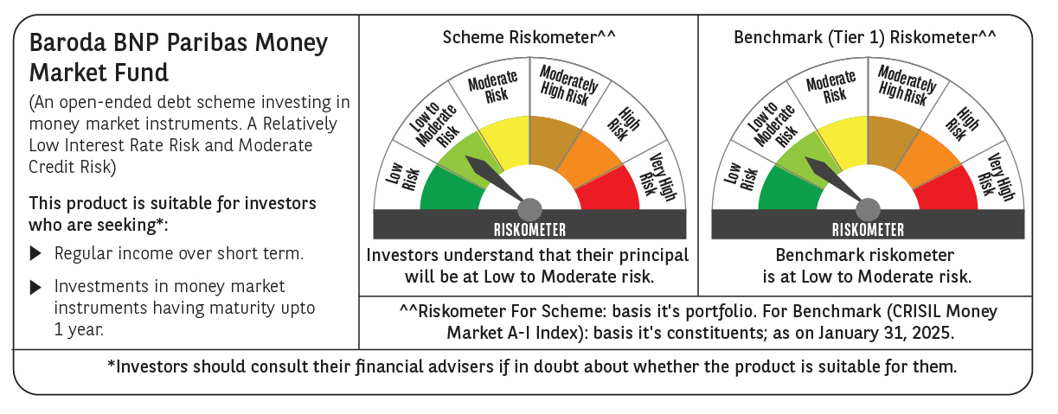

 | Baroda BNP Paribas Money Market Fund

 | Monthly Portfolio Statement as on January 31, 2025
 | Name of the Instrument | ISIN | Rating | Quantity | Market/Fair Value (Rs. in Lakhs) | % to Net Assets | YTM~ | YTC^ | null
 | Debt Instruments
 | (a) Listed / awaiting listing on Stock Exchange
GOI1399 | 8.15% State Government Securities (13/11/2025) | IN2120150064 | Sovereign | 3,000,000 | 3,029.80 | 5.58% | 6.92%
GOI2340 | 6.9% State Government Securities (16/10/2025) | IN3120190126 | Sovereign | 1,500,000 | 1,501.11 | 2.76% | 6.89%
 | Sub Total |  |  |  | 4,530.91 | 8.34%
 | (b) Privately placed / Unlisted |  |  |  | NIL | NIL
 | Sub Total |  |  |  | NIL | NIL
 | Total |  |  |  | 4,530.91 | 8.34%
 | Money Market Instruments
 | Certificate of Deposit
HDFB979 | HDFC Bank Limited (04/12/2025) # | INE040A16FY5 | CRISIL A1+ | 700 | 3,289.32 | 6.05% | 7.64%
UNBI416 | Union Bank of India (27/01/2026) ** # | INE692A16IM2 | FITCH A1+ | 700 | 3,256.24 | 5.99% | 7.59%
IBCL1171 | ICICI Bank Limited (27/06/2025) ** # | INE090AD6162 | ICRA A1+ | 600 | 2,911.66 | 5.36% | 7.58%
INBK423 | Indian Bank (13/03/2025) # | INE562A16MR8 | CRISIL A1+ | 500 | 2,480.21 | 4.57% | 7.28%
IIBL975 | IndusInd Bank Limited (05/06/2025) ** # | INE095A16X51 | CRISIL A1+ | 500 | 2,436.11 | 4.48% | 7.72%
SIDB563 | Small Industries Dev Bank of India (10/06/2025) ** # | INE556F16AS2 | CRISIL A1+ | 500 | 2,434.13 | 4.48% | 7.66%
NBAR788 | National Bank For Agriculture and Rural Development (20/06/2025) ** # | INE261F16876 | CRISIL A1+ | 500 | 2,429.46 | 4.47% | 7.63%
KMBK876 | Kotak Mahindra Bank Limited (28/01/2026) # | INE237A163Z0 | CRISIL A1+ | 500 | 2,326.08 | 4.28% | 7.56%
KMBK857 | Kotak Mahindra Bank Limited (09/05/2025) ** # | INE237A162X7 | CRISIL A1+ | 400 | 1,960.56 | 3.61% | 7.57%
PUBA1034 | Punjab National Bank (15/05/2025) ** # | INE160A16PF9 | CRISIL A1+ | 400 | 1,958.09 | 3.60% | 7.58%
CANB1011 | Canara Bank (28/05/2025) ** # | INE476A16ZL6 | CRISIL A1+ | 400 | 1,953.18 | 3.60% | 7.54%
UTIB1338 | Axis Bank Limited (16/05/2025) ** # | INE238AD6975 | CRISIL A1+ | 300 | 1,468.21 | 2.70% | 7.60%
UTIB1323 | Axis Bank Limited (06/06/2025) # | INE238AD6835 | CRISIL A1+ | 300 | 1,461.66 | 2.69% | 7.66%
CANB1030 | Canara Bank (21/01/2026) ** # | INE476A16A08 | CRISIL A1+ | 300 | 1,397.15 | 2.57% | 7.59%
NBAR810 | National Bank For Agriculture and Rural Development (22/01/2026) ** # | INE261F16900 | CRISIL A1+ | 300 | 1,396.50 | 2.57% | 7.62%
CANB1031 | Canara Bank (03/02/2026) ** # | INE476A16A24 | CRISIL A1+ | 200 | 929.37 | 1.71% | 7.56%
 | Sub Total |  |  |  | 34,087.93 | 62.73%
 | Commercial Paper
MOFS194 | Motilal Oswal Financial Services Limited (09/06/2025) | INE338I14HV3 | ICRA A1+ | 400 | 1,942.44 | 3.58% | 8.45%
TATP55 | Tata Projects Limited (12/12/2025) | INE725H14CO9 | CRISIL A1+ | 400 | 1,871.22 | 3.44% | 8.00%
JBCI168 | Julius Baer Capital India Pvt Ltd (23/12/2025) ** | INE824H14RF6 | CRISIL A1+ | 400 | 1,859.13 | 3.42% | 8.51%
LICH677 | LIC Housing Finance Limited (14/05/2025) ** | INE115A14FA0 | CRISIL A1+ | 340 | 1,664.24 | 3.06% | 7.69%
BGHP165 | Birla Group Holdings Private Limited (05/06/2025) ** | INE09OL14FY0 | CRISIL A1+ | 300 | 1,459.59 | 2.69% | 8.15%
PHFL151 | Piramal Capital & Housing Finance Limited (26/08/2025) ** | INE516Y14HJ6 | CRISIL A1+ | 300 | 1,429.02 | 2.63% | 8.80%
MUFL440 | Muthoot Finance Limited (01/12/2025) ** | INE414G14TY5 | CRISIL A1+ | 300 | 1,404.35 | 2.58% | 8.21%
EXIM791 | Export Import Bank of India (03/06/2025) | INE514E14SL6 | CRISIL A1+ | 200 | 975.32 | 1.80% | 7.57%
 | Sub Total |  |  |  | 12,605.31 | 23.20%
 | Total |  |  |  | 46,693.24 | 85.93%
 | Others
 | Corporate Debt Market Development Fund
CDMD50ME | Corporate Debt Market Development Fund # | INF0RQ622028 |  | 1,007 | 109.88 | 0.20%
 | Sub Total |  |  |  | 109.88 | 0.20%
 | Total |  |  |  | 109.88 | 0.20%
 | Reverse Repo / TREPS
TRP_030225 | Clearing Corporation of India Ltd |  |  |  | 3,715.20 | 6.84% | 6.54%
 | Sub Total |  |  |  | 3,715.20 | 6.84%
 | (b) Privately placed / Unlisted |  |  |  | NIL | NIL
 | Sub Total |  |  |  | NIL | NIL
 | Total |  |  |  | 3,715.20 | 6.84%
 | Net Receivables / (Payables) |  |  |  | (721.87) | (1.31)%
 | GRAND TOTAL |  |  |  | 54,327.36 | 100.00%

 | ** Thinly Traded / Non Traded Security
 | # Unlisted Security
 | ~ YTM as on January 31, 2025
 | ^ YTC represents Yield to Call provided by valuation agencies as on January 31, 2025. It is disclosed for Perpetual Bond issued by Banks (i.e. AT-1 Bond / Tier 1 Bond / Tier 2 Bond), as per AMFI Best Practices Guidelines Circular no. 135/BP/91/2020-21 read with SEBI circular No. SEBI/HO/IMD/DF4/CIR/P/2021/034 on Valuation of AT-1 Bonds and Tier 2 Bonds.

