Monthly Portfolio
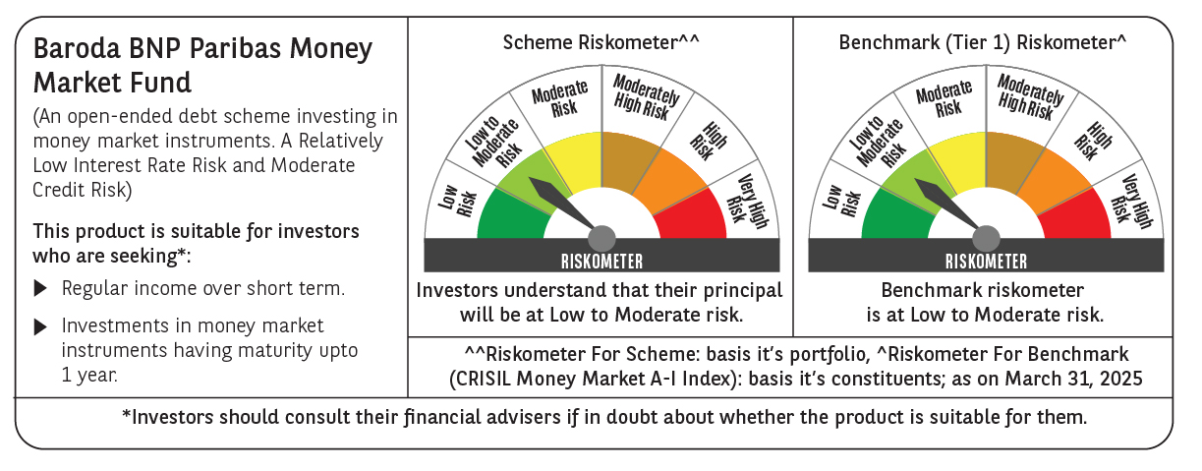

 | Baroda BNP Paribas Money Market Fund

 | Monthly Portfolio Statement as on March 31, 2025
 | Name of the Instrument | ISIN | Rating | Quantity | Market/Fair Value (Rs. in Lakhs) | % to Net Assets | YTM~ | YTC^ | null
 | Money Market Instruments
 | Certificate of Deposit
HDFB979 | HDFC Bank Limited (04/12/2025) ** # | INE040A16FY5 | CRISIL A1+ | 1,200 | 5,723.09 | 4.69% | 7.15%
INBK450 | Indian Bank (04/12/2025) # | INE562A16NQ8 | CRISIL A1+ | 1,000 | 4,768.06 | 3.91% | 7.19%
PUBA1067 | Punjab National Bank (11/12/2025) ** # | INE160A16QL5 | CRISIL A1+ | 1,000 | 4,761.75 | 3.91% | 7.19%
UTIB1347 | Axis Bank Limited (05/02/2026) ** # | INE238AD6AL4 | CRISIL A1+ | 1,000 | 4,710.93 | 3.86% | 7.23%
SIDB592 | Small Industries Dev Bank of India (27/02/2026) ** # | INE556F16BB6 | CRISIL A1+ | 1,000 | 4,692.88 | 3.85% | 7.19%
CANB1037 | Canara Bank (04/03/2026) ** # | INE476A16A73 | CRISIL A1+ | 1,000 | 4,690.57 | 3.85% | 7.15%
KMBK885 | Kotak Mahindra Bank Limited (19/03/2026) ** # | INE237A168Z9 | CRISIL A1+ | 1,000 | 4,677.26 | 3.84% | 7.16%
UNBI416 | Union Bank of India (27/01/2026) ** # | INE692A16IM2 | FITCH A1+ | 700 | 3,304.61 | 2.71% | 7.17%
INBK469 | Indian Bank (12/03/2026) # | INE562A16OI3 | CRISIL A1+ | 640 | 2,997.30 | 2.46% | 7.16%
IIBL975 | IndusInd Bank Limited (05/06/2025) ** # | INE095A16X51 | CRISIL A1+ | 500 | 2,468.42 | 2.02% | 7.19%
KMBK870 | Kotak Mahindra Bank Limited (28/11/2025) ** # | INE237A167Y4 | CRISIL A1+ | 500 | 2,387.45 | 1.96% | 7.14%
UNBI412 | Union Bank of India (18/12/2025) ** # | INE692A16II0 | FITCH A1+ | 500 | 2,378.12 | 1.95% | 7.17%
KMBK876 | Kotak Mahindra Bank Limited (28/01/2026) ** # | INE237A163Z0 | CRISIL A1+ | 500 | 2,360.27 | 1.94% | 7.16%
SIDB590 | Small Industries Dev Bank of India (06/02/2026) ** # | INE556F16BA8 | CRISIL A1+ | 500 | 2,355.59 | 1.93% | 7.20%
UTIB1349 | Axis Bank Limited (04/03/2026) ** # | INE238AD6AN0 | CRISIL A1+ | 500 | 2,343.66 | 1.92% | 7.23%
CANB1041 | Canara Bank (12/03/2026) ** # | INE476A16B23 | CRISIL A1+ | 500 | 2,341.85 | 1.92% | 7.15%
NBAR829 | National Bank For Agriculture and Rural Development (10/03/2026) ** # | INE261F16975 | CRISIL A1+ | 500 | 2,341.57 | 1.92% | 7.20%
SIDB596 | Small Industries Dev Bank of India (11/03/2026) ** # | INE556F16BD2 | CRISIL A1+ | 500 | 2,341.24 | 1.92% | 7.20%
USFB39 | Ujjivan Small Finance Bank Limited (19/03/2026) ** # | INE551W16BW8 | CRISIL A1+ | 500 | 2,316.38 | 1.90% | 8.22%
USFB40 | Ujjivan Small Finance Bank Limited (25/03/2026) ** # | INE551W16BY4 | CRISIL A1+ | 2,500,000 | 2,311.28 | 1.90% | 8.33%
HDFB983 | HDFC Bank Limited (18/12/2025) ** # | INE040A16GA3 | CARE A1+ | 440 | 2,092.99 | 1.72% | 7.15%
UNBI410 | Union Bank of India (10/12/2025) ** # | INE692A16IF6 | FITCH A1+ | 400 | 1,905.34 | 1.56% | 7.17%
CANB1030 | Canara Bank (21/01/2026) ** # | INE476A16A08 | CRISIL A1+ | 300 | 1,418.11 | 1.16% | 7.15%
NBAR810 | National Bank For Agriculture and Rural Development (22/01/2026) ** # | INE261F16900 | CRISIL A1+ | 300 | 1,417.25 | 1.16% | 7.20%
HDFB954 | HDFC Bank Limited (24/06/2025) ** # | INE040A16FA5 | CRISIL A1+ | 200 | 984.15 | 0.81% | 7.00%
CANB1031 | Canara Bank (03/02/2026) ** # | INE476A16A24 | CRISIL A1+ | 200 | 943.14 | 0.77% | 7.15%
 | Sub Total |  |  |  | 75,033.26 | 61.54%
 | Commercial Paper
POWF547 | Power Finance Corporation Limited (15/12/2025) ** | INE134E14AT4 | CRISIL A1+ | 1,000 | 4,759.17 | 3.90% | 7.16%
EXIM795 | Export Import Bank of India (27/01/2026) ** | INE514E14SO0 | CRISIL A1+ | 1,000 | 4,721.24 | 3.87% | 7.16%
LICH692 | LIC Housing Finance Limited (18/02/2026) ** | INE115A14FJ1 | CRISIL A1+ | 1,000 | 4,698.55 | 3.85% | 7.25%
HHFL222 | Hero Fincorp Limited (06/02/2026) ** | INE957N14JG7 | CRISIL A1+ | 800 | 3,751.92 | 3.08% | 7.76%
DIIP220 | Deutsche Investments India Pvt Limited (08/09/2025) ** | INE144H14HN4 | CRISIL A1+ | 500 | 2,418.57 | 1.98% | 7.68%
EOPR35 | Embassy Office Parks REIT (12/02/2026) ** | INE041014049 | CRISIL A1+ | 500 | 2,349.70 | 1.93% | 7.37%
EFIL120 | Nuvama Wealth Finance Limited (20/03/2026) ** | INE918K14CG0 | CRISIL A1+ | 500 | 2,301.67 | 1.89% | 8.91%
ICFP151 | IndoStar Capital Finance Limited (24/03/2026) ** | INE896L14EP3 | CRISIL A1+ | 500 | 2,287.46 | 1.88% | 9.50%
TATP55 | Tata Projects Limited (12/12/2025) ** | INE725H14CO9 | CRISIL A1+ | 400 | 1,900.87 | 1.56% | 7.47%
JBCI168 | Julius Baer Capital India Pvt Ltd (23/12/2025) ** | INE824H14RF6 | CRISIL A1+ | 400 | 1,892.88 | 1.55% | 7.77%
PHFL151 | Piramal Capital & Housing Finance Limited (26/08/2025) ** | INE516Y14HJ6 | CRISIL A1+ | 300 | 1,451.71 | 1.19% | 8.26%
MUFL440 | Muthoot Finance Limited (01/12/2025) ** | INE414G14TY5 | CRISIL A1+ | 300 | 1,427.52 | 1.17% | 7.60%
EXIM791 | Export Import Bank of India (03/06/2025) ** | INE514E14SL6 | CRISIL A1+ | 200 | 988.06 | 0.81% | 7.00%
 | Sub Total |  |  |  | 34,949.32 | 28.66%
 | Treasury Bill
TBIL2464 | 364 Days Tbill (MD 29/01/2026) | IN002024Z420 | Sovereign | 10,000,000 | 9,495.51 | 7.79% | 6.40%
 | Sub Total |  |  |  | 9,495.51 | 7.79%
 | Total |  |  |  | 119,478.09 | 97.99%
 | Others
 | Corporate Debt Market Development Fund
CDMD50ME | Corporate Debt Market Development Fund # | INF0RQ622028 |  | 1,007 | 111.13 | 0.09%
 | Sub Total |  |  |  | 111.13 | 0.09%
 | Total |  |  |  | 111.13 | 0.09%
 | Reverse Repo / TREPS
TRP_020425 | Clearing Corporation of India Ltd |  |  |  | 2,202.33 | 1.81% | 6.30%
 | Sub Total |  |  |  | 2,202.33 | 1.81%
 | Total |  |  |  | 2,202.33 | 1.81%
 | Net Receivables / (Payables) |  |  |  | 124.91 | 0.11%
 | GRAND TOTAL |  |  |  | 121,916.46 | 100.00%

 | ** Thinly Traded / Non Traded Security
 | # Unlisted Security
 | ~ YTM as on March 31, 2025
 | ^ YTC represents Yield to Call provided by valuation agencies as on March 31, 2025. It is disclosed for Perpetual Bond issued by Banks (i.e. AT-1 Bond / Tier 1 Bond / Tier 2 Bond), as per AMFI Best Practices Guidelines Circular no. 135/BP/91/2020-21 read with SEBI circular No. SEBI/HO/IMD/DF4/CIR/P/2021/034 on Valuation of AT-1 Bonds and Tier 2 Bonds.

