YR52
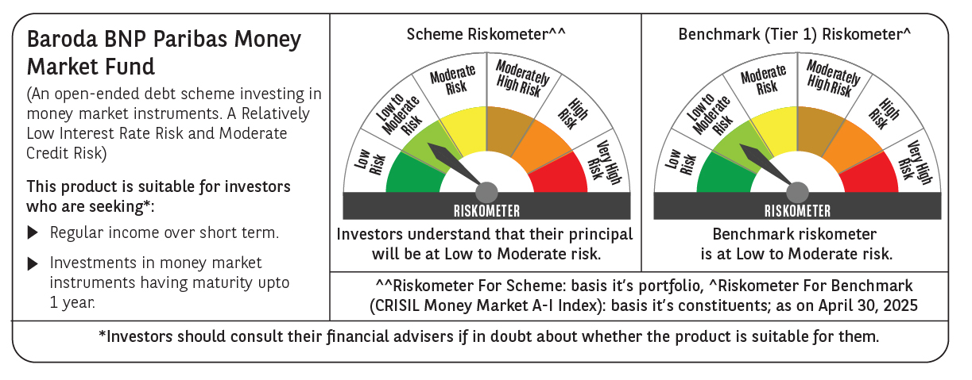

 | Baroda BNP Paribas Money Market Fund

 | Monthly Portfolio Statement as on April 30, 2025
 | Name of the Instrument | ISIN | Rating | Quantity | Market/Fair Value (Rs. in Lakhs) | % to Net Assets | YTM~ | YTC^ | null
 | Debt Instruments
 | (a) Listed / awaiting listing on Stock Exchange
GOI1347 | 8.23% State Government Securities (09/09/2025) | IN1520150047 | Sovereign | 2,500,000 | 2,517.39 | 1.68% | 6.10%
GOI2340 | 6.9% State Government Securities (16/10/2025) | IN3120190126 | Sovereign | 1,500,000 | 1,505.26 | 1.00% | 6.07%
 | Sub Total |  |  |  | 4,022.65 | 2.68%
 | (b) Privately placed / Unlisted |  |  |  | NIL | NIL
 | Sub Total |  |  |  | NIL | NIL
 | Total |  |  |  | 4,022.65 | 2.68%
 | Money Market Instruments
 | Certificate of Deposit
HDFB979 | HDFC Bank Limited (04/12/2025) ** # | INE040A16FY5 | CRISIL A1+ | 1,200 | 5,770.16 | 3.84% | 6.70%
IBCL1176 | ICICI Bank Limited (14/11/2025) ** # | INE090AD6204 | ICRA A1+ | 1,000 | 4,826.14 | 3.21% | 6.67%
INBK450 | Indian Bank (04/12/2025) ** # | INE562A16NQ8 | CRISIL A1+ | 1,000 | 4,809.15 | 3.20% | 6.68%
UNBI412 | Union Bank of India (18/12/2025) # | INE692A16II0 | FITCH A1+ | 1,000 | 4,796.61 | 3.19% | 6.70%
EXIM793 | Export Import Bank of India (30/12/2025) # | INE514E16CI1 | CRISIL A1+ | 1,000 | 4,787.11 | 3.19% | 6.68%
UTIB1347 | Axis Bank Limited (05/02/2026) ** # | INE238AD6AL4 | CRISIL A1+ | 1,000 | 4,755.18 | 3.17% | 6.71%
SIDB592 | Small Industries Dev Bank of India (27/02/2026) ** # | INE556F16BB6 | CRISIL A1+ | 1,000 | 4,737.01 | 3.15% | 6.71%
CANB1037 | Canara Bank (04/03/2026) # | INE476A16A73 | CRISIL A1+ | 1,000 | 4,734.02 | 3.15% | 6.68%
NBAR835 | National Bank For Agriculture and Rural Development (13/03/2026) ** # | INE261F16983 | CRISIL A1+ | 1,000 | 4,725.88 | 3.15% | 6.70%
KMBK885 | Kotak Mahindra Bank Limited (19/03/2026) ** # | INE237A168Z9 | CRISIL A1+ | 1,000 | 4,722.34 | 3.14% | 6.67%
UNBI416 | Union Bank of India (27/01/2026) ** # | INE692A16IM2 | FITCH A1+ | 700 | 3,334.26 | 2.22% | 6.70%
INBK469 | Indian Bank (12/03/2026) ** # | INE562A16OI3 | CRISIL A1+ | 640 | 3,025.82 | 2.01% | 6.67%
IIBL975 | IndusInd Bank Limited (05/06/2025) ** # | INE095A16X51 | CRISIL A1+ | 500 | 2,484.16 | 1.65% | 6.65%
UTIB1327 | Axis Bank Limited (22/08/2025) ** # | INE238AD6884 | CRISIL A1+ | 500 | 2,449.50 | 1.63% | 6.66%
KMBK870 | Kotak Mahindra Bank Limited (28/11/2025) ** # | INE237A167Y4 | CRISIL A1+ | 500 | 2,407.18 | 1.60% | 6.67%
PUBA1064 | Punjab National Bank (05/12/2025) # | INE160A16QM3 | CRISIL A1+ | 500 | 2,404.22 | 1.60% | 6.67%
KMBK876 | Kotak Mahindra Bank Limited (28/01/2026) ** # | INE237A163Z0 | CRISIL A1+ | 500 | 2,381.71 | 1.59% | 6.67%
SIDB590 | Small Industries Dev Bank of India (06/02/2026) ** # | INE556F16BA8 | CRISIL A1+ | 500 | 2,377.20 | 1.58% | 6.71%
NBAR823 | National Bank For Agriculture and Rural Development (17/02/2026) ** # | INE261F16959 | ICRA A1+ | 500 | 2,372.82 | 1.58% | 6.70%
UTIB1349 | Axis Bank Limited (04/03/2026) ** # | INE238AD6AN0 | CRISIL A1+ | 500 | 2,366.42 | 1.58% | 6.71%
NBAR829 | National Bank For Agriculture and Rural Development (10/03/2026) ** # | INE261F16975 | CRISIL A1+ | 500 | 2,364.17 | 1.57% | 6.70%
CANB1041 | Canara Bank (12/03/2026) ** # | INE476A16B23 | CRISIL A1+ | 500 | 2,363.64 | 1.57% | 6.68%
SIDB596 | Small Industries Dev Bank of India (11/03/2026) ** # | INE556F16BD2 | CRISIL A1+ | 500 | 2,363.57 | 1.57% | 6.71%
USFB39 | Ujjivan Small Finance Bank Limited (19/03/2026) ** # | INE551W16BW8 | CRISIL A1+ | 500 | 2,339.05 | 1.56% | 7.80%
USFB40 | Ujjivan Small Finance Bank Limited (25/03/2026) ** # | INE551W16BY4 | CRISIL A1+ | 500 | 2,336.25 | 1.56% | 7.80%
HDFB983 | HDFC Bank Limited (18/12/2025) # | INE040A16GA3 | CARE A1+ | 440 | 2,110.51 | 1.41% | 6.70%
UNBI410 | Union Bank of India (10/12/2025) # | INE692A16IF6 | FITCH A1+ | 400 | 1,921.35 | 1.28% | 6.70%
CANB1030 | Canara Bank (21/01/2026) ** # | INE476A16A08 | CRISIL A1+ | 300 | 1,430.57 | 0.95% | 6.68%
NBAR810 | National Bank For Agriculture and Rural Development (22/01/2026) ** # | INE261F16900 | CRISIL A1+ | 300 | 1,430.17 | 0.95% | 6.70%
CANB1031 | Canara Bank (03/02/2026) ** # | INE476A16A24 | CRISIL A1+ | 200 | 951.55 | 0.63% | 6.69%
 | Sub Total |  |  |  | 93,877.72 | 62.48%
 | Commercial Paper
POWF547 | Power Finance Corporation Limited (15/12/2025) ** | INE134E14AT4 | CRISIL A1+ | 1,500 | 7,198.07 | 4.79% | 6.72%
EXIM795 | Export Import Bank of India (27/01/2026) ** | INE514E14SO0 | CRISIL A1+ | 1,000 | 4,763.23 | 3.17% | 6.70%
LICH692 | LIC Housing Finance Limited (18/02/2026) ** | INE115A14FJ1 | CRISIL A1+ | 1,000 | 4,741.56 | 3.16% | 6.79%
HHFL222 | Hero Fincorp Limited (06/02/2026) ** | INE957N14JG7 | CRISIL A1+ | 800 | 3,785.09 | 2.52% | 7.38%
DIIP220 | Deutsche Investments India Pvt Limited (08/09/2025) ** | INE144H14HN4 | CRISIL A1+ | 500 | 2,437.47 | 1.62% | 7.20%
EOPR35 | Embassy Office Parks REIT (12/02/2026) ** | INE041014049 | CRISIL A1+ | 500 | 2,368.08 | 1.58% | 7.09%
EFIL120 | Nuvama Wealth Finance Limited (20/03/2026) ** | INE918K14CG0 | CRISIL A1+ | 500 | 2,323.96 | 1.55% | 8.56%
ICFP151 | IndoStar Capital Finance Limited (24/03/2026) ** | INE896L14EP3 | CRISIL A1+ | 500 | 2,309.35 | 1.54% | 9.22%
TATP55 | Tata Projects Limited (12/12/2025) ** | INE725H14CO9 | CRISIL A1+ | 400 | 1,916.99 | 1.28% | 7.02%
JBCI168 | Julius Baer Capital India Pvt Ltd (23/12/2025) ** | INE824H14RF6 | CRISIL A1+ | 400 | 1,908.68 | 1.27% | 7.40%
PHFL151 | Piramal Capital & Housing Finance Limited (26/08/2025) ** | INE516Y14HJ6 | CRISIL A1+ | 300 | 1,463.18 | 0.97% | 7.85%
MUFL440 | Muthoot Finance Limited (01/12/2025) ** | INE414G14TY5 | CRISIL A1+ | 300 | 1,438.44 | 0.96% | 7.30%
EXIM791 | Export Import Bank of India (03/06/2025) ** | INE514E14SL6 | CRISIL A1+ | 200 | 994.15 | 0.66% | 6.51%
 | Sub Total |  |  |  | 37,648.25 | 25.07%
 | Treasury Bill
TBIL2464 | 364 Days Tbill (MD 29/01/2026) | IN002024Z420 | Sovereign | 10,000,000 | 9,577.05 | 6.38% | 5.90%
 | Sub Total |  |  |  | 9,577.05 | 6.38%
 | Total |  |  |  | 141,103.02 | 93.93%
 | Others
 | Corporate Debt Market Development Fund
CDMD50ME | Corporate Debt Market Development Fund # | INF0RQ622028 |  | 1,007 | 111.97 | 0.07%
 | Sub Total |  |  |  | 111.97 | 0.07%
 | Total |  |  |  | 111.97 | 0.07%
 | Reverse Repo / TREPS
TRP_020525 | Clearing Corporation of India Ltd |  |  |  | 6,368.86 | 4.24% | 5.94%
 | Sub Total |  |  |  | 6,368.86 | 4.24%
 | (b) Privately placed / Unlisted |  |  |  | NIL | NIL
 | Sub Total |  |  |  | NIL | NIL
 | Total |  |  |  | 6,368.86 | 4.24%
 | Net Receivables / (Payables) |  |  |  | (1,400.18) | (0.92)%
 | GRAND TOTAL |  |  |  | 150,206.32 | 100.00%

 | ** Thinly Traded / Non Traded Security
 | # Unlisted Security
 | ~ YTM as on April 30, 2025
 | ^ YTC represents Yield to Call provided by valuation agencies as on April 30, 2025. It is disclosed for Perpetual Bond issued by Banks (i.e. AT-1 Bond / Tier 1 Bond / Tier 2 Bond), as per AMFI Best Practices Guidelines Circular no. 135/BP/91/2020-21 read with SEBI circular No. SEBI/HO/IMD/DF4/CIR/P/2021/034 on Valuation of AT-1 Bonds and Tier 2 Bonds.

