YR52
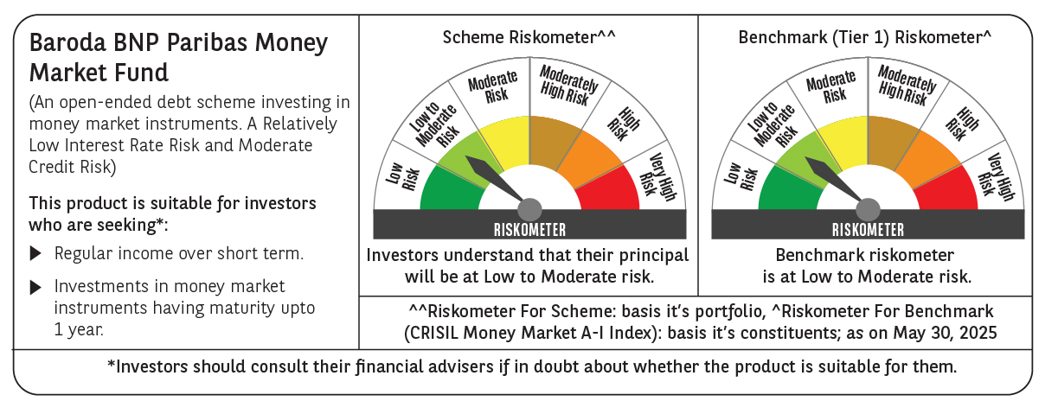

 | Baroda BNP Paribas Money Market Fund

 | Monthly Portfolio Statement as on May 31, 2025
 | Name of the Instrument | ISIN | Rating | Quantity | Market/Fair Value (Rs. in Lakhs) | % to Net Assets | YTM~ | YTC^ | null
 | Debt Instruments
 | (a) Listed / awaiting listing on Stock Exchange
GOI1347 | 8.23% State Government Securities (09/09/2025) | IN1520150047 | Sovereign | 2,500,000 | 2,515.37 | 1.60% | 5.79%
GOI2340 | 6.9% State Government Securities (16/10/2025) | IN3120190126 | Sovereign | 1,500,000 | 1,505.89 | 0.96% | 5.78%
GOI4831 | 7.47% State Government Securities (27/10/2025) | IN1520220147 | Sovereign | 1,000,000 | 1,006.54 | 0.64% | 5.78%
 | Sub Total |  |  |  | 5,027.80 | 3.20%
 | (b) Privately placed / Unlisted |  |  |  | NIL | NIL
 | Sub Total |  |  |  | NIL | NIL
 | Total |  |  |  | 5,027.80 | 3.20%
 | Money Market Instruments
 | Certificate of Deposit
HDFB979 | HDFC Bank Limited (04/12/2025) ** # | INE040A16FY5 | CRISIL A1+ | 1,500 | 7,261.15 | 4.63% | 6.46%
IBCL1176 | ICICI Bank Limited (14/11/2025) # | INE090AD6204 | ICRA A1+ | 1,000 | 4,858.58 | 3.10% | 6.40%
UTIB1339 | Axis Bank Limited (13/11/2025) # | INE238AD6983 | CRISIL A1+ | 1,000 | 4,858.20 | 3.10% | 6.46%
HDFB983 | HDFC Bank Limited (18/12/2025) ** # | INE040A16GA3 | CARE A1+ | 1,000 | 4,829.19 | 3.08% | 6.46%
EXIM793 | Export Import Bank of India (30/12/2025) ** # | INE514E16CI1 | CRISIL A1+ | 1,000 | 4,820.26 | 3.07% | 6.42%
SIDB592 | Small Industries Dev Bank of India (27/02/2026) ** # | INE556F16BB6 | CRISIL A1+ | 1,000 | 4,771.92 | 3.04% | 6.44%
CANB1037 | Canara Bank (04/03/2026) ** # | INE476A16A73 | CRISIL A1+ | 1,000 | 4,769.20 | 3.04% | 6.40%
NBAR835 | National Bank For Agriculture and Rural Development (13/03/2026) ** # | INE261F16983 | CRISIL A1+ | 1,000 | 4,761.68 | 3.03% | 6.41%
KMBK885 | Kotak Mahindra Bank Limited (19/03/2026) ** # | INE237A168Z9 | CRISIL A1+ | 1,000 | 4,757.72 | 3.03% | 6.39%
INBK469 | Indian Bank (12/03/2026) ** # | INE562A16OI3 | CRISIL A1+ | 640 | 3,047.98 | 1.94% | 6.41%
KMBK870 | Kotak Mahindra Bank Limited (28/11/2025) ** # | INE237A167Y4 | CRISIL A1+ | 500 | 2,423.48 | 1.54% | 6.40%
PUBA1064 | Punjab National Bank (05/12/2025) ** # | INE160A16QM3 | CRISIL A1+ | 500 | 2,420.03 | 1.54% | 6.45%
SIDB581 | Small Industries Dev Bank of India (05/12/2025) # | INE556F16AX2 | CRISIL A1+ | 500 | 2,419.73 | 1.54% | 6.48%
KMBK876 | Kotak Mahindra Bank Limited (28/01/2026) ** # | INE237A163Z0 | CRISIL A1+ | 500 | 2,398.68 | 1.53% | 6.40%
UTIB1347 | Axis Bank Limited (05/02/2026) ** # | INE238AD6AL4 | CRISIL A1+ | 500 | 2,394.71 | 1.53% | 6.45%
SIDB590 | Small Industries Dev Bank of India (06/02/2026) ** # | INE556F16BA8 | CRISIL A1+ | 500 | 2,394.43 | 1.53% | 6.44%
NBAR823 | National Bank For Agriculture and Rural Development (17/02/2026) ** # | INE261F16959 | ICRA A1+ | 500 | 2,390.35 | 1.52% | 6.42%
NBAR829 | National Bank For Agriculture and Rural Development (10/03/2026) ** # | INE261F16975 | CRISIL A1+ | 500 | 2,382.04 | 1.52% | 6.41%
SIDB596 | Small Industries Dev Bank of India (11/03/2026) ** # | INE556F16BD2 | CRISIL A1+ | 500 | 2,381.24 | 1.52% | 6.43%
USFB39 | Ujjivan Small Finance Bank Limited (19/03/2026) ** # | INE551W16BW8 | CRISIL A1+ | 500 | 2,363.66 | 1.51% | 7.24%
USFB40 | Ujjivan Small Finance Bank Limited (25/03/2026) ** # | INE551W16BY4 | CRISIL A1+ | 500 | 2,361.01 | 1.50% | 7.24%
INBK477 | Indian Bank (06/05/2026) ** # | INE562A16OS2 | CRISIL A1+ | 500 | 2,357.57 | 1.50% | 6.50%
UNBI410 | Union Bank of India (10/12/2025) ** # | INE692A16IF6 | FITCH A1+ | 400 | 1,934.49 | 1.23% | 6.44%
CANB1030 | Canara Bank (21/01/2026) ** # | INE476A16A08 | CRISIL A1+ | 300 | 1,440.79 | 0.92% | 6.41%
NBAR810 | National Bank For Agriculture and Rural Development (22/01/2026) ** # | INE261F16900 | CRISIL A1+ | 300 | 1,440.46 | 0.92% | 6.42%
CANB1031 | Canara Bank (03/02/2026) ** # | INE476A16A24 | CRISIL A1+ | 200 | 958.46 | 0.61% | 6.41%
 | Sub Total |  |  |  | 83,197.01 | 53.02%
 | Commercial Paper
POWF547 | Power Finance Corporation Limited (15/12/2025) ** | INE134E14AT4 | CRISIL A1+ | 1,500 | 7,246.62 | 4.62% | 6.48%
EXIM795 | Export Import Bank of India (27/01/2026) ** | INE514E14SO0 | CRISIL A1+ | 1,000 | 4,797.48 | 3.06% | 6.42%
LICH692 | LIC Housing Finance Limited (18/02/2026) ** | INE115A14FJ1 | CRISIL A1+ | 1,000 | 4,775.31 | 3.04% | 6.56%
MNGF325 | Manappuram Finance Limited (22/05/2026) ** | INE522D14OL0 | CRISIL A1+ | 1,000 | 4,635.49 | 2.95% | 8.09%
HHFL222 | Hero Fincorp Limited (06/02/2026) ** | INE957N14JG7 | CRISIL A1+ | 800 | 3,813.13 | 2.43% | 7.16%
DIIP220 | Deutsche Investments India Pvt Limited (08/09/2025) ** | INE144H14HN4 | CRISIL A1+ | 500 | 2,453.40 | 1.56% | 7.00%
EXIM788 | Export Import Bank of India (10/11/2025) ** | INE514E14SI2 | CRISIL A1+ | 500 | 2,430.79 | 1.55% | 6.42%
TATP55 | Tata Projects Limited (12/12/2025) ** | INE725H14CO9 | CRISIL A1+ | 500 | 2,413.48 | 1.54% | 6.75%
EBRL34 | Nuvama Wealth And Invest Ltd (24/11/2025) ** | INE523L14930 | CRISIL A1+ | 500 | 2,402.85 | 1.53% | 8.39%
EOPR35 | Embassy Office Parks REIT (12/02/2026) ** | INE041014049 | CRISIL A1+ | 500 | 2,386.28 | 1.52% | 6.80%
ICFP154 | IndoStar Capital Finance Limited (12/12/2025) ** | INE896L14ET5 | CRISIL A1+ | 500 | 2,383.45 | 1.52% | 9.20%
EFIL120 | Nuvama Wealth Finance Limited (20/03/2026) ** | INE918K14CG0 | CRISIL A1+ | 500 | 2,340.83 | 1.49% | 8.50%
ICFP151 | IndoStar Capital Finance Limited (24/03/2026) ** | INE896L14EP3 | CRISIL A1+ | 500 | 2,326.78 | 1.48% | 9.18%
JBCI168 | Julius Baer Capital India Pvt Ltd (23/12/2025) ** | INE824H14RF6 | CRISIL A1+ | 400 | 1,922.16 | 1.22% | 7.21%
PHFL151 | Piramal Finance Limited (26/08/2025) ** | INE516Y14HJ6 | CRISIL A1+ | 300 | 1,473.70 | 0.94% | 7.58%
MUFL440 | Muthoot Finance Limited (01/12/2025) ** | INE414G14TY5 | CRISIL A1+ | 300 | 1,447.84 | 0.92% | 7.19%
 | Sub Total |  |  |  | 49,249.59 | 31.37%
 | Treasury Bill
TBIL2464 | 364 Days Tbill (MD 29/01/2026) | IN002024Z420 | Sovereign | 10,000,000 | 9,642.00 | 6.14% | 5.60%
 | Sub Total |  |  |  | 9,642.00 | 6.14%
 | Total |  |  |  | 142,088.60 | 90.53%
 | Others
 | Corporate Debt Market Development Fund
CDMD50ME | Corporate Debt Market Development Fund # | INF0RQ622028 |  | 1,007 | 112.70 | 0.07%
 | Sub Total |  |  |  | 112.70 | 0.07%
 | Total |  |  |  | 112.70 | 0.07%
 | Reverse Repo / TREPS
TRP_020625 | Clearing Corporation of India Ltd |  |  |  | 9,381.51 | 5.98% | 5.77%
 | Sub Total |  |  |  | 9,381.51 | 5.98%
 | (b) Privately placed / Unlisted |  |  |  | NIL | NIL
 | Sub Total |  |  |  | NIL | NIL
 | Total |  |  |  | 9,381.51 | 5.98%
 | Net Receivables / (Payables) |  |  |  | 311.09 | 0.22%
 | GRAND TOTAL |  |  |  | 156,921.70 | 100.00%

 | ** Thinly Traded / Non Traded Security
 | # Unlisted Security
 | ~ YTM as on May 31, 2025
 | ^ YTC represents Yield to Call provided by valuation agencies as on May 31, 2025. It is disclosed for Perpetual Bond issued by Banks (i.e. AT-1 Bond / Tier 1 Bond / Tier 2 Bond), as per AMFI Best Practices Guidelines Circular no. 135/BP/91/2020-21 read with SEBI circular No. SEBI/HO/IMD/DF4/CIR/P/2021/034 on Valuation of AT-1 Bonds and Tier 2 Bonds.

