YR52
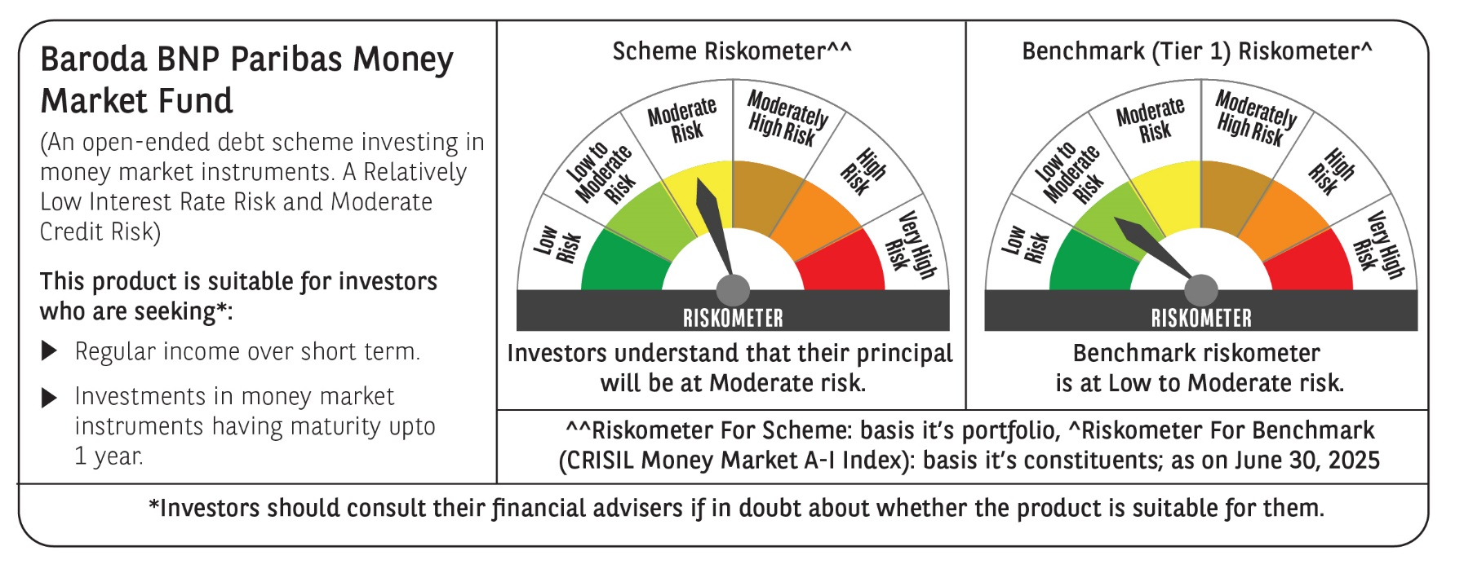

 | Baroda BNP Paribas Money Market Fund

 | Monthly Portfolio Statement as on June 30, 2025
 | Name of the Instrument | ISIN | Rating | Quantity | Market/Fair Value (Rs. in Lakhs) | % to Net Assets | YTM~ | YTC^ | null
 | Debt Instruments
 | (a) Listed / awaiting listing on Stock Exchange
GOI1347 | 8.23% State Government Securities (09/09/2025) | IN1520150047 | Sovereign | 2,500,000 | 2,511.45 | 1.64% | 5.55%
GOI2340 | 6.9% State Government Securities (16/10/2025) | IN3120190126 | Sovereign | 1,500,000 | 1,504.99 | 0.98% | 5.63%
GOI4831 | 7.47% State Government Securities (27/10/2025) | IN1520220147 | Sovereign | 1,000,000 | 1,005.51 | 0.66% | 5.64%
 | Sub Total |  |  |  | 5,021.95 | 3.28%
 | (b) Privately placed / Unlisted |  |  |  | NIL | NIL
 | Sub Total |  |  |  | NIL | NIL
 | Total |  |  |  | 5,021.95 | 3.28%
 | Money Market Instruments
 | Certificate of Deposit
HDFB979 | HDFC Bank Limited (04/12/2025) # | INE040A16FY5 | CRISIL A1+ | 1,500 | 7,308.52 | 4.77% | 6.13%
IBCL1176 | ICICI Bank Limited (14/11/2025) # | INE090AD6204 | ICRA A1+ | 1,000 | 4,889.42 | 3.19% | 6.07%
UTIB1339 | Axis Bank Limited (13/11/2025) ** # | INE238AD6983 | CRISIL A1+ | 1,000 | 4,889.33 | 3.19% | 6.12%
CANB1016 | Canara Bank (05/12/2025) ** # | INE476A16ZP7 | CRISIL A1+ | 1,000 | 4,872.16 | 3.18% | 6.10%
PUBA1064 | Punjab National Bank (05/12/2025) ** # | INE160A16QM3 | CRISIL A1+ | 1,000 | 4,871.76 | 3.18% | 6.12%
HDFB983 | HDFC Bank Limited (18/12/2025) # | INE040A16GA3 | CARE A1+ | 1,000 | 4,861.28 | 3.17% | 6.13%
SIDB592 | Small Industries Dev Bank of India (27/02/2026) ** # | INE556F16BB6 | CRISIL A1+ | 1,000 | 4,801.84 | 3.13% | 6.25%
CANB1037 | Canara Bank (04/03/2026) ** # | INE476A16A73 | CRISIL A1+ | 1,000 | 4,799.61 | 3.13% | 6.20%
NBAR835 | National Bank For Agriculture and Rural Development (13/03/2026) # | INE261F16983 | CRISIL A1+ | 1,000 | 4,791.46 | 3.13% | 6.23%
KMBK885 | Kotak Mahindra Bank Limited (19/03/2026) ** # | INE237A168Z9 | CRISIL A1+ | 1,000 | 4,788.73 | 3.13% | 6.17%
EXIM808 | Export Import Bank of India (11/06/2026) ** # | INE514E16CM3 | CRISIL A1+ | 700 | 3,304.48 | 2.16% | 6.26%
INBK469 | Indian Bank (12/03/2026) ** # | INE562A16OI3 | CRISIL A1+ | 640 | 3,067.95 | 2.00% | 6.19%
UTIB1340 | Axis Bank Limited (12/11/2025) ** # | INE238AD6991 | CRISIL A1+ | 600 | 2,934.08 | 1.92% | 6.12%
KMBK870 | Kotak Mahindra Bank Limited (28/11/2025) # | INE237A167Y4 | CRISIL A1+ | 500 | 2,438.86 | 1.59% | 6.10%
UNBI408 | Union Bank of India (05/12/2025) ** # | INE692A16ID1 | ICRA A1+ | 500 | 2,435.98 | 1.59% | 6.11%
SIDB581 | Small Industries Dev Bank of India (05/12/2025) # | INE556F16AX2 | CRISIL A1+ | 500 | 2,435.88 | 1.59% | 6.12%
UNBI410 | Union Bank of India (10/12/2025) # | INE692A16IF6 | FITCH A1+ | 500 | 2,433.89 | 1.59% | 6.12%
UTIB1347 | Axis Bank Limited (05/02/2026) ** # | INE238AD6AL4 | CRISIL A1+ | 500 | 2,409.92 | 1.57% | 6.23%
SIDB590 | Small Industries Dev Bank of India (06/02/2026) ** # | INE556F16BA8 | CRISIL A1+ | 500 | 2,409.24 | 1.57% | 6.25%
NBAR823 | National Bank For Agriculture and Rural Development (17/02/2026) ** # | INE261F16959 | ICRA A1+ | 500 | 2,405.32 | 1.57% | 6.22%
NBAR829 | National Bank For Agriculture and Rural Development (10/03/2026) ** # | INE261F16975 | CRISIL A1+ | 500 | 2,396.90 | 1.56% | 6.23%
SIDB596 | Small Industries Dev Bank of India (11/03/2026) ** # | INE556F16BD2 | CRISIL A1+ | 500 | 2,396.19 | 1.56% | 6.25%
USFB39 | Ujjivan Small Finance Bank Limited (19/03/2026) ** # | INE551W16BW8 | CRISIL A1+ | 500 | 2,380.34 | 1.55% | 7.03%
USFB40 | Ujjivan Small Finance Bank Limited (25/03/2026) ** # | INE551W16BY4 | CRISIL A1+ | 500 | 2,377.73 | 1.55% | 7.03%
UNBI444 | Union Bank of India (25/06/2026) ** # | INE692A16JQ1 | ICRA A1+ | 500 | 2,353.26 | 1.54% | 6.34%
UTIB1363 | Axis Bank Limited (25/06/2026) ** # | INE238AD6AZ4 | CRISIL A1+ | 500 | 2,352.60 | 1.54% | 6.37%
CANB1031 | Canara Bank (03/02/2026) ** # | INE476A16A24 | CRISIL A1+ | 200 | 964.48 | 0.63% | 6.20%
 | Sub Total |  |  |  | 92,371.21 | 60.28%
 | Commercial Paper
POWF547 | Power Finance Corporation Limited (15/12/2025) ** | INE134E14AT4 | CRISIL A1+ | 1,500 | 7,294.74 | 4.76% | 6.15%
LICH692 | LIC Housing Finance Limited (18/02/2026) ** | INE115A14FJ1 | CRISIL A1+ | 1,000 | 4,806.76 | 3.14% | 6.33%
MNGF325 | Manappuram Finance Limited (22/05/2026) ** | INE522D14OL0 | CRISIL A1+ | 1,000 | 4,677.06 | 3.05% | 7.75%
MUFI85 | Muthoot Fincorp Ltd (23/06/2026) ** | INE549K14BZ5 | CRISIL A1+ | 1,000 | 4,603.96 | 3.01% | 8.80%
HHFL222 | Hero Fincorp Limited (06/02/2026) ** | INE957N14JG7 | CRISIL A1+ | 800 | 3,840.18 | 2.51% | 6.91%
EXIM788 | Export Import Bank of India (10/11/2025) ** | INE514E14SI2 | CRISIL A1+ | 500 | 2,445.91 | 1.60% | 6.12%
TATP55 | Tata Projects Limited (12/12/2025) ** | INE725H14CO9 | CRISIL A1+ | 500 | 2,429.64 | 1.59% | 6.45%
EBRL34 | Nuvama Wealth And Invest Ltd (24/11/2025) ** | INE523L14930 | CRISIL A1+ | 500 | 2,421.17 | 1.58% | 8.14%
EOPR35 | Embassy Office Parks REIT (12/02/2026) ** | INE041014049 | CRISIL A1+ | 500 | 2,404.28 | 1.57% | 6.43%
ICFP154 | IndoStar Capital Finance Limited (12/12/2025) ** | INE896L14ET5 | CRISIL A1+ | 500 | 2,403.77 | 1.57% | 8.91%
DIIP225 | Deutsche Investments India Pvt Limited (27/02/2026) ** | INE144H14HQ7 | CRISIL A1+ | 500 | 2,390.31 | 1.56% | 6.95%
EFIL120 | Nuvama Wealth Finance Limited (20/03/2026) ** | INE918K14CG0 | CRISIL A1+ | 500 | 2,358.87 | 1.54% | 8.34%
ICFP151 | IndoStar Capital Finance Limited (24/03/2026) ** | INE896L14EP3 | CRISIL A1+ | 500 | 2,345.88 | 1.53% | 9.02%
JBCI168 | Julius Baer Capital India Pvt Ltd (23/12/2025) ** | INE824H14RF6 | CRISIL A1+ | 400 | 1,935.73 | 1.26% | 6.93%
PHFL151 | Piramal Finance Limited (26/08/2025) ** | INE516Y14HJ6 | CRISIL A1+ | 300 | 1,483.81 | 0.97% | 7.11%
MUFL440 | Muthoot Finance Limited (01/12/2025) ** | INE414G14TY5 | CRISIL A1+ | 300 | 1,458.16 | 0.95% | 6.85%
 | Sub Total |  |  |  | 49,300.23 | 32.19%
 | Treasury Bill
TBIL2464 | 364 Days Tbill (MD 29/01/2026) | IN002024Z420 | Sovereign | 10,000,000 | 9,689.89 | 6.33% | 5.51%
 | Sub Total |  |  |  | 9,689.89 | 6.33%
 | Total |  |  |  | 151,361.33 | 98.80%
 | Others
 | Corporate Debt Market Development Fund
CDMD50ME | Corporate Debt Market Development Fund # | INF0RQ622028 |  | 1,007 | 113.23 | 0.07%
 | Sub Total |  |  |  | 113.23 | 0.07%
 | Total |  |  |  | 113.23 | 0.07%
 | Reverse Repo / TREPS
TRP_010725 | Clearing Corporation of India Ltd |  |  |  | 0.17 | 0.00% | 5.46%
 | Sub Total |  |  |  | 0.17 | 0.00%
 | (b) Privately placed / Unlisted |  |  |  | NIL | NIL
 | Sub Total |  |  |  | NIL | NIL
 | Total |  |  |  | 0.17 | 0.00%
 | Net Receivables / (Payables) |  |  |  | (3,326.15) | (2.15)%
 | GRAND TOTAL |  |  |  | 153,170.53 | 100.00%

 | ** Thinly Traded / Non Traded Security
 | # Unlisted Security
 | $ Less Than 0.01% of Net Asset Value
 | ~ YTM as on June 30, 2025
 | ^ YTC represents Yield to Call provided by valuation agencies as on June 30, 2025. It is disclosed for Perpetual Bond issued by Banks (i.e. AT-1 Bond / Tier 1 Bond / Tier 2 Bond), as per AMFI Best Practices Guidelines Circular no. 135/BP/91/2020-21 read with SEBI circular No. SEBI/HO/IMD/DF4/CIR/P/2021/034 on Valuation of AT-1 Bonds and Tier 2 Bonds.

