YR52
 | Baroda BNP Paribas Money Market Fund

 | Monthly Portfolio Statement as on August 31, 2024
 | Name of the Instrument | ISIN | Rating | Quantity | Market/Fair Value (Rs. in Lakhs) | % to Net Assets | YTM~ | YTC^ | null
 | Money Market Instruments
 | Certificate of Deposit
EXIM768 | Export Import Bank of India (24/03/2025) ** # | INE514E16CH3 | CRISIL A1+ | 440 | 2,111.72 | 6.50% | 7.48%
UNBI395 | Union Bank of India (18/03/2025) ** # | INE692A16HP7 | FITCH A1+ | 400 | 1,921.91 | 5.92% | 7.49%
KMBK857 | Kotak Mahindra Bank Limited (09/05/2025) ** # | INE237A162X7 | CRISIL A1+ | 400 | 1,901.54 | 5.85% | 7.56%
PUBA1034 | Punjab National Bank (15/05/2025) ** # | INE160A16PF9 | CRISIL A1+ | 400 | 1,899.10 | 5.85% | 7.58%
IBCL1171 | ICICI Bank Limited (27/06/2025) ** # | INE090AD6162 | ICRA A1+ | 380 | 1,789.40 | 5.51% | 7.55%
HDFB954 | HDFC Bank Limited (24/06/2025) ** # | INE040A16FA5 | CRISIL A1+ | 360 | 1,695.73 | 5.22% | 7.58%
SIDB549 | Small Industries Dev Bank of India (27/02/2025) ** # | INE556F16AR4 | CARE A1+ | 340 | 1,639.15 | 5.05% | 7.57%
UTIB1323 | Axis Bank Limited (06/06/2025) ** # | INE238AD6835 | CRISIL A1+ | 340 | 1,606.86 | 4.95% | 7.61%
NBAR744 | National Bank For Agriculture and Rural Development (17/01/2025) ** # | INE261F16769 | CRISIL A1+ | 280 | 1,361.41 | 4.19% | 7.50%
UTIB1320 | Axis Bank Limited (28/02/2025) # | INE238AD6827 | CRISIL A1+ | 280 | 1,350.16 | 4.16% | 7.49%
NBAR751 | National Bank For Agriculture and Rural Development (12/02/2025) ** # | INE261F16793 | CRISIL A1+ | 200 | 967.31 | 2.98% | 7.52%
HDFB942 | HDFC Bank Limited (28/02/2025) ** # | INE040A16EP6 | CARE A1+ | 120 | 578.58 | 1.78% | 7.51%
 | Sub Total |  |  |  | 18,822.87 | 57.96%
 | Commercial Paper
LICH677 | LIC Housing Finance Limited (14/05/2025) ** | INE115A14FA0 | CRISIL A1+ | 340 | 1,614.18 | 4.97% | 7.61%
KOMP1693 | Kotak Mahindra Prime Limited (05/02/2025) ** | INE916D143C6 | CRISIL A1+ | 320 | 1,547.96 | 4.76% | 7.82%
BGFL1106 | Aditya Birla Finance Limited (25/02/2025) ** | INE860H143M7 | ICRA A1+ | 300 | 1,444.99 | 4.45% | 7.85%
BAFL899 | Bajaj Finance Limited (11/03/2025) ** | INE296A14XM6 | CRISIL A1+ | 300 | 1,441.29 | 4.44% | 7.79%
SIDB559 | Small Industries Dev Bank of India (28/02/2025) ** | INE556F14KG1 | CRISIL A1+ | 100 | 482.03 | 1.48% | 7.56%
 | Sub Total |  |  |  | 6,530.45 | 20.10%
 | Treasury Bill
TBIL2362 | 182 Days Tbill (MD 22/11/2024) | IN002024Y084 | Sovereign | 2,500,000 | 2,463.46 | 7.58% | 6.60%
 | Sub Total |  |  |  | 2,463.46 | 7.58%
 | Total |  |  |  | 27,816.78 | 85.64%
 | Others
 | Corporate Debt Market Development Fund
CDMD50ME | Corporate Debt Market Development Fund # | INF0RQ622028 |  | 432 | 44.80 | 0.14%
 | Sub Total |  |  |  | 44.80 | 0.14%
 | Total |  |  |  | 44.80 | 0.14%
 | Reverse Repo / TREPS
TRP_020924 | Clearing Corporation of India Ltd |  |  |  | 3,999.48 | 12.31% | 6.52%
 | Sub Total |  |  |  | 3,999.48 | 12.31%
 | Total |  |  |  | 3,999.48 | 12.31%
 | Net Receivables / (Payables) |  |  |  | 627.59 | 1.91%
 | GRAND TOTAL |  |  |  | 32,488.65 | 100.00%

 | ** Thinly Traded / Non Traded Security
 | # Unlisted Security
 | ~ YTM as on August 31, 2024
 | ^ YTC represents Yield to Call provided by valuation agencies as on August 31, 2024. It is disclosed for Perpetual Bond issued by Banks (i.e. AT-1 Bond / Tier 1 Bond / Tier 2 Bond), as per AMFI Best Practices Guidelines Circular no. 135/BP/91/2020-21 read with SEBI circular No. SEBI/HO/IMD/DF4/CIR/P/2021/034 on Valuation of AT-1 Bonds and Tier 2 Bonds.

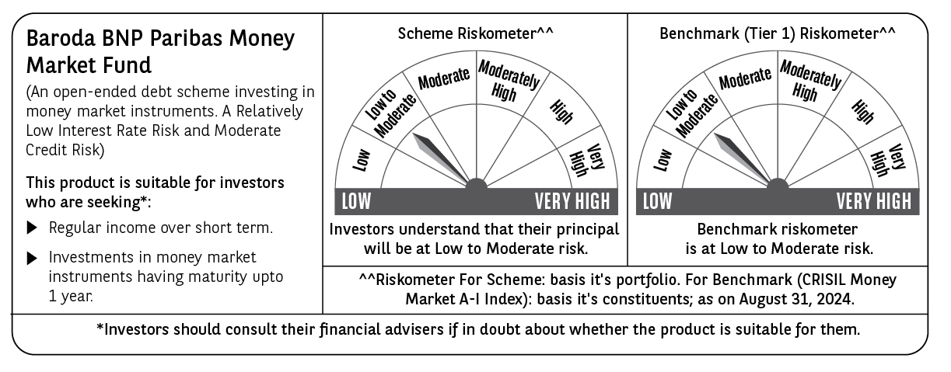

 | Potential Risk Class (PRC) matrix*
 | Credit Risk (Max)→ | Relatively Low: Class A (CRV>=12) | Moderate: Class B (CRV>=10) | Relatively High: Class C (CRV<10)
 | Interest Rate Risk (Max)↓
 | Relatively Low: Class I (MD<=1 year) |  | B-I
 | Moderate: Class II
 | (MD<=3 year)
 | Relatively High: Class III
 | (Any MD)
 | MD=Macaulay Duration, CRV=Credit Risk Value.
 | *The PRC matrix denotes the maximum risk that the respective Scheme can take i.e. maximum interest rate risk (measured by MD of the Scheme) and maximum credit risk (measured by CRV of the Scheme)

