Monthly Portfolio
 | Baroda BNP Paribas Money Market Fund

 | Monthly Portfolio Statement as on September 30, 2024 $$
 | Name of the Instrument | ISIN | Rating | Quantity | Market/Fair Value (Rs. in Lakhs) | % to Net Assets | YTM~ | YTC^ | null
 | Debt Instruments
 | (a) Listed / awaiting listing on Stock Exchange
GOI2935 | 5.75% State Government Securities (10/06/2025) | IN1920200061 | Sovereign | 2,000,000 | 1,987.50 | 7.23% | 6.78%
 | Sub Total |  |  |  | 1,987.50 | 7.23%
 | (b) Privately placed / Unlisted |  |  |  | NIL | NIL
 | Sub Total |  |  |  | NIL | NIL
 | Total |  |  |  | 1,987.50 | 7.23%
 | Money Market Instruments
 | Certificate of Deposit
CANB1003 | Canara Bank (28/02/2025) ** # | INE476A16YZ9 | CRISIL A1+ | 500 | 2,426.77 | 8.82% | 7.34%
EXIM768 | Export Import Bank of India (24/03/2025) # | INE514E16CH3 | CRISIL A1+ | 440 | 2,125.04 | 7.73% | 7.40%
NBAR751 | National Bank For Agriculture and Rural Development (12/02/2025) ** # | INE261F16793 | CRISIL A1+ | 400 | 1,947.31 | 7.08% | 7.37%
UNBI395 | Union Bank of India (18/03/2025) ** # | INE692A16HP7 | FITCH A1+ | 400 | 1,934.17 | 7.03% | 7.40%
KMBK857 | Kotak Mahindra Bank Limited (09/05/2025) ** # | INE237A162X7 | CRISIL A1+ | 400 | 1,913.72 | 6.96% | 7.48%
PUBA1034 | Punjab National Bank (15/05/2025) # | INE160A16PF9 | CRISIL A1+ | 400 | 1,911.02 | 6.95% | 7.52%
HDFB954 | HDFC Bank Limited (24/06/2025) ** # | INE040A16FA5 | CRISIL A1+ | 360 | 1,706.36 | 6.20% | 7.53%
SIDB549 | Small Industries Dev Bank of India (27/02/2025) ** # | INE556F16AR4 | CARE A1+ | 340 | 1,650.35 | 6.00% | 7.37%
UTIB1320 | Axis Bank Limited (28/02/2025) ** # | INE238AD6827 | CRISIL A1+ | 280 | 1,359.03 | 4.94% | 7.34%
HDFB942 | HDFC Bank Limited (28/02/2025) ** # | INE040A16EP6 | CARE A1+ | 120 | 582.42 | 2.12% | 7.35%
 | Sub Total |  |  |  | 17,556.19 | 63.83%
 | Commercial Paper
LICH677 | LIC Housing Finance Limited (14/05/2025) ** | INE115A14FA0 | CRISIL A1+ | 340 | 1,624.02 | 5.90% | 7.59%
KOMP1693 | Kotak Mahindra Prime Limited (05/02/2025) ** | INE916D143C6 | CRISIL A1+ | 320 | 1,558.52 | 5.67% | 7.65%
BAFL899 | Bajaj Finance Limited (11/03/2025) ** | INE296A14XM6 | CRISIL A1+ | 300 | 1,451.10 | 5.28% | 7.64%
PHFL135 | Piramal Capital & Housing Finance Limited (11/12/2024) ** | INE516Y14GM2 | CRISIL A1+ | 200 | 984.00 | 3.58% | 8.36%
DMIF24 | DMI Finance Private Limited (13/12/2024) ** | INE604O14114 | ICRA A1+ | 200 | 983.27 | 3.57% | 8.51%
SIDB559 | Small Industries Dev Bank of India (28/02/2025) ** | INE556F14KG1 | CRISIL A1+ | 100 | 485.30 | 1.76% | 7.37%
 | Sub Total |  |  |  | 7,086.21 | 25.76%
 | Total |  |  |  | 24,642.40 | 89.59%
 | Others
 | Corporate Debt Market Development Fund
CDMD50ME | Corporate Debt Market Development Fund # | INF0RQ622028 |  | 502 | 52.27 | 0.19%
 | Sub Total |  |  |  | 52.27 | 0.19%
 | Total |  |  |  | 52.27 | 0.19%
 | Reverse Repo / TREPS
TRP_011024 | Clearing Corporation of India Ltd |  |  |  | 753.60 | 2.74% | 6.65%
 | Sub Total |  |  |  | 753.60 | 2.74%
 | (b) Privately placed / Unlisted |  |  |  | NIL | NIL
 | Sub Total |  |  |  | NIL | NIL
 | Total |  |  |  | 753.60 | 2.74%
 | Net Receivables / (Payables) |  |  |  | 71.99 | 0.25%
 | GRAND TOTAL |  |  |  | 27,507.76 | 100.00%

 | ** Thinly Traded / Non Traded Security
 | # Unlisted Security
 | ~ YTM as on September 30, 2024
 | ^ YTC represents Yield to Call provided by valuation agencies as on September 30, 2024. It is disclosed for Perpetual Bond issued by Banks (i.e. AT-1 Bond / Tier 1 Bond / Tier 2 Bond), as per AMFI Best Practices Guidelines Circular no. 135/BP/91/2020-21 read with SEBI circular No. SEBI/HO/IMD/DF4/CIR/P/2021/034 on Valuation of AT-1 Bonds and Tier 2 Bonds.

 | $$ Baroda BNP Paribas Floater Fund got merged with Baroda BNP Paribas Money Market Fund effective September 11, 2024. Accordingly Portfolio disclosures are being made only for the surving scheme (i.e. Baroda BNP Paribas Money Market Fund). For further details pls refer notice available on AMC Website : >>Downloads>>Notice cum Addendum>> Merger of Baroda BNP Paribas Floater Fund into Baroda BNP Paribas Money Market Fund

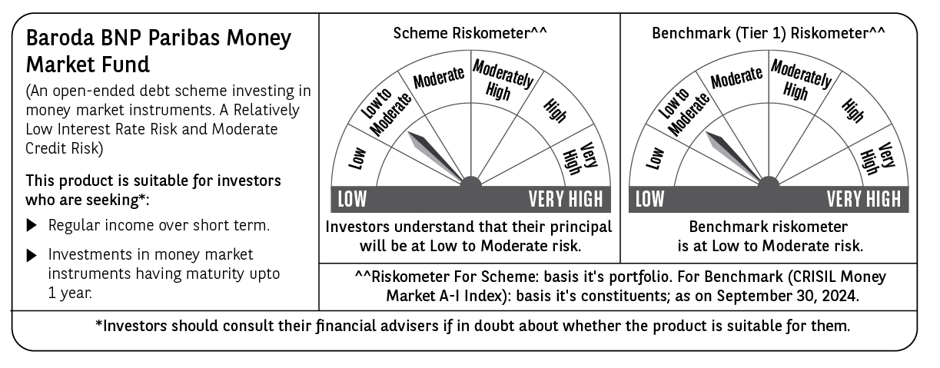

 | Potential Risk Class (PRC) matrix*
 | Credit Risk (Max)→ | Relatively Low: Class A (CRV>=12) | Moderate: Class B (CRV>=10) | Relatively High: Class C (CRV<10)
 | Interest Rate Risk (Max)↓
 | Relatively Low: Class I (MD<=1 year) |  | B-I
 | Moderate: Class II
 | (MD<=3 year)
 | Relatively High: Class III
 | (Any MD)
 | MD=Macaulay Duration, CRV=Credit Risk Value.
 | *The PRC matrix denotes the maximum risk that the respective Scheme can take i.e. maximum interest rate risk (measured by MD of the Scheme) and maximum credit risk (measured by CRV of the Scheme)

