YR54
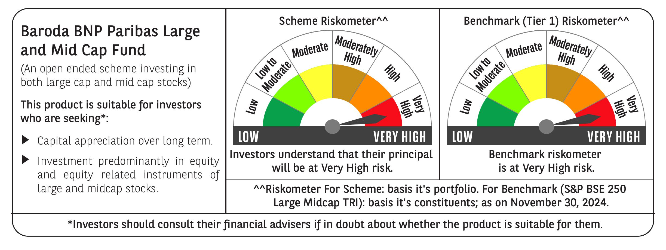
 | Baroda BNP Paribas Large & Mid Cap Fund

 | Monthly Portfolio Statement as on November 30, 2024
 | Name of the Instrument | ISIN | Industry | Quantity | Market/Fair Value (Rs. in Lakhs) | % to Net Assets | YTM~ | YTC^ | null
 | Equity & Equity related
 | (a) Listed / awaiting listing on Stock Exchanges
HDFB03 | HDFC Bank Limited | INE040A01034 | Banks | 425,000 | 7,633.21 | 5.10%
RIND01 | Reliance Industries Limited | INE002A01018 | Petroleum Products | 480,000 | 6,202.56 | 4.14%
ESMC02 | PB Fintech Limited | INE417T01026 | Financial Technology (Fintech) | 322,617 | 6,110.04 | 4.08%
INFS02 | Infosys Limited | INE009A01021 | IT - Software | 325,000 | 6,038.01 | 4.03%
DIXO02 | Dixon Technologies (India) Limited | INE935N01020 | Consumer Durables | 30,000 | 4,742.22 | 3.17%
IBCL05 | ICICI Bank Limited | INE090A01021 | Banks | 350,000 | 4,550.35 | 3.04%
CRED02 | CRISIL Limited | INE007A01025 | Finance | 80,000 | 4,291.20 | 2.87%
FEBA02 | The Federal Bank Limited | INE171A01029 | Banks | 2,000,000 | 4,215.60 | 2.81%
SHTR01 | Shriram Finance Limited | INE721A01013 | Finance | 130,000 | 3,925.55 | 2.62%
PHFP02 | PNB Housing Finance Limited | INE572E01012 | Finance | 438,219 | 3,907.60 | 2.61%
HPEC01 | Hindustan Petroleum Corporation Limited | INE094A01015 | Petroleum Products | 1,000,000 | 3,831.00 | 2.56%
BFLS01 | Mphasis Limited | INE356A01018 | IT - Software | 125,000 | 3,718.19 | 2.48%
CAMS01 | Computer Age Management Services Limited | INE596I01012 | Capital Markets | 75,000 | 3,696.30 | 2.47%
CONB01 | Concord Biotech Limited | INE338H01029 | Pharmaceuticals & Biotechnology | 165,000 | 3,510.38 | 2.34%
ALLI02 | GE Vernova T&D India Limited | INE200A01026 | Electrical Equipment | 178,494 | 3,134.71 | 2.09%
ALKE01 | Alkem Laboratories Limited | INE540L01014 | Pharmaceuticals & Biotechnology | 55,000 | 3,103.35 | 2.07%
OIIL01 | Oil India Limited | INE274J01014 | Oil | 625,000 | 3,066.25 | 2.05%
TCSL01 | Tata Consultancy Services Limited | INE467B01029 | IT - Software | 70,000 | 2,989.60 | 2.00%
COLG02 | Colgate Palmolive (India) Limited | INE259A01022 | Personal Products | 100,000 | 2,889.75 | 1.93%
MAXI02 | Max Financial Services Limited | INE180A01020 | Insurance | 250,000 | 2,834.88 | 1.89%
AJPH03 | Ajanta Pharma Limited | INE031B01049 | Pharmaceuticals & Biotechnology | 92,263 | 2,788.70 | 1.86%
BKBA02 | Bank of Baroda | INE028A01039 | Banks | 1,100,000 | 2,710.40 | 1.81%
KAYN01 | Kaynes Technology India Limited | INE918Z01012 | Industrial Manufacturing | 45,000 | 2,694.35 | 1.80%
NGEL01 | NTPC Green Energy Limited | INE0ONG01011 | Power | 2,129,616 | 2,658.61 | 1.78%
PGCI01 | Power Grid Corporation of India Limited | INE752E01010 | Power | 800,000 | 2,635.20 | 1.76%
KPEL01 | KPIT Technologies Limited | INE04I401011 | IT - Software | 190,000 | 2,600.72 | 1.74%
NTPC01 | NTPC Limited | INE733E01010 | Power | 700,000 | 2,545.55 | 1.70%
SONB01 | Sona BLW Precision Forgings Limited | INE073K01018 | Auto Components | 375,000 | 2,518.50 | 1.68%
LAKM02 | Trent Limited | INE849A01020 | Retailing | 35,000 | 2,378.39 | 1.59%
FSNE01 | FSN E-Commerce Ventures Limited | INE388Y01029 | Retailing | 1,350,799 | 2,324.18 | 1.55%
ASEA02 | ABB India Limited | INE117A01022 | Electrical Equipment | 30,000 | 2,226.38 | 1.49%
DIVI02 | Divi's Laboratories Limited | INE361B01024 | Pharmaceuticals & Biotechnology | 35,000 | 2,160.45 | 1.44%
LARS02 | Larsen & Toubro Limited | INE018A01030 | Construction | 57,300 | 2,134.31 | 1.43%
ZMPL01 | Zomato Limited | INE758T01015 | Retailing | 750,000 | 2,098.20 | 1.40%
COCH02 | Cochin Shipyard Limited | INE704P01025 | Industrial Manufacturing | 129,000 | 2,034.72 | 1.36%
BTVL02 | Bharti Airtel Limited | INE397D01024 | Telecom - Services | 125,000 | 2,033.94 | 1.36%
IHOT02 | The Indian Hotels Company Limited | INE053A01029 | Leisure Services | 250,000 | 1,983.38 | 1.32%
ESCO01 | Escorts Kubota Limited | INE042A01014 | Agricultural, Commercial & Construction Vehicles | 55,000 | 1,954.65 | 1.31%
SIEM02 | Siemens Limited | INE003A01024 | Electrical Equipment | 25,000 | 1,890.21 | 1.26%
WABT01 | ZF Commercial Vehicle Control Systems India Limited | INE342J01019 | Auto Components | 15,000 | 1,872.54 | 1.25%
INAV01 | InterGlobe Aviation Limited | INE646L01027 | Transport Services | 42,469 | 1,859.68 | 1.24%
JLLH01 | Jupiter Life Line Hospitals Limited | INE682M01012 | Healthcare Services | 120,000 | 1,815.12 | 1.21%
AFPL02 | AU Small Finance Bank Limited | INE949L01017 | Banks | 300,000 | 1,750.05 | 1.17%
GCPL02 | Godrej Consumer Products Limited | INE102D01028 | Personal Products | 135,000 | 1,680.28 | 1.12%
MSUW01 | Motherson Sumi Wiring India Limited | INE0FS801015 | Auto Components | 2,500,000 | 1,599.75 | 1.07%
KOMA02 | Kotak Mahindra Bank Limited | INE237A01028 | Banks | 80,000 | 1,412.20 | 0.94%
TELC03 | Tata Motors Limited | INE155A01022 | Automobiles | 175,000 | 1,376.29 | 0.92%
TTEC01 | Tata Technologies Limited | INE142M01025 | IT - Services | 125,000 | 1,173.13 | 0.78%
ILOM01 | ICICI Lombard General Insurance Company Limited | INE765G01017 | Insurance | 40,000 | 744.74 | 0.50%
AFCI01 | Afcons Infrastructure Limited | INE101I01011 | Construction | 66,838 | 336.76 | 0.22%
HTAP02 | Hatsun Agro Product Limited | INE473B01035 | Food Products | 19,867 | 213.67 | 0.14%
 | Sub Total |  |  |  | 144,595.80 | 96.55%
 | (b) Unlisted |  |  |  | NIL | NIL
 | Sub Total |  |  |  | NIL | NIL
 | Total |  |  |  | 144,595.80 | 96.55%
 | Reverse Repo / TREPS
TRP_021224 | Clearing Corporation of India Ltd |  |  |  | 6,249.96 | 4.17% | 6.69%
 | Sub Total |  |  |  | 6,249.96 | 4.17%
 | Total |  |  |  | 6,249.96 | 4.17%
 | Net Receivables / (Payables) |  |  |  | (1,076.02) | (0.72)%
 | GRAND TOTAL |  |  |  | 149,769.74 | 100.00%

 | ~ YTM as on November 30, 2024
 | ^ YTC represents Yield to Call provided by valuation agencies as on November 30, 2024. It is disclosed for Perpetual Bond issued by Banks (i.e. AT-1 Bond / Tier 1 Bond / Tier 2 Bond), as per AMFI Best Practices Guidelines Circular no. 135/BP/91/2020-21 re

