YR54
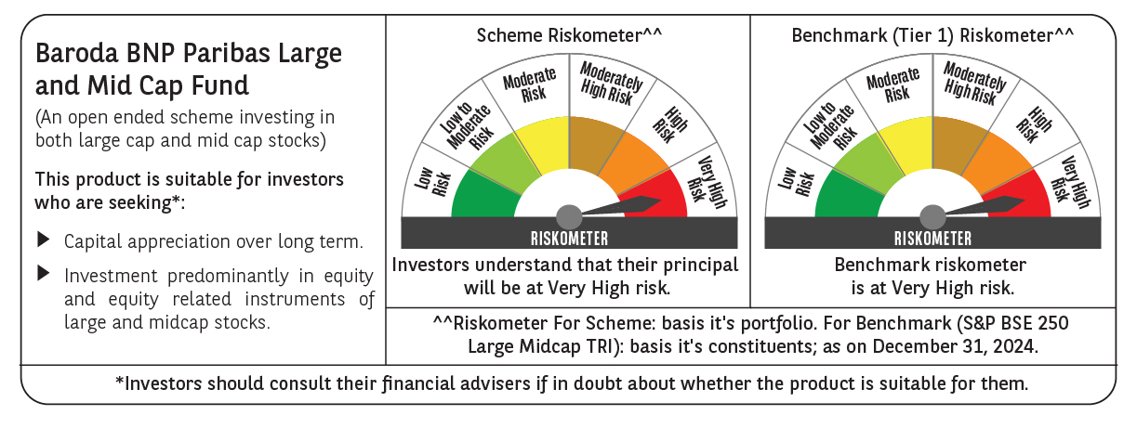
 | Baroda BNP Paribas Large & Mid Cap Fund

 | Monthly Portfolio Statement as on December 31, 2024
 | Name of the Instrument | ISIN | Industry | Quantity | Market/Fair Value (Rs. in Lakhs) | % to Net Assets | YTM~ | YTC^ | null
 | Equity & Equity related
 | (a) Listed / awaiting listing on Stock Exchanges
HDFB03 | HDFC Bank Limited | INE040A01034 | Banks | 525,000 | 9,307.46 | 6.04%
INFS02 | Infosys Limited | INE009A01021 | IT - Software | 360,000 | 6,768.00 | 4.40%
IBCL05 | ICICI Bank Limited | INE090A01021 | Banks | 500,000 | 6,408.25 | 4.16%
ESMC02 | PB Fintech Limited | INE417T01026 | Financial Technology (Fintech) | 300,000 | 6,326.55 | 4.11%
RIND01 | Reliance Industries Limited | INE002A01018 | Petroleum Products | 480,000 | 5,834.16 | 3.79%
DIXO02 | Dixon Technologies (India) Limited | INE935N01020 | Consumer Durables | 30,000 | 5,380.89 | 3.49%
CRED02 | CRISIL Limited | INE007A01025 | Finance | 80,000 | 5,322.48 | 3.46%
FEBA02 | The Federal Bank Limited | INE171A01029 | Banks | 2,250,000 | 4,500.45 | 2.92%
HPEC01 | Hindustan Petroleum Corporation Limited | INE094A01015 | Petroleum Products | 1,000,000 | 4,087.50 | 2.65%
PHFP02 | PNB Housing Finance Limited | INE572E01012 | Finance | 438,219 | 3,846.25 | 2.50%
CAMS01 | Computer Age Management Services Limited | INE596I01012 | Capital Markets | 75,000 | 3,806.55 | 2.47%
SHTR01 | Shriram Finance Limited | INE721A01013 | Finance | 130,000 | 3,755.90 | 2.44%
ALLI02 | GE Vernova T&D India Limited | INE200A01026 | Electrical Equipment | 178,494 | 3,705.36 | 2.41%
CONB01 | Concord Biotech Limited | INE338H01029 | Pharmaceuticals & Biotechnology | 165,000 | 3,647.74 | 2.37%
BFLS01 | Mphasis Limited | INE356A01018 | IT - Software | 125,000 | 3,559.00 | 2.31%
BKBA02 | Bank of Baroda | INE028A01039 | Banks | 1,400,000 | 3,367.70 | 2.19%
KAYN01 | Kaynes Technology India Limited | INE918Z01012 | Industrial Manufacturing | 45,000 | 3,337.79 | 2.17%
PAGE01 | Page Industries Limited | INE761H01022 | Textiles & Apparels | 7,000 | 3,326.01 | 2.16%
ALKE01 | Alkem Laboratories Limited | INE540L01014 | Pharmaceuticals & Biotechnology | 55,000 | 3,098.65 | 2.01%
AJPH03 | Ajanta Pharma Limited | INE031B01049 | Pharmaceuticals & Biotechnology | 105,000 | 3,078.81 | 2.00%
TCSL01 | Tata Consultancy Services Limited | INE467B01029 | IT - Software | 70,000 | 2,866.36 | 1.86%
MAXI02 | Max Financial Services Limited | INE180A01020 | Insurance | 250,000 | 2,784.75 | 1.81%
NGEL01 | NTPC Green Energy Limited | INE0ONG01011 | Power | 2,129,616 | 2,708.66 | 1.76%
SONB01 | Sona BLW Precision Forgings Limited | INE073K01018 | Auto Components | 450,000 | 2,676.60 | 1.74%
BLUS03 | Blue Star Limited | INE472A01039 | Consumer Durables | 125,000 | 2,673.94 | 1.74%
PGCI01 | Power Grid Corporation of India Limited | INE752E01010 | Power | 800,000 | 2,469.60 | 1.60%
FSNE01 | FSN E-Commerce Ventures Limited | INE388Y01029 | Retailing | 1,450,000 | 2,374.52 | 1.54%
IHOT02 | The Indian Hotels Company Limited | INE053A01029 | Leisure Services | 250,000 | 2,193.88 | 1.42%
OIIL01 | Oil India Limited | INE274J01014 | Oil | 500,000 | 2,153.75 | 1.40%
LAKM02 | Trent Limited | INE849A01020 | Retailing | 30,000 | 2,137.01 | 1.39%
DIVI02 | Divi's Laboratories Limited | INE361B01024 | Pharmaceuticals & Biotechnology | 35,000 | 2,134.58 | 1.39%
ZMPL01 | Zomato Limited | INE758T01015 | Retailing | 750,000 | 2,085.38 | 1.35%
ASEA02 | ABB India Limited | INE117A01022 | Electrical Equipment | 30,000 | 2,073.68 | 1.35%
LARS02 | Larsen & Toubro Limited | INE018A01030 | Construction | 57,300 | 2,067.18 | 1.34%
BTVL02 | Bharti Airtel Limited | INE397D01024 | Telecom - Services | 125,000 | 1,984.69 | 1.29%
INAV01 | InterGlobe Aviation Limited | INE646L01027 | Transport Services | 42,469 | 1,934.14 | 1.26%
WIPR02 | Wipro Limited | INE075A01022 | IT - Software | 625,000 | 1,886.56 | 1.23%
JLLH01 | Jupiter Life Line Hospitals Limited | INE682M01012 | Healthcare Services | 120,000 | 1,875.36 | 1.22%
ESCO01 | Escorts Kubota Limited | INE042A01014 | Agricultural, Commercial & Construction Vehicles | 55,000 | 1,832.90 | 1.19%
WABT01 | ZF Commercial Vehicle Control Systems India Limited | INE342J01019 | Auto Components | 15,000 | 1,806.59 | 1.17%
AFPL02 | AU Small Finance Bank Limited | INE949L01017 | Banks | 300,000 | 1,677.30 | 1.09%
SIEM02 | Siemens Limited | INE003A01024 | Electrical Equipment | 25,000 | 1,634.01 | 1.06%
GCPL02 | Godrej Consumer Products Limited | INE102D01028 | Personal Products | 135,000 | 1,460.77 | 0.95%
MSUW01 | Motherson Sumi Wiring India Limited | INE0FS801015 | Auto Components | 2,500,000 | 1,456.00 | 0.95%
TTEC01 | Tata Technologies Limited | INE142M01025 | IT - Services | 125,000 | 1,114.19 | 0.72%
ILOM01 | ICICI Lombard General Insurance Company Limited | INE765G01017 | Insurance | 60,000 | 1,072.65 | 0.70%
AFCI01 | Afcons Infrastructure Limited | INE101I01011 | Construction | 180,000 | 981.54 | 0.64%
BHHX01 | Bharti Hexacom Limited | INE343G01021 | Telecom - Services | 50,000 | 728.45 | 0.47%
COCH02 | Cochin Shipyard Limited | INE704P01025 | Industrial Manufacturing | 46,378 | 713.64 | 0.46%
 | Sub Total |  |  |  | 148,024.18 | 96.14%
 | (b) Unlisted |  |  |  | NIL | NIL
 | Sub Total |  |  |  | NIL | NIL
 | Total |  |  |  | 148,024.18 | 96.14%
 | Reverse Repo / TREPS
TRP_010125 | Clearing Corporation of India Ltd |  |  |  | 7,748.49 | 5.03% | 6.58%
 | Sub Total |  |  |  | 7,748.49 | 5.03%
 | Total |  |  |  | 7,748.49 | 5.03%
 | Net Receivables / (Payables) |  |  |  | (1,790.09) | (1.17)%
 | GRAND TOTAL |  |  |  | 153,982.58 | 100.00%

 | ~ YTM as on December 31, 2024
 | ^ YTC represents Yield to Call provided by valuation agencies as on December 31, 2024. It is disclosed for Perpetual Bond issued by Banks (i.e. AT-1 Bond / Tier 1 Bond / Tier 2 Bond), as per AMFI Best Practices Guidelines Circular no. 135/BP/91/2020-21 re

