YR54
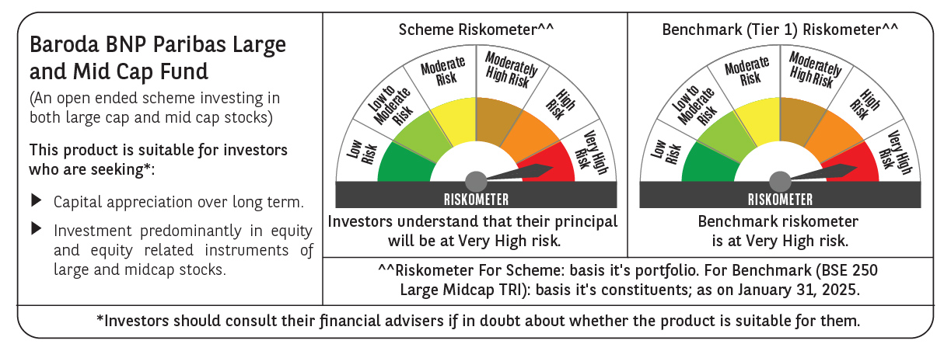
 | Baroda BNP Paribas Large & Mid Cap Fund

 | Monthly Portfolio Statement as on January 31, 2025
 | Name of the Instrument | ISIN | Industry | Quantity | Market/Fair Value (Rs. in Lakhs) | % to Net Assets | YTM~ | YTC^ | null
 | Equity & Equity related
 | (a) Listed / awaiting listing on Stock Exchanges
HDFB03 | HDFC Bank Limited | INE040A01034 | Banks | 550,000 | 9,343.13 | 6.46%
RIND01 | Reliance Industries Limited | INE002A01018 | Petroleum Products | 550,000 | 6,958.05 | 4.81%
INFS02 | Infosys Limited | INE009A01021 | IT - Software | 360,000 | 6,767.28 | 4.68%
IBCL05 | ICICI Bank Limited | INE090A01021 | Banks | 525,000 | 6,577.20 | 4.55%
ESMC02 | PB Fintech Limited | INE417T01026 | Financial Technology (Fintech) | 300,000 | 5,180.40 | 3.58%
CRED02 | CRISIL Limited | INE007A01025 | Finance | 92,600 | 5,031.24 | 3.48%
DIXO02 | Dixon Technologies (India) Limited | INE935N01020 | Consumer Durables | 30,000 | 4,495.79 | 3.11%
FEBA02 | The Federal Bank Limited | INE171A01029 | Banks | 2,300,000 | 4,305.83 | 2.98%
BTVL02 | Bharti Airtel Limited | INE397D01024 | Telecom - Services | 250,000 | 4,065.75 | 2.81%
PHFP02 | PNB Housing Finance Limited | INE572E01012 | Finance | 438,219 | 3,848.44 | 2.66%
HPEC01 | Hindustan Petroleum Corporation Limited | INE094A01015 | Petroleum Products | 1,000,000 | 3,582.50 | 2.48%
PAGE01 | Page Industries Limited | INE761H01022 | Textiles & Apparels | 8,000 | 3,577.88 | 2.48%
CONB01 | Concord Biotech Limited | INE338H01029 | Pharmaceuticals & Biotechnology | 165,000 | 3,555.17 | 2.46%
SHTR02 | Shriram Finance Limited | INE721A01047 | Finance | 650,000 | 3,534.38 | 2.45%
ALLI02 | GE Vernova T&D India Limited | INE200A01026 | Electrical Equipment | 178,494 | 3,190.58 | 2.21%
MAXI02 | Max Financial Services Limited | INE180A01020 | Insurance | 275,000 | 3,068.31 | 2.12%
BKBA02 | Bank of Baroda | INE028A01039 | Banks | 1,400,000 | 2,987.46 | 2.07%
BLUS03 | Blue Star Limited | INE472A01039 | Consumer Durables | 160,000 | 2,908.08 | 2.01%
CAMS01 | Computer Age Management Services Limited | INE596I01012 | Capital Markets | 80,000 | 2,882.80 | 1.99%
TCSL01 | Tata Consultancy Services Limited | INE467B01029 | IT - Software | 70,000 | 2,878.68 | 1.99%
IHOT02 | The Indian Hotels Company Limited | INE053A01029 | Leisure Services | 375,000 | 2,867.63 | 1.98%
AJPH03 | Ajanta Pharma Limited | INE031B01049 | Pharmaceuticals & Biotechnology | 105,000 | 2,829.17 | 1.96%
ALKE01 | Alkem Laboratories Limited | INE540L01014 | Pharmaceuticals & Biotechnology | 55,000 | 2,784.68 | 1.93%
NGEL01 | NTPC Green Energy Limited | INE0ONG01011 | Power | 2,129,616 | 2,447.14 | 1.69%
PGCI01 | Power Grid Corporation of India Limited | INE752E01010 | Power | 800,000 | 2,413.20 | 1.67%
OIIL01 | Oil India Limited | INE274J01014 | Oil | 550,000 | 2,312.48 | 1.60%
KAYN01 | Kaynes Technology India Limited | INE918Z01012 | Industrial Manufacturing | 45,000 | 2,156.56 | 1.49%
JLLH01 | Jupiter Life Line Hospitals Limited | INE682M01012 | Healthcare Services | 127,500 | 2,077.10 | 1.44%
LARS02 | Larsen & Toubro Limited | INE018A01030 | Construction | 57,300 | 2,044.12 | 1.41%
BFLS01 | Mphasis Limited | INE356A01018 | IT - Software | 70,000 | 2,007.57 | 1.39%
ESCO01 | Escorts Kubota Limited | INE042A01014 | Agricultural, Commercial & Construction Vehicles | 55,000 | 1,992.90 | 1.38%
DIVI02 | Divi's Laboratories Limited | INE361B01024 | Pharmaceuticals & Biotechnology | 35,000 | 1,952.20 | 1.35%
WIPR02 | Wipro Limited | INE075A01022 | IT - Software | 625,000 | 1,949.38 | 1.35%
AFPL02 | AU Small Finance Bank Limited | INE949L01017 | Banks | 300,000 | 1,802.85 | 1.25%
SPIL03 | Sun Pharmaceutical Industries Limited | INE044A01036 | Pharmaceuticals & Biotechnology | 100,000 | 1,743.95 | 1.21%
WABT01 | ZF Commercial Vehicle Control Systems India Limited | INE342J01019 | Auto Components | 15,000 | 1,655.10 | 1.15%
ZMPL01 | Zomato Limited | INE758T01015 | Retailing | 750,000 | 1,652.63 | 1.14%
FSNE01 | FSN E-Commerce Ventures Limited | INE388Y01029 | Retailing | 900,000 | 1,520.10 | 1.05%
ILOM01 | ICICI Lombard General Insurance Company Limited | INE765G01017 | Insurance | 80,000 | 1,486.80 | 1.03%
ASEA02 | ABB India Limited | INE117A01022 | Electrical Equipment | 25,000 | 1,468.66 | 1.02%
ADWI01 | Adani Wilmar Limited | INE699H01024 | Agricultural Food & other Products | 540,000 | 1,439.91 | 1.00%
LAKM02 | Trent Limited | INE849A01020 | Retailing | 25,000 | 1,438.30 | 1.00%
BHHX01 | Bharti Hexacom Limited | INE343G01021 | Telecom - Services | 105,000 | 1,422.65 | 0.98%
AFCI01 | Afcons Infrastructure Limited | INE101I01011 | Construction | 300,000 | 1,417.20 | 0.98%
TTEC01 | Tata Technologies Limited | INE142M01025 | IT - Services | 125,000 | 984.50 | 0.68%
 | Sub Total |  |  |  | 136,605.73 | 94.51%
 | (b) Unlisted |  |  |  | NIL | NIL
 | Sub Total |  |  |  | NIL | NIL
 | Total |  |  |  | 136,605.73 | 94.51%
 | Reverse Repo / TREPS
TRP_030225 | Clearing Corporation of India Ltd |  |  |  | 8,519.29 | 5.89% | 6.54%
 | Sub Total |  |  |  | 8,519.29 | 5.89%
 | Total |  |  |  | 8,519.29 | 5.89%
 | Net Receivables / (Payables) |  |  |  | (586.41) | (0.40)%
 | GRAND TOTAL |  |  |  | 144,538.61 | 100.00%

 | ~ YTM as on January 31, 2025
 | ^ YTC represents Yield to Call provided by valuation agencies as on January 31, 2025. It is disclosed for Perpetual Bond issued by Banks (i.e. AT-1 Bond / Tier 1 Bond / Tier 2 Bond), as per AMFI Best Practices Guidelines Circular no. 135/BP/91/2020-21 read with SEBI circular No. SEBI/HO/IMD/DF4/CIR/P/2021/034 on Valuation of AT-1 Bonds and Tier 2 Bonds.

