YR54
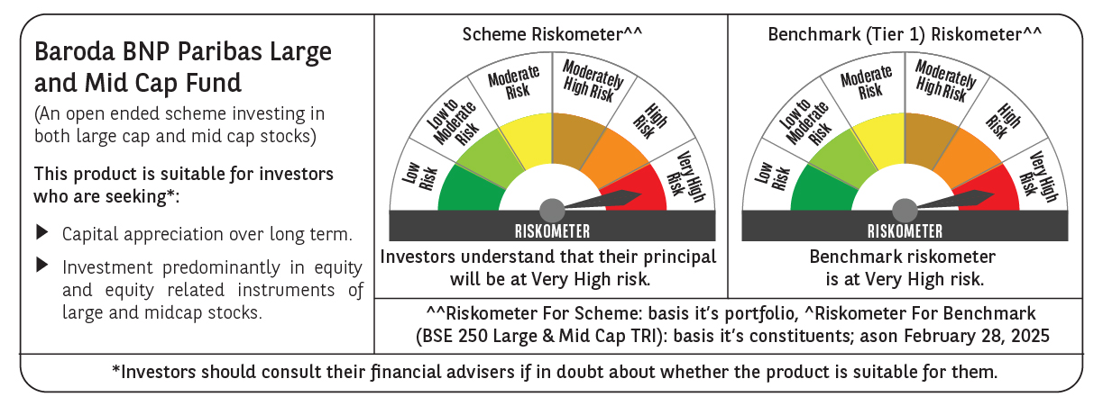
 | Baroda BNP Paribas Large & Mid Cap Fund

 | Monthly Portfolio Statement as on February 28, 2025
 | Name of the Instrument | ISIN | Industry | Quantity | Market/Fair Value (Rs. in Lakhs) | % to Net Assets | YTM~ | YTC^ | null
 | Equity & Equity related
 | (a) Listed / awaiting listing on Stock Exchanges
HDFB03 | HDFC Bank Limited | INE040A01034 | Banks | 550,000 | 9,528.20 | 7.16%
IBCL05 | ICICI Bank Limited | INE090A01021 | Banks | 600,000 | 7,224.60 | 5.43%
RIND01 | Reliance Industries Limited | INE002A01018 | Petroleum Products | 550,000 | 6,600.55 | 4.96%
INFS02 | Infosys Limited | INE009A01021 | IT - Software | 280,000 | 4,725.56 | 3.55%
ESMC02 | PB Fintech Limited | INE417T01026 | Financial Technology (Fintech) | 300,000 | 4,390.80 | 3.30%
SHTR02 | Shriram Finance Limited | INE721A01047 | Finance | 700,000 | 4,321.10 | 3.25%
DIXO02 | Dixon Technologies (India) Limited | INE935N01020 | Consumer Durables | 30,000 | 4,180.76 | 3.14%
FEBA02 | The Federal Bank Limited | INE171A01029 | Banks | 2,300,000 | 4,085.26 | 3.07%
CRED02 | CRISIL Limited | INE007A01025 | Finance | 92,600 | 4,063.66 | 3.05%
BTVL02 | Bharti Airtel Limited | INE397D01024 | Telecom - Services | 225,000 | 3,532.95 | 2.65%
PHFP02 | PNB Housing Finance Limited | INE572E01012 | Finance | 450,000 | 3,435.08 | 2.58%
PAGE01 | Page Industries Limited | INE761H01022 | Textiles & Apparels | 8,000 | 3,241.28 | 2.44%
BLUS03 | Blue Star Limited | INE472A01039 | Consumer Durables | 167,627 | 3,214.50 | 2.42%
HPEC01 | Hindustan Petroleum Corporation Limited | INE094A01015 | Petroleum Products | 1,000,000 | 2,937.50 | 2.21%
BKBA02 | Bank of Baroda | INE028A01039 | Banks | 1,400,000 | 2,758.98 | 2.07%
MAXI02 | Max Financial Services Limited | INE180A01020 | Insurance | 275,000 | 2,744.78 | 2.06%
CONB01 | Concord Biotech Limited | INE338H01029 | Pharmaceuticals & Biotechnology | 180,000 | 2,692.98 | 2.02%
IHOT02 | The Indian Hotels Company Limited | INE053A01029 | Leisure Services | 375,000 | 2,685.38 | 2.02%
AJPH03 | Ajanta Pharma Limited | INE031B01049 | Pharmaceuticals & Biotechnology | 105,000 | 2,610.25 | 1.96%
ALKE01 | Alkem Laboratories Limited | INE540L01014 | Pharmaceuticals & Biotechnology | 55,000 | 2,555.41 | 1.92%
CAMS01 | Computer Age Management Services Limited | INE596I01012 | Capital Markets | 80,000 | 2,514.48 | 1.89%
WIPR02 | Wipro Limited | INE075A01022 | IT - Software | 900,000 | 2,498.85 | 1.88%
KAYN01 | Kaynes Technology India Limited | INE918Z01012 | Industrial Manufacturing | 59,766 | 2,476.79 | 1.86%
TCSL01 | Tata Consultancy Services Limited | INE467B01029 | IT - Software | 70,000 | 2,438.28 | 1.83%
ALLI02 | GE Vernova T&D India Limited | INE200A01026 | Electrical Equipment | 178,494 | 2,388.79 | 1.79%
OIIL01 | Oil India Limited | INE274J01014 | Oil | 675,000 | 2,313.23 | 1.74%
IEIN01 | Info Edge (India) Limited | INE663F01024 | Retailing | 30,000 | 2,097.80 | 1.58%
PGCI01 | Power Grid Corporation of India Limited | INE752E01010 | Power | 800,000 | 2,006.80 | 1.51%
DIVI02 | Divi's Laboratories Limited | INE361B01024 | Pharmaceuticals & Biotechnology | 35,000 | 1,918.09 | 1.44%
JLLH01 | Jupiter Life Line Hospitals Limited | INE682M01012 | Healthcare Services | 127,500 | 1,830.52 | 1.38%
LARS02 | Larsen & Toubro Limited | INE018A01030 | Construction | 57,300 | 1,812.89 | 1.36%
AFPL02 | AU Small Finance Bank Limited | INE949L01017 | Banks | 300,000 | 1,697.10 | 1.28%
ZMPL01 | Zomato Limited | INE758T01015 | Retailing | 750,000 | 1,665.75 | 1.25%
WABT01 | ZF Commercial Vehicle Control Systems India Limited | INE342J01019 | Auto Components | 15,000 | 1,641.29 | 1.23%
SPIL03 | Sun Pharmaceutical Industries Limited | INE044A01036 | Pharmaceuticals & Biotechnology | 100,000 | 1,593.25 | 1.20%
ESCO01 | Escorts Kubota Limited | INE042A01014 | Agricultural, Commercial & Construction Vehicles | 55,000 | 1,577.92 | 1.19%
NGEL01 | NTPC Green Energy Limited | INE0ONG01011 | Power | 1,800,000 | 1,570.86 | 1.18%
FSNE01 | FSN E-Commerce Ventures Limited | INE388Y01029 | Retailing | 900,000 | 1,429.20 | 1.07%
AFCI01 | Afcons Infrastructure Limited | INE101I01011 | Construction | 330,000 | 1,363.23 | 1.02%
ILOM01 | ICICI Lombard General Insurance Company Limited | INE765G01017 | Insurance | 80,000 | 1,352.76 | 1.02%
ADWI01 | Adani Wilmar Limited | INE699H01024 | Agricultural Food & other Products | 540,000 | 1,329.21 | 1.00%
JKCE01 | JK Cement Limited | INE823G01014 | Cement & Cement Products | 30,000 | 1,316.81 | 0.99%
ASEA02 | ABB India Limited | INE117A01022 | Electrical Equipment | 25,000 | 1,233.85 | 0.93%
KOMA02 | Kotak Mahindra Bank Limited | INE237A01028 | Banks | 35,000 | 666.03 | 0.50%
 | Sub Total |  |  |  | 124,263.36 | 93.38%
 | (b) Unlisted |  |  |  | NIL | NIL
 | Sub Total |  |  |  | NIL | NIL
 | Total |  |  |  | 124,263.36 | 93.38%
 | Reverse Repo / TREPS
TRP_030325 | Clearing Corporation of India Ltd |  |  |  | 6,520.39 | 4.90% | 6.24%
 | Sub Total |  |  |  | 6,520.39 | 4.90%
 | Total |  |  |  | 6,520.39 | 4.90%
 | Net Receivables / (Payables) |  |  |  | 2,299.49 | 1.72%
 | GRAND TOTAL |  |  |  | 133,083.24 | 100.00%

 | ~ YTM as on February 28, 2025
 | ^ YTC represents Yield to Call provided by valuation agencies as on February 28, 2025. It is disclosed for Perpetual Bond issued by Banks (i.e. AT-1 Bond / Tier 1 Bond / Tier 2 Bond), as per AMFI Best Practices Guidelines Circular no. 135/BP/91/2020-21 read with SEBI circular No. SEBI/HO/IMD/DF4/CIR/P/2021/034 on Valuation of AT-1 Bonds and Tier 2 Bonds.

