YR54
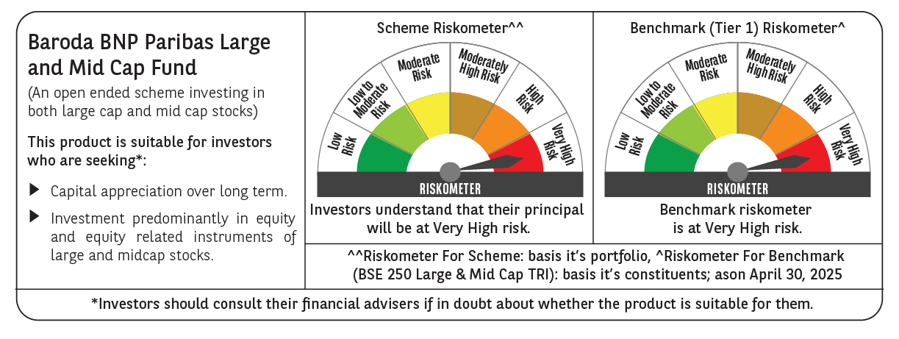
 | Baroda BNP Paribas Large & Mid Cap Fund

 | Monthly Portfolio Statement as on April 30, 2025
 | Name of the Instrument | ISIN | Industry | Quantity | Market/Fair Value (Rs. in Lakhs) | % to Net Assets | YTM~ | YTC^ | null
 | Equity & Equity related
 | (a) Listed / awaiting listing on Stock Exchanges
HDFB03 | HDFC Bank Limited | INE040A01034 | Banks | 550,000 | 10,587.50 | 6.95%
IBCL05 | ICICI Bank Limited | INE090A01021 | Banks | 600,000 | 8,562.00 | 5.62%
DIXO02 | Dixon Technologies (India) Limited | INE935N01020 | Consumer Durables | 30,000 | 4,935.60 | 3.24%
FEBA02 | The Federal Bank Limited | INE171A01029 | Banks | 2,450,000 | 4,818.66 | 3.16%
BTVL02 | Bharti Airtel Limited | INE397D01024 | Telecom - Services | 250,000 | 4,661.25 | 3.06%
KAYN01 | Kaynes Technology India Limited | INE918Z01012 | Industrial Manufacturing | 80,000 | 4,597.76 | 3.02%
RIND01 | Reliance Industries Limited | INE002A01018 | Petroleum Products | 315,000 | 4,425.75 | 2.90%
SHTR02 | Shriram Finance Limited | INE721A01047 | Finance | 700,000 | 4,281.90 | 2.81%
INFS02 | Infosys Limited | INE009A01021 | IT - Software | 285,000 | 4,275.29 | 2.80%
KOMA02 | Kotak Mahindra Bank Limited | INE237A01028 | Banks | 190,000 | 4,195.39 | 2.75%
CRED02 | CRISIL Limited | INE007A01025 | Finance | 92,600 | 4,123.20 | 2.70%
PAGE01 | Page Industries Limited | INE761H01022 | Textiles & Apparels | 9,000 | 4,105.35 | 2.69%
PHFP02 | PNB Housing Finance Limited | INE572E01012 | Finance | 400,000 | 4,040.80 | 2.65%
CAMS01 | Computer Age Management Services Limited | INE596I01012 | Capital Markets | 100,000 | 3,906.30 | 2.56%
HPEC01 | Hindustan Petroleum Corporation Limited | INE094A01015 | Petroleum Products | 1,000,000 | 3,787.00 | 2.48%
MAXI02 | Max Financial Services Limited | INE180A01020 | Insurance | 275,000 | 3,588.75 | 2.35%
BKBA02 | Bank of Baroda | INE028A01039 | Banks | 1,400,000 | 3,499.02 | 2.30%
BLUS03 | Blue Star Limited | INE472A01039 | Consumer Durables | 190,000 | 3,241.97 | 2.13%
IHOT02 | The Indian Hotels Company Limited | INE053A01029 | Leisure Services | 375,000 | 2,953.88 | 1.94%
ESMC02 | PB Fintech Limited | INE417T01026 | Financial Technology (Fintech) | 176,147 | 2,862.92 | 1.88%
AJPH03 | Ajanta Pharma Limited | INE031B01049 | Pharmaceuticals & Biotechnology | 105,000 | 2,841.41 | 1.86%
IEIN01 | Info Edge (India) Limited | INE663F01024 | Retailing | 40,000 | 2,827.80 | 1.86%
ALKE01 | Alkem Laboratories Limited | INE540L01014 | Pharmaceuticals & Biotechnology | 55,000 | 2,813.80 | 1.85%
ALLI02 | GE Vernova T&D India Limited | INE200A01026 | Electrical Equipment | 178,494 | 2,795.39 | 1.83%
OIIL01 | Oil India Limited | INE274J01014 | Oil | 675,000 | 2,772.56 | 1.82%
CONB01 | Concord Biotech Limited | INE338H01029 | Pharmaceuticals & Biotechnology | 180,000 | 2,733.48 | 1.79%
ILOM01 | ICICI Lombard General Insurance Company Limited | INE765G01017 | Insurance | 140,000 | 2,627.10 | 1.72%
TCSL01 | Tata Consultancy Services Limited | INE467B01029 | IT - Software | 70,000 | 2,417.59 | 1.59%
SPIL03 | Sun Pharmaceutical Industries Limited | INE044A01036 | Pharmaceuticals & Biotechnology | 125,000 | 2,290.38 | 1.50%
ASEA02 | ABB India Limited | INE117A01022 | Electrical Equipment | 40,000 | 2,209.00 | 1.45%
DIVI02 | Divi's Laboratories Limited | INE361B01024 | Pharmaceuticals & Biotechnology | 35,000 | 2,130.45 | 1.40%
ZMPL01 | Eternal Limited | INE758T01015 | Retailing | 900,000 | 2,092.68 | 1.37%
JKCE01 | JK Cement Limited | INE823G01014 | Cement & Cement Products | 40,000 | 2,045.08 | 1.34%
LARS02 | Larsen & Toubro Limited | INE018A01030 | Construction | 57,300 | 1,914.39 | 1.26%
BRIT03 | Britannia Industries Limited | INE216A01030 | Food Products | 35,000 | 1,903.62 | 1.25%
WABT01 | ZF Commercial Vehicle Control Systems India Limited | INE342J01019 | Auto Components | 15,000 | 1,879.05 | 1.23%
JLLH01 | Jupiter Life Line Hospitals Limited | INE682M01012 | Healthcare Services | 127,500 | 1,871.19 | 1.23%
NGEL01 | NTPC Green Energy Limited | INE0ONG01011 | Power | 1,800,000 | 1,809.90 | 1.19%
ESCO01 | Escorts Kubota Limited | INE042A01014 | Agricultural, Commercial & Construction Vehicles | 55,000 | 1,792.45 | 1.18%
FSNE01 | FSN E-Commerce Ventures Limited | INE388Y01029 | Retailing | 900,000 | 1,749.33 | 1.15%
ADWI01 | AWL Agri Business Limited | INE699H01024 | Agricultural Food & other Products | 625,000 | 1,669.06 | 1.09%
MOSU03 | Samvardhana Motherson International Limited | INE775A01035 | Auto Components | 1,200,000 | 1,599.24 | 1.05%
AFCI01 | Afcons Infrastructure Limited | INE101I01011 | Construction | 380,000 | 1,590.87 | 1.04%
WIPR02 | Wipro Limited | INE075A01022 | IT - Software | 650,000 | 1,569.75 | 1.03%
PGCI01 | Power Grid Corporation of India Limited | INE752E01010 | Power | 500,000 | 1,537.25 | 1.01%
APLI04 | Hexaware Technologies Limited | INE093A01041 | IT - Software | 200,000 | 1,399.00 | 0.92%
 | Sub Total |  |  |  | 146,332.11 | 96.00%
 | (b) Unlisted |  |  |  | NIL | NIL
 | Sub Total |  |  |  | NIL | NIL
 | Total |  |  |  | 146,332.11 | 96.00%
 | Reverse Repo / TREPS
TRP_020525 | Clearing Corporation of India Ltd |  |  |  | 5,446.10 | 3.57% | 5.94%
 | Sub Total |  |  |  | 5,446.10 | 3.57%
 | Total |  |  |  | 5,446.10 | 3.57%
 | Net Receivables / (Payables) |  |  |  | 651.52 | 0.43%
 | GRAND TOTAL |  |  |  | 152,429.73 | 100.00%

 | ~ YTM as on April 30, 2025
 | ^ YTC represents Yield to Call provided by valuation agencies as on April 30, 2025. It is disclosed for Perpetual Bond issued by Banks (i.e. AT-1 Bond / Tier 1 Bond / Tier 2 Bond), as per AMFI Best Practices Guidelines Circular no. 135/BP/91/2020-21 read with SEBI circular No. SEBI/HO/IMD/DF4/CIR/P/2021/034 on Valuation of AT-1 Bonds and Tier 2 Bonds.

