YR54
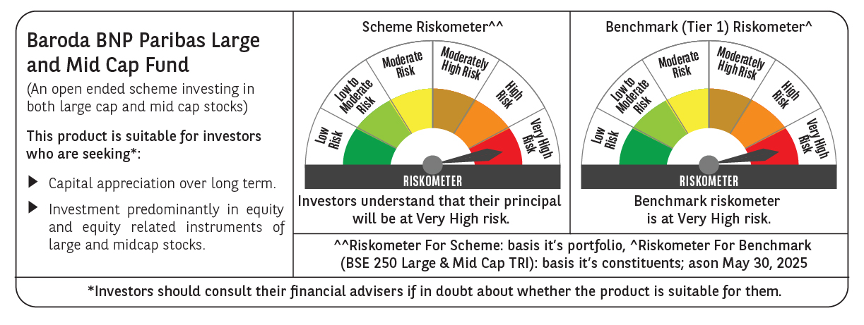
 | Baroda BNP Paribas Large & Mid Cap Fund

 | Monthly Portfolio Statement as on May 31, 2025
 | Name of the Instrument | ISIN | Industry | Quantity | Market/Fair Value (Rs. in Lakhs) | % to Net Assets | YTM~ | YTC^ | null
 | Equity & Equity related
 | (a) Listed / awaiting listing on Stock Exchanges
HDFB03 | HDFC Bank Limited | INE040A01034 | Banks | 550,000 | 10,696.95 | 6.77%
IBCL05 | ICICI Bank Limited | INE090A01021 | Banks | 600,000 | 8,674.80 | 5.49%
BTVL02 | Bharti Airtel Limited | INE397D01024 | Telecom - Services | 290,000 | 5,382.98 | 3.40%
KOMA02 | Kotak Mahindra Bank Limited | INE237A01028 | Banks | 250,000 | 5,186.75 | 3.28%
FEBA02 | The Federal Bank Limited | INE171A01029 | Banks | 2,450,000 | 4,950.47 | 3.13%
CRED02 | CRISIL Limited | INE007A01025 | Finance | 92,600 | 4,861.22 | 3.07%
KAYN01 | Kaynes Technology India Limited | INE918Z01012 | Industrial Manufacturing | 80,000 | 4,784.00 | 3.03%
HPEC01 | Hindustan Petroleum Corporation Limited | INE094A01015 | Petroleum Products | 1,100,000 | 4,521.55 | 2.86%
SHTR02 | Shriram Finance Limited | INE721A01047 | Finance | 700,000 | 4,475.45 | 2.83%
INFS02 | Infosys Limited | INE009A01021 | IT - Software | 285,000 | 4,453.70 | 2.82%
RIND01 | Reliance Industries Limited | INE002A01018 | Petroleum Products | 300,000 | 4,262.70 | 2.70%
SPIL03 | Sun Pharmaceutical Industries Limited | INE044A01036 | Pharmaceuticals & Biotechnology | 250,000 | 4,194.00 | 2.65%
PAGE01 | Page Industries Limited | INE761H01022 | Textiles & Apparels | 9,000 | 4,174.20 | 2.64%
BKBA02 | Bank of Baroda | INE028A01039 | Banks | 1,400,000 | 3,493.70 | 2.21%
MAXI02 | Max Financial Services Limited | INE180A01020 | Insurance | 225,000 | 3,381.08 | 2.14%
OIIL01 | Oil India Limited | INE274J01014 | Oil | 775,000 | 3,307.70 | 2.09%
BRIT03 | Britannia Industries Limited | INE216A01030 | Food Products | 60,000 | 3,306.30 | 2.09%
ALLI02 | GE Vernova T&D India Limited | INE200A01026 | Electrical Equipment | 145,000 | 3,250.03 | 2.06%
CONB01 | Concord Biotech Limited | INE338H01029 | Pharmaceuticals & Biotechnology | 180,000 | 3,147.30 | 1.99%
PHFP02 | PNB Housing Finance Limited | INE572E01012 | Finance | 300,000 | 3,134.70 | 1.98%
ILOM01 | ICICI Lombard General Insurance Company Limited | INE765G01017 | Insurance | 165,000 | 3,094.41 | 1.96%
ESMC02 | PB Fintech Limited | INE417T01026 | Financial Technology (Fintech) | 166,284 | 2,929.26 | 1.85%
BLUS03 | Blue Star Limited | INE472A01039 | Consumer Durables | 190,000 | 2,911.37 | 1.84%
IHOT02 | The Indian Hotels Company Limited | INE053A01029 | Leisure Services | 375,000 | 2,886.94 | 1.83%
JKCE01 | JK Cement Limited | INE823G01014 | Cement & Cement Products | 52,177 | 2,868.43 | 1.81%
IEIN02 | Info Edge (India) Limited | INE663F01032 | Retailing | 200,000 | 2,855.00 | 1.81%
ALKE01 | Alkem Laboratories Limited | INE540L01014 | Pharmaceuticals & Biotechnology | 55,000 | 2,804.18 | 1.77%
MOSU03 | Samvardhana Motherson International Limited | INE775A01035 | Auto Components | 1,800,000 | 2,756.16 | 1.74%
DIVI02 | Divi's Laboratories Limited | INE361B01024 | Pharmaceuticals & Biotechnology | 40,000 | 2,644.80 | 1.67%
AJPH03 | Ajanta Pharma Limited | INE031B01049 | Pharmaceuticals & Biotechnology | 105,000 | 2,636.34 | 1.67%
TCSL01 | Tata Consultancy Services Limited | INE467B01029 | IT - Software | 70,000 | 2,424.38 | 1.53%
ASEA02 | ABB India Limited | INE117A01022 | Electrical Equipment | 40,000 | 2,388.40 | 1.51%
FSNE01 | FSN E-Commerce Ventures Limited | INE388Y01029 | Retailing | 1,100,000 | 2,235.86 | 1.41%
LARS02 | Larsen & Toubro Limited | INE018A01030 | Construction | 57,300 | 2,105.83 | 1.33%
WABT01 | ZF Commercial Vehicle Control Systems India Limited | INE342J01019 | Auto Components | 15,000 | 2,005.20 | 1.27%
NGEL01 | NTPC Green Energy Limited | INE0ONG01011 | Power | 1,800,000 | 2,002.68 | 1.27%
APLI04 | Hexaware Technologies Limited | INE093A01041 | IT - Software | 220,625 | 1,891.86 | 1.20%
JLLH01 | Jupiter Life Line Hospitals Limited | INE682M01012 | Healthcare Services | 127,500 | 1,867.62 | 1.18%
INAV01 | InterGlobe Aviation Limited | INE646L01027 | Transport Services | 35,000 | 1,865.50 | 1.18%
ESCO01 | Escorts Kubota Limited | INE042A01014 | Agricultural, Commercial & Construction Vehicles | 55,000 | 1,826.94 | 1.16%
DIXO02 | Dixon Technologies (India) Limited | INE935N01020 | Consumer Durables | 12,000 | 1,763.04 | 1.12%
ADWI01 | AWL Agri Business Limited | INE699H01024 | Agricultural Food & other Products | 625,000 | 1,718.75 | 1.09%
AFCI01 | Afcons Infrastructure Limited | INE101I01011 | Construction | 380,000 | 1,607.59 | 1.02%
PGCI01 | Power Grid Corporation of India Limited | INE752E01010 | Power | 500,000 | 1,448.75 | 0.92%
ZMPL01 | Eternal Limited | INE758T01015 | Retailing | 500,000 | 1,191.55 | 0.75%
 | Sub Total |  |  |  | 150,370.42 | 95.12%
 | (b) Unlisted |  |  |  | NIL | NIL
 | Sub Total |  |  |  | NIL | NIL
 | Total |  |  |  | 150,370.42 | 95.12%
 | Reverse Repo / TREPS
TRP_020625 | Clearing Corporation of India Ltd |  |  |  | 7,799.51 | 4.93% | 5.77%
 | Sub Total |  |  |  | 7,799.51 | 4.93%
 | Total |  |  |  | 7,799.51 | 4.93%
 | Net Receivables / (Payables) |  |  |  | (67.86) | (0.05)%
 | GRAND TOTAL |  |  |  | 158,102.07 | 100.00%

 | ~ YTM as on May 31, 2025
 | ^ YTC represents Yield to Call provided by valuation agencies as on May 31, 2025. It is disclosed for Perpetual Bond issued by Banks (i.e. AT-1 Bond / Tier 1 Bond / Tier 2 Bond), as per AMFI Best Practices Guidelines Circular no. 135/BP/91/2020-21 read with SEBI circular No. SEBI/HO/IMD/DF4/CIR/P/2021/034 on Valuation of AT-1 Bonds and Tier 2 Bonds.

