YR54
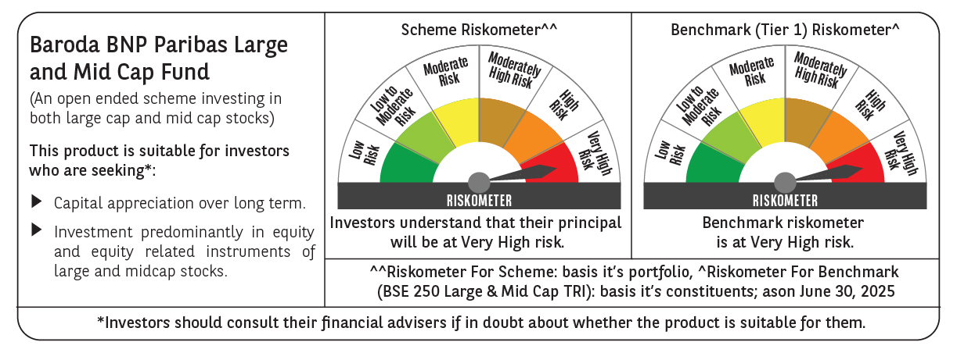
 | Baroda BNP Paribas Large & Mid Cap Fund

 | Monthly Portfolio Statement as on June 30, 2025
 | Name of the Instrument | ISIN | Industry | Quantity | Market/Fair Value (Rs. in Lakhs) | % to Net Assets | YTM~ | YTC^ | null
 | Equity & Equity related
 | (a) Listed / awaiting listing on Stock Exchanges
HDFB03 | HDFC Bank Limited | INE040A01034 | Banks | 550,000 | 11,008.25 | 6.67%
IBCL05 | ICICI Bank Limited | INE090A01021 | Banks | 600,000 | 8,674.80 | 5.26%
BTVL02 | Bharti Airtel Limited | INE397D01024 | Telecom - Services | 290,000 | 5,827.84 | 3.53%
CRED02 | CRISIL Limited | INE007A01025 | Finance | 92,600 | 5,600.45 | 3.39%
KOMA02 | Kotak Mahindra Bank Limited | INE237A01028 | Banks | 250,000 | 5,408.75 | 3.28%
FEBA02 | The Federal Bank Limited | INE171A01029 | Banks | 2,450,000 | 5,221.44 | 3.16%
SHTR02 | Shriram Finance Limited | INE721A01047 | Finance | 700,000 | 4,947.95 | 3.00%
HPEC01 | Hindustan Petroleum Corporation Limited | INE094A01015 | Petroleum Products | 1,100,000 | 4,818.55 | 2.92%
INFS02 | Infosys Limited | INE009A01021 | IT - Software | 285,000 | 4,565.13 | 2.77%
RIND01 | Reliance Industries Limited | INE002A01018 | Petroleum Products | 300,000 | 4,501.80 | 2.73%
PAGE01 | Page Industries Limited | INE761H01022 | Textiles & Apparels | 9,000 | 4,446.90 | 2.69%
SPIL03 | Sun Pharmaceutical Industries Limited | INE044A01036 | Pharmaceuticals & Biotechnology | 250,000 | 4,189.25 | 2.54%
IHOT02 | The Indian Hotels Company Limited | INE053A01029 | Leisure Services | 500,000 | 3,801.50 | 2.30%
KAYN01 | Kaynes Technology India Limited | INE918Z01012 | Industrial Manufacturing | 60,000 | 3,657.00 | 2.22%
BRIT03 | Britannia Industries Limited | INE216A01030 | Food Products | 60,000 | 3,510.60 | 2.13%
BKBA02 | Bank of Baroda | INE028A01039 | Banks | 1,400,000 | 3,482.92 | 2.11%
ALLI02 | GE Vernova T&D India Limited | INE200A01026 | Electrical Equipment | 145,000 | 3,423.60 | 2.07%
DIVI02 | Divi's Laboratories Limited | INE361B01024 | Pharmaceuticals & Biotechnology | 50,000 | 3,404.75 | 2.06%
EIML02 | Eicher Motors Limited | INE066A01021 | Automobiles | 60,000 | 3,393.90 | 2.06%
ILOM01 | ICICI Lombard General Insurance Company Limited | INE765G01017 | Insurance | 165,000 | 3,366.33 | 2.04%
OIIL01 | Oil India Limited | INE274J01014 | Oil | 775,000 | 3,365.44 | 2.04%
PHFP02 | PNB Housing Finance Limited | INE572E01012 | Finance | 300,000 | 3,328.20 | 2.02%
CONB01 | Concord Biotech Limited | INE338H01029 | Pharmaceuticals & Biotechnology | 180,000 | 3,311.28 | 2.01%
MAXI02 | Max Financial Services Limited | INE180A01020 | Insurance | 200,000 | 3,294.20 | 2.00%
JKCE01 | JK Cement Limited | INE823G01014 | Cement & Cement Products | 52,177 | 3,208.89 | 1.94%
BLUS03 | Blue Star Limited | INE472A01039 | Consumer Durables | 190,000 | 3,107.64 | 1.88%
ESMC02 | PB Fintech Limited | INE417T01026 | Financial Technology (Fintech) | 166,284 | 3,032.85 | 1.84%
INAV01 | InterGlobe Aviation Limited | INE646L01027 | Transport Services | 50,000 | 2,988.25 | 1.81%
IEIN02 | Info Edge (India) Limited | INE663F01032 | Retailing | 200,000 | 2,976.60 | 1.80%
AJPH03 | Ajanta Pharma Limited | INE031B01049 | Pharmaceuticals & Biotechnology | 105,000 | 2,702.81 | 1.64%
ASEA02 | ABB India Limited | INE117A01022 | Electrical Equipment | 40,000 | 2,432.20 | 1.47%
TEMA02 | Tech Mahindra Limited | INE669C01036 | IT - Software | 140,000 | 2,361.80 | 1.43%
FSNE01 | FSN E-Commerce Ventures Limited | INE388Y01029 | Retailing | 1,100,000 | 2,292.29 | 1.39%
BINL01 | Indus Towers Limited | INE121J01017 | Telecom - Services | 500,000 | 2,105.50 | 1.28%
LARS02 | Larsen & Toubro Limited | INE018A01030 | Construction | 57,300 | 2,102.80 | 1.27%
WABT01 | ZF Commercial Vehicle Control Systems India Limited | INE342J01019 | Auto Components | 15,000 | 2,008.80 | 1.22%
JLLH01 | Jupiter Life Line Hospitals Limited | INE682M01012 | Healthcare Services | 127,500 | 1,909.06 | 1.16%
NGEL01 | NTPC Green Energy Limited | INE0ONG01011 | Power | 1,800,000 | 1,884.42 | 1.14%
APLI04 | Hexaware Technologies Limited | INE093A01041 | IT - Software | 220,625 | 1,876.53 | 1.14%
ESCO01 | Escorts Kubota Limited | INE042A01014 | Agricultural, Commercial & Construction Vehicles | 55,000 | 1,834.03 | 1.11%
TCSL01 | Tata Consultancy Services Limited | INE467B01029 | IT - Software | 52,500 | 1,817.55 | 1.10%
PSYL02 | Persistent Systems Limited | INE262H01021 | IT - Software | 30,000 | 1,812.45 | 1.10%
DIXO02 | Dixon Technologies (India) Limited | INE935N01020 | Consumer Durables | 12,000 | 1,797.96 | 1.09%
MOSU03 | Samvardhana Motherson International Limited | INE775A01035 | Auto Components | 1,100,000 | 1,703.13 | 1.03%
KAVY06 | Karur Vysya Bank Limited | INE036D01028 | Banks | 425,000 | 1,137.05 | 0.69%
 | Sub Total |  |  |  | 157,643.44 | 95.53%
 | (b) Unlisted |  |  |  | NIL | NIL
 | Sub Total |  |  |  | NIL | NIL
 | Total |  |  |  | 157,643.44 | 95.53%
 | Reverse Repo / TREPS
TRP_010725 | Clearing Corporation of India Ltd |  |  |  | 8,828.55 | 5.35% | 5.47%
 | Sub Total |  |  |  | 8,828.55 | 5.35%
 | Total |  |  |  | 8,828.55 | 5.35%
 | Net Receivables / (Payables) |  |  |  | (1,423.15) | (0.88)%
 | GRAND TOTAL |  |  |  | 165,048.84 | 100.00%

 | ~ YTM as on June 30, 2025
 | ^ YTC represents Yield to Call provided by valuation agencies as on June 30, 2025. It is disclosed for Perpetual Bond issued by Banks (i.e. AT-1 Bond / Tier 1 Bond / Tier 2 Bond), as per AMFI Best Practices Guidelines Circular no. 135/BP/91/2020-21 read with SEBI circular No. SEBI/HO/IMD/DF4/CIR/P/2021/034 on Valuation of AT-1 Bonds and Tier 2 Bonds.

