YR54
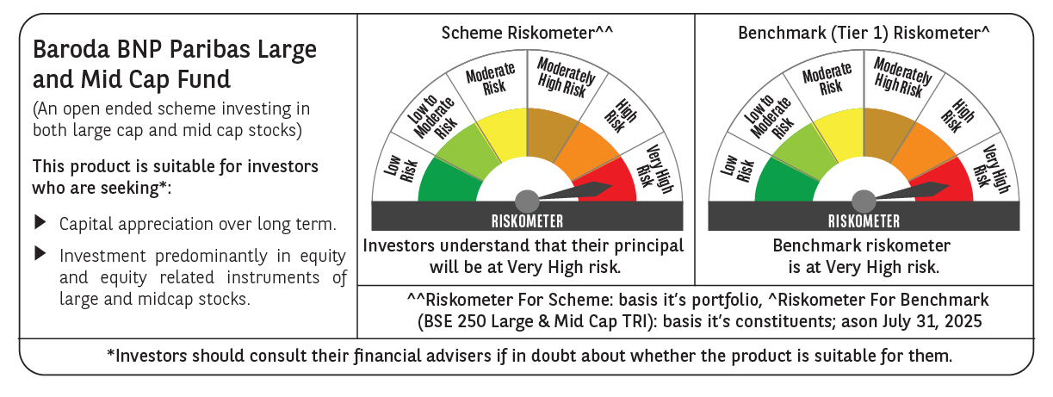
 | Baroda BNP Paribas Large & Mid Cap Fund

 | Monthly Portfolio Statement as on July 31, 2025
 | Name of the Instrument | ISIN | Industry | Quantity | Market/Fair Value (Rs. in Lakhs) | % to Net Assets | YTM~ | YTC^ | null
 | Equity & Equity related
 | (a) Listed / awaiting listing on Stock Exchanges
HDFB03 | HDFC Bank Limited | INE040A01034 | Banks | 550,000 | 11,100.10 | 6.85%
IBCL05 | ICICI Bank Limited | INE090A01021 | Banks | 600,000 | 8,888.40 | 5.49%
BTVL02 | Bharti Airtel Limited | INE397D01024 | Telecom - Services | 290,000 | 5,551.47 | 3.43%
FEBA02 | The Federal Bank Limited | INE171A01029 | Banks | 2,450,000 | 4,959.54 | 3.06%
KOMA02 | Kotak Mahindra Bank Limited | INE237A01028 | Banks | 250,000 | 4,946.50 | 3.05%
CRED02 | CRISIL Limited | INE007A01025 | Finance | 92,600 | 4,911.50 | 3.03%
HPEC01 | Hindustan Petroleum Corporation Limited | INE094A01015 | Petroleum Products | 1,100,000 | 4,602.95 | 2.84%
SHTR02 | Shriram Finance Limited | INE721A01047 | Finance | 700,000 | 4,415.95 | 2.73%
PAGE01 | Page Industries Limited | INE761H01022 | Textiles & Apparels | 9,000 | 4,392.45 | 2.71%
JKCE01 | JK Cement Limited | INE823G01014 | Cement & Cement Products | 64,977 | 4,326.82 | 2.67%
INFS02 | Infosys Limited | INE009A01021 | IT - Software | 285,000 | 4,300.65 | 2.65%
SPIL03 | Sun Pharmaceutical Industries Limited | INE044A01036 | Pharmaceuticals & Biotechnology | 250,000 | 4,266.75 | 2.63%
RIND01 | Reliance Industries Limited | INE002A01018 | Petroleum Products | 300,000 | 4,170.60 | 2.57%
ALLI02 | GE Vernova T&D India Limited | INE200A01026 | Electrical Equipment | 145,000 | 3,953.86 | 2.44%
IHOT02 | The Indian Hotels Company Limited | INE053A01029 | Leisure Services | 500,000 | 3,703.75 | 2.29%
KAYN01 | Kaynes Technology India Limited | INE918Z01012 | Industrial Manufacturing | 60,000 | 3,703.20 | 2.29%
BRIT03 | Britannia Industries Limited | INE216A01030 | Food Products | 60,000 | 3,462.60 | 2.14%
BKBA02 | Bank of Baroda | INE028A01039 | Banks | 1,400,000 | 3,330.18 | 2.06%
BLUS03 | Blue Star Limited | INE472A01039 | Consumer Durables | 190,000 | 3,302.39 | 2.04%
DIVI02 | Divi's Laboratories Limited | INE361B01024 | Pharmaceuticals & Biotechnology | 50,000 | 3,297.75 | 2.04%
EIML02 | Eicher Motors Limited | INE066A01021 | Automobiles | 60,000 | 3,281.10 | 2.02%
INAV01 | InterGlobe Aviation Limited | INE646L01027 | Transport Services | 55,000 | 3,250.78 | 2.01%
CONB01 | Concord Biotech Limited | INE338H01029 | Pharmaceuticals & Biotechnology | 180,000 | 3,181.14 | 1.96%
ILOM01 | ICICI Lombard General Insurance Company Limited | INE765G01017 | Insurance | 165,000 | 3,179.55 | 1.96%
ESMC02 | PB Fintech Limited | INE417T01026 | Financial Technology (Fintech) | 166,284 | 3,013.23 | 1.86%
PHFP02 | PNB Housing Finance Limited | INE572E01012 | Finance | 300,000 | 2,958.60 | 1.83%
AJPH03 | Ajanta Pharma Limited | INE031B01049 | Pharmaceuticals & Biotechnology | 105,000 | 2,888.97 | 1.78%
IEIN02 | Info Edge (India) Limited | INE663F01032 | Retailing | 200,000 | 2,784.60 | 1.72%
OIIL01 | Oil India Limited | INE274J01014 | Oil | 600,000 | 2,640.00 | 1.63%
FSNE01 | FSN E-Commerce Ventures Limited | INE388Y01029 | Retailing | 1,100,000 | 2,305.82 | 1.42%
ESCO01 | Escorts Kubota Limited | INE042A01014 | Agricultural, Commercial & Construction Vehicles | 68,351 | 2,296.05 | 1.42%
PSYL02 | Persistent Systems Limited | INE262H01021 | IT - Software | 44,000 | 2,270.62 | 1.40%
ASEA02 | ABB India Limited | INE117A01022 | Electrical Equipment | 40,000 | 2,204.00 | 1.36%
SMAW01 | Smartworks Coworking Spaces Ltd | INE0NAZ01010 | Commercial Services & Supplies | 507,384 | 2,158.92 | 1.33%
LARS02 | Larsen & Toubro Limited | INE018A01030 | Construction | 57,300 | 2,083.71 | 1.29%
TEMA02 | Tech Mahindra Limited | INE669C01036 | IT - Software | 140,000 | 2,049.18 | 1.26%
DIXO02 | Dixon Technologies (India) Limited | INE935N01020 | Consumer Durables | 12,000 | 2,020.92 | 1.25%
WABT01 | ZF Commercial Vehicle Control Systems India Limited | INE342J01019 | Auto Components | 15,000 | 1,977.90 | 1.22%
NGEL01 | NTPC Green Energy Limited | INE0ONG01011 | Power | 1,800,000 | 1,876.86 | 1.16%
MAXI02 | Max Financial Services Limited | INE180A01020 | Insurance | 125,000 | 1,876.75 | 1.16%
JLLH01 | Jupiter Life Line Hospitals Limited | INE682M01012 | Healthcare Services | 127,500 | 1,823.25 | 1.13%
BINL01 | Indus Towers Limited | INE121J01017 | Telecom - Services | 500,000 | 1,815.00 | 1.12%
KAVY06 | Karur Vysya Bank Limited | INE036D01028 | Banks | 640,544 | 1,688.47 | 1.04%
MOSU03 | Samvardhana Motherson International Limited | INE775A01035 | Auto Components | 1,650,000 | 1,603.31 | 0.99%
TCSL01 | Tata Consultancy Services Limited | INE467B01029 | IT - Software | 52,500 | 1,594.32 | 0.98%
APLI04 | Hexaware Technologies Limited | INE093A01041 | IT - Software | 220,625 | 1,553.20 | 0.96%
AVSP01 | Avenue Supermarts Limited | INE192R01011 | Retailing | 15,000 | 640.11 | 0.40%
 | Sub Total |  |  |  | 156,603.77 | 96.67%
 | (b) Unlisted |  |  |  | NIL | NIL
 | Sub Total |  |  |  | NIL | NIL
 | Total |  |  |  | 156,603.77 | 96.67%
 | Reverse Repo / TREPS
TRP_010825 | Clearing Corporation of India Ltd |  |  |  | 5,535.10 | 3.42% | 5.42%
 | Sub Total |  |  |  | 5,535.10 | 3.42%
 | Total |  |  |  | 5,535.10 | 3.42%
 | Net Receivables / (Payables) |  |  |  | (97.50) | (0.09)%
 | GRAND TOTAL |  |  |  | 162,041.37 | 100.00%

 | ~ YTM as on July 31, 2025
 | ^ YTC represents Yield to Call provided by valuation agencies as on July 31, 2025. It is disclosed for Perpetual Bond issued by Banks (i.e. AT-1 Bond / Tier 1 Bond / Tier 2 Bond), as per AMFI Best Practices Guidelines Circular no. 135/BP/91/2020-21 read with SEBI circular No. SEBI/HO/IMD/DF4/CIR/P/2021/034 on Valuation of AT-1 Bonds and Tier 2 Bonds.

