YR54
 | Baroda BNP Paribas Large & Mid Cap Fund

 | Monthly Portfolio Statement as on August 31, 2025
 | Name of the Instrument | ISIN | Industry | Quantity | Market/Fair Value (Rs. in Lakhs) | % to Net Assets | YTM~ | YTC^ | null
 | Equity & Equity related
 | (a) Listed / awaiting listing on Stock Exchanges
HDFB03 | HDFC Bank Limited | INE040A01034 | Banks | 1,100,000 | 10,467.60 | 6.54%
IBCL05 | ICICI Bank Limited | INE090A01021 | Banks | 650,000 | 9,085.70 | 5.68%
BTVL02 | Bharti Airtel Limited | INE397D01024 | Telecom - Services | 290,000 | 5,477.52 | 3.42%
RIND01 | Reliance Industries Limited | INE002A01018 | Petroleum Products | 375,000 | 5,089.50 | 3.18%
KOMA02 | Kotak Mahindra Bank Limited | INE237A01028 | Banks | 250,000 | 4,900.75 | 3.06%
FEBA02 | The Federal Bank Limited | INE171A01029 | Banks | 2,450,000 | 4,696.90 | 2.94%
CRED02 | CRISIL Limited | INE007A01025 | Finance | 92,600 | 4,617.04 | 2.89%
JKCE01 | JK Cement Limited | INE823G01014 | Cement & Cement Products | 64,977 | 4,513.63 | 2.82%
INFS02 | Infosys Limited | INE009A01021 | IT - Software | 285,000 | 4,188.36 | 2.62%
HPEC01 | Hindustan Petroleum Corporation Limited | INE094A01015 | Petroleum Products | 1,100,000 | 4,134.90 | 2.58%
SHTR02 | Shriram Finance Limited | INE721A01047 | Finance | 700,000 | 4,061.75 | 2.54%
PAGE01 | Page Industries Limited | INE761H01022 | Textiles & Apparels | 9,000 | 3,990.15 | 2.49%
SPIL03 | Sun Pharmaceutical Industries Limited | INE044A01036 | Pharmaceuticals & Biotechnology | 250,000 | 3,986.25 | 2.49%
LARS02 | Larsen & Toubro Limited | INE018A01030 | Construction | 110,000 | 3,961.10 | 2.48%
IHOT02 | The Indian Hotels Company Limited | INE053A01029 | Leisure Services | 500,000 | 3,792.25 | 2.37%
ILOM01 | ICICI Lombard General Insurance Company Limited | INE765G01017 | Insurance | 200,000 | 3,679.20 | 2.30%
KAYN01 | Kaynes Technology India Limited | INE918Z01012 | Industrial Manufacturing | 60,000 | 3,673.80 | 2.30%
EIML02 | Eicher Motors Limited | INE066A01021 | Automobiles | 60,000 | 3,661.80 | 2.29%
BLUS03 | Blue Star Limited | INE472A01039 | Consumer Durables | 190,000 | 3,575.23 | 2.24%
ESCO01 | Escorts Kubota Limited | INE042A01014 | Agricultural, Commercial & Construction Vehicles | 100,000 | 3,567.80 | 2.23%
DIVI02 | Divi's Laboratories Limited | INE361B01024 | Pharmaceuticals & Biotechnology | 57,500 | 3,525.61 | 2.20%
BRIT03 | Britannia Industries Limited | INE216A01030 | Food Products | 60,000 | 3,494.40 | 2.18%
PSYL02 | Persistent Systems Limited | INE262H01021 | IT - Software | 65,000 | 3,448.58 | 2.16%
ALLI02 | GE Vernova T&D India Limited | INE200A01026 | Electrical Equipment | 120,000 | 3,335.04 | 2.08%
FSNE01 | FSN E-Commerce Ventures Limited | INE388Y01029 | Retailing | 1,442,653 | 3,320.27 | 2.08%
INAV01 | InterGlobe Aviation Limited | INE646L01027 | Transport Services | 55,000 | 3,105.30 | 1.94%
ESMC02 | PB Fintech Limited | INE417T01026 | Financial Technology (Fintech) | 166,284 | 2,944.56 | 1.84%
BINL01 | Indus Towers Limited | INE121J01017 | Telecom - Services | 850,000 | 2,878.10 | 1.80%
TEMA02 | Tech Mahindra Limited | INE669C01036 | IT - Software | 180,000 | 2,666.52 | 1.67%
SMAW01 | Smartworks Coworking Spaces Ltd | INE0NAZ01010 | Commercial Services & Supplies | 507,384 | 2,482.12 | 1.55%
ZMPL01 | Eternal Limited | INE758T01015 | Retailing | 750,000 | 2,354.63 | 1.47%
CONB01 | Concord Biotech Limited | INE338H01029 | Pharmaceuticals & Biotechnology | 140,000 | 2,354.38 | 1.47%
AJPH03 | Ajanta Pharma Limited | INE031B01049 | Pharmaceuticals & Biotechnology | 90,000 | 2,229.84 | 1.39%
KAVY06 | Karur Vysya Bank Limited | INE036D01028 | Banks | 990,000 | 2,119.10 | 1.32%
ONCO02 | One 97 Communications Limited | INE982J01020 | Financial Technology (Fintech) | 175,000 | 2,112.25 | 1.32%
WABT01 | ZF Commercial Vehicle Control Systems India Limited | INE342J01019 | Auto Components | 15,000 | 2,111.25 | 1.32%
DIXO02 | Dixon Technologies (India) Limited | INE935N01020 | Consumer Durables | 12,000 | 2,002.80 | 1.25%
MAXI02 | Max Financial Services Limited | INE180A01020 | Insurance | 125,000 | 2,002.75 | 1.25%
INBK01 | Indian Bank | INE562A01011 | Banks | 300,000 | 1,959.30 | 1.22%
JLLH01 | Jupiter Life Line Hospitals Limited | INE682M01012 | Healthcare Services | 127,500 | 1,798.26 | 1.12%
TCSL01 | Tata Consultancy Services Limited | INE467B01029 | IT - Software | 52,500 | 1,619.47 | 1.01%
AVSP01 | Avenue Supermarts Limited | INE192R01011 | Retailing | 34,000 | 1,616.90 | 1.01%
MOSU03 | Samvardhana Motherson International Limited | INE775A01035 | Auto Components | 1,650,000 | 1,530.38 | 0.96%
APLI04 | Hexaware Technologies Limited | INE093A01041 | IT - Software | 200,000 | 1,515.50 | 0.95%
IEIN02 | Info Edge (India) Limited | INE663F01032 | Retailing | 45,143 | 613.09 | 0.38%
PHFP02 | PNB Housing Finance Limited | INE572E01012 | Finance | 75,000 | 565.20 | 0.35%
 | Sub Total |  |  |  | 154,826.83 | 96.75%
 | (b) Unlisted |  |  |  | NIL | NIL
 | Sub Total |  |  |  | NIL | NIL
 | Total |  |  |  | 154,826.83 | 96.75%
 | Reverse Repo / TREPS
TRP_010925 | Clearing Corporation of India Ltd |  |  |  | 5,100.57 | 3.19% | 5.39%
 | Sub Total |  |  |  | 5,100.57 | 3.19%
 | Total |  |  |  | 5,100.57 | 3.19%
 | Net Receivables / (Payables) |  |  |  | 35.55 | 0.06%
 | GRAND TOTAL |  |  |  | 159,962.95 | 100.00%

 | ~ YTM as on August 31, 2025
 | ^ YTC represents Yield to Call provided by valuation agencies as on August 31, 2025. It is disclosed for Perpetual Bond issued by Banks (i.e. AT-1 Bond / Tier 1 Bond / Tier 2 Bond), as per AMFI Best Practices Guidelines Circular no. 135/BP/91/2020-21 read with SEBI circular No. SEBI/HO/IMD/DF4/CIR/P/2021/034 on Valuation of AT-1 Bonds and Tier 2 Bonds.

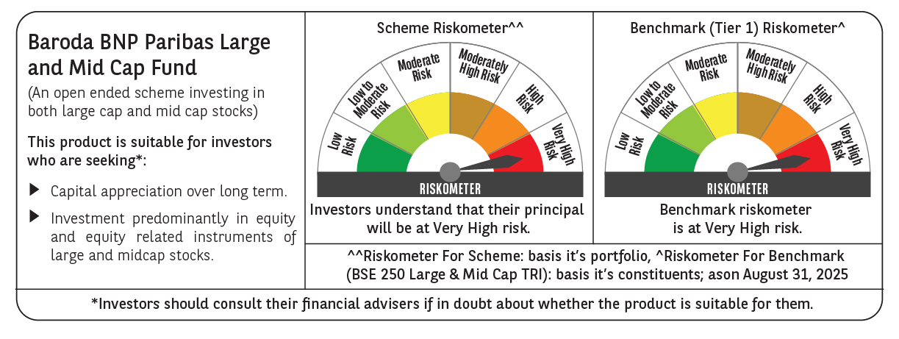

 | Monthly Performance Link: https://www.barodabnpparibasmf.in/assets/download_documents/Performance_of_Schemes_14126.pdf

