Monthly Portfolio
 | Baroda BNP Paribas Large & Mid Cap Fund

 | Monthly Portfolio Statement as on September 30, 2025
 | Name of the Instrument | ISIN | Industry / Rating | Quantity | Market/Fair Value (Rs. in Lakhs) | % to Net Assets | YTM~ | YTC^ | null
 | Equity & Equity related
 | (a) Listed / awaiting listing on Stock Exchanges
HDFB03 | HDFC Bank Limited | INE040A01034 | Banks | 1,100,000 | 10,461.00 | 6.51%
IBCL05 | ICICI Bank Limited | INE090A01021 | Banks | 650,000 | 8,762.00 | 5.45%
BTVL02 | Bharti Airtel Limited | INE397D01024 | Telecom - Services | 290,000 | 5,447.36 | 3.39%
RIND01 | Reliance Industries Limited | INE002A01018 | Petroleum Products | 375,000 | 5,115.00 | 3.18%
HPEC01 | Hindustan Petroleum Corporation Limited | INE094A01015 | Petroleum Products | 1,100,000 | 4,877.40 | 3.04%
FEBA02 | The Federal Bank Limited | INE171A01029 | Banks | 2,450,000 | 4,726.79 | 2.94%
SHTR02 | Shriram Finance Limited | INE721A01047 | Finance | 700,000 | 4,312.70 | 2.68%
KAYN01 | Kaynes Technology India Limited | INE918Z01012 | Industrial Manufacturing | 60,000 | 4,231.20 | 2.63%
INFS02 | Infosys Limited | INE009A01021 | IT - Software | 285,000 | 4,109.13 | 2.56%
CRED02 | CRISIL Limited | INE007A01025 | Finance | 92,600 | 4,108.29 | 2.56%
JKCE01 | JK Cement Limited | INE823G01014 | Cement & Cement Products | 64,977 | 4,093.55 | 2.55%
LARS02 | Larsen & Toubro Limited | INE018A01030 | Construction | 110,000 | 4,024.90 | 2.51%
INBK01 | Indian Bank | INE562A01011 | Banks | 515,000 | 3,866.11 | 2.41%
ILOM01 | ICICI Lombard General Insurance Company Limited | INE765G01017 | Insurance | 200,000 | 3,779.60 | 2.35%
IHOT02 | The Indian Hotels Company Limited | INE053A01029 | Leisure Services | 500,000 | 3,601.50 | 2.24%
BRIT03 | Britannia Industries Limited | INE216A01030 | Food Products | 60,000 | 3,594.60 | 2.24%
ESCO01 | Escorts Kubota Limited | INE042A01014 | Agricultural, Commercial & Construction Vehicles | 100,000 | 3,446.60 | 2.15%
DIVI02 | Divi's Laboratories Limited | INE361B01024 | Pharmaceuticals & Biotechnology | 60,000 | 3,413.70 | 2.12%
ONCO02 | One 97 Communications Limited | INE982J01020 | Financial Technology (Fintech) | 300,000 | 3,371.40 | 2.10%
FSNE01 | FSN E-Commerce Ventures Limited | INE388Y01029 | Retailing | 1,442,653 | 3,352.44 | 2.09%
ALLI02 | GE Vernova T&D India Limited | INE200A01026 | Electrical Equipment | 112,527 | 3,331.36 | 2.07%
PSYL02 | Persistent Systems Limited | INE262H01021 | IT - Software | 65,000 | 3,134.63 | 1.95%
BLUS03 | Blue Star Limited | INE472A01039 | Consumer Durables | 158,400 | 2,979.50 | 1.85%
BINL01 | Indus Towers Limited | INE121J01017 | Telecom - Services | 850,000 | 2,914.65 | 1.81%
SPIL03 | Sun Pharmaceutical Industries Limited | INE044A01036 | Pharmaceuticals & Biotechnology | 180,000 | 2,869.74 | 1.79%
SMAW01 | Smartworks Coworking Spaces Ltd | INE0NAZ01010 | Commercial Services & Supplies | 507,384 | 2,850.23 | 1.77%
ESMC02 | PB Fintech Limited | INE417T01026 | Financial Technology (Fintech) | 166,284 | 2,830.15 | 1.76%
AVSP01 | Avenue Supermarts Limited | INE192R01011 | Retailing | 60,000 | 2,685.24 | 1.67%
KOMA02 | Kotak Mahindra Bank Limited | INE237A01028 | Banks | 130,000 | 2,590.51 | 1.61%
TEMA02 | Tech Mahindra Limited | INE669C01036 | IT - Software | 180,000 | 2,520.54 | 1.57%
ZMPL01 | Eternal Limited | INE758T01015 | Retailing | 750,000 | 2,441.25 | 1.52%
PAGE01 | Page Industries Limited | INE761H01022 | Textiles & Apparels | 6,000 | 2,441.10 | 1.52%
INAV01 | InterGlobe Aviation Limited | INE646L01027 | Transport Services | 40,000 | 2,237.80 | 1.39%
KAVY06 | Karur Vysya Bank Limited | INE036D01028 | Banks | 1,050,000 | 2,214.56 | 1.38%
AJPH03 | Ajanta Pharma Limited | INE031B01049 | Pharmaceuticals & Biotechnology | 90,000 | 2,165.67 | 1.35%
MOSU03 | Samvardhana Motherson International Limited | INE775A01035 | Auto Components | 2,000,000 | 2,113.00 | 1.32%
EIML02 | Eicher Motors Limited | INE066A01021 | Automobiles | 30,000 | 2,101.65 | 1.31%
MAXI02 | Max Financial Services Limited | INE180A01020 | Insurance | 125,000 | 1,969.88 | 1.23%
DIXO02 | Dixon Technologies (India) Limited | INE935N01020 | Consumer Durables | 12,000 | 1,958.64 | 1.22%
JLLH01 | Jupiter Life Line Hospitals Limited | INE682M01012 | Healthcare Services | 127,500 | 1,939.15 | 1.21%
HYUN01 | Hyundai Motor India Ltd | INE0V6F01027 | Automobiles | 75,000 | 1,938.30 | 1.21%
WABT01 | ZF Commercial Vehicle Control Systems India Limited | INE342J01019 | Auto Components | 15,000 | 1,935.75 | 1.20%
APLI04 | Hexaware Technologies Limited | INE093A01041 | IT - Software | 185,000 | 1,240.43 | 0.77%
MALE02 | Poonawalla Fincorp Limited | INE511C01022 | Finance | 225,000 | 1,119.60 | 0.70%
CONB01 | Concord Biotech Limited | INE338H01029 | Pharmaceuticals & Biotechnology | 50,000 | 823.85 | 0.51%
MAHI02 | Mahindra & Mahindra Limited | INE101A01026 | Automobiles | 20,000 | 685.40 | 0.43%
 | Sub Total |  |  |  | 150,727.85 | 93.82%
 | (b) Unlisted |  |  |  | NIL | NIL
 | Sub Total |  |  |  | NIL | NIL
 | Total |  |  |  | 150,727.85 | 93.82%
 | Money Market Instruments
 | Treasury Bill
TBIL2490 | 364 Days Tbill (MD 26/03/2026) | IN002024Z503 | Sovereign | 1,200,000 | 1,168.92 | 0.73% | 5.51%
 | Sub Total |  |  |  | 1,168.92 | 0.73%
 | Total |  |  |  | 1,168.92 | 0.73%
 | Reverse Repo / TREPS
TRP_011025 | Clearing Corporation of India Ltd |  |  |  | 10,074.85 | 6.27% | 5.53%
 | Sub Total |  |  |  | 10,074.85 | 6.27%
 | Total |  |  |  | 10,074.85 | 6.27%
 | Net Receivables / (Payables) |  |  |  | (1,314.64) | (0.82)%
 | GRAND TOTAL |  |  |  | 160,656.98 | 100.00%

 | ~ YTM as on September 30, 2025
 | ^ YTC represents Yield to Call provided by valuation agencies as on September 30, 2025. It is disclosed for Perpetual Bond issued by Banks (i.e. AT-1 Bond / Tier 1 Bond / Tier 2 Bond), as per AMFI Best Practices Guidelines Circular no. 135/BP/91/2020-21 read with SEBI circular No. SEBI/HO/IMD/DF4/CIR/P/2021/034 on Valuation of AT-1 Bonds and Tier 2 Bonds.

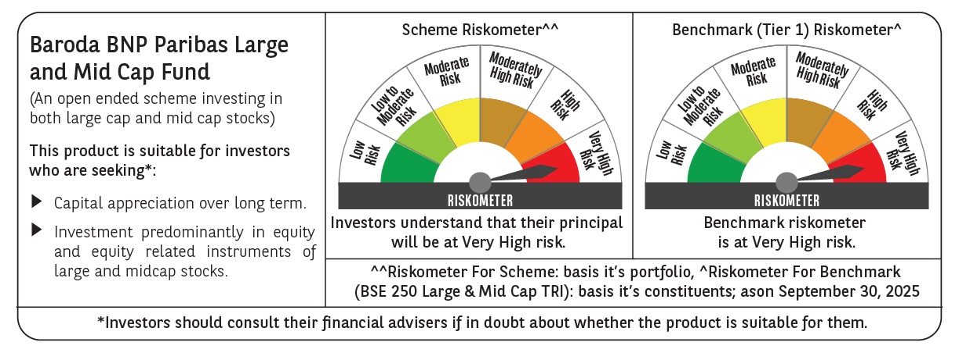

 | Monthly Performance Link: https://www.barodabnpparibasmf.in/assets/download_documents/Performance_of_Schemes_September_14618.pdf

