YR54
 | Baroda BNP Paribas Large & Mid Cap Fund

 | Monthly Portfolio Statement as on October 31, 2025
 | Name of the Instrument | ISIN | Industry / Rating | Quantity | Market/Fair Value (Rs. in Lakhs) | % to Net Assets | YTM~ | YTC^ | null
 | Equity & Equity related
 | (a) Listed / awaiting listing on Stock Exchanges
HDFB03 | HDFC Bank Limited | INE040A01034 | Banks | 1,100,000 | 10,860.30 | 6.40%
IBCL05 | ICICI Bank Limited | INE090A01021 | Banks | 625,000 | 8,408.13 | 4.95%
BTVL02 | Bharti Airtel Limited | INE397D01024 | Telecom - Services | 280,000 | 5,752.60 | 3.39%
HPEC01 | Hindustan Petroleum Corporation Limited | INE094A01015 | Petroleum Products | 1,100,000 | 5,236.00 | 3.08%
RIND01 | Reliance Industries Limited | INE002A01018 | Petroleum Products | 350,000 | 5,202.40 | 3.06%
FEBA02 | The Federal Bank Limited | INE171A01029 | Banks | 2,100,000 | 4,968.81 | 2.93%
CRED02 | CRISIL Limited | INE007A01025 | Finance | 92,600 | 4,564.44 | 2.69%
INFS02 | Infosys Limited | INE009A01021 | IT - Software | 300,000 | 4,446.90 | 2.62%
LARS02 | Larsen & Toubro Limited | INE018A01030 | Construction | 110,000 | 4,433.99 | 2.61%
INBK01 | Indian Bank | INE562A01011 | Banks | 515,000 | 4,422.31 | 2.61%
JKCE01 | JK Cement Limited | INE823G01014 | Cement & Cement Products | 70,000 | 4,349.80 | 2.56%
ONCO02 | One 97 Communications Limited | INE982J01020 | Financial Technology (Fintech) | 325,000 | 4,235.40 | 2.50%
ESCO01 | Escorts Kubota Limited | INE042A01014 | Agricultural, Commercial & Construction Vehicles | 110,000 | 4,165.15 | 2.45%
SHTR02 | Shriram Finance Limited | INE721A01047 | Finance | 550,000 | 4,118.95 | 2.43%
KAYN01 | Kaynes Technology India Limited | INE918Z01012 | Industrial Manufacturing | 60,000 | 4,022.70 | 2.37%
PSYL02 | Persistent Systems Limited | INE262H01021 | IT - Software | 65,000 | 3,845.79 | 2.27%
ILOM01 | ICICI Lombard General Insurance Company Limited | INE765G01017 | Insurance | 190,000 | 3,788.03 | 2.23%
IHOT02 | The Indian Hotels Company Limited | INE053A01029 | Leisure Services | 500,000 | 3,709.00 | 2.19%
MAHI02 | Mahindra & Mahindra Limited | INE101A01026 | Automobiles | 105,000 | 3,661.56 | 2.16%
HYUN01 | Hyundai Motor India Ltd | INE0V6F01027 | Automobiles | 150,000 | 3,658.05 | 2.16%
FSNE01 | FSN E-Commerce Ventures Limited | INE388Y01029 | Retailing | 1,442,653 | 3,576.91 | 2.11%
BRIT03 | Britannia Industries Limited | INE216A01030 | Food Products | 60,000 | 3,501.90 | 2.06%
DIVI02 | Divi's Laboratories Limited | INE361B01024 | Pharmaceuticals & Biotechnology | 49,250 | 3,318.47 | 1.95%
BLUS03 | Blue Star Limited | INE472A01039 | Consumer Durables | 158,400 | 3,068.84 | 1.81%
BHAH02 | Bharat Heavy Electricals Limited | INE257A01026 | Electrical Equipment | 1,150,000 | 3,053.14 | 1.80%
SMAW01 | Smartworks Coworking Spaces Ltd | INE0NAZ01010 | Commercial Services & Supplies | 507,384 | 2,941.05 | 1.73%
ALLI02 | GE Vernova T&D India Limited | INE200A01026 | Electrical Equipment | 92,204 | 2,800.60 | 1.65%
SPIL03 | Sun Pharmaceutical Industries Limited | INE044A01036 | Pharmaceuticals & Biotechnology | 160,000 | 2,705.12 | 1.59%
MOSU03 | Samvardhana Motherson International Limited | INE775A01035 | Auto Components | 2,500,000 | 2,634.75 | 1.55%
TEMA02 | Tech Mahindra Limited | INE669C01036 | IT - Software | 180,000 | 2,563.92 | 1.51%
KAVY06 | Karur Vysya Bank Limited | INE036D01028 | Banks | 1,050,000 | 2,553.08 | 1.50%
AVSP01 | Avenue Supermarts Limited | INE192R01011 | Retailing | 60,000 | 2,492.10 | 1.47%
ZMPL01 | Eternal Limited | INE758T01015 | Retailing | 750,000 | 2,383.13 | 1.40%
AJPH03 | Ajanta Pharma Limited | INE031B01049 | Pharmaceuticals & Biotechnology | 90,000 | 2,218.77 | 1.31%
BINL01 | Indus Towers Limited | INE121J01017 | Telecom - Services | 600,000 | 2,181.60 | 1.29%
HZIN02 | Hindustan Zinc Limited | INE267A01025 | Non - Ferrous Metals | 450,000 | 2,144.25 | 1.26%
EIML02 | Eicher Motors Limited | INE066A01021 | Automobiles | 30,000 | 2,102.10 | 1.24%
JLLH01 | Jupiter Life Line Hospitals Limited | INE682M01012 | Healthcare Services | 127,500 | 2,025.08 | 1.19%
MAXI02 | Max Financial Services Limited | INE180A01020 | Insurance | 125,000 | 1,933.13 | 1.14%
LGEL01 | LG Electronics India Ltd | INE324D01010 | Consumer Durables | 115,984 | 1,929.51 | 1.14%
MALE02 | Poonawalla Fincorp Limited | INE511C01022 | Finance | 400,000 | 1,927.40 | 1.14%
DIXO02 | Dixon Technologies (India) Limited | INE935N01020 | Consumer Durables | 12,000 | 1,859.28 | 1.10%
ESMC02 | PB Fintech Limited | INE417T01026 | Financial Technology (Fintech) | 100,000 | 1,785.40 | 1.05%
WABT01 | ZF Commercial Vehicle Control Systems India Limited | INE342J01019 | Auto Components | 13,000 | 1,615.12 | 0.95%
KOMA02 | Kotak Mahindra Bank Limited | INE237A01028 | Banks | 75,000 | 1,576.65 | 0.93%
INAV01 | InterGlobe Aviation Limited | INE646L01027 | Transport Services | 26,100 | 1,468.13 | 0.86%
APLI04 | Hexaware Technologies Limited | INE093A01041 | IT - Software | 177,010 | 1,216.77 | 0.72%
PRRC03 | Navin Fluorine International Limited | INE048G01026 | Chemicals & Petrochemicals | 15,000 | 853.11 | 0.50%
 | Sub Total |  |  |  | 162,279.62 | 95.61%
 | (b) Unlisted |  |  |  | NIL | NIL
 | Sub Total |  |  |  | NIL | NIL
 | Total |  |  |  | 162,279.62 | 95.61%
 | Money Market Instruments
 | Treasury Bill
TBIL2490 | 364 Days Tbill (MD 26/03/2026) | IN002024Z503 | Sovereign | 1,200,000 | 1,174.37 | 0.69% | 5.49%
 | Sub Total |  |  |  | 1,174.37 | 0.69%
 | Total |  |  |  | 1,174.37 | 0.69%
 | Reverse Repo / TREPS
TRP_031125 | Clearing Corporation of India Ltd |  |  |  | 6,820.76 | 4.02% | 5.59%
 | Sub Total |  |  |  | 6,820.76 | 4.02%
 | Total |  |  |  | 6,820.76 | 4.02%
 | Net Receivables / (Payables) |  |  |  | (531.64) | (0.32)%
 | GRAND TOTAL |  |  |  | 169,743.11 | 100.00%

 | ~ YTM as on October 31, 2025
 | ^ YTC represents Yield to Call provided by valuation agencies as on October 31, 2025. It is disclosed for Perpetual Bond issued by Banks (i.e. AT-1 Bond / Tier 1 Bond / Tier 2 Bond), as per AMFI Best Practices Guidelines Circular no. 135/BP/91/2020-21 read with SEBI circular No. SEBI/HO/IMD/DF4/CIR/P/2021/034 on Valuation of AT-1 Bonds and Tier 2 Bonds.

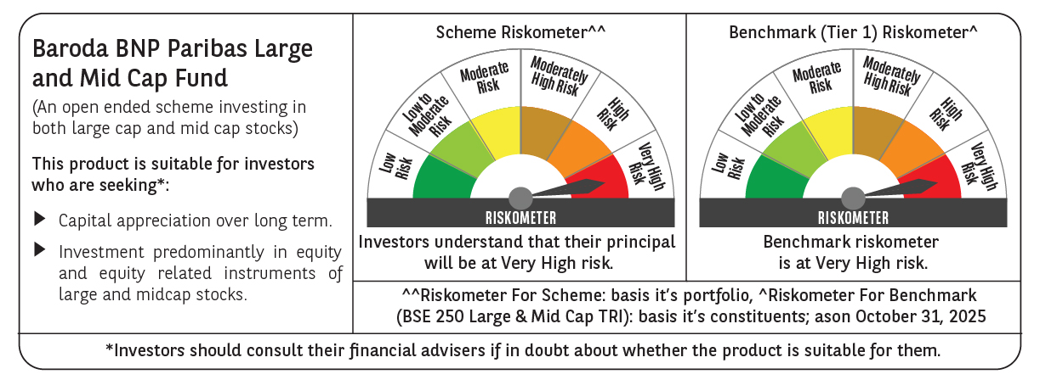

 | Monthly Performance Link: https://www.barodabnpparibasmf.in/assets/download_documents/Performance_of_Schemes-October_2025_15267.pdf

