YR54
 | Baroda BNP Paribas Large & Mid Cap Fund

 | Monthly Portfolio Statement as on November 30, 2025
 | Name of the Instrument | ISIN | Industry / Rating | Quantity | Market/Fair Value (Rs. in Lakhs) | % to Net Assets | YTM~ | YTC^ | null
 | Equity & Equity related
 | (a) Listed / awaiting listing on Stock Exchanges
HDFB03 | HDFC Bank Limited | INE040A01034 | Banks | 1,100,000 | 11,083.60 | 6.38%
IBCL05 | ICICI Bank Limited | INE090A01021 | Banks | 390,000 | 5,416.32 | 3.12%
FEBA02 | The Federal Bank Limited | INE171A01029 | Banks | 2,100,000 | 5,416.32 | 3.12%
JKCE01 | JK Cement Limited | INE823G01014 | Cement & Cement Products | 90,000 | 5,182.20 | 2.98%
RIND01 | Reliance Industries Limited | INE002A01018 | Petroleum Products | 325,000 | 5,094.38 | 2.93%
INFS02 | Infosys Limited | INE009A01021 | IT - Software | 325,000 | 5,070.33 | 2.92%
BTVL02 | Bharti Airtel Limited | INE397D01024 | Telecom - Services | 240,000 | 5,043.84 | 2.90%
HPEC01 | Hindustan Petroleum Corporation Limited | INE094A01015 | Petroleum Products | 1,100,000 | 5,032.50 | 2.89%
IHOT02 | The Indian Hotels Company Limited | INE053A01029 | Leisure Services | 650,000 | 4,837.95 | 2.78%
LARS02 | Larsen & Toubro Limited | INE018A01030 | Construction | 110,000 | 4,476.56 | 2.57%
ONCO02 | One 97 Communications Limited | INE982J01020 | Financial Technology (Fintech) | 325,000 | 4,291.95 | 2.47%
FSNE01 | FSN E-Commerce Ventures Limited | INE388Y01029 | Retailing | 1,575,000 | 4,210.13 | 2.42%
ESCO01 | Escorts Kubota Limited | INE042A01014 | Agricultural, Commercial & Construction Vehicles | 110,000 | 4,199.14 | 2.42%
PSYL02 | Persistent Systems Limited | INE262H01021 | IT - Software | 65,000 | 4,129.45 | 2.38%
MAHI02 | Mahindra & Mahindra Limited | INE101A01026 | Automobiles | 105,000 | 3,945.17 | 2.27%
BHAH02 | Bharat Heavy Electricals Limited | INE257A01026 | Electrical Equipment | 1,300,000 | 3,781.05 | 2.17%
ILOM01 | ICICI Lombard General Insurance Company Limited | INE765G01017 | Insurance | 190,000 | 3,743.95 | 2.15%
EIML02 | Eicher Motors Limited | INE066A01021 | Automobiles | 50,000 | 3,526.75 | 2.03%
BRIT03 | Britannia Industries Limited | INE216A01030 | Food Products | 60,000 | 3,507.60 | 2.02%
MOSU03 | Samvardhana Motherson International Limited | INE775A01035 | Auto Components | 3,000,000 | 3,489.30 | 2.01%
HYUN01 | Hyundai Motor India Ltd | INE0V6F01027 | Automobiles | 150,000 | 3,489.00 | 2.01%
KAYN01 | Kaynes Technology India Limited | INE918Z01012 | Industrial Manufacturing | 60,000 | 3,294.00 | 1.89%
SAGI01 | Sagility Limited | INE0W2G01015 | IT - Services | 6,302,521 | 3,156.30 | 1.82%
BLUS03 | Blue Star Limited | INE472A01039 | Consumer Durables | 174,460 | 3,079.92 | 1.77%
SPIL03 | Sun Pharmaceutical Industries Limited | INE044A01036 | Pharmaceuticals & Biotechnology | 160,000 | 2,930.56 | 1.69%
HZIN02 | Hindustan Zinc Limited | INE267A01025 | Non - Ferrous Metals | 600,000 | 2,911.20 | 1.67%
SHTR02 | Shriram Finance Limited | INE721A01047 | Finance | 325,000 | 2,767.86 | 1.59%
TEMA02 | Tech Mahindra Limited | INE669C01036 | IT - Software | 180,000 | 2,731.14 | 1.57%
INBK01 | Indian Bank | INE562A01011 | Banks | 300,000 | 2,610.75 | 1.50%
KAVY06 | Karur Vysya Bank Limited | INE036D01028 | Banks | 1,050,000 | 2,603.69 | 1.50%
ALLI02 | GE Vernova T&D India Limited | INE200A01026 | Electrical Equipment | 84,904 | 2,446.42 | 1.41%
SMAW01 | Smartworks Coworking Spaces Ltd | INE0NAZ01010 | Commercial Services & Supplies | 507,384 | 2,438.74 | 1.40%
BINL01 | Indus Towers Limited | INE121J01017 | Telecom - Services | 600,000 | 2,406.30 | 1.38%
AVSP01 | Avenue Supermarts Limited | INE192R01011 | Retailing | 60,000 | 2,397.90 | 1.38%
INAV01 | InterGlobe Aviation Limited | INE646L01027 | Transport Services | 40,000 | 2,360.60 | 1.36%
AJPH03 | Ajanta Pharma Limited | INE031B01049 | Pharmaceuticals & Biotechnology | 90,000 | 2,304.72 | 1.33%
ZMPL01 | Eternal Limited | INE758T01015 | Retailing | 750,000 | 2,250.75 | 1.29%
LGEL01 | LG Electronics India Ltd | INE324D01010 | Consumer Durables | 135,000 | 2,240.06 | 1.29%
MALE02 | Poonawalla Fincorp Limited | INE511C01022 | Finance | 465,000 | 2,233.40 | 1.28%
DIXO02 | Dixon Technologies (India) Limited | INE935N01020 | Consumer Durables | 15,000 | 2,190.15 | 1.26%
IIBL01 | IndusInd Bank Limited | INE095A01012 | Banks | 249,486 | 2,141.96 | 1.23%
MAXI02 | Max Financial Services Limited | INE180A01020 | Insurance | 125,000 | 2,127.63 | 1.22%
DIVI02 | Divi's Laboratories Limited | INE361B01024 | Pharmaceuticals & Biotechnology | 32,500 | 2,105.03 | 1.21%
JSPL03 | Jindal Steel Limited | INE749A01030 | Ferrous Metals | 200,000 | 2,088.80 | 1.20%
CANB02 | Canara Bank | INE476A01022 | Banks | 1,250,000 | 1,894.75 | 1.09%
JLLH01 | Jupiter Life Line Hospitals Limited | INE682M01012 | Healthcare Services | 127,500 | 1,887.13 | 1.09%
IIFM02 | 360 One WAM Limited | INE466L01038 | Capital Markets | 150,000 | 1,774.80 | 1.02%
RAKH02 | Radico Khaitan Limited | INE944F01028 | Beverages | 50,000 | 1,604.05 | 0.92%
KOMA02 | Kotak Mahindra Bank Limited | INE237A01028 | Banks | 75,000 | 1,593.30 | 0.92%
CRED02 | CRISIL Limited | INE007A01025 | Finance | 26,554 | 1,174.67 | 0.68%
PRRC03 | Navin Fluorine International Limited | INE048G01026 | Chemicals & Petrochemicals | 20,000 | 1,147.10 | 0.66%
 | Sub Total |  |  |  | 167,861.17 | 96.56%
 | (b) Unlisted |  |  |  | NIL | NIL
 | Sub Total |  |  |  | NIL | NIL
 | Total |  |  |  | 167,861.17 | 96.56%
 | Money Market Instruments
 | Treasury Bill
TBIL2490 | 364 Days Tbill (MD 26/03/2026) | IN002024Z503 | Sovereign | 500,000 | 491.67 | 0.28% | 5.38%
 | Sub Total |  |  |  | 491.67 | 0.28%
 | Total |  |  |  | 491.67 | 0.28%
 | Reverse Repo / TREPS
TRP_011225 | Clearing Corporation of India Ltd |  |  |  | 6,159.12 | 3.54% | 5.43%
 | Sub Total |  |  |  | 6,159.12 | 3.54%
 | Total |  |  |  | 6,159.12 | 3.54%
 | Net Receivables / (Payables) |  |  |  | (663.35) | (0.38)%
 | GRAND TOTAL |  |  |  | 173,848.61 | 100.00%

 | ~ YTM as on November 30, 2025
 | ^ YTC represents Yield to Call provided by valuation agencies as on November 30, 2025. It is disclosed for Perpetual Bond issued by Banks (i.e. AT-1 Bond / Tier 1 Bond / Tier 2 Bond), as per AMFI Best Practices Guidelines Circular no. 135/BP/91/2020-21 read with SEBI circular No. SEBI/HO/IMD/DF4/CIR/P/2021/034 on Valuation of AT-1 Bonds and Tier 2 Bonds.

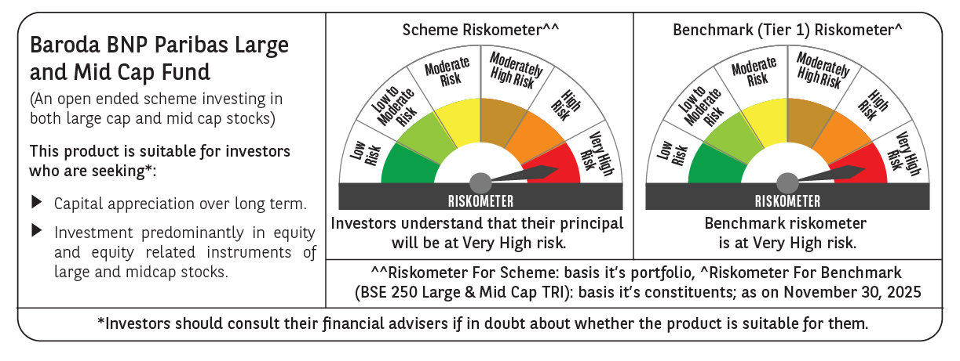

 | Monthly Performance Link: https://www.barodabnpparibasmf.in/assets/download_documents/Performance_of_Schemes_Nov-2025_15612.pdf

