YR54
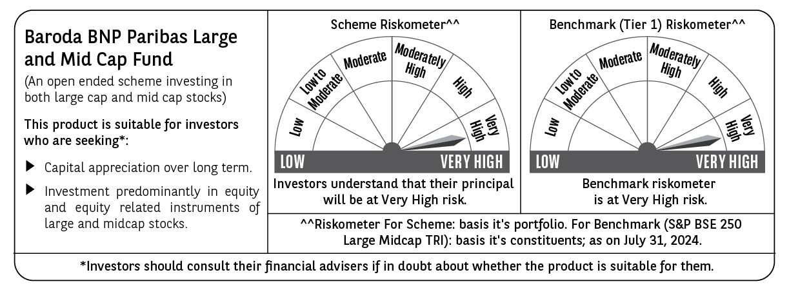
 | Baroda BNP Paribas Large & Mid Cap Fund

 | Monthly Portfolio Statement as on July 31, 2024
 | Name of the Instrument | ISIN | Industry | Quantity | Market/Fair Value (Rs. in Lakhs) | % to Net Assets | YTM~ | YTC^ | null
 | Equity & Equity related
 | (a) Listed / awaiting listing on Stock Exchanges
HDFB03 | HDFC Bank Limited | INE040A01034 | Banks | 350,000 | 5,655.13 | 4.11%
INFS02 | Infosys Limited | INE009A01021 | IT - Software | 300,000 | 5,604.75 | 4.08%
LARS02 | Larsen & Toubro Limited | INE018A01030 | Construction | 105,000 | 4,005.75 | 2.91%
NHPC01 | NHPC Limited | INE848E01016 | Power | 3,800,000 | 3,991.52 | 2.90%
RIND01 | Reliance Industries Limited | INE002A01018 | Petroleum Products | 125,000 | 3,763.56 | 2.74%
AJPH03 | Ajanta Pharma Limited | INE031B01049 | Pharmaceuticals & Biotechnology | 135,000 | 3,638.39 | 2.65%
DIXO02 | Dixon Technologies (India) Limited | INE935N01020 | Consumer Durables | 30,000 | 3,631.94 | 2.64%
CAMS01 | Computer Age Management Services Limited | INE596I01012 | Capital Markets | 75,000 | 3,400.65 | 2.47%
ESMC02 | PB Fintech Limited | INE417T01026 | Financial Technology (Fintech) | 225,000 | 3,269.25 | 2.38%
OIIL01 | Oil India Limited | INE274J01014 | Oil | 550,000 | 3,176.53 | 2.31%
CONB01 | Concord Biotech Limited | INE338H01029 | Pharmaceuticals & Biotechnology | 188,700 | 3,095.43 | 2.25%
TCSL01 | Tata Consultancy Services Limited | INE467B01029 | IT - Software | 70,000 | 3,069.75 | 2.23%
ALKE01 | Alkem Laboratories Limited | INE540L01014 | Pharmaceuticals & Biotechnology | 55,000 | 2,920.23 | 2.12%
BFLS01 | Mphasis Limited | INE356A01018 | IT - Software | 100,000 | 2,892.50 | 2.10%
TELC03 | Tata Motors Limited | INE155A01022 | Automobiles | 250,000 | 2,891.63 | 2.10%
BINL01 | Indus Towers Limited | INE121J01017 | Telecom - Services | 650,000 | 2,815.48 | 2.05%
PGCI01 | Power Grid Corporation of India Limited | INE752E01010 | Power | 800,000 | 2,785.60 | 2.03%
JSTA02 | Jindal Stainless Limited | INE220G01021 | Ferrous Metals | 370,000 | 2,739.85 | 1.99%
IBCL05 | ICICI Bank Limited | INE090A01021 | Banks | 225,000 | 2,733.53 | 1.99%
COLG02 | Colgate Palmolive (India) Limited | INE259A01022 | Personal Products | 80,000 | 2,729.68 | 1.99%
PHMI02 | The Phoenix Mills Limited | INE211B01039 | Realty | 75,000 | 2,697.90 | 1.96%
LAKM02 | Trent Limited | INE849A01020 | Retailing | 45,000 | 2,627.55 | 1.91%
FEBA02 | The Federal Bank Limited | INE171A01029 | Banks | 1,300,000 | 2,618.07 | 1.90%
KPRM03 | K.P.R. Mill Limited | INE930H01031 | Textiles & Apparels | 300,000 | 2,609.70 | 1.90%
IRCT02 | Indian Railway Catering And Tourism Corporation Limited | INE335Y01020 | Leisure Services | 250,000 | 2,469.13 | 1.80%
NEST02 | Nestle India Limited | INE239A01024 | Food Products | 100,000 | 2,456.35 | 1.79%
PHFP02 | PNB Housing Finance Limited | INE572E01012 | Finance | 300,000 | 2,416.50 | 1.76%
CRED02 | CRISIL Limited | INE007A01025 | Finance | 55,000 | 2,410.43 | 1.75%
ASEA02 | ABB India Limited | INE117A01022 | Electrical Equipment | 30,000 | 2,369.06 | 1.72%
ZMPL01 | Zomato Limited | INE758T01015 | Retailing | 1,000,000 | 2,294.50 | 1.67%
BKBA02 | Bank of Baroda | INE028A01039 | Banks | 900,000 | 2,282.85 | 1.66%
WABT01 | ZF Commercial Vehicle Control Systems India Limited | INE342J01019 | Auto Components | 14,000 | 2,216.54 | 1.61%
UTIB02 | Axis Bank Limited | INE238A01034 | Banks | 190,000 | 2,215.59 | 1.61%
CANB02 | Canara Bank | INE476A01022 | Banks | 1,875,000 | 2,150.81 | 1.56%
KPEL01 | KPIT Technologies Limited | INE04I401011 | IT - Software | 110,000 | 2,026.86 | 1.47%
KAYN01 | Kaynes Technology India Limited | INE918Z01012 | Industrial Manufacturing | 45,000 | 1,998.83 | 1.45%
AVSP01 | Avenue Supermarts Limited | INE192R01011 | Retailing | 40,000 | 1,974.38 | 1.44%
MAXI02 | Max Financial Services Limited | INE180A01020 | Insurance | 175,000 | 1,946.00 | 1.42%
IHOT02 | The Indian Hotels Company Limited | INE053A01029 | Leisure Services | 301,000 | 1,932.57 | 1.41%
BTVL02 | Bharti Airtel Limited | INE397D01024 | Telecom - Services | 125,000 | 1,864.44 | 1.36%
JKBL02 | The Jammu & Kashmir Bank Limited | INE168A01041 | Banks | 1,700,000 | 1,862.52 | 1.35%
JSPL03 | Jindal Steel & Power Limited | INE749A01030 | Ferrous Metals | 175,000 | 1,729.44 | 1.26%
DIVI02 | Divi's Laboratories Limited | INE361B01024 | Pharmaceuticals & Biotechnology | 35,000 | 1,723.12 | 1.25%
ESCO01 | Escorts Kubota Limited | INE042A01014 | Agricultural, Commercial & Construction Vehicles | 40,000 | 1,669.36 | 1.21%
CHOL02 | Cholamandalam Investment and Finance Company Ltd | INE121A01024 | Finance | 110,000 | 1,558.26 | 1.13%
TWAT02 | Titan Company Limited | INE280A01028 | Consumer Durables | 45,000 | 1,556.53 | 1.13%
MSUW01 | Motherson Sumi Wiring India Limited | INE0FS801015 | Auto Components | 2,000,000 | 1,477.20 | 1.07%
KCUL02 | Cummins India Limited | INE298A01020 | Industrial Products | 38,000 | 1,463.89 | 1.06%
GCPL02 | Godrej Consumer Products Limited | INE102D01028 | Personal Products | 100,000 | 1,440.75 | 1.05%
JLLH01 | Jupiter Life Line Hospitals Limited | INE682M01012 | Healthcare Services | 101,709 | 1,359.90 | 0.99%
HTAP02 | Hatsun Agro Product Limited | INE473B01035 | Food Products | 110,000 | 1,354.93 | 0.99%
FSNE01 | FSN E-Commerce Ventures Limited | INE388Y01029 | Retailing | 50,000 | 96.50 | 0.07%
 | Sub Total |  |  |  | 131,681.61 | 95.75%
 | (b) Unlisted |  |  |  | NIL | NIL
 | Sub Total |  |  |  | NIL | NIL
 | Total |  |  |  | 131,681.61 | 95.75%
 | Reverse Repo / TREPS
TRP_010824 | Clearing Corporation of India Ltd |  |  |  | 5,750.84 | 4.18% | 6.42%
 | Sub Total |  |  |  | 5,750.84 | 4.18%
 | Total |  |  |  | 5,750.84 | 4.18%
 | Net Receivables / (Payables) |  |  |  | 49.81 | 0.07%
 | GRAND TOTAL |  |  |  | 137,482.26 | 100.00%

 | ~ YTM as on July 31, 2024
 | ^ YTC represents Yield to Call provided by valuation agencies as on July 31, 2024. It is disclosed for Perpetual Bond issued by Banks (i.e. AT-1 Bond / Tier 1 Bond / Tier 2 Bond), as per AMFI Best Practices Guidelines Circular no. 135/BP/91/2020-21 read with SEBI circular No. SEBI/HO/IMD/DF4/CIR/P/2021/034 on Valuation of AT-1 Bonds and Tier 2 Bonds.

