YR54
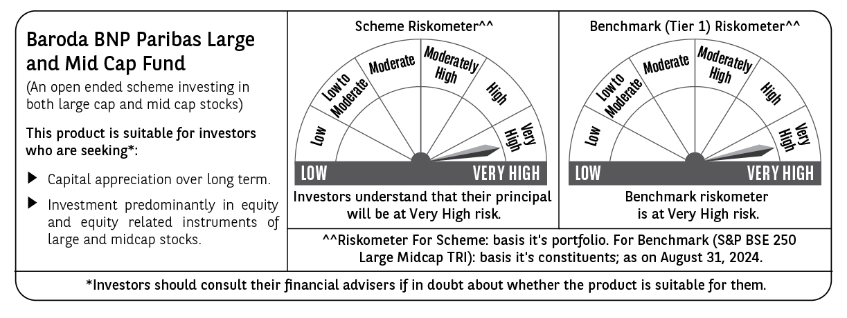
 | Baroda BNP Paribas Large & Mid Cap Fund

 | Monthly Portfolio Statement as on August 31, 2024
 | Name of the Instrument | ISIN | Industry | Quantity | Market/Fair Value (Rs. in Lakhs) | % to Net Assets | YTM~ | YTC^ | null
 | Equity & Equity related
 | (a) Listed / awaiting listing on Stock Exchanges
INFS02 | Infosys Limited | INE009A01021 | IT - Software | 300,000 | 5,831.10 | 4.04%
HDFB03 | HDFC Bank Limited | INE040A01034 | Banks | 350,000 | 5,729.15 | 3.97%
OIIL01 | Oil India Limited | INE274J01014 | Oil | 550,000 | 4,075.50 | 2.82%
ESMC02 | PB Fintech Limited | INE417T01026 | Financial Technology (Fintech) | 225,000 | 3,987.56 | 2.76%
DIXO02 | Dixon Technologies (India) Limited | INE935N01020 | Consumer Durables | 30,000 | 3,951.29 | 2.74%
LARS02 | Larsen & Toubro Limited | INE018A01030 | Construction | 105,000 | 3,889.88 | 2.69%
RIND01 | Reliance Industries Limited | INE002A01018 | Petroleum Products | 125,000 | 3,774.06 | 2.61%
AJPH03 | Ajanta Pharma Limited | INE031B01049 | Pharmaceuticals & Biotechnology | 115,498 | 3,746.24 | 2.60%
CRED02 | CRISIL Limited | INE007A01025 | Finance | 80,000 | 3,569.40 | 2.47%
PHFP02 | PNB Housing Finance Limited | INE572E01012 | Finance | 350,000 | 3,421.08 | 2.37%
ALKE01 | Alkem Laboratories Limited | INE540L01014 | Pharmaceuticals & Biotechnology | 55,000 | 3,393.69 | 2.35%
LAKM02 | Trent Limited | INE849A01020 | Retailing | 45,000 | 3,221.44 | 2.23%
CAMS01 | Computer Age Management Services Limited | INE596I01012 | Capital Markets | 75,000 | 3,195.94 | 2.21%
TCSL01 | Tata Consultancy Services Limited | INE467B01029 | IT - Software | 70,000 | 3,187.63 | 2.21%
BFLS01 | Mphasis Limited | INE356A01018 | IT - Software | 100,000 | 3,104.95 | 2.15%
CONB01 | Concord Biotech Limited | INE338H01029 | Pharmaceuticals & Biotechnology | 180,000 | 2,998.62 | 2.08%
COLG02 | Colgate Palmolive (India) Limited | INE259A01022 | Personal Products | 80,000 | 2,912.28 | 2.02%
BINL01 | Indus Towers Limited | INE121J01017 | Telecom - Services | 620,553 | 2,845.24 | 1.97%
PHMI02 | The Phoenix Mills Limited | INE211B01039 | Realty | 75,000 | 2,827.05 | 1.96%
TELC03 | Tata Motors Limited | INE155A01022 | Automobiles | 250,000 | 2,778.38 | 1.92%
IBCL05 | ICICI Bank Limited | INE090A01021 | Banks | 225,000 | 2,765.70 | 1.92%
FSNE01 | FSN E-Commerce Ventures Limited | INE388Y01029 | Retailing | 1,300,000 | 2,700.10 | 1.87%
PGCI01 | Power Grid Corporation of India Limited | INE752E01010 | Power | 800,000 | 2,699.20 | 1.87%
UTIB02 | Axis Bank Limited | INE238A01034 | Banks | 225,000 | 2,644.31 | 1.83%
FEBA02 | The Federal Bank Limited | INE171A01029 | Banks | 1,300,000 | 2,531.10 | 1.75%
ZMPL01 | Zomato Limited | INE758T01015 | Retailing | 1,000,000 | 2,505.30 | 1.74%
NEST02 | Nestle India Limited | INE239A01024 | Food Products | 100,000 | 2,500.75 | 1.73%
ASEA02 | ABB India Limited | INE117A01022 | Electrical Equipment | 30,000 | 2,380.82 | 1.65%
WABT01 | ZF Commercial Vehicle Control Systems India Limited | INE342J01019 | Auto Components | 15,000 | 2,335.18 | 1.62%
BKBA02 | Bank of Baroda | INE028A01039 | Banks | 900,000 | 2,250.90 | 1.56%
KAYN01 | Kaynes Technology India Limited | INE918Z01012 | Industrial Manufacturing | 45,000 | 2,139.21 | 1.48%
CANB02 | Canara Bank | INE476A01022 | Banks | 1,875,000 | 2,091.19 | 1.45%
KPRM03 | K.P.R. Mill Limited | INE930H01031 | Textiles & Apparels | 240,000 | 2,032.32 | 1.41%
KPEL01 | KPIT Technologies Limited | INE04I401011 | IT - Software | 110,000 | 1,996.67 | 1.38%
BTVL02 | Bharti Airtel Limited | INE397D01024 | Telecom - Services | 125,000 | 1,986.31 | 1.38%
AVSP01 | Avenue Supermarts Limited | INE192R01011 | Retailing | 40,000 | 1,970.98 | 1.37%
IHOT02 | The Indian Hotels Company Limited | INE053A01029 | Leisure Services | 301,000 | 1,948.98 | 1.35%
MAXI02 | Max Financial Services Limited | INE180A01020 | Insurance | 175,000 | 1,880.99 | 1.30%
JSTA02 | Jindal Stainless Limited | INE220G01021 | Ferrous Metals | 225,000 | 1,785.15 | 1.24%
DIVI02 | Divi's Laboratories Limited | INE361B01024 | Pharmaceuticals & Biotechnology | 35,000 | 1,782.87 | 1.24%
GCPL02 | Godrej Consumer Products Limited | INE102D01028 | Personal Products | 120,000 | 1,777.44 | 1.23%
JSPL03 | Jindal Steel & Power Limited | INE749A01030 | Ferrous Metals | 175,000 | 1,698.20 | 1.18%
HPEC01 | Hindustan Petroleum Corporation Limited | INE094A01015 | Petroleum Products | 400,000 | 1,676.20 | 1.16%
TWAT02 | Titan Company Limited | INE280A01028 | Consumer Durables | 45,000 | 1,604.32 | 1.11%
CHOL02 | Cholamandalam Investment and Finance Company Ltd | INE121A01024 | Finance | 110,000 | 1,601.16 | 1.11%
ESCO01 | Escorts Kubota Limited | INE042A01014 | Agricultural, Commercial & Construction Vehicles | 40,000 | 1,541.56 | 1.07%
HTAP02 | Hatsun Agro Product Limited | INE473B01035 | Food Products | 110,000 | 1,442.76 | 1.00%
NHPC01 | NHPC Limited | INE848E01016 | Power | 1,500,000 | 1,441.80 | 1.00%
KCUL02 | Cummins India Limited | INE298A01020 | Industrial Products | 38,000 | 1,422.99 | 0.99%
MSUW01 | Motherson Sumi Wiring India Limited | INE0FS801015 | Auto Components | 2,000,000 | 1,408.60 | 0.98%
JLLH01 | Jupiter Life Line Hospitals Limited | INE682M01012 | Healthcare Services | 101,709 | 1,360.71 | 0.94%
SONB01 | Sona BLW Precision Forgings Limited | INE073K01018 | Auto Components | 150,000 | 1,025.03 | 0.71%
ALLI02 | GE T&D India Limited | INE200A01026 | Electrical Equipment | 30,000 | 514.08 | 0.36%
 | Sub Total |  |  |  | 135,883.36 | 94.15%
 | (b) Unlisted |  |  |  | NIL | NIL
 | Sub Total |  |  |  | NIL | NIL
 | Total |  |  |  | 135,883.36 | 94.15%
 | Reverse Repo / TREPS
TRP_020924 | Clearing Corporation of India Ltd |  |  |  | 8,622.99 | 5.97% | 6.52%
 | Sub Total |  |  |  | 8,622.99 | 5.97%
 | Total |  |  |  | 8,622.99 | 5.97%
 | Net Receivables / (Payables) |  |  |  | (159.09) | (0.12)%
 | GRAND TOTAL |  |  |  | 144,347.26 | 100.00%

 | ~ YTM as on August 31, 2024
 | ^ YTC represents Yield to Call provided by valuation agencies as on August 31, 2024. It is disclosed for Perpetual Bond issued by Banks (i.e. AT-1 Bond / Tier 1 Bond / Tier 2 Bond), as per AMFI Best Practices Guidelines Circular no. 135/BP/91/2020-21 read with SEBI circular No. SEBI/HO/IMD/DF4/CIR/P/2021/034 on Valuation of AT-1 Bonds and Tier 2 Bonds.

