Monthly Portfolio
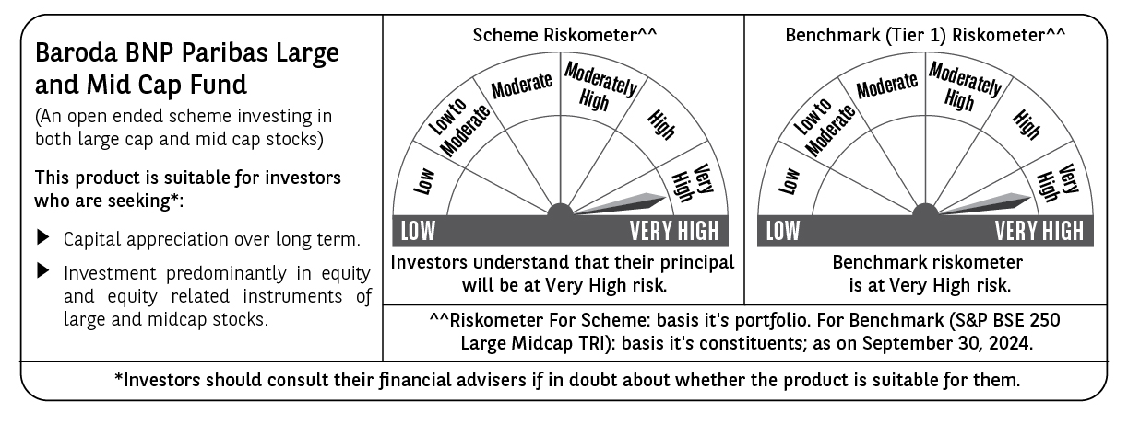
 | Baroda BNP Paribas Large & Mid Cap Fund

 | Monthly Portfolio Statement as on September 30, 2024
 | Name of the Instrument | ISIN | Industry | Quantity | Market/Fair Value (Rs. in Lakhs) | % to Net Assets | YTM~ | YTC^ | null
 | Equity & Equity related
 | (a) Listed / awaiting listing on Stock Exchanges
HDFB03 | HDFC Bank Limited | INE040A01034 | Banks | 350,000 | 6,062.18 | 4.12%
INFS02 | Infosys Limited | INE009A01021 | IT - Software | 300,000 | 5,626.80 | 3.83%
ESMC02 | PB Fintech Limited | INE417T01026 | Financial Technology (Fintech) | 259,200 | 4,198.91 | 2.86%
DIXO02 | Dixon Technologies (India) Limited | INE935N01020 | Consumer Durables | 30,000 | 4,140.89 | 2.82%
FEBA02 | The Federal Bank Limited | INE171A01029 | Banks | 2,000,000 | 3,934.60 | 2.68%
LARS02 | Larsen & Toubro Limited | INE018A01030 | Construction | 105,000 | 3,859.33 | 2.63%
BFLS01 | Mphasis Limited | INE356A01018 | IT - Software | 125,000 | 3,763.00 | 2.56%
CRED02 | CRISIL Limited | INE007A01025 | Finance | 80,000 | 3,730.00 | 2.54%
RIND01 | Reliance Industries Limited | INE002A01018 | Petroleum Products | 125,000 | 3,691.44 | 2.51%
SHTR01 | Shriram Finance Limited | INE721A01013 | Finance | 100,000 | 3,576.95 | 2.43%
PHFP02 | PNB Housing Finance Limited | INE572E01012 | Finance | 350,000 | 3,440.33 | 2.34%
CONB01 | Concord Biotech Limited | INE338H01029 | Pharmaceuticals & Biotechnology | 165,000 | 3,353.71 | 2.28%
ALKE01 | Alkem Laboratories Limited | INE540L01014 | Pharmaceuticals & Biotechnology | 55,000 | 3,329.04 | 2.26%
CAMS01 | Computer Age Management Services Limited | INE596I01012 | Capital Markets | 75,000 | 3,306.83 | 2.25%
HPEC01 | Hindustan Petroleum Corporation Limited | INE094A01015 | Petroleum Products | 750,000 | 3,304.13 | 2.25%
OIIL01 | Oil India Limited | INE274J01014 | Oil | 525,000 | 3,048.41 | 2.07%
COLG02 | Colgate Palmolive (India) Limited | INE259A01022 | Personal Products | 80,000 | 3,043.60 | 2.07%
ALLI02 | GE T&D India Limited | INE200A01026 | Electrical Equipment | 178,494 | 3,000.48 | 2.04%
TCSL01 | Tata Consultancy Services Limited | INE467B01029 | IT - Software | 70,000 | 2,987.95 | 2.03%
AJPH03 | Ajanta Pharma Limited | INE031B01049 | Pharmaceuticals & Biotechnology | 90,000 | 2,881.44 | 1.96%
IBCL05 | ICICI Bank Limited | INE090A01021 | Banks | 225,000 | 2,864.25 | 1.95%
PGCI01 | Power Grid Corporation of India Limited | INE752E01010 | Power | 800,000 | 2,822.80 | 1.92%
UTIB02 | Axis Bank Limited | INE238A01034 | Banks | 225,000 | 2,772.45 | 1.89%
BKBA02 | Bank of Baroda | INE028A01039 | Banks | 1,100,000 | 2,725.80 | 1.85%
NEST02 | Nestle India Limited | INE239A01024 | Food Products | 100,000 | 2,689.95 | 1.83%
LAKM02 | Trent Limited | INE849A01020 | Retailing | 35,000 | 2,651.13 | 1.80%
FSNE01 | FSN E-Commerce Ventures Limited | INE388Y01029 | Retailing | 1,300,000 | 2,542.93 | 1.73%
KAYN01 | Kaynes Technology India Limited | INE918Z01012 | Industrial Manufacturing | 45,000 | 2,441.59 | 1.66%
TELC03 | Tata Motors Limited | INE155A01022 | Automobiles | 250,000 | 2,436.63 | 1.66%
ASEA02 | ABB India Limited | INE117A01022 | Electrical Equipment | 30,000 | 2,416.50 | 1.64%
WABT01 | ZF Commercial Vehicle Control Systems India Limited | INE342J01019 | Auto Components | 15,000 | 2,383.19 | 1.62%
MAXI02 | Max Financial Services Limited | INE180A01020 | Insurance | 200,000 | 2,382.00 | 1.62%
BTVL02 | Bharti Airtel Limited | INE397D01024 | Telecom - Services | 125,000 | 2,136.94 | 1.45%
PHMI02 | The Phoenix Mills Limited | INE211B01039 | Realty | 115,000 | 2,122.50 | 1.44%
ZMPL01 | Zomato Limited | INE758T01015 | Retailing | 750,000 | 2,049.75 | 1.39%
AVSP01 | Avenue Supermarts Limited | INE192R01011 | Retailing | 40,000 | 2,038.52 | 1.39%
KPRM03 | K.P.R. Mill Limited | INE930H01031 | Textiles & Apparels | 200,000 | 1,908.00 | 1.30%
DIVI02 | Divi's Laboratories Limited | INE361B01024 | Pharmaceuticals & Biotechnology | 35,000 | 1,905.17 | 1.30%
SONB01 | Sona BLW Precision Forgings Limited | INE073K01018 | Auto Components | 253,000 | 1,880.80 | 1.28%
KPEL01 | KPIT Technologies Limited | INE04I401011 | IT - Software | 110,000 | 1,790.80 | 1.22%
CHOL02 | Cholamandalam Investment and Finance Company Ltd | INE121A01024 | Finance | 110,000 | 1,768.80 | 1.20%
TWAT02 | Titan Company Limited | INE280A01028 | Consumer Durables | 45,000 | 1,720.78 | 1.17%
IHOT02 | The Indian Hotels Company Limited | INE053A01029 | Leisure Services | 250,000 | 1,711.75 | 1.16%
ESCO01 | Escorts Kubota Limited | INE042A01014 | Agricultural, Commercial & Construction Vehicles | 40,000 | 1,707.52 | 1.16%
GCPL02 | Godrej Consumer Products Limited | INE102D01028 | Personal Products | 120,000 | 1,672.08 | 1.14%
JSPL03 | Jindal Steel & Power Limited | INE749A01030 | Ferrous Metals | 150,000 | 1,559.48 | 1.06%
JLLH01 | Jupiter Life Line Hospitals Limited | INE682M01012 | Healthcare Services | 110,000 | 1,554.63 | 1.06%
KCUL02 | Cummins India Limited | INE298A01020 | Industrial Products | 38,000 | 1,446.30 | 0.98%
MSUW01 | Motherson Sumi Wiring India Limited | INE0FS801015 | Auto Components | 2,000,000 | 1,424.40 | 0.97%
JSTA02 | Jindal Stainless Limited | INE220G01021 | Ferrous Metals | 170,000 | 1,343.85 | 0.91%
HTAP02 | Hatsun Agro Product Limited | INE473B01035 | Food Products | 110,000 | 1,308.34 | 0.89%
INAV01 | InterGlobe Aviation Limited | INE646L01027 | Transport Services | 25,000 | 1,196.86 | 0.81%
SIEM02 | Siemens Limited | INE003A01024 | Electrical Equipment | 10,000 | 725.00 | 0.49%
 | Sub Total |  |  |  | 140,381.51 | 95.47%
 | (b) Unlisted |  |  |  | NIL | NIL
 | Sub Total |  |  |  | NIL | NIL
 | Total |  |  |  | 140,381.51 | 95.47%
 | Reverse Repo / TREPS
TRP_011024 | Clearing Corporation of India Ltd |  |  |  | 4,873.56 | 3.32% | 6.65%
 | Sub Total |  |  |  | 4,873.56 | 3.32%
 | Total |  |  |  | 4,873.56 | 3.32%
 | Net Receivables / (Payables) |  |  |  | 1,752.15 | 1.21%
 | GRAND TOTAL |  |  |  | 147,007.22 | 100.00%

 | ~ YTM as on September 30, 2024
 | ^ YTC represents Yield to Call provided by valuation agencies as on September 30, 2024. It is disclosed for Perpetual Bond issued by Banks (i.e. AT-1 Bond / Tier 1 Bond / Tier 2 Bond), as per AMFI Best Practices Guidelines Circular no. 135/BP/91/2020-21 read with SEBI circular No. SEBI/HO/IMD/DF4/CIR/P/2021/034 on Valuation of AT-1 Bonds and Tier 2 Bonds.

